JP Inc_Trend Data 88-23
MULTIPLE JOINPOINT INCIDENCE
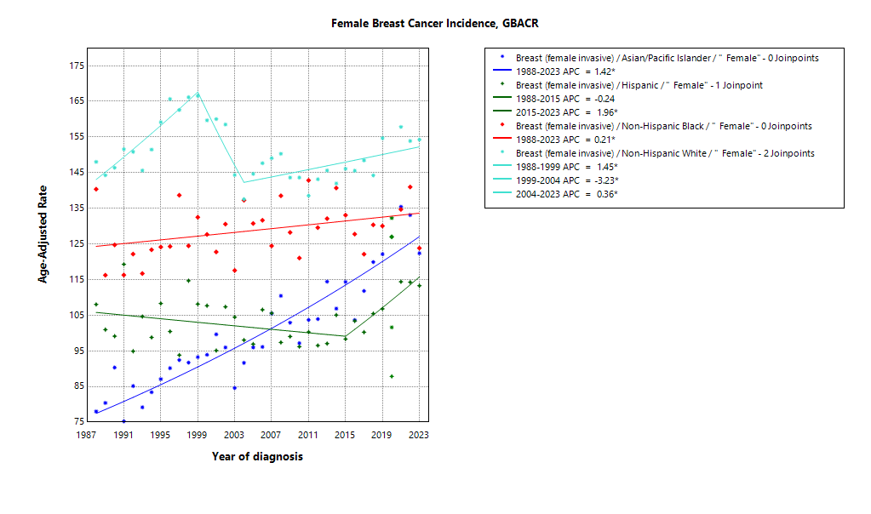
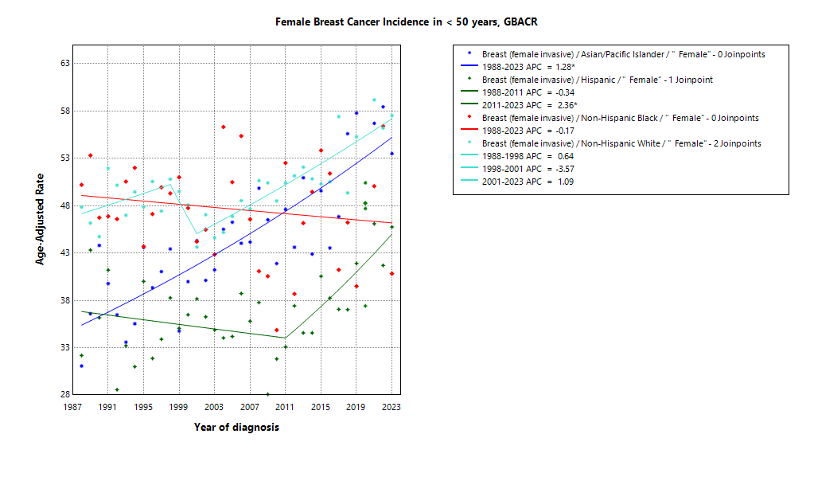

* indicates APC is statistically significant (95% CI excludes 1)
2020 rate is excluded from calculation of trend

ASIR 19-23
Age-specific incidence, GBACR, 2019-2023
 | Male | Female
0-04 years |  | 0
05-09 years |  | 0
10-14 years |  | 0
15-19 years |  | 0
20-24 years |  | 1.15
25-29 years |  | 11.53
30-34 years |  | 31.83
35-39 years |  | 67.47
40-44 years |  | 149.14
45-49 years |  | 233.68
50-54 years |  | 262.93
55-59 years |  | 280.13
60-64 years |  | 341.35
65-69 years |  | 394.23
70-74 years |  | 454.64
75-79 years |  | 438.57
80-84 years |  | 459.07
85+ years |  | 340.89
Age-specific Incidence (per 100,000)
All races and ethnicities
2019-2023
GBACR
 | Male | Female
 | Rate | Rate
0-04 years |  | ^
05-09 years |  | ^
10-14 years |  | ^
15-19 years |  | ^
20-24 years |  | 1.15
25-29 years |  | 11.53
30-34 years |  | 31.83
35-39 years |  | 67.47
40-44 years |  | 149.14
45-49 years |  | 233.68
50-54 years |  | 262.93
55-59 years |  | 280.13
60-64 years |  | 341.35
65-69 years |  | 394.23
70-74 years |  | 454.64
75-79 years |  | 438.57
80-84 years |  | 459.07
85+ years |  | 340.89

 | Rates are per 100,000 and age-adjusted to the 2000 US Std Population (19 age groups - Census P25-1130) standard; Confidence intervals (Tiwari mod) are 95% for rates.
^ | Statistic not displayed due to fewer than 11 cases or a population of less than 20,000.

CSIR 19-23
Age-adjusted county or region-specific incidence rates (per 100,000)
2019-2023

All races/ethnicities incidence, 2019-2023
 | Male | Female
SF Bay Area |  | 134.82
Alameda |  | 128.6
Contra Costa |  | 138.42
Marin |  | 155.47
San Francisco |  | 138.62
San Mateo |  | 142.18
Santa Clara |  | 129.52
Monterey Bay Area |  | 127.65
Monterey |  | 118.06
San Benito |  | 105.15
Santa Cruz |  | 146.87
Greater Bay Area (9) |  | 134.19
California |  | 128.25
 |  | Female
 |  | Rate | Lower CI | Upper CI | Count | Pop
All races/ethnicities | SF Bay Area | 134.82 | 133.18 | 136.48 | 26,924 | 16,339,304
All races/ethnicities | Alameda | 128.6 | 125.4 | 131.86 | 6,351 | 4,161,426
All races/ethnicities | Contra Costa | 138.42 | 134.57 | 142.35 | 5,174 | 2,950,631
All races/ethnicities | Marin | 155.47 | 147.16 | 164.18 | 1,539 | 658,159
All races/ethnicities | San Francisco | 138.62 | 133.88 | 143.49 | 3,437 | 2,031,790
All races/ethnicities | San Mateo | 142.18 | 137.31 | 147.19 | 3,411 | 1,869,298
All races/ethnicities | Santa Clara | 129.52 | 126.45 | 132.64 | 7,012 | 4,668,000
All races/ethnicities | Monterey Bay Area | 127.65 | 122.82 | 132.63 | 2,820 | 1,900,211
All races/ethnicities | Monterey | 118.06 | 111.8 | 124.59 | 1,403 | 1,070,158
All races/ethnicities | San Benito | 105.15 | 90.5 | 121.55 | 191 | 163,642
All races/ethnicities | Santa Cruz | 146.87 | 138.32 | 155.85 | 1,226 | 666,411
All races/ethnicities | Greater Bay Area (9) | 134.19 | 132.63 | 135.76 | 29,744 | 18,239,515
All races/ethnicities | California | 128.25 | 127.58 | 128.92 | 148,639 | 98,176,064
American Indian/Alaska Native | SF Bay Area | 219.94 | 180.61 | 265.38 | 119 | 48,877
American Indian/Alaska Native | Alameda | ^ | ^ | ^ | ^ | 14,436
American Indian/Alaska Native | Contra Costa | ^ | ^ | ^ | ^ | 10,919
American Indian/Alaska Native | Marin | ^ | ^ | ^ | ^ | 1,621
American Indian/Alaska Native | San Francisco | ^ | ^ | ^ | ^ | 5,300
American Indian/Alaska Native | San Mateo | ^ | ^ | ^ | ^ | 3,669
American Indian/Alaska Native | Santa Clara | ^ | ^ | ^ | ^ | 12,932
American Indian/Alaska Native | Monterey Bay Area | ^ | ^ | ^ | ^ | 8,580
American Indian/Alaska Native | Monterey | ^ | ^ | ^ | ^ | 4,202
American Indian/Alaska Native | San Benito | ^ | ^ | ^ | ^ | 855
American Indian/Alaska Native | Santa Cruz | ^ | ^ | ^ | ^ | 3,523
American Indian/Alaska Native | Greater Bay Area (9) | 210.05 | 174.48 | 250.83 | 136 | 57,457
American Indian/Alaska Native | California | 154.85 | 144.84 | 165.4 | 985 | 518,877
Asian American/Native Hawaiian/Pacific Islander | SF Bay Area | 123.07 | 120.4 | 125.79 | 8,274 | 5,605,078
Asian American/Native Hawaiian/Pacific Islander | Alameda | 118.99 | 113.84 | 124.33 | 2,054 | 1,476,601
Asian American/Native Hawaiian/Pacific Islander | Contra Costa | 130.97 | 122.92 | 139.43 | 1,012 | 625,710
Asian American/Native Hawaiian/Pacific Islander | Marin | 132.66 | 107.05 | 163.08 | 98 | 57,171
Asian American/Native Hawaiian/Pacific Islander | San Francisco | 126.15 | 119.25 | 133.39 | 1,377 | 833,952
Asian American/Native Hawaiian/Pacific Islander | San Mateo | 137.68 | 129.61 | 146.16 | 1,123 | 657,593
Asian American/Native Hawaiian/Pacific Islander | Santa Clara | 116.96 | 112.48 | 121.59 | 2,610 | 1,954,051
Asian American/Native Hawaiian/Pacific Islander | Monterey Bay Area | 125.41 | 107.87 | 145.21 | 201 | 124,642
Asian American/Native Hawaiian/Pacific Islander | Monterey | 120.4 | 99.25 | 145.18 | 129 | 77,308
Asian American/Native Hawaiian/Pacific Islander | San Benito | ^ | ^ | ^ | ^ | 7,907
Asian American/Native Hawaiian/Pacific Islander | Santa Cruz | 141.04 | 106.55 | 183.9 | 60 | 39,427
Asian American/Native Hawaiian/Pacific Islander | Greater Bay Area (9) | 123.1 | 120.46 | 125.79 | 8,475 | 5,729,720
Asian American/Native Hawaiian/Pacific Islander | California | 119.62 | 118.11 | 121.14 | 24,878 | 16,880,082
Hispanic | SF Bay Area | 109.86 | 106.32 | 113.5 | 3,752 | 3,812,264
Hispanic | Alameda | 101.84 | 94.87 | 109.17 | 833 | 949,598
Hispanic | Contra Costa | 109.91 | 102.01 | 118.24 | 754 | 789,903
Hispanic | Marin | 123.71 | 102.16 | 148.29 | 124 | 119,378
Hispanic | San Francisco | 110.25 | 98.85 | 122.61 | 350 | 315,705
Hispanic | San Mateo | 118.03 | 108.08 | 128.64 | 532 | 459,332
Hispanic | Santa Clara | 111.65 | 105.21 | 118.37 | 1159 | 1,178,348
Hispanic | Monterey Bay Area | 96.02 | 89.03 | 103.4 | 741 | 976,807
Hispanic | Monterey | 85.68 | 77.58 | 94.38 | 435 | 645,932
Hispanic | San Benito | 97.12 | 77.31 | 120.36 | 85 | 100,402
Hispanic | Santa Cruz | 122.08 | 105.99 | 139.83 | 221 | 230,473
Hispanic | Greater Bay Area (9) | 107.45 | 104.28 | 110.7 | 4,493 | 4,789,071
Hispanic | California | 104.61 | 103.5 | 105.73 | 35,179 | 38,743,281
Non-Hispanic Black | SF Bay Area | 131.48 | 125.05 | 138.17 | 1,662 | 1,044,607
Non-Hispanic Black | Alameda | 129.49 | 120.15 | 139.41 | 759 | 458,799
Non-Hispanic Black | Contra Costa | 128.66 | 116.51 | 141.78 | 434 | 288,753
Non-Hispanic Black | Marin | ^ | ^ | ^ | ^ | 15,079
Non-Hispanic Black | San Francisco | 147.45 | 126.84 | 170.58 | 199 | 111,689
Non-Hispanic Black | San Mateo | 163.02 | 130.6 | 201.34 | 98 | 47,230
Non-Hispanic Black | Santa Clara | 122.62 | 103.72 | 143.98 | 156 | 123,057
Non-Hispanic Black | Monterey Bay Area | 127.89 | 92.04 | 173.07 | 46 | 34,836
Non-Hispanic Black | Monterey | 134.61 | 91.3 | 191.48 | 35 | 23,500
Non-Hispanic Black | San Benito | ^ | ^ | ^ | ^ | 2,235
Non-Hispanic Black | Santa Cruz | ^ | ^ | ^ | ^ | 9,101
Non-Hispanic Black | Greater Bay Area (9) | 131.34 | 125 | 137.93 | 1,708 | 1,079,443
Non-Hispanic Black | California | 127.69 | 124.99 | 130.43 | 9,024 | 6,108,556
Non-Hispanic White | SF Bay Area | 151.25 | 148.48 | 154.07 | 12,963 | 5,828,478
Non-Hispanic White | Alameda | 145.52 | 139.69 | 151.56 | 2,625 | 1,261,992
Non-Hispanic White | Contra Costa | 151.27 | 145.37 | 157.38 | 2,925 | 1,235,346
Non-Hispanic White | Marin | 162.88 | 152.93 | 173.41 | 1295 | 464,910
Non-Hispanic White | San Francisco | 160.84 | 152.58 | 169.48 | 1,483 | 765,144
Non-Hispanic White | San Mateo | 152.14 | 144.24 | 160.4 | 1,625 | 701,474
Non-Hispanic White | Santa Clara | 146.09 | 140.49 | 151.89 | 3,010 | 1,399,612
Non-Hispanic White | Monterey Bay Area | 143.27 | 135.87 | 151.01 | 1793 | 755,346
Non-Hispanic White | Monterey | 133.84 | 123.32 | 145.17 | 790 | 319,216
Non-Hispanic White | San Benito | 105.19 | 82.94 | 132.52 | 88 | 52,243
Non-Hispanic White | Santa Cruz | 155.01 | 144 | 166.76 | 915 | 383,887
Non-Hispanic White | Greater Bay Area (9) | 150.51 | 147.91 | 153.15 | 14,756 | 6,583,824
Non-Hispanic White | California | 141.98 | 140.89 | 143.07 | 76,649 | 35,925,268

 | Rates are per 100,000 and age-adjusted to the 2000 US Std Population (19 age groups - Census P25-1130) standard; Confidence intervals (Tiwari mod) are 95% for rates.
^ | Statistic not displayed due to fewer than 11 cases or a population of less than 20,000.

JP Mort_Trend Data 88-23
MULTIPLE JOINPOINT MORTALITY
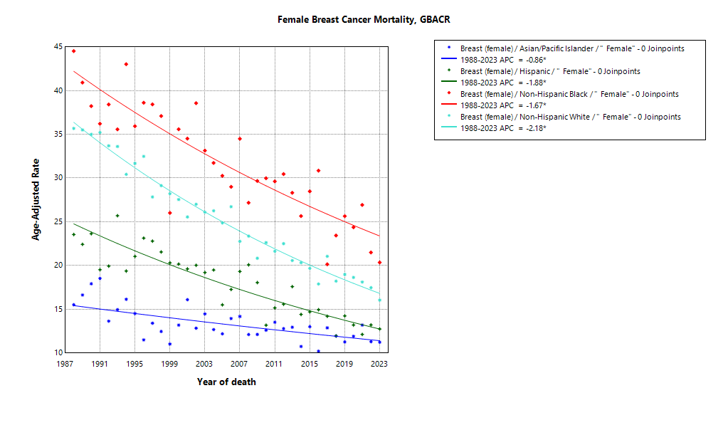

* indicates APC is statistically significant (95% CI excludes 1)

ASMR 19-23
Age-Specific Mortality
All races/ethnicities
2019-2023
GBACR
Age-specific mortality, GBACR, 2019-2023
 | Male | Female
0-4 years |  | 0
05-09 years |  | 0
10-14 years |  | 0
15-19 years |  | 0
20-24 years |  | 0
25-29 years |  | 0.71
30-34 years |  | 3.38
35-39 years |  | 7.97
40-44 years |  | 15.93
45-49 years |  | 26.47
50-54 years |  | 40.04
55-59 years |  | 51.29
60-64 years |  | 64.28
65-69 years |  | 76.58
70-74 years |  | 90.2
75-79 years |  | 107.61
80-84 years |  | 126.72
85+ years |  | 171.45
 | Male | Female
 | Rate | Rate
0-4 years |  | ^
05-09 years |  | ^
10-14 years |  | ^
15-19 years |  | ^
20-24 years |  | ^
25-29 years |  | 0.71
30-34 years |  | 3.38
35-39 years |  | 7.97
40-44 years |  | 15.93
45-49 years |  | 26.47
50-54 years |  | 40.04
55-59 years |  | 51.29
60-64 years |  | 64.28
65-69 years |  | 76.58
70-74 years |  | 90.2
75-79 years |  | 107.61
80-84 years |  | 126.72
85+ years |  | 171.45

 | Rates are per 100,000 and age-adjusted to the 2000 US Std Population (19 age groups - Census P25-1130) standard; Confidence intervals (Tiwari mod) are 95% for rates.
^ | Statistic not displayed due to fewer than 11 cases or a population of less than 20,000.

CSMR 19-23
All races/ethnicities mortality, 2019-2023
 | Male | Female
SF Bay Area |  | 15.69
Alameda |  | 16.45
Contra Costa |  | 18.08
Marin |  | 17.22
San Francisco |  | 13.26
San Mateo |  | 15.04
Santa Clara |  | 14.61
Monterey Bay Area |  | 17.56
Monterey |  | 17.97
San Benito |  | 13.64
Santa Cruz |  | 17.74
Greater Bay Area (9) |  | 15.87
California |  | 18.60
Age-adjusted county or region-specific mortality rates (per 100,000)
2019-2023

 |  | Female
 |  | Rate | Lower CI | Upper CI | Count | Pop
All races/ethnicities | SF Bay Area | 15.69 | 15.16 | 16.24 | 3,374 | 16,339,304
All races/ethnicities | Alameda | 16.45 | 15.35 | 17.62 | 855 | 4,161,426
All races/ethnicities | Contra Costa | 18.08 | 16.74 | 19.50 | 703 | 2,950,631
All races/ethnicities | Marin | 17.22 | 14.74 | 20.08 | 197 | 658,159
All races/ethnicities | San Francisco | 13.26 | 11.92 | 14.74 | 379 | 2,031,790
All races/ethnicities | San Mateo | 15.04 | 13.56 | 16.66 | 396 | 1,869,298
All races/ethnicities | Santa Clara | 14.61 | 13.63 | 15.65 | 844 | 4,668,000
All races/ethnicities | Monterey Bay Area | 17.56 | 15.84 | 19.42 | 405 | 1,900,211
All races/ethnicities | Monterey | 17.97 | 15.61 | 20.59 | 220 | 1,070,158
All races/ethnicities | San Benito | 13.64 | 8.66 | 20.48 | 24 | 163,642
All races/ethnicities | Santa Cruz | 17.74 | 15.01 | 20.87 | 161 | 666,411
All races/ethnicities | Greater Bay Area (9) | 15.87 | 15.36 | 16.40 | 3,779 | 18,239,515
All races/ethnicities | California | 18.60 | 18.35 | 18.85 | 22,547 | 98,176,064
American Indian/Alaska Native | SF Bay Area | 42.91 | 27.44 | 64.36 | 25 | 48,877
American Indian/Alaska Native | Alameda | ^ | ^ | ^ | ^ | 14,436
American Indian/Alaska Native | Contra Costa | ^ | ^ | ^ | ^ | 10,919
American Indian/Alaska Native | Marin | ^ | ^ | ^ | ^ | 1,621
American Indian/Alaska Native | San Francisco | ^ | ^ | ^ | ^ | 5,300
American Indian/Alaska Native | San Mateo | ^ | ^ | ^ | ^ | 3,669
American Indian/Alaska Native | Santa Clara | ^ | ^ | ^ | ^ | 12,932
American Indian/Alaska Native | Monterey Bay Area | ^ | ^ | ^ | ^ | 8,580
American Indian/Alaska Native | Monterey | ^ | ^ | ^ | ^ | 4,202
American Indian/Alaska Native | San Benito | ^ | ^ | ^ | ^ | 855
American Indian/Alaska Native | Santa Cruz | ^ | ^ | ^ | ^ | 3,523
American Indian/Alaska Native | Greater Bay Area (9) | 40.40 | 26.44 | 59.48 | 28 | 57,457
American Indian/Alaska Native | California | 28.82 | 24.79 | 33.37 | 193 | 518,877
Asian American/Native Hawaiian/Pacific Islander | SF Bay Area | 11.75 | 10.95 | 12.59 | 825 | 5,605,078
Asian American/Native Hawaiian/Pacific Islander | Alameda | 11.61 | 10.06 | 13.34 | 208 | 1,476,601
Asian American/Native Hawaiian/Pacific Islander | Contra Costa | 13.53 | 11.04 | 16.45 | 105 | 625,710
Asian American/Native Hawaiian/Pacific Islander | Marin | ^ | ^ | ^ | ^ | 57,171
Asian American/Native Hawaiian/Pacific Islander | San Francisco | 11.65 | 9.76 | 13.88 | 152 | 833,952
Asian American/Native Hawaiian/Pacific Islander | San Mateo | 13.00 | 10.66 | 15.75 | 111 | 657,593
Asian American/Native Hawaiian/Pacific Islander | Santa Clara | 10.62 | 9.31 | 12.07 | 240 | 1,954,051
Asian American/Native Hawaiian/Pacific Islander | Monterey Bay Area | 12.63 | 7.83 | 19.75 | 23 | 124,642
Asian American/Native Hawaiian/Pacific Islander | Monterey | 15.28 | 8.75 | 25.67 | 18 | 77,308
Asian American/Native Hawaiian/Pacific Islander | San Benito | ^ | ^ | ^ | ^ | 7,907
Asian American/Native Hawaiian/Pacific Islander | Santa Cruz | ^ | ^ | ^ | ^ | 39,427
Asian American/Native Hawaiian/Pacific Islander | Greater Bay Area (9) | 11.77 | 10.98 | 12.61 | 848 | 5,729,720
Asian American/Native Hawaiian/Pacific Islander | California | 13.27 | 12.78 | 13.77 | 2,896 | 16,880,082
Hispanic | SF Bay Area | 12.93 | 11.70 | 14.25 | 418 | 3,812,264
Hispanic | Alameda | 11.66 | 9.31 | 14.40 | 90 | 949,598
Hispanic | Contra Costa | 14.12 | 11.24 | 17.47 | 87 | 789,903
Hispanic | Marin | 15.49 | 8.23 | 26.15 | 14 | 119,378
Hispanic | San Francisco | 7.55 | 4.86 | 11.24 | 25 | 315,705
Hispanic | San Mateo | 12.88 | 9.75 | 16.69 | 58 | 459,332
Hispanic | Santa Clara | 14.95 | 12.57 | 17.64 | 144 | 1,178,348
Hispanic | Monterey Bay Area | 13.59 | 10.91 | 16.69 | 96 | 976,807
Hispanic | Monterey | 15.13 | 11.57 | 19.35 | 67 | 645,932
Hispanic | San Benito | ^ | ^ | ^ | ^ | 100,402
Hispanic | Santa Cruz | 11.76 | 7.13 | 18.13 | 21 | 230,473
Hispanic | Greater Bay Area (9) | 13.09 | 11.95 | 14.29 | 514 | 4,789,071
Hispanic | California | 15.80 | 15.36 | 16.26 | 5,007 | 38,743,281
Non-Hispanic Black | SF Bay Area | 24.12 | 21.44 | 27.05 | 309 | 1,044,607
Non-Hispanic Black | Alameda | 26.46 | 22.37 | 31.14 | 156 | 458,799
Non-Hispanic Black | Contra Costa | 23.63 | 18.54 | 29.73 | 77 | 288,753
Non-Hispanic Black | Marin | ^ | ^ | ^ | ^ | 15,079
Non-Hispanic Black | San Francisco | 24.19 | 16.87 | 33.97 | 37 | 111,689
Non-Hispanic Black | San Mateo | 17.36 | 8.21 | 32.80 | 11 | 47,230
Non-Hispanic Black | Santa Clara | 18.07 | 11.43 | 27.23 | 24 | 123,057
Non-Hispanic Black | Monterey Bay Area | ^ | ^ | ^ | ^ | 34,836
Non-Hispanic Black | Monterey | ^ | ^ | ^ | ^ | 23,500
Non-Hispanic Black | San Benito | ^ | ^ | ^ | ^ | 2,235
Non-Hispanic Black | Santa Cruz | ^ | ^ | ^ | ^ | 9,101
Non-Hispanic Black | Greater Bay Area (9) | 23.75 | 21.13 | 26.62 | 313 | 1,079,443
Non-Hispanic Black | California | 27.99 | 26.74 | 29.29 | 1,977 | 6,108,556
Non-Hispanic White | SF Bay Area | 17.64 | 16.79 | 18.53 | 1,780 | 5,828,478
Non-Hispanic White | Alameda | 18.62 | 16.75 | 20.68 | 390 | 1,261,992
Non-Hispanic White | Contra Costa | 19.31 | 17.39 | 21.43 | 421 | 1,235,346
Non-Hispanic White | Marin | 17.12 | 14.42 | 20.39 | 168 | 464,910
Non-Hispanic White | San Francisco | 15.67 | 13.32 | 18.37 | 164 | 765,144
Non-Hispanic White | San Mateo | 16.51 | 14.22 | 19.15 | 213 | 701,474
Non-Hispanic White | Santa Clara | 17.19 | 15.49 | 19.06 | 424 | 1,399,612
Non-Hispanic White | Monterey Bay Area | 19.75 | 17.26 | 22.59 | 278 | 755,346
Non-Hispanic White | Monterey | 21.81 | 17.63 | 26.89 | 129 | 319,216
Non-Hispanic White | San Benito | 18.19 | 10.04 | 31.83 | 16 | 52,243
Non-Hispanic White | Santa Cruz | 18.77 | 15.53 | 22.70 | 133 | 383,887
Non-Hispanic White | Greater Bay Area (9) | 17.88 | 17.08 | 18.73 | 2,058 | 6,583,824
Non-Hispanic White | California | 20.24 | 19.86 | 20.62 | 12,401 | 35,925,268

 | Rates are per 100,000 and age-adjusted to the 2000 US Std Population (19 age groups - Census P25-1130) standard; Confidence intervals (Tiwari mod) are 95% for rates.
^ | Statistic not displayed due to fewer than 11 cases or a population of less than 20,000.

Regional Comparison 19-23
Incidence among Females 2019-2023
Incidence - Females
Greater Bay Area |  |  |  |  |  |  | California |  |  |  |  |  |  | SEER 21
Region | Race | Rate | LCL | UCL | LCLforfig | UCLforfig | Region | Race | Rate | LCL | UCL | LCLforfig | UCLforfig | Region | Race | Rate | LCL | UCL | LCLforfig | UCLforfig
GBACR | All races/ethnicities | 134.19 | 132.63 | 135.76 | 1.56 | 1.57 | California | All races/ethnicities | 128.25 | 127.58 | 128.92 | 0.67 | 0.67 | SEER | All races/ethnicities | 132.53 | 132.19 | 132.87 | 0.34 | 0.34
GBACR | AIAN | 210.05 | 174.48 | 250.83 | 35.57 | 40.78 | California | AIAN | 154.85 | 144.84 | 165.4 | 10.01 | 10.55 | SEER | Non-Hispanic American Indian/Alaska Native (PRCDA counties only) | 119.39 | 114.01 | 124.96 | 5.38 | 5.57
GBACR | Non-Hispanic Asian or Pacific Islander | 123.1 | 120.46 | 125.79 | 2.64 | 2.69 | California | Non-Hispanic Asian or Pacific Islander | 119.62 | 118.11 | 121.14 | 1.51 | 1.52 | SEER | Non-Hispanic Asian or Pacific Islander | 116.48 | 115.47 | 117.5 | 1.01 | 1.02
GBACR | Hispanic (All Races) | 107.45 | 104.28 | 110.7 | 3.17 | 3.25 | California | Hispanic (All Races) | 104.61 | 103.5 | 105.73 | 1.11 | 1.12 | SEER | Hispanic (All Races) | 107.94 | 107.24 | 108.65 | 0.70 | 0.71
GBACR | Non-Hispanic Black | 131.34 | 125 | 137.93 | 6.34 | 6.59 | California | Non-Hispanic Black | 127.69 | 124.99 | 130.43 | 2.70 | 2.74 | SEER | Non-Hispanic Black | 132.44 | 131.44 | 133.45 | 1.00 | 1.01
GBACR | Non-Hispanic White | 150.51 | 147.91 | 153.15 | 2.60 | 2.64 | California | Non-Hispanic White | 141.98 | 140.89 | 143.07 | 1.09 | 1.09 | SEER | Non-Hispanic White | 141.3 | 140.82 | 141.78 | 0.48 | 0.48

Mortality - Females
Greater Bay Area |  |  |  |  |  |  | California |  |  |  |  |  |  | Total U.S. Mortality
Region | Race | Rate | LCL | UCL | LCLforfig | UCLforfig | Region | Race | Rate | LCL | UCL | LCLforfig | UCLforfig | Region | Race | Rate | LCL | UCL | LCLforfig | UCLforfig
GBACR | All races/ethnicities | 15.87 | 15.36 | 16.40 | 0.51 | 0.53 | California | All races/ethnicities | 18.60 | 18.35 | 18.85 | 0.25 | 0.25 | US Mortality | All races/ethnicities | 19.17 | 19.08 | 19.25 | 0.09 | 0.08
GBACR | AIAN | 40.40 | 26.44 | 59.48 | 13.96 | 19.08 | California | AIAN | 28.82 | 24.79 | 33.37 | 4.03 | 4.55 | US Mortality | Non-Hispanic American Indian/Alaska Native (PRCDA counties only) | 15 | 14.11 | 15.94 | 0.89 | 0.94
GBACR | Non-Hispanic Asian or Pacific Islander | 11.77 | 10.98 | 12.61 | 0.79 | 0.84 | California | Non-Hispanic Asian or Pacific Islander | 13.27 | 12.78 | 13.77 | 0.49 | 0.50 | US Mortality | Non-Hispanic Asian or Pacific Islander | 11.82 | 11.55 | 12.09 | 0.27 | 0.27
GBACR | Hispanic (All Races) | 13.09 | 11.95 | 14.29 | 1.14 | 1.20 | California | Hispanic (All Races) | 15.80 | 15.36 | 16.26 | 0.44 | 0.46 | US Mortality | Hispanic (All Races) | 13.65 | 13.44 | 13.86 | 0.21 | 0.21
Mortality among Females 2019-2023
GBACR | Non-Hispanic Black | 23.75 | 21.13 | 26.62 | 2.62 | 2.87 | California | Non-Hispanic Black | 27.99 | 26.74 | 29.29 | 1.25 | 1.30 | US Mortality | Non-Hispanic Black | 26.46 | 26.17 | 26.76 | 0.29 | 0.30
GBACR | Non-Hispanic White | 17.88 | 17.08 | 18.73 | 0.80 | 0.85 | California | Non-Hispanic White | 20.24 | 19.86 | 20.62 | 0.38 | 0.38 | US Mortality | Non-Hispanic White | 19.3 | 19.2 | 19.4 | 0.10 | 0.10

