JP Inc_Trend Data 88-23
MULTIPLE JOINPOINT INCIDENCE
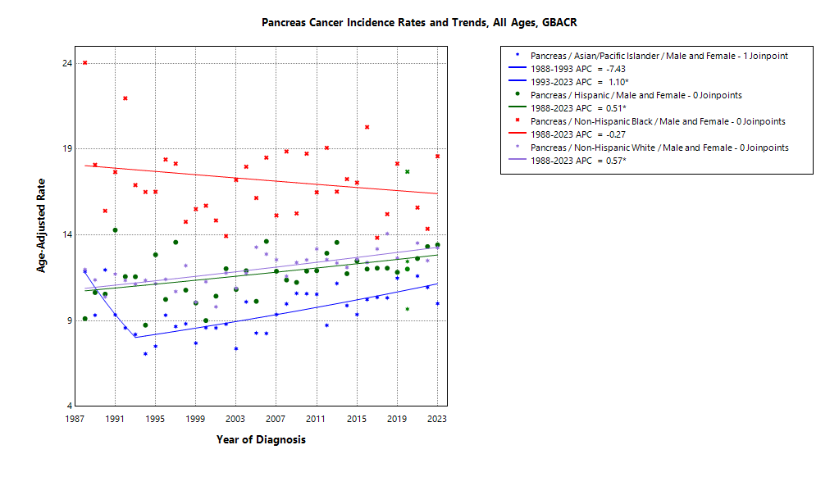
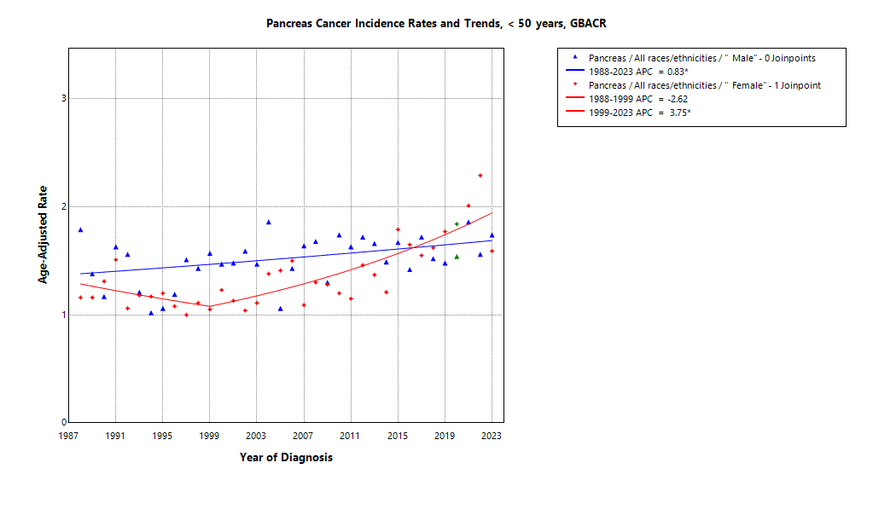

* indicates APC is statistically significant (95% CI excludes 1)
2020 rate is excluded from calculation of trend

ASIR 19-23
Age-specific incidence, GBACR, 2019-2023
Age-specific Incidence (per 100,000)
All races and ethnicities
2019-2023
GBACR
 | Male | Female
 | Rate | Rate
0-04 years | ^ | ^
05-09 years | ^ | ^
10-14 years | ^ | ^
15-19 years | ^ | ^
20-24 years | ^ | ^
25-29 years | ^ | ^
30-34 years | ^ | 1.34
35-39 years | 1.65 | 1.55
40-44 years | 2.68 | 2.32
45-49 years | 5.97 | 6.18
50-54 years | 11.07 | 8.45
55-59 years | 18.43 | 15.08
60-64 years | 31.72 | 23.87
65-69 years | 49.81 | 38.44
70-74 years | 68.07 | 57.38
75-79 years | 90.42 | 71.68
80-84 years | 123.84 | 91.14
85+ years | 120.62 | 94.91

 | Rates are per 100,000 and age-adjusted to the 2000 US Std Population (19 age groups - Census P25-1130) standard; Confidence intervals (Tiwari mod) are 95% for rates.
^ | Statistic not displayed due to fewer than 11 cases or a population of less than 20,000.

CSIR 19-23
Age-adjusted county or region-specific incidence rates (per 100,000)
2019-2023

All races/ethnicities incidence, 2019-2023
 |  | Male and female |  |  |  |  | Male |  |  |  |  | Female
 |  | Rate | Lower CI | Upper CI | Count | Pop | Rate | Lower CI | Upper CI | Count | Pop | Rate | Lower CI | Upper CI | Count | Pop
All races/ethnicities | SF Bay Area | 12.67 | 12.32 | 13.03 | 5,102 | 32,781,714 | 14.19 | 13.65 | 14.76 | 2,619 | 16,442,410 | 11.43 | 10.98 | 11.89 | 2,483 | 16,339,304
All races/ethnicities | Alameda | 12.68 | 11.96 | 13.43 | 1,212 | 8,258,704 | 14.5 | 13.36 | 15.72 | 624 | 4,097,278 | 11.28 | 10.37 | 12.24 | 588 | 4,161,426
All races/ethnicities | Contra Costa | 12.82 | 12.01 | 13.68 | 948 | 5,806,443 | 15.27 | 13.95 | 16.69 | 511 | 2,855,812 | 10.86 | 9.85 | 11.95 | 437 | 2,950,631
All races/ethnicities | Marin | 12.61 | 11.08 | 14.32 | 266 | 1,294,254 | 13.27 | 11.06 | 15.87 | 131 | 636,095 | 12.31 | 10.19 | 14.82 | 135 | 658,159
All races/ethnicities | San Francisco | 12.19 | 11.26 | 13.19 | 657 | 4,181,168 | 12.74 | 11.38 | 14.25 | 326 | 2,149,378 | 11.76 | 10.48 | 13.16 | 331 | 2,031,790
All races/ethnicities | San Mateo | 12.67 | 11.68 | 13.73 | 623 | 3,725,185 | 14.51 | 12.94 | 16.21 | 324 | 1,855,887 | 11.13 | 9.89 | 12.51 | 299 | 1,869,298
All races/ethnicities | Santa Clara | 12.85 | 12.18 | 13.56 | 1,396 | 9,515,960 | 13.98 | 12.95 | 15.07 | 703 | 4,847,960 | 11.9 | 11.02 | 12.84 | 693 | 4,668,000
All races/ethnicities | Monterey Bay Area | 11.8 | 10.8 | 12.86 | 540 | 3,839,052 | 12.83 | 11.31 | 14.5 | 273 | 1,938,841 | 10.99 | 9.69 | 12.43 | 267 | 1,900,211
All races/ethnicities | Monterey | 11.11 | 9.81 | 12.55 | 269 | 2,179,119 | 12.59 | 10.56 | 14.9 | 141 | 1,108,961 | 9.79 | 8.14 | 11.7 | 128 | 1,070,158
All races/ethnicities | San Benito | 12.63 | 9.21 | 16.94 | 47 | 330,267 | 12.19 | 7.35 | 19.02 | 21 | 166,625 | 13.3 | 8.63 | 19.72 | 26 | 163,642
All races/ethnicities | Santa Cruz | 12.59 | 10.95 | 14.44 | 224 | 1,329,666 | 13.31 | 10.83 | 16.21 | 111 | 663,255 | 12.27 | 10.05 | 14.89 | 113 | 666,411
All races/ethnicities | Greater Bay Area (9) | 12.58 | 12.25 | 12.92 | 5,642 | 36,620,766 | 14.05 | 13.53 | 14.58 | 2,892 | 18,381,251 | 11.39 | 10.97 | 11.84 | 2,750 | 18,239,515
All races/ethnicities | California | 12.96 | 12.81 | 13.11 | 29,846 | 196,200,610 | 14.51 | 14.28 | 14.75 | 15,378 | 98,024,546 | 11.65 | 11.46 | 11.84 | 14,468 | 98,176,064
American Indian/Alaska Native | SF Bay Area | 29.4 | 20.25 | 41.51 | 35 | 97,383 | 20.42 | 10.26 | 36.97 | 12 | 48,506 | 37.16 | 23.27 | 56.89 | 23 | 48,877
American Indian/Alaska Native | Alameda | ^ | ^ | ^ | ^ | 26,909 | ^ | ^ | ^ | ^ | 12,473 | ^ | ^ | ^ | ^ | 14,436
American Indian/Alaska Native | Contra Costa | 47.2 | 24.37 | 84.32 | 13 | 21,217 | ^ | ^ | ^ | ^ | 10,298 | ^ | ^ | ^ | ^ | 10,919
American Indian/Alaska Native | Marin | ^ | ^ | ^ | ^ | 3,576 | ^ | ^ | ^ | ^ | 1,955 | ^ | ^ | ^ | ^ | 1,621
American Indian/Alaska Native | San Francisco | ^ | ^ | ^ | ^ | 11,877 | ^ | ^ | ^ | ^ | 6,577 | ^ | ^ | ^ | ^ | 5,300
American Indian/Alaska Native | San Mateo | ^ | ^ | ^ | ^ | 7,262 | ^ | ^ | ^ | ^ | 3,593 | ^ | ^ | ^ | ^ | 3,669
American Indian/Alaska Native | Santa Clara | ^ | ^ | ^ | ^ | 26,542 | ^ | ^ | ^ | ^ | 13,610 | ^ | ^ | ^ | ^ | 12,932
American Indian/Alaska Native | Monterey Bay Area | ^ | ^ | ^ | ^ | 17,497 | ^ | ^ | ^ | ^ | 8,917 | ^ | ^ | ^ | ^ | 8,580
American Indian/Alaska Native | Monterey | ^ | ^ | ^ | ^ | 8,667 | ^ | ^ | ^ | ^ | 4,465 | ^ | ^ | ^ | ^ | 4,202
American Indian/Alaska Native | San Benito | ^ | ^ | ^ | ^ | 1,684 | ^ | ^ | ^ | ^ | 829 | ^ | ^ | ^ | ^ | 855
American Indian/Alaska Native | Santa Cruz | ^ | ^ | ^ | ^ | 7,146 | ^ | ^ | ^ | ^ | 3,623 | ^ | ^ | ^ | ^ | 3,523
American Indian/Alaska Native | Greater Bay Area (9) | 26.47 | 18.53 | 36.9 | 38 | 114,880 | 18.68 | 9.68 | 33.06 | 13 | 57,423 | 33.56 | 21.43 | 50.64 | 25 | 57,457
American Indian/Alaska Native | California | 18.16 | 15.82 | 20.76 | 230 | 1,019,305 | 18.8 | 15.34 | 22.84 | 109 | 500,428 | 17.73 | 14.62 | 21.36 | 121 | 518,877
Asian American/Native Hawaiian/Pacific Islander | SF Bay Area | 10.75 | 10.18 | 11.34 | 1,374 | 10,914,298 | 11.99 | 11.09 | 12.94 | 683 | 5,309,220 | 9.78 | 9.05 | 10.55 | 691 | 5,605,078
Asian American/Native Hawaiian/Pacific Islander | Alameda | 10.97 | 9.83 | 12.21 | 349 | 2,867,250 | 12.07 | 10.29 | 14.07 | 171 | 1,390,649 | 10.13 | 8.67 | 11.77 | 178 | 1,476,601
Asian American/Native Hawaiian/Pacific Islander | Contra Costa | 10.68 | 9.02 | 12.58 | 150 | 1,195,554 | 12.79 | 10.09 | 16.02 | 79 | 569,844 | 9.1 | 7.07 | 11.57 | 71 | 625,710
Asian American/Native Hawaiian/Pacific Islander | Marin | 13.82 | 8.24 | 22.18 | 19 | 100,208 | ^ | ^ | ^ | ^ | 43,037 | ^ | ^ | ^ | ^ | 57,171
Asian American/Native Hawaiian/Pacific Islander | San Francisco | 9.29 | 8.07 | 10.68 | 225 | 1,574,058 | 10.2 | 8.32 | 12.45 | 108 | 740,106 | 8.5 | 6.95 | 10.38 | 117 | 833,952
Asian American/Native Hawaiian/Pacific Islander | San Mateo | 11.6 | 9.92 | 13.5 | 175 | 1,255,831 | 12.31 | 9.7 | 15.42 | 79 | 598,238 | 11.2 | 9.04 | 13.78 | 96 | 657,593
Asian American/Native Hawaiian/Pacific Islander | Santa Clara | 11.09 | 10.09 | 12.17 | 456 | 3,921,397 | 12.6 | 11.02 | 14.34 | 237 | 1,967,346 | 9.83 | 8.56 | 11.24 | 219 | 1,954,051
Asian American/Native Hawaiian/Pacific Islander | Monterey Bay Area | 9.97 | 6.77 | 14.37 | 33 | 232,882 | 13.09 | 7.61 | 21.32 | 18 | 108,240 | 7.77 | 4.28 | 13.6 | 15 | 124,642
Asian American/Native Hawaiian/Pacific Islander | Monterey | 10.06 | 6.15 | 15.94 | 22 | 143,862 | ^ | ^ | ^ | ^ | 66,554 | 8.92 | 4.5 | 17.17 | 12 | 77,308
Asian American/Native Hawaiian/Pacific Islander | San Benito | ^ | ^ | ^ | ^ | 14,684 | ^ | ^ | ^ | ^ | 6,777 | ^ | ^ | ^ | ^ | 7,907
Asian American/Native Hawaiian/Pacific Islander | Santa Cruz | ^ | ^ | ^ | ^ | 74,336 | ^ | ^ | ^ | ^ | 34,909 | ^ | ^ | ^ | ^ | 39,427
Asian American/Native Hawaiian/Pacific Islander | Greater Bay Area (9) | 10.73 | 10.17 | 11.31 | 1,407 | 11,147,180 | 12 | 11.12 | 12.94 | 701 | 5,417,460 | 9.73 | 9.02 | 10.49 | 706 | 5,729,720
Asian American/Native Hawaiian/Pacific Islander | California | 10.65 | 10.33 | 10.98 | 4,232 | 32,442,326 | 11.58 | 11.07 | 12.1 | 2,028 | 15,562,244 | 9.92 | 9.51 | 10.36 | 2,204 | 16,880,082
Hispanic | SF Bay Area | 12.94 | 12 | 13.94 | 756 | 7,738,452 | 14.49 | 12.98 | 16.12 | 388 | 3,926,188 | 11.64 | 10.46 | 12.92 | 368 | 3,812,264
Hispanic | Alameda | 11.86 | 10 | 13.94 | 158 | 1,926,750 | 13.95 | 10.87 | 17.56 | 82 | 977,152 | 10.43 | 8.17 | 13.1 | 76 | 949,598
Hispanic | Contra Costa | 12.31 | 10.25 | 14.64 | 139 | 1,584,031 | 14.34 | 11.04 | 18.24 | 76 | 794,128 | 10.48 | 7.98 | 13.47 | 63 | 789,903
Hispanic | Marin | 9.13 | 4.98 | 15.11 | 16 | 245,946 | ^ | ^ | ^ | ^ | 126,568 | ^ | ^ | ^ | ^ | 119,378
Hispanic | San Francisco | 13.58 | 10.71 | 16.96 | 80 | 666,314 | 16.36 | 11.65 | 22.24 | 44 | 350,609 | 11.39 | 7.91 | 15.87 | 36 | 315,705
Hispanic | San Mateo | 13.59 | 11.08 | 16.49 | 108 | 927,250 | 17.06 | 12.83 | 22.16 | 62 | 467,918 | 10.71 | 7.8 | 14.34 | 46 | 459,332
Hispanic | Santa Clara | 14.1 | 12.36 | 16 | 255 | 2,388,161 | 13.85 | 11.29 | 16.78 | 117 | 1,209,813 | 14.14 | 11.83 | 16.75 | 138 | 1,178,348
Hispanic | Monterey Bay Area | 11.25 | 9.43 | 13.29 | 154 | 1,998,183 | 9.95 | 7.51 | 12.86 | 68 | 1,021,376 | 12.33 | 9.76 | 15.34 | 86 | 976,807
Hispanic | Monterey | 10.37 | 8.19 | 12.92 | 89 | 1,328,728 | 9.59 | 6.63 | 13.31 | 41 | 682,796 | 10.84 | 7.86 | 14.51 | 48 | 645,932
Hispanic | San Benito | 12.05 | 7.12 | 18.93 | 19 | 203,936 | ^ | ^ | ^ | ^ | 103,534 | 16.77 | 9.07 | 28.14 | 14 | 100,402
Hispanic | Santa Cruz | 13.07 | 9.33 | 17.72 | 46 | 465,519 | 11.74 | 7 | 18.37 | 22 | 235,046 | 14.09 | 8.8 | 21.19 | 24 | 230,473
Hispanic | Greater Bay Area (9) | 12.66 | 11.82 | 13.55 | 910 | 9,736,635 | 13.64 | 12.32 | 15.05 | 456 | 4,947,564 | 11.79 | 10.7 | 12.95 | 454 | 4,789,071
Hispanic | California | 12.46 | 12.16 | 12.77 | 7,017 | 78,148,016 | 13.21 | 12.74 | 13.7 | 3,434 | 39,404,735 | 11.83 | 11.43 | 12.23 | 3,583 | 38,743,281
Non-Hispanic Black | SF Bay Area | 17.16 | 15.53 | 18.93 | 424 | 2,085,961 | 18.17 | 15.61 | 21.03 | 197 | 1,041,354 | 16.47 | 14.37 | 18.83 | 227 | 1,044,607
Non-Hispanic Black | Alameda | 15.28 | 13.03 | 17.83 | 172 | 892,071 | 15.22 | 11.82 | 19.33 | 74 | 433,272 | 15.28 | 12.36 | 18.76 | 98 | 458,799
Non-Hispanic Black | Contra Costa | 18.42 | 15.15 | 22.21 | 118 | 551,470 | 19.92 | 14.74 | 26.34 | 54 | 262,717 | 17.22 | 13.18 | 22.19 | 64 | 288,753
Non-Hispanic Black | Marin | ^ | ^ | ^ | ^ | 37,556 | ^ | ^ | ^ | ^ | 22,477 | ^ | ^ | ^ | ^ | 15,079
Non-Hispanic Black | San Francisco | 19.21 | 14.54 | 25.04 | 59 | 240,131 | 20.35 | 13.51 | 29.64 | 30 | 128,442 | 19.26 | 12.71 | 28.32 | 29 | 111,689
Non-Hispanic Black | San Mateo | 21.52 | 13.85 | 32.08 | 26 | 100,235 | 25.83 | 13.8 | 44.07 | 14 | 53,005 | 18.36 | 9.08 | 33.78 | 12 | 47,230
Non-Hispanic Black | Santa Clara | 17.79 | 12.81 | 24.05 | 45 | 264,498 | 20.4 | 12.37 | 31.36 | 23 | 141,441 | 16.83 | 10.43 | 25.77 | 22 | 123,057
Non-Hispanic Black | Monterey Bay Area | ^ | ^ | ^ | ^ | 84,353 | ^ | ^ | ^ | ^ | 49,517 | ^ | ^ | ^ | ^ | 34,836
Non-Hispanic Black | Monterey | ^ | ^ | ^ | ^ | 59,228 | ^ | ^ | ^ | ^ | 35,728 | ^ | ^ | ^ | ^ | 23,500
Non-Hispanic Black | San Benito | ^ | ^ | ^ | ^ | 4,931 | ^ | ^ | ^ | ^ | 2,696 | ^ | ^ | ^ | ^ | 2,235
Non-Hispanic Black | Santa Cruz | ^ | ^ | ^ | ^ | 20,194 | ^ | ^ | ^ | ^ | 11,093 | ^ | ^ | ^ | ^ | 9,101
Non-Hispanic Black | Greater Bay Area (9) | 16.89 | 15.3 | 18.61 | 432 | 2,170,314 | 17.89 | 15.41 | 20.66 | 203 | 1,090,871 | 16.18 | 14.11 | 18.48 | 229 | 1,079,443
Non-Hispanic Black | California | 16.2 | 15.51 | 16.92 | 2,161 | 12,245,602 | 17.59 | 16.49 | 18.74 | 1,051 | 6,137,046 | 15.08 | 14.19 | 16.02 | 1,110 | 6,108,556
Non-Hispanic White | SF Bay Area | 12.93 | 12.42 | 13.46 | 2,500 | 11,945,620 | 14.6 | 13.82 | 15.43 | 1,332 | 6,117,142 | 11.57 | 10.89 | 12.29 | 1,168 | 5,828,478
Non-Hispanic White | Alameda | 13.45 | 12.29 | 14.7 | 521 | 2,545,724 | 16.16 | 14.32 | 18.21 | 292 | 1,283,732 | 11.26 | 9.79 | 12.93 | 229 | 1,261,992
Non-Hispanic White | Contra Costa | 12.2 | 11.15 | 13.35 | 524 | 2,454,171 | 15.03 | 13.33 | 16.93 | 296 | 1,218,825 | 9.86 | 8.57 | 11.35 | 228 | 1,235,346
Non-Hispanic White | Marin | 13.12 | 11.32 | 15.2 | 226 | 906,968 | 13.43 | 10.97 | 16.45 | 113 | 442,058 | 13.15 | 10.53 | 16.38 | 113 | 464,910
Non-Hispanic White | San Francisco | 13.84 | 12.28 | 15.58 | 290 | 1,688,788 | 13.52 | 11.36 | 16.03 | 143 | 923,644 | 14.44 | 12.17 | 17.09 | 147 | 765,144
Non-Hispanic White | San Mateo | 12.35 | 10.98 | 13.89 | 308 | 1,434,607 | 14.27 | 12.15 | 16.72 | 167 | 733,133 | 10.58 | 8.83 | 12.67 | 141 | 701,474
Non-Hispanic White | Santa Clara | 13.18 | 12.15 | 14.29 | 631 | 2,915,362 | 14.26 | 12.72 | 15.97 | 321 | 1,515,750 | 12.32 | 10.94 | 13.88 | 310 | 1,399,612
Non-Hispanic White | Monterey Bay Area | 12.25 | 10.92 | 13.74 | 342 | 1,506,137 | 14 | 11.93 | 16.41 | 180 | 750,791 | 10.85 | 9.15 | 12.88 | 162 | 755,346
Non-Hispanic White | Monterey | 11.89 | 9.95 | 14.21 | 152 | 638,634 | 14.19 | 11.18 | 17.99 | 85 | 319,418 | 9.89 | 7.49 | 13.13 | 67 | 319,216
Non-Hispanic White | San Benito | 13.96 | 8.64 | 21.94 | 24 | 105,032 | 15.83 | 8.02 | 29.29 | 13 | 52,789 | 11.92 | 5.64 | 23.88 | 11 | 52,243
Non-Hispanic White | Santa Cruz | 12.4 | 10.5 | 14.63 | 166 | 762,471 | 13.66 | 10.7 | 17.37 | 82 | 378,584 | 11.7 | 9.24 | 14.86 | 84 | 383,887
Non-Hispanic White | Greater Bay Area (9) | 12.84 | 12.36 | 13.33 | 2,842 | 13,451,757 | 14.5 | 13.77 | 15.27 | 1,512 | 6,867,933 | 11.48 | 10.84 | 12.15 | 1,330 | 6,583,824
Non-Hispanic White | California | 13.38 | 13.17 | 13.6 | 16,094 | 72,345,361 | 15.42 | 15.09 | 15.76 | 8,695 | 36,420,093 | 11.6 | 11.32 | 11.88 | 7,399 | 35,925,268

 | Rates are per 100,000 and age-adjusted to the 2000 US Std Population (19 age groups - Census P25-1130) standard; Confidence intervals (Tiwari mod) are 95% for rates.
^ | Statistic not displayed due to fewer than 11 cases or a population of less than 20,000.

JP Mort_Trend Data 88-23
MULTIPLE JOINPOINT MORTALITY
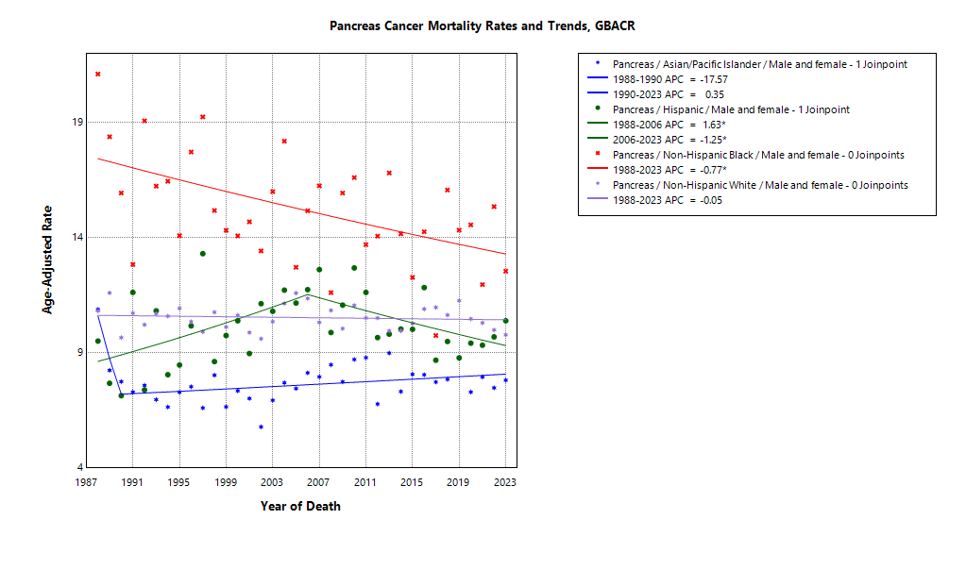

* indicates APC is statistically significant (95% CI excludes 1)

ASMR 19-23
Age-Specific Mortality
All races/ethnicities
2019-2023
GBACR
Age-specific mortality, GBACR, 2019-2023
 | Male | Female
 | Rate | Rate
0-4 years | ^ | ^
05-09 years | ^ | ^
10-14 years | ^ | ^
15-19 years | ^ | ^
20-24 years | ^ | ^
25-29 years | ^ | ^
30-34 years | 0.22 | 0.12
35-39 years | 0.67 | 0.42
40-44 years | 1.96 | 1.05
45-49 years | 4.24 | 2.98
50-54 years | 9.47 | 6.01
55-59 years | 16.63 | 11.66
60-64 years | 27.61 | 19.78
65-69 years | 41.09 | 31.1
70-74 years | 58.04 | 47.02
75-79 years | 79 | 64.48
80-84 years | 100.55 | 82.39
85+ years | 115.15 | 101.64

 | Rates are per 100,000 and age-adjusted to the 2000 US Std Population (19 age groups - Census P25-1130) standard; Confidence intervals (Tiwari mod) are 95% for rates.
^ | Statistic not displayed due to fewer than 11 cases or a population of less than 20,000.

CSMR 19-23
All races/ethnicities mortality, 2019-2023
Age-adjusted county or region-specific mortality rates (per 100,000)
2019-2023

 |  | Male and female |  |  |  |  | Male |  |  |  |  | Female
 |  | Rate | Lower CI | Upper CI | Count | Pop | Rate | Lower CI | Upper CI | Count | Pop | Rate | Lower CI | Upper CI | Count | Pop
All races/ethnicities | SF Bay Area | 9.84 | 9.53 | 10.15 | 3,980 | 32,781,714 | 11.28 | 10.78 | 11.79 | 2,044 | 16,442,410 | 8.65 | 8.27 | 9.05 | 1,936 | 16,339,304
All races/ethnicities | Alameda | 9.80 | 9.17 | 10.46 | 936 | 8,258,704 | 11.33 | 10.31 | 12.42 | 476 | 4,097,278 | 8.62 | 7.84 | 9.46 | 460 | 4,161,426
All races/ethnicities | Contra Costa | 10.18 | 9.46 | 10.95 | 749 | 5,806,443 | 12.04 | 10.85 | 13.32 | 393 | 2,855,812 | 8.69 | 7.80 | 9.66 | 356 | 2,950,631
All races/ethnicities | Marin | 9.25 | 8.02 | 10.66 | 207 | 1,294,254 | 11.52 | 9.49 | 13.93 | 115 | 636,095 | 7.31 | 5.88 | 9.10 | 92 | 658,159
All races/ethnicities | San Francisco | 9.00 | 8.21 | 9.84 | 501 | 4,181,168 | 9.85 | 8.65 | 11.19 | 249 | 2,149,378 | 8.19 | 7.19 | 9.32 | 252 | 2,031,790
All races/ethnicities | San Mateo | 9.82 | 8.96 | 10.76 | 484 | 3,725,185 | 10.95 | 9.59 | 12.45 | 242 | 1,855,887 | 8.89 | 7.79 | 10.12 | 242 | 1,869,298
All races/ethnicities | Santa Clara | 10.16 | 9.56 | 10.78 | 1,103 | 9,515,960 | 11.54 | 10.59 | 12.54 | 569 | 4,847,960 | 9.00 | 8.25 | 9.81 | 534 | 4,668,000
All races/ethnicities | Monterey Bay Area | 9.83 | 8.92 | 10.81 | 446 | 3,839,052 | 10.56 | 9.17 | 12.10 | 220 | 1,938,841 | 9.26 | 8.07 | 10.58 | 226 | 1,900,211
All races/ethnicities | Monterey | 9.08 | 7.90 | 10.38 | 221 | 2,179,119 | 10.25 | 8.41 | 12.38 | 112 | 1,108,961 | 8.18 | 6.69 | 9.91 | 109 | 1,070,158
All races/ethnicities | San Benito | 13.68 | 10.01 | 18.26 | 48 | 330,267 | 12.35 | 7.45 | 19.25 | 21 | 166,625 | 14.48 | 9.49 | 21.24 | 27 | 163,642
All races/ethnicities | Santa Cruz | 10.07 | 8.61 | 11.74 | 177 | 1,329,666 | 10.52 | 8.34 | 13.14 | 87 | 663,255 | 9.73 | 7.78 | 12.07 | 90 | 666,411
All races/ethnicities | Greater Bay Area (9) | 9.83 | 9.54 | 10.13 | 4,426 | 36,620,766 | 11.20 | 10.74 | 11.68 | 2,264 | 18,381,251 | 8.71 | 8.34 | 9.09 | 2,162 | 18,239,515
All races/ethnicities | California | 10.45 | 10.31 | 10.58 | 24,010 | 196,200,610 | 11.83 | 11.61 | 12.04 | 12,323 | 98,024,546 | 9.26 | 9.09 | 9.43 | 11,687 | 98,176,064
American Indian/Alaska Native | SF Bay Area | 20.70 | 12.93 | 31.58 | 23 | 97,383 | ^ | ^ | ^ | ^ | 48,506 | 22.24 | 11.64 | 39.01 | 13 | 48,877
American Indian/Alaska Native | Alameda | ^ | ^ | ^ | ^ | 26,909 | ^ | ^ | ^ | ^ | 12,473 | ^ | ^ | ^ | ^ | 14,436
American Indian/Alaska Native | Contra Costa | ^ | ^ | ^ | ^ | 21,217 | ^ | ^ | ^ | ^ | 10,298 | ^ | ^ | ^ | ^ | 10,919
American Indian/Alaska Native | Marin | ^ | ^ | ^ | ^ | 3,576 | ^ | ^ | ^ | ^ | 1,955 | ^ | ^ | ^ | ^ | 1,621
American Indian/Alaska Native | San Francisco | ^ | ^ | ^ | ^ | 11,877 | ^ | ^ | ^ | ^ | 6,577 | ^ | ^ | ^ | ^ | 5,300
American Indian/Alaska Native | San Mateo | ^ | ^ | ^ | ^ | 7,262 | ^ | ^ | ^ | ^ | 3,593 | ^ | ^ | ^ | ^ | 3,669
American Indian/Alaska Native | Santa Clara | ^ | ^ | ^ | ^ | 26,542 | ^ | ^ | ^ | ^ | 13,610 | ^ | ^ | ^ | ^ | 12,932
American Indian/Alaska Native | Monterey Bay Area | ^ | ^ | ^ | ^ | 17,497 | ^ | ^ | ^ | ^ | 8,917 | ^ | ^ | ^ | ^ | 8,580
American Indian/Alaska Native | Monterey | ^ | ^ | ^ | ^ | 8,667 | ^ | ^ | ^ | ^ | 4,465 | ^ | ^ | ^ | ^ | 4,202
American Indian/Alaska Native | San Benito | ^ | ^ | ^ | ^ | 1,684 | ^ | ^ | ^ | ^ | 829 | ^ | ^ | ^ | ^ | 855
American Indian/Alaska Native | Santa Cruz | ^ | ^ | ^ | ^ | 7,146 | ^ | ^ | ^ | ^ | 3,623 | ^ | ^ | ^ | ^ | 3,523
American Indian/Alaska Native | Greater Bay Area (9) | 19.52 | 12.57 | 29.09 | 26 | 114,880 | 18.27 | 9.13 | 32.97 | 12 | 57,423 | 20.20 | 10.84 | 34.81 | 14 | 57,457
American Indian/Alaska Native | California | 14.38 | 12.29 | 16.74 | 177 | 1,019,305 | 14.77 | 11.71 | 18.40 | 85 | 500,428 | 14.03 | 11.24 | 17.34 | 92 | 518,877
Asian American/Native Hawaiian/Pacific Islander | SF Bay Area | 7.79 | 7.31 | 8.30 | 995 | 10,914,298 | 8.82 | 8.05 | 9.65 | 494 | 5,309,220 | 6.97 | 6.37 | 7.63 | 501 | 5,605,078
Asian American/Native Hawaiian/Pacific Islander | Alameda | 8.25 | 7.26 | 9.34 | 259 | 2,867,250 | 9.20 | 7.63 | 10.98 | 127 | 1,390,649 | 7.48 | 6.24 | 8.91 | 132 | 1,476,601
Asian American/Native Hawaiian/Pacific Islander | Contra Costa | 6.85 | 5.51 | 8.42 | 93 | 1,195,554 | 9.06 | 6.77 | 11.88 | 54 | 569,844 | 5.07 | 3.59 | 6.99 | 39 | 625,710
Asian American/Native Hawaiian/Pacific Islander | Marin | 10.42 | 5.63 | 18.05 | 14 | 100,208 | ^ | ^ | ^ | ^ | 43,037 | ^ | ^ | ^ | ^ | 57,171
Asian American/Native Hawaiian/Pacific Islander | San Francisco | 6.19 | 5.25 | 7.28 | 165 | 1,574,058 | 6.67 | 5.20 | 8.49 | 74 | 740,106 | 5.76 | 4.60 | 7.22 | 91 | 833,952
Asian American/Native Hawaiian/Pacific Islander | San Mateo | 8.45 | 7.02 | 10.09 | 127 | 1,255,831 | 8.57 | 6.40 | 11.25 | 54 | 598,238 | 8.50 | 6.65 | 10.77 | 73 | 657,593
Asian American/Native Hawaiian/Pacific Islander | Santa Clara | 8.29 | 7.42 | 9.23 | 337 | 3,921,397 | 9.66 | 8.28 | 11.22 | 178 | 1,967,346 | 7.12 | 6.05 | 8.34 | 159 | 1,954,051
Asian American/Native Hawaiian/Pacific Islander | Monterey Bay Area | 9.92 | 6.75 | 14.29 | 33 | 232,882 | 13.32 | 7.81 | 21.59 | 18 | 108,240 | 7.67 | 4.15 | 13.56 | 15 | 124,642
Asian American/Native Hawaiian/Pacific Islander | Monterey | 11.25 | 7.26 | 17.11 | 26 | 143,862 | 14.94 | 7.86 | 26.45 | 13 | 66,554 | 9.02 | 4.69 | 17.10 | 13 | 77,308
Asian American/Native Hawaiian/Pacific Islander | San Benito | ^ | ^ | ^ | ^ | 14,684 | ^ | ^ | ^ | ^ | 6,777 | ^ | ^ | ^ | ^ | 7,907
Asian American/Native Hawaiian/Pacific Islander | Santa Cruz | ^ | ^ | ^ | ^ | 74,336 | ^ | ^ | ^ | ^ | 34,909 | ^ | ^ | ^ | ^ | 39,427
Asian American/Native Hawaiian/Pacific Islander | Greater Bay Area (9) | 7.85 | 7.37 | 8.35 | 1,028 | 11,147,180 | 8.93 | 8.17 | 9.76 | 512 | 5,417,460 | 6.99 | 6.39 | 7.63 | 516 | 5,729,720
Asian American/Native Hawaiian/Pacific Islander | California | 8.17 | 7.88 | 8.46 | 3,224 | 32,442,326 | 9.07 | 8.62 | 9.54 | 1,557 | 15,562,244 | 7.44 | 7.09 | 7.82 | 1,667 | 16,880,082
Hispanic | SF Bay Area | 9.51 | 8.69 | 10.38 | 534 | 7,738,452 | 10.77 | 9.45 | 12.21 | 277 | 3,926,188 | 8.40 | 7.39 | 9.51 | 257 | 3,812,264
Hispanic | Alameda | 9.49 | 7.79 | 11.41 | 119 | 1,926,750 | 11.20 | 8.40 | 14.54 | 63 | 977,152 | 8.16 | 6.12 | 10.62 | 56 | 949,598
Hispanic | Contra Costa | 9.42 | 7.58 | 11.55 | 100 | 1,584,031 | 12.78 | 9.53 | 16.68 | 61 | 794,128 | 6.75 | 4.74 | 9.26 | 39 | 789,903
Hispanic | Marin | 10.09 | 5.73 | 16.23 | 17 | 245,946 | ^ | ^ | ^ | ^ | 126,568 | ^ | ^ | ^ | ^ | 119,378
Hispanic | San Francisco | 7.90 | 5.79 | 10.51 | 48 | 666,314 | 9.37 | 5.89 | 14.03 | 25 | 350,609 | 6.72 | 4.22 | 10.20 | 23 | 315,705
Hispanic | San Mateo | 11.31 | 8.99 | 14.02 | 87 | 927,250 | 12.67 | 9.09 | 17.13 | 47 | 467,918 | 9.74 | 6.92 | 13.30 | 40 | 459,332
Hispanic | Santa Clara | 9.38 | 7.95 | 10.97 | 163 | 2,388,161 | 8.85 | 6.79 | 11.29 | 72 | 1,209,813 | 9.65 | 7.74 | 11.86 | 91 | 1,178,348
Hispanic | Monterey Bay Area | 9.77 | 8.00 | 11.78 | 121 | 1,998,183 | 8.58 | 6.25 | 11.41 | 54 | 1,021,376 | 10.55 | 8.08 | 13.47 | 67 | 976,807
Hispanic | Monterey | 9.36 | 7.20 | 11.89 | 73 | 1,328,728 | 8.13 | 5.29 | 11.79 | 31 | 682,796 | 10.26 | 7.26 | 13.97 | 42 | 645,932
Hispanic | San Benito | 13.42 | 8.06 | 20.80 | 20 | 203,936 | ^ | ^ | ^ | ^ | 103,534 | 14.89 | 7.64 | 25.90 | 12 | 100,402
Hispanic | Santa Cruz | 9.05 | 5.80 | 13.32 | 28 | 465,519 | 8.27 | 4.35 | 14.15 | 15 | 235,046 | 9.20 | 4.75 | 15.71 | 13 | 230,473
Hispanic | Greater Bay Area (9) | 9.55 | 8.80 | 10.34 | 655 | 9,736,635 | 10.38 | 9.20 | 11.64 | 331 | 4,947,564 | 8.75 | 7.80 | 9.78 | 324 | 4,789,071
Hispanic | California | 9.94 | 9.66 | 10.22 | 5,320 | 78,148,016 | 10.64 | 10.21 | 11.09 | 2,632 | 39,404,735 | 9.28 | 8.92 | 9.64 | 2,688 | 38,743,281
Non-Hispanic Black | SF Bay Area | 14.06 | 12.58 | 15.68 | 344 | 2,085,961 | 14.84 | 12.50 | 17.48 | 156 | 1,041,354 | 13.59 | 11.69 | 15.73 | 188 | 1,044,607
Non-Hispanic Black | Alameda | 13.11 | 11.05 | 15.48 | 149 | 892,071 | 13.11 | 9.95 | 16.98 | 63 | 433,272 | 13.19 | 10.51 | 16.44 | 86 | 458,799
Non-Hispanic Black | Contra Costa | 14.71 | 11.73 | 18.23 | 89 | 551,470 | 15.30 | 10.61 | 21.31 | 38 | 262,717 | 14.35 | 10.62 | 19.05 | 51 | 288,753
Non-Hispanic Black | Marin | ^ | ^ | ^ | ^ | 37,556 | ^ | ^ | ^ | ^ | 22,477 | ^ | ^ | ^ | ^ | 15,079
Non-Hispanic Black | San Francisco | 18.04 | 13.56 | 23.67 | 56 | 240,131 | 19.62 | 12.86 | 28.86 | 28 | 128,442 | 16.77 | 11.07 | 24.84 | 28 | 111,689
Non-Hispanic Black | San Mateo | 12.90 | 7.28 | 21.42 | 16 | 100,235 | ^ | ^ | ^ | ^ | 53,005 | ^ | ^ | ^ | ^ | 47,230
Non-Hispanic Black | Santa Clara | 12.46 | 8.32 | 17.91 | 31 | 264,498 | 14.32 | 7.82 | 23.78 | 17 | 141,441 | 11.08 | 6.00 | 18.77 | 14 | 123,057
Non-Hispanic Black | Monterey Bay Area | ^ | ^ | ^ | ^ | 84,353 | ^ | ^ | ^ | ^ | 49,517 | ^ | ^ | ^ | ^ | 34,836
Non-Hispanic Black | Monterey | ^ | ^ | ^ | ^ | 59,228 | ^ | ^ | ^ | ^ | 35,728 | ^ | ^ | ^ | ^ | 23,500
Non-Hispanic Black | San Benito | ^ | ^ | ^ | ^ | 4,931 | ^ | ^ | ^ | ^ | 2,696 | ^ | ^ | ^ | ^ | 2,235
Non-Hispanic Black | Santa Cruz | ^ | ^ | ^ | ^ | 20,194 | ^ | ^ | ^ | ^ | 11,093 | ^ | ^ | ^ | ^ | 9,101
Non-Hispanic Black | Greater Bay Area (9) | 13.72 | 12.28 | 15.29 | 347 | 2,170,314 | 14.42 | 12.17 | 16.98 | 158 | 1,090,871 | 13.28 | 11.43 | 15.38 | 189 | 1,079,443
Non-Hispanic Black | California | 13.09 | 12.46 | 13.74 | 1,733 | 12,245,602 | 14.32 | 13.32 | 15.37 | 846 | 6,137,046 | 12.04 | 11.25 | 12.88 | 887 | 6,108,556
Non-Hispanic White | SF Bay Area | 10.42 | 9.97 | 10.89 | 2,066 | 11,945,620 | 12.10 | 11.38 | 12.85 | 1,098 | 6,117,142 | 9.02 | 8.44 | 9.63 | 968 | 5,828,478
Non-Hispanic White | Alameda | 9.99 | 9.03 | 11.05 | 402 | 2,545,724 | 12.20 | 10.61 | 13.98 | 220 | 1,283,732 | 8.29 | 7.10 | 9.66 | 182 | 1,261,992
Non-Hispanic White | Contra Costa | 10.50 | 9.55 | 11.55 | 459 | 2,454,171 | 12.08 | 10.56 | 13.80 | 237 | 1,218,825 | 9.19 | 8.00 | 10.56 | 222 | 1,235,346
Non-Hispanic White | Marin | 8.92 | 7.61 | 10.51 | 169 | 906,968 | 11.09 | 8.94 | 13.82 | 95 | 442,058 | 6.99 | 5.46 | 9.07 | 74 | 464,910
Non-Hispanic White | San Francisco | 10.64 | 9.28 | 12.17 | 224 | 1,688,788 | 11.35 | 9.37 | 13.69 | 118 | 923,644 | 9.96 | 8.13 | 12.15 | 106 | 765,144
Non-Hispanic White | San Mateo | 9.69 | 8.50 | 11.03 | 249 | 1,434,607 | 11.06 | 9.22 | 13.23 | 131 | 733,133 | 8.48 | 6.97 | 10.34 | 118 | 701,474
Non-Hispanic White | Santa Clara | 11.56 | 10.61 | 12.58 | 563 | 2,915,362 | 13.32 | 11.83 | 14.97 | 297 | 1,515,750 | 10.15 | 8.93 | 11.52 | 266 | 1,399,612
Non-Hispanic White | Monterey Bay Area | 9.90 | 8.75 | 11.20 | 285 | 1,506,137 | 11.02 | 9.24 | 13.13 | 144 | 750,791 | 9.12 | 7.62 | 10.94 | 141 | 755,346
Non-Hispanic White | Monterey | 8.93 | 7.31 | 10.93 | 118 | 638,634 | 10.85 | 8.31 | 14.19 | 66 | 319,418 | 7.48 | 5.44 | 10.37 | 52 | 319,216
Non-Hispanic White | San Benito | 13.93 | 8.95 | 21.43 | 25 | 105,032 | ^ | ^ | ^ | ^ | 52,789 | 16.02 | 8.92 | 28.44 | 15 | 52,243
Non-Hispanic White | Santa Cruz | 10.47 | 8.77 | 12.50 | 142 | 762,471 | 11.21 | 8.61 | 14.55 | 68 | 378,584 | 10.02 | 7.81 | 12.93 | 74 | 383,887
Non-Hispanic White | Greater Bay Area (9) | 10.35 | 9.93 | 10.79 | 2,351 | 13,451,757 | 11.95 | 11.28 | 12.65 | 1,242 | 6,867,933 | 9.02 | 8.49 | 9.60 | 1,109 | 6,583,824
Non-Hispanic White | California | 10.94 | 10.76 | 11.13 | 13,462 | 72,345,361 | 12.64 | 12.34 | 12.94 | 7,146 | 36,420,093 | 9.46 | 9.22 | 9.70 | 6,316 | 35,925,268

 | Rates are per 100,000 and age-adjusted to the 2000 US Std Population (19 age groups - Census P25-1130) standard; Confidence intervals (Tiwari mod) are 95% for rates.
^ | Statistic not displayed due to fewer than 11 cases or a population of less than 20,000.

Regional Comparison 19-23
Incidence among Males 2019-2023
Incidence among Females 2019-2023
Incidence - Males
Greater Bay Area |  |  |  |  |  |  | California |  |  |  |  |  |  | SEER 21
Region | Race | Rate | LCL | UCL | LCLforfig | UCLforfig | Region | Race | Rate | LCL | UCL | LCLforfig | UCLforfig | Region | Race | Rate | LCL | UCL | LCLforfig | UCLforfig
GBACR | All races/ethnicities | 14.05 | 13.53 | 14.58 | 0.52 | 0.53 | California | All races/ethnicities | 14.51 | 14.28 | 14.75 | 0.23 | 0.24 | SEER | All races/ethnicities | 15.67 | 15.54 | 15.79 | 0.13 | 0.12
GBACR | AIAN | 18.68 | 9.68 | 33.06 | 9.00 | 14.38 | California | AIAN | 18.8 | 15.34 | 22.84 | 3.46 | 4.04 | SEER | Non-Hispanic American Indian/Alaska Native (PRCDA counties only) | 13.42 | 11.44 | 15.63 | 1.98 | 2.21
GBACR | Non-Hispanic Asian or Pacific Islander | 12 | 11.12 | 12.94 | 0.88 | 0.94 | California | Non-Hispanic Asian or Pacific Islander | 11.58 | 11.07 | 12.1 | 0.51 | 0.52 | SEER | Non-Hispanic Asian or Pacific Islander | 11.47 | 11.12 | 11.83 | 0.35 | 0.36
GBACR | Hispanic (All Races) | 13.64 | 12.32 | 15.05 | 1.32 | 1.41 | California | Hispanic (All Races) | 13.21 | 12.74 | 13.7 | 0.47 | 0.49 | SEER | Hispanic (All Races) | 13.61 | 13.31 | 13.91 | 0.30 | 0.30
GBACR | Non-Hispanic Black | 17.89 | 15.41 | 20.66 | 2.48 | 2.77 | California | Non-Hispanic Black | 17.59 | 16.49 | 18.74 | 1.10 | 1.15 | SEER | Non-Hispanic Black | 18.03 | 17.59 | 18.47 | 0.44 | 0.44
GBACR | Non-Hispanic White | 14.5 | 13.77 | 15.27 | 0.73 | 0.77 | California | Non-Hispanic White | 15.42 | 15.09 | 15.76 | 0.33 | 0.34 | SEER | Non-Hispanic White | 16.29 | 16.13 | 16.45 | 0.16 | 0.16

Incidence - Females
Greater Bay Area |  |  |  |  |  |  | California |  |  |  |  |  |  | SEER 21
Region | Race | Rate | LCL | UCL | LCLforfig | UCLforfig | Region | Race | Rate | LCL | UCL | LCLforfig | UCLforfig | Region | Race | Rate | LCL | UCL | LCLforfig | UCLforfig
GBACR | All races/ethnicities | 11.39 | 10.97 | 11.84 | 0.42 | 0.45 | California | All races/ethnicities | 11.65 | 11.46 | 11.84 | 0.19 | 0.19 | SEER | All races/ethnicities | 12.45 | 12.35 | 12.55 | 0.10 | 0.10
GBACR | AIAN | 33.56 | 21.43 | 50.64 | 12.13 | 17.08 | California | AIAN | 17.73 | 14.62 | 21.36 | 3.11 | 3.63 | SEER | Non-Hispanic American Indian/Alaska Native (PRCDA counties only) | 12.96 | 11.23 | 14.88 | 1.73 | 1.92
GBACR | Non-Hispanic Asian or Pacific Islander | 9.73 | 9.02 | 10.49 | 0.71 | 0.76 | California | Non-Hispanic Asian or Pacific Islander | 9.92 | 9.51 | 10.36 | 0.41 | 0.44 | SEER | Non-Hispanic Asian or Pacific Islander | 9.77 | 9.48 | 10.06 | 0.29 | 0.29
GBACR | Hispanic (All Races) | 11.79 | 10.7 | 12.95 | 1.09 | 1.16 | California | Hispanic (All Races) | 11.83 | 11.43 | 12.23 | 0.40 | 0.40 | SEER | Hispanic (All Races) | 12.13 | 11.89 | 12.39 | 0.24 | 0.26
GBACR | Non-Hispanic Black | 16.18 | 14.11 | 18.48 | 2.07 | 2.30 | California | Non-Hispanic Black | 15.08 | 14.19 | 16.02 | 0.89 | 0.94 | SEER | Non-Hispanic Black | 15.45 | 15.11 | 15.79 | 0.34 | 0.34
GBACR | Non-Hispanic White | 11.48 | 10.84 | 12.15 | 0.64 | 0.67 | California | Non-Hispanic White | 11.6 | 11.32 | 11.88 | 0.28 | 0.28 | SEER | Non-Hispanic White | 12.31 | 12.18 | 12.44 | 0.13 | 0.13

Mortality among Males 2019-2023
Mortality among Females 2019-2023
Mortality - Males
Greater Bay Area |  |  |  |  |  |  | California |  |  |  |  |  |  | Total U.S. Mortality
Region | Race | Rate | LCL | UCL | LCLforfig | UCLforfig | Region | Race | Rate | LCL | UCL | LCLforfig | UCLforfig | Region | Race | Rate | LCL | UCL | LCLforfig | UCLforfig
GBACR | All races/ethnicities | 11.20 | 10.74 | 11.68 | 0.46 | 0.48 | California | All races/ethnicities | 11.83 | 11.61 | 12.04 | 0.22 | 0.21 | US Mortality | All races/ethnicities | 12.89 | 12.82 | 12.96 | 0.07 | 0.07
GBACR | AIAN | 18.27 | 9.13 | 32.97 | 9.14 | 14.70 | California | AIAN | 14.77 | 11.71 | 18.40 | 3.06 | 3.63 | US Mortality | Non-Hispanic American Indian/Alaska Native (PRCDA counties only) | 9.08 | 8.34 | 9.88 | 0.74 | 0.80
GBACR | Non-Hispanic Asian or Pacific Islander | 8.93 | 8.17 | 9.76 | 0.76 | 0.83 | California | Non-Hispanic Asian or Pacific Islander | 9.07 | 8.62 | 9.54 | 0.45 | 0.47 | US Mortality | Non-Hispanic Asian or Pacific Islander | 8.44 | 8.18 | 8.71 | 0.26 | 0.27
GBACR | Hispanic (All Races) | 10.38 | 9.20 | 11.64 | 1.18 | 1.26 | California | Hispanic (All Races) | 10.64 | 10.21 | 11.09 | 0.43 | 0.45 | US Mortality | Hispanic (All Races) | 9.59 | 9.38 | 9.8 | 0.21 | 0.21
GBACR | Non-Hispanic Black | 14.42 | 12.17 | 16.98 | 2.25 | 2.56 | California | Non-Hispanic Black | 14.32 | 13.32 | 15.37 | 1.00 | 1.05 | US Mortality | Non-Hispanic Black | 15.07 | 14.8 | 15.34 | 0.27 | 0.27
GBACR | Non-Hispanic White | 11.95 | 11.28 | 12.65 | 0.67 | 0.70 | California | Non-Hispanic White | 12.64 | 12.34 | 12.94 | 0.30 | 0.30 | US Mortality | Non-Hispanic White | 13.34 | 13.25 | 13.43 | 0.09 | 0.09

Mortality - Females
Greater Bay Area |  |  |  |  |  |  | California |  |  |  |  |  |  | Total U.S. Mortality
Region | Race | Rate | LCL | UCL | LCLforfig | UCLforfig | Region | Race | Rate | LCL | UCL | LCLforfig | UCLforfig | Region | Race | Rate | LCL | UCL | LCLforfig | UCLforfig
GBACR | All races/ethnicities | 8.71 | 8.34 | 9.09 | 0.37 | 0.38 | California | All races/ethnicities | 9.26 | 9.09 | 9.43 | 0.17 | 0.17 | US Mortality | All races/ethnicities | 9.87 | 9.82 | 9.93 | 0.05 | 0.06
GBACR | AIAN | 20.20 | 10.84 | 34.81 | 9.36 | 14.61 | California | AIAN | 14.03 | 11.24 | 17.34 | 2.79 | 3.31 | US Mortality | Non-Hispanic American Indian/Alaska Native (PRCDA counties only) | 8.33 | 7.68 | 9.03 | 0.65 | 0.70
GBACR | Non-Hispanic Asian or Pacific Islander | 6.99 | 6.39 | 7.63 | 0.60 | 0.64 | California | Non-Hispanic Asian or Pacific Islander | 7.44 | 7.09 | 7.82 | 0.35 | 0.38 | US Mortality | Non-Hispanic Asian or Pacific Islander | 7.24 | 7.03 | 7.46 | 0.21 | 0.22
GBACR | Hispanic (All Races) | 8.75 | 7.80 | 9.78 | 0.95 | 1.03 | California | Hispanic (All Races) | 9.28 | 8.92 | 9.64 | 0.36 | 0.36 | US Mortality | Hispanic (All Races) | 8.24 | 8.07 | 8.41 | 0.17 | 0.17
GBACR | Non-Hispanic Black | 13.28 | 11.43 | 15.38 | 1.85 | 2.10 | California | Non-Hispanic Black | 12.04 | 11.25 | 12.88 | 0.79 | 0.84 | US Mortality | Non-Hispanic Black | 12.35 | 12.15 | 12.55 | 0.20 | 0.20
GBACR | Non-Hispanic White | 9.02 | 8.49 | 9.60 | 0.53 | 0.58 | California | Non-Hispanic White | 9.46 | 9.22 | 9.70 | 0.24 | 0.24 | US Mortality | Non-Hispanic White | 9.94 | 9.87 | 10.01 | 0.07 | 0.07

