JP Inc_Trend Data 88-23
MULTIPLE JOINPOINT INCIDENCE
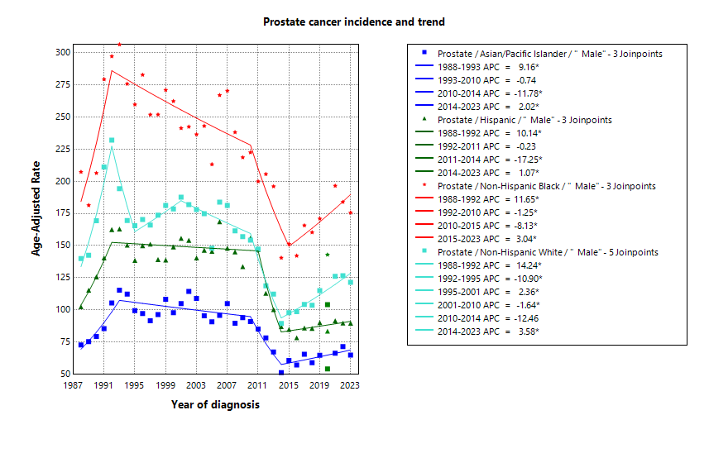
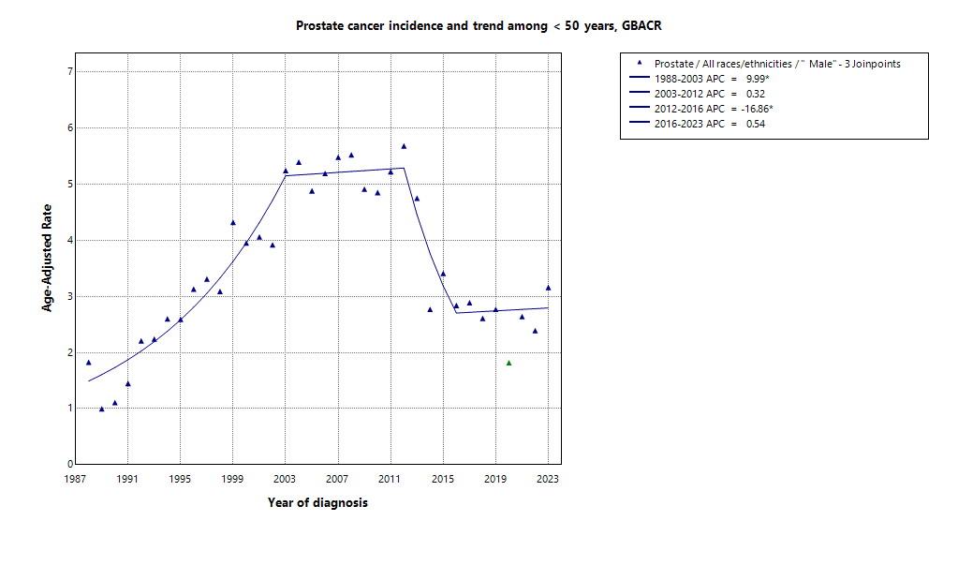

* indicates APC is statistically significant (95% CI excludes 1)
2020 rate is excluded from calculation of trend

ASIR 19-23
Age-specific incidence, GBACR, 2019-2023
 | Male | Female
0-04 years | 0
05-09 years | 0
10-14 years | 0
15-19 years | 0
20-24 years | 0
25-29 years | 0
30-34 years | 0
35-39 years | 0
40-44 years | 3.68
45-49 years | 17.66
50-54 years | 81.71
55-59 years | 215.37
60-64 years | 378.6
65-69 years | 629.39
70-74 years | 620
75-79 years | 610.46
80-84 years | 535.64
85+ years | 407.58
Age-specific Incidence (per 100,000)
All races and ethnicities
2019-2023
GBACR
 | Male
 | Rate
0-04 years | ^
05-09 years | ^
10-14 years | ^
15-19 years | ^
20-24 years | ^
25-29 years | ^
30-34 years | ^
35-39 years | ^
40-44 years | 3.68
45-49 years | 17.66
50-54 years | 81.71
55-59 years | 215.37
60-64 years | 378.6
65-69 years | 629.39
70-74 years | 620
75-79 years | 610.46
80-84 years | 535.64
85+ years | 407.58

 | Rates are per 100,000 and age-adjusted to the 2000 US Std Population (19 age groups - Census P25-1130) standard; Confidence intervals (Tiwari mod) are 95% for rates.
^ | Statistic not displayed due to fewer than 11 cases or a population of less than 20,000.

CSIR 19-23
Age-adjusted county or region-specific incidence rates (per 100,000)
2019-2023

All races/ethnicities incidence, 2019-2023
 | Male | Female
SF Bay Area | 102.76
Alameda | 96.52
Contra Costa | 103.51
Marin | 129.62
San Francisco | 95.61
San Mateo | 109.07
Santa Clara | 103.29
Monterey Bay Area | 128.33
Monterey | 122.6
San Benito | 111.66
Santa Cruz | 138.93
Greater Bay Area (9) | 105.47
California | 106.27
 |  | Male
 |  | Rate | Lower CI | Upper CI | Count | Pop
All races/ethnicities | SF Bay Area | 102.76 | 101.33 | 104.2 | 20,604 | 16,442,410
All races/ethnicities | Alameda | 96.52 | 93.69 | 99.42 | 4,623 | 4,097,278
All races/ethnicities | Contra Costa | 103.51 | 100.18 | 106.93 | 3,805 | 2,855,812
All races/ethnicities | Marin | 129.62 | 122.81 | 136.78 | 1,383 | 636,095
All races/ethnicities | San Francisco | 95.61 | 91.93 | 99.42 | 2,620 | 2,149,378
All races/ethnicities | San Mateo | 109.07 | 104.86 | 113.41 | 2,614 | 1,855,887
All races/ethnicities | Santa Clara | 103.29 | 100.54 | 106.1 | 5,559 | 4,847,960
All races/ethnicities | Monterey Bay Area | 128.33 | 123.63 | 133.18 | 2,958 | 1,938,841
All races/ethnicities | Monterey | 122.6 | 116.29 | 129.18 | 1,471 | 1,108,961
All races/ethnicities | San Benito | 111.66 | 96.11 | 129.04 | 198 | 166,625
All races/ethnicities | Santa Cruz | 138.93 | 131.17 | 147.07 | 1,289 | 663,255
All races/ethnicities | Greater Bay Area (9) | 105.47 | 104.1 | 106.85 | 23,562 | 18,381,251
All races/ethnicities | California | 106.27 | 105.66 | 106.88 | 121,244 | 98,024,546
American Indian/Alaska Native | SF Bay Area | 113.58 | 87.08 | 146.04 | 66 | 48,506
American Indian/Alaska Native | Alameda | ^ | ^ | ^ | ^ | 12,473
American Indian/Alaska Native | Contra Costa | ^ | ^ | ^ | ^ | 10,298
American Indian/Alaska Native | Marin | ^ | ^ | ^ | ^ | 1,955
American Indian/Alaska Native | San Francisco | ^ | ^ | ^ | ^ | 6,577
American Indian/Alaska Native | San Mateo | ^ | ^ | ^ | ^ | 3,593
American Indian/Alaska Native | Santa Clara | ^ | ^ | ^ | ^ | 13,610
American Indian/Alaska Native | Monterey Bay Area | ^ | ^ | ^ | ^ | 8,917
American Indian/Alaska Native | Monterey | ^ | ^ | ^ | ^ | 4,465
American Indian/Alaska Native | San Benito | ^ | ^ | ^ | ^ | 829
American Indian/Alaska Native | Santa Cruz | ^ | ^ | ^ | ^ | 3,623
American Indian/Alaska Native | Greater Bay Area (9) | 114.03 | 89.78 | 143.21 | 80 | 57,423
American Indian/Alaska Native | California | 102.39 | 94.4 | 110.91 | 643 | 500,428
Asian American/Native Hawaiian/Pacific Islander | SF Bay Area | 63.65 | 61.61 | 65.74 | 3,812 | 5,309,220
Asian American/Native Hawaiian/Pacific Islander | Alameda | 58.56 | 54.68 | 62.66 | 884 | 1,390,649
Asian American/Native Hawaiian/Pacific Islander | Contra Costa | 64.2 | 58.12 | 70.77 | 422 | 569,844
Asian American/Native Hawaiian/Pacific Islander | Marin | 74.98 | 52.98 | 103.48 | 39 | 43,037
Asian American/Native Hawaiian/Pacific Islander | San Francisco | 58.69 | 54.18 | 63.54 | 648 | 740,106
Asian American/Native Hawaiian/Pacific Islander | San Mateo | 76.59 | 70.18 | 83.45 | 546 | 598,238
Asian American/Native Hawaiian/Pacific Islander | Santa Clara | 65.17 | 61.58 | 68.92 | 1,273 | 1,967,346
Asian American/Native Hawaiian/Pacific Islander | Monterey Bay Area | 84.09 | 69.56 | 101.08 | 122 | 108,240
Asian American/Native Hawaiian/Pacific Islander | Monterey | 81.21 | 63.93 | 102.36 | 79 | 66,554
Asian American/Native Hawaiian/Pacific Islander | San Benito | ^ | ^ | ^ | ^ | 6,777
Asian American/Native Hawaiian/Pacific Islander | Santa Cruz | 90.54 | 63.35 | 126.8 | 37 | 34,909
Asian American/Native Hawaiian/Pacific Islander | Greater Bay Area (9) | 64.15 | 62.12 | 66.22 | 3,934 | 5,417,460
Asian American/Native Hawaiian/Pacific Islander | California | 61.02 | 59.88 | 62.17 | 11,280 | 15,562,244
Hispanic | SF Bay Area | 87.91 | 84.25 | 91.69 | 2,495 | 3,926,188
Hispanic | Alameda | 81.11 | 73.93 | 88.75 | 551 | 977,152
Hispanic | Contra Costa | 80.81 | 72.86 | 89.33 | 447 | 794,128
Hispanic | Marin | 79.1 | 60.14 | 101.8 | 68 | 126,568
Hispanic | San Francisco | 85.94 | 75.14 | 97.82 | 254 | 350,609
Hispanic | San Mateo | 88.83 | 79 | 99.49 | 337 | 467,918
Hispanic | Santa Clara | 98.63 | 91.62 | 105.99 | 838 | 1,209,813
Hispanic | Monterey Bay Area | 91.43 | 83.6 | 99.75 | 592 | 1,021,376
Hispanic | Monterey | 80.85 | 71.59 | 90.87 | 330 | 682,796
Hispanic | San Benito | 112.47 | 88.52 | 140.56 | 85 | 103,534
Hispanic | Santa Cruz | 109.35 | 92.51 | 128.16 | 177 | 235,046
Hispanic | Greater Bay Area (9) | 88.57 | 85.24 | 91.99 | 3,087 | 4,947,564
Hispanic | California | 87.93 | 86.74 | 89.14 | 23,893 | 39,404,735
Non-Hispanic Black | SF Bay Area | 173.43 | 165.96 | 181.18 | 2,185 | 1,041,354
Non-Hispanic Black | Alameda | 162.41 | 151.54 | 173.9 | 891 | 433,272
Non-Hispanic Black | Contra Costa | 160.02 | 145.52 | 175.62 | 490 | 262,717
Non-Hispanic Black | Marin | 233.54 | 174.85 | 307.4 | 61 | 22,477
Non-Hispanic Black | San Francisco | 196.22 | 175.19 | 219.35 | 335 | 128,442
Non-Hispanic Black | San Mateo | 204.86 | 171.03 | 243.88 | 136 | 53,005
Non-Hispanic Black | Santa Clara | 192.32 | 168.64 | 218.41 | 272 | 141,441
Non-Hispanic Black | Monterey Bay Area | 182.04 | 145.91 | 224.76 | 102 | 49,517
Non-Hispanic Black | Monterey | 173.51 | 132.08 | 224.36 | 71 | 35,728
Non-Hispanic Black | San Benito | ^ | ^ | ^ | ^ | 2,696
Non-Hispanic Black | Santa Cruz | ^ | ^ | ^ | ^ | 11,093
Non-Hispanic Black | Greater Bay Area (9) | 173.64 | 166.32 | 181.22 | 2,287 | 1,090,871
Non-Hispanic Black | California | 169.06 | 165.81 | 172.35 | 11,327 | 6,137,046
Non-Hispanic White | SF Bay Area | 115.9 | 113.76 | 118.08 | 11,453 | 6,117,142
Non-Hispanic White | Alameda | 104.66 | 100.15 | 109.36 | 2,103 | 1,283,732
Non-Hispanic White | Contra Costa | 104.41 | 100.03 | 108.96 | 2,235 | 1,218,825
Non-Hispanic White | Marin | 133.62 | 126.01 | 141.73 | 1,196 | 442,058
Non-Hispanic White | San Francisco | 111.75 | 105.69 | 118.13 | 1,310 | 923,644
Non-Hispanic White | San Mateo | 124.92 | 118.71 | 131.45 | 1,551 | 733,133
Non-Hispanic White | Santa Clara | 126.27 | 121.76 | 130.94 | 3,058 | 1,515,750
Non-Hispanic White | Monterey Bay Area | 135.8 | 129.68 | 142.23 | 1,961 | 750,791
Non-Hispanic White | Monterey | 137.75 | 128.61 | 147.58 | 890 | 319,418
Non-Hispanic White | San Benito | 82.05 | 64.31 | 104.44 | 77 | 52,789
Non-Hispanic White | Santa Cruz | 140.32 | 131.38 | 149.88 | 994 | 378,584
Non-Hispanic White | Greater Bay Area (9) | 118.61 | 116.58 | 120.68 | 13,414 | 6,867,933
Non-Hispanic White | California | 110.99 | 110.14 | 111.85 | 67,245 | 36,420,093

 | Rates are per 100,000 and age-adjusted to the 2000 US Std Population (19 age groups - Census P25-1130) standard; Confidence intervals (Tiwari mod) are 95% for rates.
^ | Statistic not displayed due to fewer than 11 cases or a population of less than 20,000.

JP Mort_Trend Data 88-23
MULTIPLE JOINPOINT MORTALITY
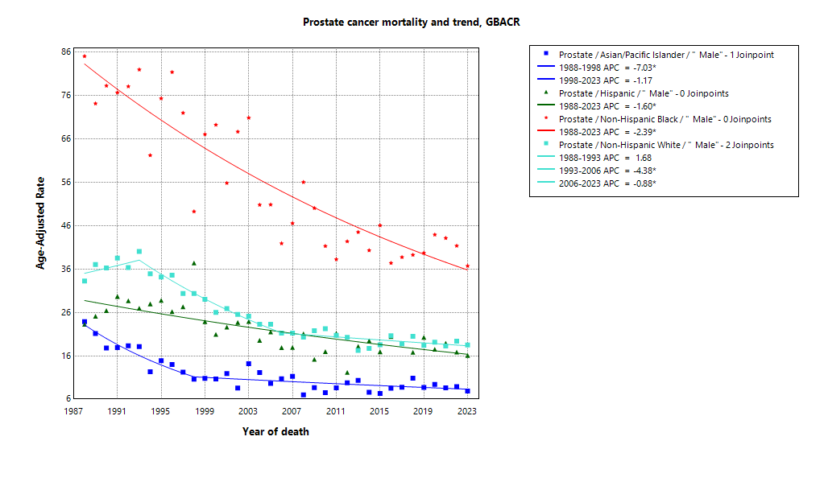

* indicates APC is statistically significant (95% CI excludes 1)

ASMR 19-23
Age-Specific Mortality
All races/ethnicities
2019-2023
GBACR
Age-specific mortality, GBACR, 2019-2023
 | Male | Female
0-4 years | 0
05-09 years | 0
10-14 years | 0
15-19 years | 0
20-24 years | 0
25-29 years | 0
30-34 years | 0
35-39 years | 0
40-44 years | 0.21
45-49 years | 0.67
50-54 years | 2.75
55-59 years | 9.21
60-64 years | 23.65
65-69 years | 52.31
70-74 years | 97.96
75-79 years | 176.09
80-84 years | 293.02
85+ years | 525.01
 | Male
 | Rate
0-4 years | ^
05-09 years | ^
10-14 years | ^
15-19 years | ^
20-24 years | ^
25-29 years | ^
30-34 years | ^
35-39 years | ^
40-44 years | 0.21
45-49 years | 0.67
50-54 years | 2.75
55-59 years | 9.21
60-64 years | 23.65
65-69 years | 52.31
70-74 years | 97.96
75-79 years | 176.09
80-84 years | 293.02
85+ years | 525.01

 | Rates are per 100,000 and age-adjusted to the 2000 US Std Population (19 age groups - Census P25-1130) standard; Confidence intervals (Tiwari mod) are 95% for rates.
^ | Statistic not displayed due to fewer than 11 cases or a population of less than 20,000.

CSMR 19-23
All races/ethnicities mortality, 2019-2023
 | Male | Female
SF Bay Area | 16.88
Alameda | 17.15
Contra Costa | 20.39
Marin | 17.96
San Francisco | 14.6
San Mateo | 17.59
Santa Clara | 15.03
Monterey Bay Area | 18.31
Monterey | 18.41
San Benito | 10.84
Santa Cruz | 19.6
Greater Bay Area (9) | 17.02
California | 20.13
Age-adjusted county or region-specific mortality rates (per 100,000)
2019-2023

 |  | Male
 |  | Rate | Lower CI | Upper CI | Count | Pop
All races/ethnicities | SF Bay Area | 16.88 | 16.26 | 17.52 | 2,857 | 16,442,410
All races/ethnicities | Alameda | 17.15 | 15.85 | 18.53 | 668 | 4,097,278
All races/ethnicities | Contra Costa | 20.39 | 18.78 | 22.11 | 608 | 2,855,812
All races/ethnicities | Marin | 17.96 | 15.38 | 20.94 | 174 | 636,095
All races/ethnicities | San Francisco | 14.6 | 13.11 | 16.23 | 356 | 2,149,378
All races/ethnicities | San Mateo | 17.59 | 15.81 | 19.51 | 364 | 1,855,887
All races/ethnicities | Santa Clara | 15.03 | 13.91 | 16.2 | 687 | 4,847,960
All races/ethnicities | Monterey Bay Area | 18.31 | 16.37 | 20.42 | 337 | 1,938,841
All races/ethnicities | Monterey | 18.41 | 15.83 | 21.29 | 186 | 1,108,961
All races/ethnicities | San Benito | 10.84 | 6.04 | 17.8 | 16 | 166,625
All races/ethnicities | Santa Cruz | 19.6 | 16.32 | 23.34 | 135 | 663,255
All races/ethnicities | Greater Bay Area (9) | 17.02 | 16.43 | 17.63 | 3,194 | 18,381,251
All races/ethnicities | California | 20.13 | 19.84 | 20.43 | 18,998 | 98,024,546
American Indian/Alaska Native | SF Bay Area | 47.95 | 29.62 | 73.24 | 22 | 48,506
American Indian/Alaska Native | Alameda | ^ | ^ | ^ | ^ | 12,473
American Indian/Alaska Native | Contra Costa | ^ | ^ | ^ | ^ | 10,298
American Indian/Alaska Native | Marin | ^ | ^ | ^ | ^ | 1,955
American Indian/Alaska Native | San Francisco | ^ | ^ | ^ | ^ | 6,577
American Indian/Alaska Native | San Mateo | ^ | ^ | ^ | ^ | 3,593
American Indian/Alaska Native | Santa Clara | ^ | ^ | ^ | ^ | 13,610
American Indian/Alaska Native | Monterey Bay Area | ^ | ^ | ^ | ^ | 8,917
American Indian/Alaska Native | Monterey | ^ | ^ | ^ | ^ | 4,465
American Indian/Alaska Native | San Benito | ^ | ^ | ^ | ^ | 829
American Indian/Alaska Native | Santa Cruz | ^ | ^ | ^ | ^ | 3,623
American Indian/Alaska Native | Greater Bay Area (9) | 44.19 | 28.29 | 65.79 | 25 | 57,423
American Indian/Alaska Native | California | 27.51 | 23.12 | 32.5 | 146 | 500,428
Asian American/Native Hawaiian/Pacific Islander | SF Bay Area | 8.66 | 7.88 | 9.5 | 458 | 5,309,220
Asian American/Native Hawaiian/Pacific Islander | Alameda | 9.17 | 7.56 | 11.02 | 116 | 1,390,649
Asian American/Native Hawaiian/Pacific Islander | Contra Costa | 9.61 | 7.16 | 12.62 | 53 | 569,844
Asian American/Native Hawaiian/Pacific Islander | Marin | ^ | ^ | ^ | ^ | 43,037
Asian American/Native Hawaiian/Pacific Islander | San Francisco | 7.74 | 6.19 | 9.64 | 89 | 740,106
Asian American/Native Hawaiian/Pacific Islander | San Mateo | 8.83 | 6.62 | 11.55 | 55 | 598,238
Asian American/Native Hawaiian/Pacific Islander | Santa Clara | 8.09 | 6.77 | 9.57 | 136 | 1,967,346
Asian American/Native Hawaiian/Pacific Islander | Monterey Bay Area | ^ | ^ | ^ | ^ | 108,240
Asian American/Native Hawaiian/Pacific Islander | Monterey | ^ | ^ | ^ | ^ | 66,554
Asian American/Native Hawaiian/Pacific Islander | San Benito | ^ | ^ | ^ | ^ | 6,777
Asian American/Native Hawaiian/Pacific Islander | Santa Cruz | ^ | ^ | ^ | ^ | 34,909
Asian American/Native Hawaiian/Pacific Islander | Greater Bay Area (9) | 8.64 | 7.86 | 9.46 | 468 | 5,417,460
Asian American/Native Hawaiian/Pacific Islander | California | 9.76 | 9.28 | 10.26 | 1,575 | 15,562,244
Hispanic | SF Bay Area | 18.36 | 16.45 | 20.42 | 360 | 3,926,188
Hispanic | Alameda | 16.46 | 12.83 | 20.68 | 78 | 977,152
Hispanic | Contra Costa | 19.2 | 14.66 | 24.51 | 64 | 794,128
Hispanic | Marin | ^ | ^ | ^ | ^ | 126,568
Hispanic | San Francisco | 21.6 | 15.66 | 28.86 | 45 | 350,609
Hispanic | San Mateo | 18.62 | 13.77 | 24.47 | 52 | 467,918
Hispanic | Santa Clara | 18.67 | 15.28 | 22.5 | 114 | 1,209,813
Hispanic | Monterey Bay Area | 15.25 | 11.69 | 19.41 | 71 | 1,021,376
Hispanic | Monterey | 17.24 | 12.56 | 22.88 | 51 | 682,796
Hispanic | San Benito | ^ | ^ | ^ | ^ | 103,534
Hispanic | Santa Cruz | 14.37 | 7.66 | 23.8 | 14 | 235,046
Hispanic | Greater Bay Area (9) | 17.83 | 16.12 | 19.65 | 431 | 4,947,564
Hispanic | California | 19.26 | 18.61 | 19.92 | 3,625 | 39,404,735
Non-Hispanic Black | SF Bay Area | 41.43 | 37.27 | 45.91 | 392 | 1,041,354
Non-Hispanic Black | Alameda | 41.61 | 35.46 | 48.51 | 176 | 433,272
Non-Hispanic Black | Contra Costa | 42.91 | 34.35 | 52.85 | 96 | 262,717
Non-Hispanic Black | Marin | ^ | ^ | ^ | ^ | 22,477
Non-Hispanic Black | San Francisco | 40.13 | 29.76 | 53.02 | 52 | 128,442
Non-Hispanic Black | San Mateo | 40.79 | 25.78 | 61.6 | 24 | 53,005
Non-Hispanic Black | Santa Clara | 39.13 | 26.99 | 54.41 | 38 | 141,441
Non-Hispanic Black | Monterey Bay Area | 29.63 | 14.65 | 52.79 | 12 | 49,517
Non-Hispanic Black | Monterey | ^ | ^ | ^ | ^ | 35,728
Non-Hispanic Black | San Benito | ^ | ^ | ^ | ^ | 2,696
Non-Hispanic Black | Santa Cruz | ^ | ^ | ^ | ^ | 11,093
Non-Hispanic Black | Greater Bay Area (9) | 40.89 | 36.85 | 45.25 | 404 | 1,090,871
Non-Hispanic Black | California | 42.71 | 40.83 | 44.65 | 2,121 | 6,137,046
Non-Hispanic White | SF Bay Area | 18.56 | 17.66 | 19.5 | 1,606 | 6,117,142
Non-Hispanic White | Alameda | 16.81 | 14.89 | 18.94 | 285 | 1,283,732
Non-Hispanic White | Contra Costa | 20.63 | 18.59 | 22.86 | 382 | 1,218,825
Non-Hispanic White | Marin | 17.7 | 14.96 | 21.01 | 149 | 442,058
Non-Hispanic White | San Francisco | 17.28 | 14.74 | 20.18 | 168 | 923,644
Non-Hispanic White | San Mateo | 20.46 | 17.89 | 23.37 | 229 | 733,133
Non-Hispanic White | Santa Clara | 17.99 | 16.25 | 19.9 | 393 | 1,515,750
Non-Hispanic White | Monterey Bay Area | 19.85 | 17.38 | 22.66 | 241 | 750,791
Non-Hispanic White | Monterey | 19.76 | 16.36 | 23.91 | 120 | 319,418
Non-Hispanic White | San Benito | ^ | ^ | ^ | ^ | 52,789
Non-Hispanic White | Santa Cruz | 20.9 | 17.08 | 25.46 | 112 | 378,584
Non-Hispanic White | Greater Bay Area (9) | 18.71 | 17.86 | 19.6 | 1,847 | 6,867,933
Non-Hispanic White | California | 21.34 | 20.94 | 21.74 | 11,438 | 36,420,093

 | Rates are per 100,000 and age-adjusted to the 2000 US Std Population (19 age groups - Census P25-1130) standard; Confidence intervals (Tiwari mod) are 95% for rates.
^ | Statistic not displayed due to fewer than 11 cases or a population of less than 20,000.

Regional Comparison 19-23
Incidence among Males 2019-2023
Incidence - Males
Greater Bay Area |  |  |  |  |  |  | California |  |  |  |  |  |  | SEER 21
Region | Race | Rate | LCL | UCL | LCLforfig | UCLforfig | Region | Race | Rate | LCL | UCL | LCLforfig | UCLforfig | Region | Race | Rate | LCL | UCL | LCLforfig | UCLforfig
GBACR | All races/ethnicities | 105.47 | 104.1 | 106.85 | 1.37 | 1.38 | California | All races/ethnicities | 106.27 | 105.66 | 106.88 | 0.61 | 0.61 | SEER | All races/ethnicities | 123.23 | 122.89 | 123.56 | 0.34 | 0.33
GBACR | AIAN | 114.03 | 89.78 | 143.21 | 24.25 | 29.18 | California | AIAN | 102.39 | 94.4 | 110.91 | 7.99 | 8.52 | SEER | Non-Hispanic American Indian/Alaska Native (PRCDA counties only) | 86.73 | 81.75 | 91.94 | 4.98 | 5.21
GBACR | Non-Hispanic Asian or Pacific Islander | 64.15 | 62.12 | 66.22 | 2.03 | 2.07 | California | Non-Hispanic Asian or Pacific Islander | 61.02 | 59.88 | 62.17 | 1.14 | 1.15 | SEER | Non-Hispanic Asian or Pacific Islander | 66.62 | 65.79 | 67.45 | 0.83 | 0.83
GBACR | Hispanic (All Races) | 88.57 | 85.24 | 91.99 | 3.33 | 3.42 | California | Hispanic (All Races) | 87.93 | 86.74 | 89.14 | 1.19 | 1.21 | SEER | Hispanic (All Races) | 92.62 | 91.86 | 93.38 | 0.76 | 0.76
GBACR | Non-Hispanic Black | 173.64 | 166.32 | 181.22 | 7.32 | 7.58 | California | Non-Hispanic Black | 169.06 | 165.81 | 172.35 | 3.25 | 3.29 | SEER | Non-Hispanic Black | 200.07 | 198.69 | 201.45 | 1.38 | 1.38
GBACR | Non-Hispanic White | 118.61 | 116.58 | 120.68 | 2.03 | 2.07 | California | Non-Hispanic White | 110.99 | 110.14 | 111.85 | 0.85 | 0.86 | SEER | Non-Hispanic White | 122.17 | 121.76 | 122.58 | 0.41 | 0.41

Mortality - Males
Greater Bay Area |  |  |  |  |  |  | California |  |  |  |  |  |  | Total U.S. Mortality
Region | Race | Rate | LCL | UCL | LCLforfig | UCLforfig | Region | Race | Rate | LCL | UCL | LCLforfig | UCLforfig | Region | Race | Rate | LCL | UCL | LCLforfig | UCLforfig
GBACR | All races/ethnicities | 17.02 | 16.43 | 17.63 | 0.59 | 0.61 | California | All races/ethnicities | 20.13 | 19.84 | 20.43 | 0.29 | 0.30 | US Mortality | All races/ethnicities | 19.17 | 19.07 | 19.26 | 0.10 | 0.09
GBACR | AIAN | 44.19 | 28.29 | 65.79 | 15.90 | 21.60 | California | AIAN | 27.51 | 23.12 | 32.50 | 4.39 | 4.99 | US Mortality | Non-Hispanic American Indian/Alaska Native (PRCDA counties only) | 14.27 | 13.23 | 15.37 | 1.04 | 1.10
GBACR | Non-Hispanic Asian or Pacific Islander | 8.64 | 7.86 | 9.46 | 0.78 | 0.82 | California | Non-Hispanic Asian or Pacific Islander | 9.76 | 9.28 | 10.26 | 0.48 | 0.50 | US Mortality | Non-Hispanic Asian or Pacific Islander | 8.8 | 8.51 | 9.09 | 0.29 | 0.29
GBACR | Hispanic (All Races) | 17.83 | 16.12 | 19.65 | 1.71 | 1.82 | California | Hispanic (All Races) | 19.26 | 18.61 | 19.92 | 0.65 | 0.66 | US Mortality | Hispanic (All Races) | 15.42 | 15.13 | 15.72 | 0.29 | 0.30
GBACR | Non-Hispanic Black | 40.89 | 36.85 | 45.25 | 4.04 | 4.36 | California | Non-Hispanic Black | 42.71 | 40.83 | 44.65 | 1.88 | 1.94 | US Mortality | Non-Hispanic Black | 36.88 | 36.41 | 37.35 | 0.47 | 0.47
GBACR | Non-Hispanic White | 18.71 | 17.86 | 19.60 | 0.85 | 0.89 | California | Non-Hispanic White | 21.34 | 20.94 | 21.74 | 0.40 | 0.40 | US Mortality | Non-Hispanic White | 18.35 | 18.24 | 18.46 | 0.11 | 0.11

Mortality among Males 2019-2023

