JP Inc_Trend Data 88-23
MULTIPLE JOINPOINT INCIDENCE
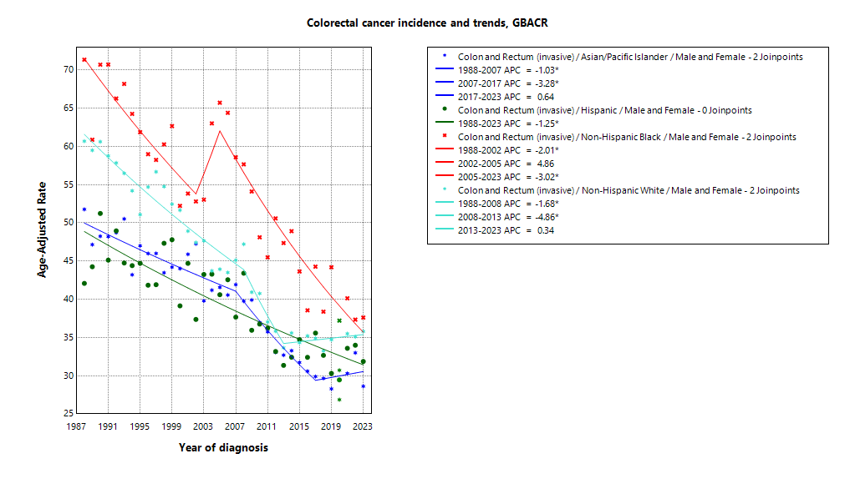
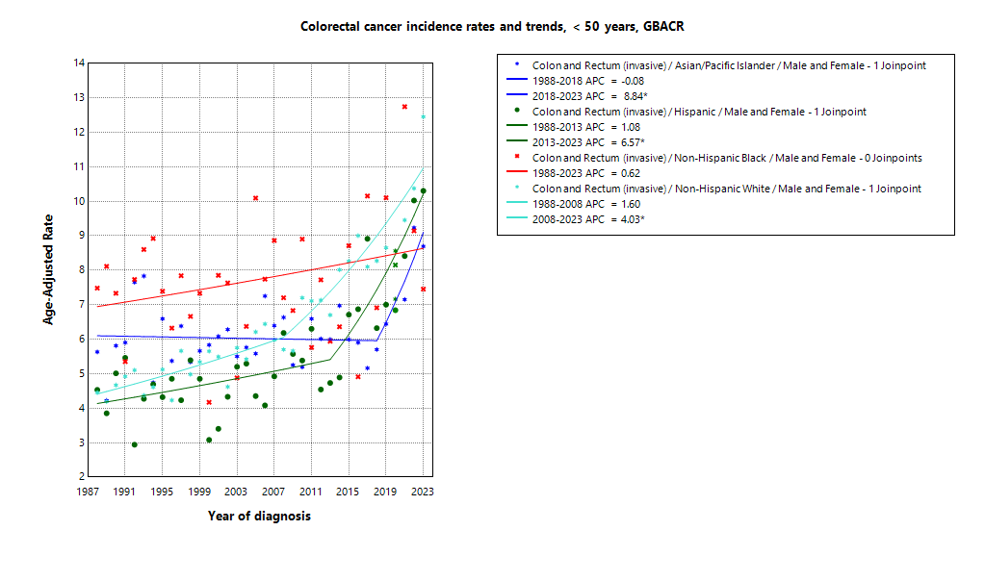

* indicates APC is statistically significant (95% CI excludes 1)
2020 rate is excluded from calculation of trend

ASIR 19-23
Age-specific incidence, GBACR, 2019-2023
Age-specific Incidence (per 100,000)
All races and ethnicities
2019-2023
GBACR
 | Male | Female
 | Rate | Rate
0-04 years | ^ | ^
05-09 years | ^ | ^
10-14 years | ^ | ^
15-19 years | ^ | 1.3
20-24 years | 2.13 | 1.92
25-29 years | 3.54 | 4.11
30-34 years | 6.39 | 7
35-39 years | 11.32 | 12.11
40-44 years | 20.25 | 20.96
45-49 years | 43.07 | 36.58
50-54 years | 72.49 | 55.78
55-59 years | 74.13 | 49.69
60-64 years | 87.91 | 57.45
65-69 years | 105.75 | 74.09
70-74 years | 129.19 | 96.25
75-79 years | 149.01 | 117.39
80-84 years | 195.83 | 169.12
85+ years | 232.01 | 211.84

 | Rates are per 100,000 and age-adjusted to the 2000 US Std Population (19 age groups - Census P25-1130) standard; Confidence intervals (Tiwari mod) are 95% for rates.
^ | Statistic not displayed due to fewer than 11 cases or a population of less than 20,000.

CSIR 19-23
Age-adjusted county or region-specific incidence rates (per 100,000)
2019-2023

All races/ethnicities incidence, 2019-2023
 |  | Male and female |  |  |  |  | Male |  |  |  |  | Female
 |  | Rate | Lower CI | Upper CI | Count | Pop | Rate | Lower CI | Upper CI | Count | Pop | Rate | Lower CI | Upper CI | Count | Pop
All races/ethnicities | SF Bay Area | 32.98 | 32.4 | 33.56 | 12,909 | 32,781,714 | 36.7 | 35.82 | 37.59 | 6,837 | 16,442,410 | 29.55 | 28.79 | 30.32 | 6,072 | 16,339,304
All races/ethnicities | Alameda | 31.68 | 30.54 | 32.85 | 3,006 | 8,258,704 | 35.44 | 33.68 | 37.28 | 1,581 | 4,097,278 | 28.37 | 26.89 | 29.91 | 1,425 | 4,161,426
All races/ethnicities | Contra Costa | 34.81 | 33.42 | 36.24 | 2,463 | 5,806,443 | 38.57 | 36.44 | 40.8 | 1,280 | 2,855,812 | 31.64 | 29.83 | 33.55 | 1,183 | 2,950,631
All races/ethnicities | Marin | 34.53 | 31.79 | 37.47 | 661 | 1,294,254 | 37.51 | 33.41 | 42.03 | 333 | 636,095 | 31.75 | 28.14 | 35.76 | 328 | 658,159
All races/ethnicities | San Francisco | 33.62 | 32.04 | 35.28 | 1,757 | 4,181,168 | 37.12 | 34.76 | 39.61 | 952 | 2,149,378 | 29.92 | 27.81 | 32.16 | 805 | 2,031,790
All races/ethnicities | San Mateo | 30.27 | 28.68 | 31.94 | 1,407 | 3,725,185 | 34.21 | 31.75 | 36.81 | 745 | 1,855,887 | 26.57 | 24.52 | 28.75 | 662 | 1,869,298
All races/ethnicities | Santa Clara | 33.66 | 32.56 | 34.79 | 3,615 | 9,515,960 | 37.53 | 35.85 | 39.26 | 1,946 | 4,847,960 | 30 | 28.55 | 31.5 | 1,669 | 4,668,000
All races/ethnicities | Monterey Bay Area | 34.46 | 32.69 | 36.3 | 1,487 | 3,839,052 | 39.88 | 37.14 | 42.77 | 827 | 1,938,841 | 29.68 | 27.39 | 32.11 | 660 | 1,900,211
All races/ethnicities | Monterey | 32.09 | 29.8 | 34.51 | 751 | 2,179,119 | 36.71 | 33.2 | 40.5 | 413 | 1,108,961 | 28.01 | 25.03 | 31.26 | 338 | 1,070,158
All races/ethnicities | San Benito | 40.5 | 33.98 | 47.91 | 142 | 330,267 | 51.2 | 40.67 | 63.63 | 87 | 166,625 | 31.04 | 23.26 | 40.63 | 55 | 163,642
All races/ethnicities | Santa Cruz | 36.86 | 33.84 | 40.08 | 594 | 1,329,666 | 42.58 | 37.89 | 47.71 | 327 | 663,255 | 31.85 | 27.98 | 36.15 | 267 | 666,411
All races/ethnicities | Greater Bay Area (9) | 33.13 | 32.58 | 33.68 | 14,396 | 36,620,766 | 37 | 36.17 | 37.86 | 7,664 | 18,381,251 | 29.56 | 28.84 | 30.29 | 6,732 | 18,239,515
All races/ethnicities | California | 34.83 | 34.58 | 35.08 | 77,961 | 196,200,610 | 39.12 | 38.74 | 39.51 | 41,424 | 98,024,546 | 31 | 30.67 | 31.33 | 36,537 | 98,176,064
American Indian/Alaska Native | SF Bay Area | 62.3 | 48.16 | 79.42 | 70 | 97,383 | 62.57 | 42.46 | 89.1 | 33 | 48,506 | 63.32 | 43.92 | 88.7 | 37 | 48,877
American Indian/Alaska Native | Alameda | 55.02 | 32.25 | 88.84 | 18 | 26,909 | ^ | ^ | ^ | ^ | 12,473 | ^ | ^ | ^ | ^ | 14,436
American Indian/Alaska Native | Contra Costa | 52.41 | 27.24 | 92.36 | 14 | 21,217 | ^ | ^ | ^ | ^ | 10,298 | ^ | ^ | ^ | ^ | 10,919
American Indian/Alaska Native | Marin | ^ | ^ | ^ | ^ | 3,576 | ^ | ^ | ^ | ^ | 1,955 | ^ | ^ | ^ | ^ | 1,621
American Indian/Alaska Native | San Francisco | ^ | ^ | ^ | ^ | 11,877 | ^ | ^ | ^ | ^ | 6,577 | ^ | ^ | ^ | ^ | 5,300
American Indian/Alaska Native | San Mateo | ^ | ^ | ^ | ^ | 7,262 | ^ | ^ | ^ | ^ | 3,593 | ^ | ^ | ^ | ^ | 3,669
American Indian/Alaska Native | Santa Clara | 77 | 45.85 | 120.74 | 20 | 26,542 | ^ | ^ | ^ | ^ | 13,610 | ^ | ^ | ^ | ^ | 12,932
American Indian/Alaska Native | Monterey Bay Area | ^ | ^ | ^ | ^ | 17,497 | ^ | ^ | ^ | ^ | 8,917 | ^ | ^ | ^ | ^ | 8,580
American Indian/Alaska Native | Monterey | ^ | ^ | ^ | ^ | 8,667 | ^ | ^ | ^ | ^ | 4,465 | ^ | ^ | ^ | ^ | 4,202
American Indian/Alaska Native | San Benito | ^ | ^ | ^ | ^ | 1,684 | ^ | ^ | ^ | ^ | 829 | ^ | ^ | ^ | ^ | 855
American Indian/Alaska Native | Santa Cruz | ^ | ^ | ^ | ^ | 7,146 | ^ | ^ | ^ | ^ | 3,623 | ^ | ^ | ^ | ^ | 3,523
American Indian/Alaska Native | Greater Bay Area (9) | 64.72 | 51.45 | 80.51 | 87 | 114,880 | 58.51 | 40.92 | 81.36 | 38 | 57,423 | 72.65 | 52.99 | 97.46 | 49 | 57,457
American Indian/Alaska Native | California | 50.28 | 46.22 | 54.6 | 610 | 1,019,305 | 51.75 | 45.86 | 58.2 | 299 | 500,428 | 48.75 | 43.27 | 54.77 | 311 | 518,877
Asian American/Native Hawaiian/Pacific Islander | SF Bay Area | 29.28 | 28.34 | 30.25 | 3,714 | 10,914,298 | 33.27 | 31.78 | 34.81 | 1,922 | 5,309,220 | 25.95 | 24.74 | 27.2 | 1,792 | 5,605,078
Asian American/Native Hawaiian/Pacific Islander | Alameda | 27.82 | 26.01 | 29.74 | 897 | 2,867,250 | 30.45 | 27.65 | 33.47 | 449 | 1,390,649 | 25.71 | 23.35 | 28.25 | 448 | 1,476,601
Asian American/Native Hawaiian/Pacific Islander | Contra Costa | 30.89 | 28.01 | 34 | 431 | 1,195,554 | 34.47 | 29.98 | 39.46 | 218 | 569,844 | 28.15 | 24.45 | 32.28 | 213 | 625,710
Asian American/Native Hawaiian/Pacific Islander | Marin | 28.95 | 20.21 | 40.46 | 37 | 100,208 | 35.3 | 20.39 | 57.14 | 17 | 43,037 | 25.13 | 15.06 | 40.21 | 20 | 57,171
Asian American/Native Hawaiian/Pacific Islander | San Francisco | 32 | 29.59 | 34.59 | 709 | 1,574,058 | 39.76 | 35.74 | 44.15 | 382 | 740,106 | 25.49 | 22.65 | 28.65 | 327 | 833,952
Asian American/Native Hawaiian/Pacific Islander | San Mateo | 28.88 | 26.18 | 31.79 | 431 | 1,255,831 | 33.24 | 28.93 | 38.03 | 220 | 598,238 | 25.29 | 21.95 | 29.05 | 211 | 657,593
Asian American/Native Hawaiian/Pacific Islander | Santa Clara | 28.58 | 26.97 | 30.25 | 1,209 | 3,921,397 | 32.1 | 29.62 | 34.73 | 636 | 1,967,346 | 25.53 | 23.47 | 27.74 | 573 | 1,954,051
Asian American/Native Hawaiian/Pacific Islander | Monterey Bay Area | 34.27 | 27.7 | 42.04 | 101 | 232,882 | 43.05 | 31.97 | 56.88 | 54 | 108,240 | 27.92 | 20.29 | 37.82 | 47 | 124,642
Asian American/Native Hawaiian/Pacific Islander | Monterey | 32.84 | 25.07 | 42.53 | 65 | 143,862 | 39.39 | 26.75 | 56.35 | 33 | 66,554 | 28.27 | 18.99 | 41.25 | 32 | 77,308
Asian American/Native Hawaiian/Pacific Islander | San Benito | ^ | ^ | ^ | ^ | 14,684 | ^ | ^ | ^ | ^ | 6,777 | ^ | ^ | ^ | ^ | 7,907
Asian American/Native Hawaiian/Pacific Islander | Santa Cruz | 35.69 | 23.58 | 52.3 | 29 | 74,336 | 44.56 | 24.82 | 74.53 | 16 | 34,909 | 29.07 | 15.14 | 51.86 | 13 | 39,427
Asian American/Native Hawaiian/Pacific Islander | Greater Bay Area (9) | 29.39 | 28.45 | 30.35 | 3,815 | 11,147,180 | 33.47 | 31.99 | 35 | 1,976 | 5,417,460 | 25.99 | 24.8 | 27.23 | 1,839 | 5,729,720
Asian American/Native Hawaiian/Pacific Islander | California | 30.75 | 30.19 | 31.31 | 11,956 | 32,442,326 | 35.64 | 34.75 | 36.55 | 6,254 | 15,562,244 | 26.77 | 26.07 | 27.49 | 5,702 | 16,880,082
Hispanic | SF Bay Area | 31.64 | 30.22 | 33.11 | 2,021 | 7,738,452 | 37.4 | 35.08 | 39.83 | 1,129 | 3,926,188 | 26.81 | 25.05 | 28.66 | 892 | 3,812,264
Hispanic | Alameda | 26.7 | 24.01 | 29.59 | 400 | 1,926,750 | 32.4 | 27.95 | 37.31 | 228 | 977,152 | 21.91 | 18.67 | 25.53 | 172 | 949,598
Hispanic | Contra Costa | 29.39 | 26.3 | 32.74 | 364 | 1,584,031 | 36.63 | 31.38 | 42.45 | 211 | 794,128 | 23.6 | 19.91 | 27.74 | 153 | 789,903
Hispanic | Marin | 27.17 | 19.75 | 36.31 | 50 | 245,946 | 23.65 | 13.84 | 37.35 | 21 | 126,568 | 30.2 | 19.91 | 43.69 | 29 | 119,378
Hispanic | San Francisco | 33.48 | 29.04 | 38.4 | 212 | 666,314 | 34.86 | 28.35 | 42.4 | 112 | 350,609 | 31.7 | 25.69 | 38.68 | 100 | 315,705
Hispanic | San Mateo | 28.91 | 25.34 | 32.83 | 250 | 927,250 | 33.71 | 27.97 | 40.24 | 137 | 467,918 | 25.08 | 20.61 | 30.22 | 113 | 459,332
Hispanic | Santa Clara | 38.3 | 35.5 | 41.26 | 745 | 2,388,161 | 45.99 | 41.38 | 50.94 | 420 | 1,209,813 | 31.79 | 28.37 | 35.51 | 325 | 1,178,348
Hispanic | Monterey Bay Area | 32.64 | 29.56 | 35.94 | 465 | 1,998,183 | 39.19 | 34.21 | 44.63 | 271 | 1,021,376 | 26.81 | 23.04 | 31 | 194 | 976,807
Hispanic | Monterey | 31.57 | 27.75 | 35.74 | 283 | 1,328,728 | 38.98 | 32.67 | 46.04 | 167 | 682,796 | 25.11 | 20.55 | 30.32 | 116 | 645,932
Hispanic | San Benito | 38.68 | 29.63 | 49.56 | 65 | 203,936 | 49.81 | 35.07 | 68.49 | 41 | 103,534 | 28.51 | 18.12 | 42.52 | 24 | 100,402
Hispanic | Santa Cruz | 33.26 | 27.14 | 40.28 | 117 | 465,519 | 35.12 | 26.24 | 45.89 | 63 | 235,046 | 31.15 | 23.1 | 40.95 | 54 | 230,473
Hispanic | Greater Bay Area (9) | 31.81 | 30.52 | 33.14 | 2,486 | 9,736,635 | 37.72 | 35.6 | 39.92 | 1,400 | 4,947,564 | 26.8 | 25.2 | 28.48 | 1,086 | 4,789,071
Hispanic | California | 34.1 | 33.62 | 34.59 | 21,016 | 78,148,016 | 39.29 | 38.51 | 40.07 | 11,384 | 39,404,735 | 29.78 | 29.17 | 30.39 | 9,632 | 38,743,281
Non-Hispanic Black | SF Bay Area | 39.34 | 36.81 | 42.01 | 943 | 2,085,961 | 41.35 | 37.55 | 45.45 | 469 | 1,041,354 | 37.74 | 34.33 | 41.4 | 474 | 1,044,607
Non-Hispanic Black | Alameda | 38.54 | 34.84 | 42.53 | 420 | 892,071 | 42.93 | 37.16 | 49.38 | 213 | 433,272 | 35.16 | 30.4 | 40.51 | 207 | 458,799
Non-Hispanic Black | Contra Costa | 44.21 | 38.91 | 50.05 | 265 | 551,470 | 42.52 | 34.85 | 51.41 | 118 | 262,717 | 45.38 | 38.19 | 53.56 | 147 | 288,753
Non-Hispanic Black | Marin | 34.56 | 17.23 | 61.55 | 12 | 37,556 | ^ | ^ | ^ | ^ | 22,477 | ^ | ^ | ^ | ^ | 15,079
Non-Hispanic Black | San Francisco | 41.14 | 33.99 | 49.45 | 122 | 240,131 | 39.17 | 29.52 | 51.18 | 59 | 128,442 | 42.95 | 32.71 | 55.64 | 63 | 111,689
Non-Hispanic Black | San Mateo | 33.85 | 24.37 | 46.04 | 44 | 100,235 | 47.55 | 31.63 | 69.07 | 30 | 53,005 | 18.26 | 9.8 | 32.36 | 14 | 47,230
Non-Hispanic Black | Santa Clara | 32.36 | 25.46 | 40.53 | 80 | 264,498 | 34.86 | 24.59 | 47.85 | 43 | 141,441 | 30.23 | 21.15 | 41.88 | 37 | 123,057
Non-Hispanic Black | Monterey Bay Area | 34.56 | 23.63 | 49.12 | 34 | 84,353 | 41.34 | 26.19 | 62.95 | 25 | 49,517 | ^ | ^ | ^ | ^ | 34,836
Non-Hispanic Black | Monterey | 33.82 | 21.43 | 51.36 | 24 | 59,228 | 36.2 | 19.62 | 62.37 | 15 | 35,728 | ^ | ^ | ^ | ^ | 23,500
Non-Hispanic Black | San Benito | ^ | ^ | ^ | ^ | 4,931 | ^ | ^ | ^ | ^ | 2,696 | ^ | ^ | ^ | ^ | 2,235
Non-Hispanic Black | Santa Cruz | ^ | ^ | ^ | ^ | 20,194 | ^ | ^ | ^ | ^ | 11,093 | ^ | ^ | ^ | ^ | 9,101
Non-Hispanic Black | Greater Bay Area (9) | 39.22 | 36.74 | 41.83 | 977 | 2,170,314 | 41.42 | 37.71 | 45.41 | 494 | 1,090,871 | 37.29 | 33.96 | 40.87 | 483 | 1,079,443
Non-Hispanic Black | California | 38.55 | 37.47 | 39.66 | 5,080 | 12,245,602 | 42.84 | 41.14 | 44.6 | 2,603 | 6,137,046 | 35.06 | 33.66 | 36.5 | 2,477 | 6,108,556
Non-Hispanic White | SF Bay Area | 34.09 | 33.19 | 35 | 5,994 | 11,945,620 | 37.34 | 36.01 | 38.71 | 3,187 | 6,117,142 | 30.71 | 29.51 | 31.96 | 2,807 | 5,828,478
Non-Hispanic White | Alameda | 34.32 | 32.36 | 36.37 | 1,239 | 2,545,724 | 38.2 | 35.25 | 41.36 | 659 | 1,283,732 | 30.42 | 27.86 | 33.18 | 580 | 1,261,992
Non-Hispanic White | Contra Costa | 34.91 | 32.97 | 36.95 | 1,351 | 2,454,171 | 38.41 | 35.51 | 41.51 | 707 | 1,218,825 | 31.83 | 29.22 | 34.64 | 644 | 1,235,346
Non-Hispanic White | Marin | 36.53 | 33.19 | 40.17 | 557 | 906,968 | 40.65 | 35.58 | 46.35 | 285 | 442,058 | 32.65 | 28.37 | 37.53 | 272 | 464,910
Non-Hispanic White | San Francisco | 33.65 | 31.15 | 36.32 | 700 | 1,688,788 | 35.18 | 31.69 | 39.01 | 391 | 923,644 | 31.57 | 28.05 | 35.45 | 309 | 765,144
Non-Hispanic White | San Mateo | 30.31 | 27.9 | 32.91 | 657 | 1,434,607 | 33.09 | 29.54 | 37 | 344 | 733,133 | 27.35 | 24.12 | 30.94 | 313 | 701,474
Non-Hispanic White | Santa Clara | 34.86 | 33.01 | 36.79 | 1,490 | 2,915,362 | 38.29 | 35.58 | 41.18 | 801 | 1,515,750 | 31.06 | 28.58 | 33.72 | 689 | 1,399,612
Non-Hispanic White | Monterey Bay Area | 35.96 | 33.36 | 38.74 | 854 | 1,506,137 | 41.32 | 37.37 | 45.62 | 466 | 750,791 | 31.27 | 27.86 | 35.04 | 388 | 755,346
Non-Hispanic White | Monterey | 33.77 | 30 | 37.95 | 365 | 638,634 | 37.57 | 32.06 | 43.9 | 194 | 319,418 | 30.58 | 25.47 | 36.59 | 171 | 319,216
Non-Hispanic White | San Benito | 42.86 | 32.41 | 55.96 | 65 | 105,032 | 50.96 | 35.19 | 72.15 | 38 | 52,789 | 36.16 | 22.86 | 55.16 | 27 | 52,243
Non-Hispanic White | Santa Cruz | 37.19 | 33.44 | 41.31 | 424 | 762,471 | 43.81 | 37.98 | 50.41 | 234 | 378,584 | 31.41 | 26.66 | 36.9 | 190 | 383,887
Non-Hispanic White | Greater Bay Area (9) | 34.27 | 33.42 | 35.13 | 6,848 | 13,451,757 | 37.75 | 36.49 | 39.05 | 3,653 | 6,867,933 | 30.75 | 29.61 | 31.92 | 3,195 | 6,583,824
Non-Hispanic White | California | 34.98 | 34.61 | 35.35 | 37,919 | 72,345,361 | 38.86 | 38.3 | 39.43 | 20,121 | 36,420,093 | 31.27 | 30.78 | 31.77 | 17,798 | 35,925,268

 | Rates are per 100,000 and age-adjusted to the 2000 US Std Population (19 age groups - Census P25-1130) standard; Confidence intervals (Tiwari mod) are 95% for rates.
^ | Statistic not displayed due to fewer than 11 cases or a population of less than 20,000.

JP Mort_Trend Data 88-23
MULTIPLE JOINPOINT MORTALITY
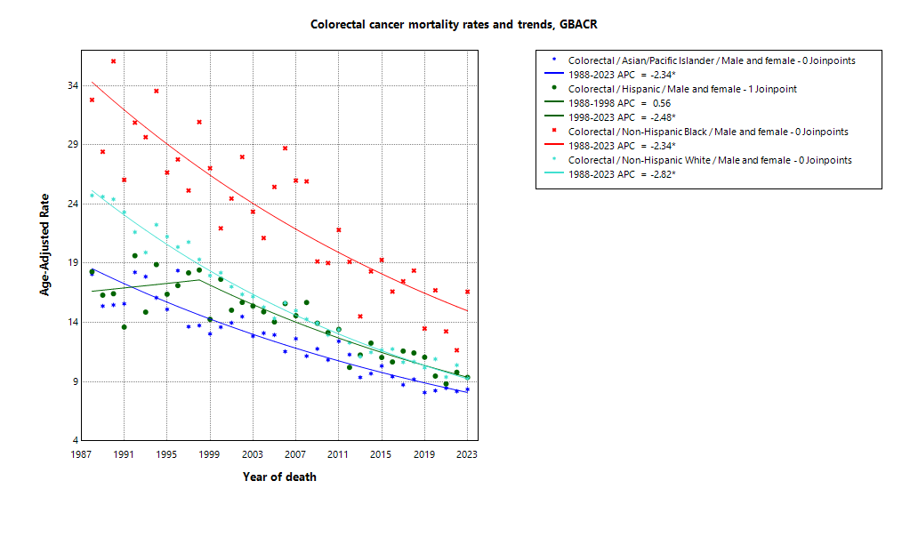

* indicates APC is statistically significant (95% CI excludes 1)

ASMR 19-23
Age-Specific Mortality
All races/ethnicities
2019-2023
GBACR
Age-specific mortality, GBACR, 2019-2023
 | Male | Female
 | Rate | Rate
0-4 years | ^ | ^
05-09 years | ^ | ^
10-14 years | ^ | ^
15-19 years | ^ | ^
20-24 years | 0.23 | 0.14
25-29 years | 0.34 | 0.33
30-34 years | 0.95 | 0.73
35-39 years | 1.74 | 1.57
40-44 years | 3.71 | 3.27
45-49 years | 7.83 | 7.21
50-54 years | 14.4 | 11.73
55-59 years | 25.25 | 19.32
60-64 years | 41.93 | 27.92
65-69 years | 64.49 | 43.51
70-74 years | 93.18 | 64.15
75-79 years | 132.17 | 95.9
80-84 years | 180.11 | 137.23
85+ years | 238.66 | 208.18

 | Rates are per 100,000 and age-adjusted to the 2000 US Std Population (19 age groups - Census P25-1130) standard; Confidence intervals (Tiwari mod) are 95% for rates.
^ | Statistic not displayed due to fewer than 11 cases or a population of less than 20,000.

CSMR 19-23
All races/ethnicities mortality, 2019-2023
Age-adjusted county or region-specific mortality rates (per 100,000)
2019-2023

 |  | Male and female |  |  |  |  | Male |  |  |  |  | Female
 |  | Rate | Lower CI | Upper CI | Count | Pop | Rate | Lower CI | Upper CI | Count | Pop | Rate | Lower CI | Upper CI | Count | Pop
All races/ethnicities | SF Bay Area | 9.81 | 9.50 | 10.13 | 3,936 | 32,781,714 | 10.98 | 10.50 | 11.49 | 1,997 | 16,442,410 | 8.82 | 8.42 | 9.23 | 1,939 | 16,339,304
All races/ethnicities | Alameda | 10.29 | 9.64 | 10.96 | 975 | 8,258,704 | 11.33 | 10.32 | 12.43 | 478 | 4,097,278 | 9.44 | 8.61 | 10.32 | 497 | 4,161,426
All races/ethnicities | Contra Costa | 10.66 | 9.91 | 11.46 | 766 | 5,806,443 | 11.73 | 10.55 | 13.01 | 376 | 2,855,812 | 9.80 | 8.83 | 10.84 | 390 | 2,950,631
All races/ethnicities | Marin | 8.96 | 7.72 | 10.37 | 197 | 1,294,254 | 9.29 | 7.47 | 11.49 | 92 | 636,095 | 8.69 | 7.03 | 10.72 | 105 | 658,159
All races/ethnicities | San Francisco | 10.03 | 9.19 | 10.93 | 548 | 4,181,168 | 11.45 | 10.15 | 12.89 | 289 | 2,149,378 | 8.64 | 7.59 | 9.83 | 259 | 2,031,790
All races/ethnicities | San Mateo | 8.26 | 7.47 | 9.13 | 406 | 3,725,185 | 9.86 | 8.56 | 11.30 | 214 | 1,855,887 | 6.97 | 6.00 | 8.08 | 192 | 1,869,298
All races/ethnicities | Santa Clara | 9.59 | 9.01 | 10.20 | 1,044 | 9,515,960 | 10.88 | 9.97 | 11.85 | 548 | 4,847,960 | 8.50 | 7.76 | 9.30 | 496 | 4,668,000
All races/ethnicities | Monterey Bay Area | 9.85 | 8.93 | 10.85 | 434 | 3,839,052 | 12.02 | 10.53 | 13.66 | 247 | 1,938,841 | 7.91 | 6.79 | 9.17 | 187 | 1,900,211
All races/ethnicities | Monterey | 9.20 | 8.00 | 10.54 | 217 | 2,179,119 | 11.84 | 9.86 | 14.09 | 131 | 1,108,961 | 6.82 | 5.42 | 8.48 | 86 | 1,070,158
All races/ethnicities | San Benito | 11.61 | 8.23 | 15.92 | 40 | 330,267 | 18.32 | 11.85 | 26.92 | 27 | 166,625 | 6.83 | 3.58 | 11.92 | 13 | 163,642
All races/ethnicities | Santa Cruz | 10.44 | 8.91 | 12.18 | 177 | 1,329,666 | 11.15 | 8.85 | 13.89 | 89 | 663,255 | 9.66 | 7.69 | 12.03 | 88 | 666,411
All races/ethnicities | Greater Bay Area (9) | 9.82 | 9.53 | 10.12 | 4,370 | 36,620,766 | 11.09 | 10.63 | 11.57 | 2,244 | 18,381,251 | 8.74 | 8.36 | 9.12 | 2,126 | 18,239,515
All races/ethnicities | California | 11.91 | 11.77 | 12.06 | 26,912 | 196,200,610 | 13.94 | 13.70 | 14.17 | 14,362 | 98,024,546 | 10.18 | 10.00 | 10.36 | 12,550 | 98,176,064
American Indian/Alaska Native | SF Bay Area | 22.19 | 14.16 | 33.30 | 25 | 97,383 | 22.55 | 10.93 | 41.13 | 11 | 48,506 | 21.84 | 11.77 | 37.82 | 14 | 48,877
American Indian/Alaska Native | Alameda | ^ | ^ | ^ | ^ | 26,909 | ^ | ^ | ^ | ^ | 12,473 | ^ | ^ | ^ | ^ | 14,436
American Indian/Alaska Native | Contra Costa | ^ | ^ | ^ | ^ | 21,217 | ^ | ^ | ^ | ^ | 10,298 | ^ | ^ | ^ | ^ | 10,919
American Indian/Alaska Native | Marin | ^ | ^ | ^ | ^ | 3,576 | ^ | ^ | ^ | ^ | 1,955 | ^ | ^ | ^ | ^ | 1,621
American Indian/Alaska Native | San Francisco | ^ | ^ | ^ | ^ | 11,877 | ^ | ^ | ^ | ^ | 6,577 | ^ | ^ | ^ | ^ | 5,300
American Indian/Alaska Native | San Mateo | ^ | ^ | ^ | ^ | 7,262 | ^ | ^ | ^ | ^ | 3,593 | ^ | ^ | ^ | ^ | 3,669
American Indian/Alaska Native | Santa Clara | ^ | ^ | ^ | ^ | 26,542 | ^ | ^ | ^ | ^ | 13,610 | ^ | ^ | ^ | ^ | 12,932
American Indian/Alaska Native | Monterey Bay Area | ^ | ^ | ^ | ^ | 17,497 | ^ | ^ | ^ | ^ | 8,917 | ^ | ^ | ^ | ^ | 8,580
American Indian/Alaska Native | Monterey | ^ | ^ | ^ | ^ | 8,667 | ^ | ^ | ^ | ^ | 4,465 | ^ | ^ | ^ | ^ | 4,202
American Indian/Alaska Native | San Benito | ^ | ^ | ^ | ^ | 1,684 | ^ | ^ | ^ | ^ | 829 | ^ | ^ | ^ | ^ | 855
American Indian/Alaska Native | Santa Cruz | ^ | ^ | ^ | ^ | 7,146 | ^ | ^ | ^ | ^ | 3,623 | ^ | ^ | ^ | ^ | 3,523
American Indian/Alaska Native | Greater Bay Area (9) | 21.56 | 14.36 | 31.31 | 30 | 114,880 | 21.30 | 11.10 | 37.15 | 13 | 57,423 | 21.77 | 12.51 | 35.97 | 17 | 57,457
American Indian/Alaska Native | California | 19.79 | 17.32 | 22.53 | 246 | 1,019,305 | 19.77 | 16.16 | 23.97 | 112 | 500,428 | 19.75 | 16.46 | 23.55 | 134 | 518,877
Asian American/Native Hawaiian/Pacific Islander | SF Bay Area | 8.23 | 7.73 | 8.75 | 1,048 | 10,914,298 | 9.44 | 8.64 | 10.29 | 531 | 5,309,220 | 7.24 | 6.62 | 7.90 | 517 | 5,605,078
Asian American/Native Hawaiian/Pacific Islander | Alameda | 8.03 | 7.07 | 9.10 | 255 | 2,867,250 | 8.43 | 6.94 | 10.14 | 117 | 1,390,649 | 7.67 | 6.43 | 9.10 | 138 | 1,476,601
Asian American/Native Hawaiian/Pacific Islander | Contra Costa | 7.94 | 6.49 | 9.63 | 106 | 1,195,554 | 8.86 | 6.56 | 11.71 | 51 | 569,844 | 7.36 | 5.52 | 9.64 | 55 | 625,710
Asian American/Native Hawaiian/Pacific Islander | Marin | ^ | ^ | ^ | ^ | 100,208 | ^ | ^ | ^ | ^ | 43,037 | ^ | ^ | ^ | ^ | 57,171
Asian American/Native Hawaiian/Pacific Islander | San Francisco | 9.05 | 7.85 | 10.42 | 222 | 1,574,058 | 10.68 | 8.72 | 13.01 | 110 | 740,106 | 7.68 | 6.24 | 9.45 | 112 | 833,952
Asian American/Native Hawaiian/Pacific Islander | San Mateo | 7.68 | 6.33 | 9.25 | 115 | 1,255,831 | 9.03 | 6.82 | 11.74 | 58 | 598,238 | 6.51 | 4.91 | 8.52 | 57 | 657,593
Asian American/Native Hawaiian/Pacific Islander | Santa Clara | 8.25 | 7.39 | 9.19 | 342 | 3,921,397 | 10.11 | 8.70 | 11.67 | 191 | 1,967,346 | 6.77 | 5.73 | 7.97 | 151 | 1,954,051
Asian American/Native Hawaiian/Pacific Islander | Monterey Bay Area | 9.59 | 6.45 | 13.93 | 31 | 232,882 | 15.06 | 9.08 | 23.80 | 20 | 108,240 | 5.73 | 2.77 | 11.11 | 11 | 124,642
Asian American/Native Hawaiian/Pacific Islander | Monterey | 10.40 | 6.50 | 16.21 | 23 | 143,862 | 17.50 | 9.87 | 29.43 | 16 | 66,554 | ^ | ^ | ^ | ^ | 77,308
Asian American/Native Hawaiian/Pacific Islander | San Benito | ^ | ^ | ^ | ^ | 14,684 | ^ | ^ | ^ | ^ | 6,777 | ^ | ^ | ^ | ^ | 7,907
Asian American/Native Hawaiian/Pacific Islander | Santa Cruz | ^ | ^ | ^ | ^ | 74,336 | ^ | ^ | ^ | ^ | 34,909 | ^ | ^ | ^ | ^ | 39,427
Asian American/Native Hawaiian/Pacific Islander | Greater Bay Area (9) | 8.26 | 7.77 | 8.78 | 1,079 | 11,147,180 | 9.58 | 8.78 | 10.42 | 551 | 5,417,460 | 7.20 | 6.59 | 7.85 | 528 | 5,729,720
Asian American/Native Hawaiian/Pacific Islander | California | 9.99 | 9.67 | 10.31 | 3,918 | 32,442,326 | 11.96 | 11.44 | 12.50 | 2,055 | 15,562,244 | 8.41 | 8.03 | 8.81 | 1,863 | 16,880,082
Hispanic | SF Bay Area | 9.55 | 8.74 | 10.41 | 550 | 7,738,452 | 11.65 | 10.26 | 13.15 | 296 | 3,926,188 | 8.03 | 7.05 | 9.09 | 254 | 3,812,264
Hispanic | Alameda | 9.03 | 7.40 | 10.89 | 118 | 1,926,750 | 9.14 | 6.70 | 12.10 | 56 | 977,152 | 8.85 | 6.73 | 11.39 | 62 | 949,598
Hispanic | Contra Costa | 11.15 | 9.16 | 13.42 | 120 | 1,584,031 | 13.64 | 10.26 | 17.68 | 65 | 794,128 | 9.27 | 6.92 | 12.11 | 55 | 789,903
Hispanic | Marin | 9.34 | 4.88 | 15.79 | 14 | 245,946 | ^ | ^ | ^ | ^ | 126,568 | ^ | ^ | ^ | ^ | 119,378
Hispanic | San Francisco | 8.54 | 6.32 | 11.28 | 51 | 666,314 | 10.63 | 6.85 | 15.61 | 27 | 350,609 | 7.61 | 4.83 | 11.40 | 24 | 315,705
Hispanic | San Mateo | 7.58 | 5.73 | 9.82 | 59 | 927,250 | 10.07 | 6.77 | 14.30 | 33 | 467,918 | 6.01 | 3.91 | 8.83 | 26 | 459,332
Hispanic | Santa Clara | 10.33 | 8.85 | 11.96 | 188 | 2,388,161 | 13.59 | 11.00 | 16.57 | 109 | 1,209,813 | 7.88 | 6.21 | 9.84 | 79 | 1,178,348
Hispanic | Monterey Bay Area | 10.50 | 8.66 | 12.58 | 130 | 1,998,183 | 14.09 | 10.91 | 17.82 | 82 | 1,021,376 | 7.57 | 5.50 | 10.10 | 48 | 976,807
Hispanic | Monterey | 10.34 | 8.06 | 13.01 | 80 | 1,328,728 | 13.98 | 10.03 | 18.80 | 51 | 682,796 | 7.36 | 4.84 | 10.62 | 29 | 645,932
Hispanic | San Benito | 11.98 | 6.93 | 19.07 | 18 | 203,936 | 22.25 | 11.16 | 38.52 | 13 | 103,534 | ^ | ^ | ^ | ^ | 100,402
Hispanic | Santa Cruz | 10.09 | 6.68 | 14.49 | 32 | 465,519 | 10.33 | 5.80 | 16.84 | 18 | 235,046 | 9.41 | 4.96 | 15.88 | 14 | 230,473
Hispanic | Greater Bay Area (9) | 9.72 | 8.97 | 10.50 | 680 | 9,736,635 | 12.07 | 10.79 | 13.45 | 378 | 4,947,564 | 7.96 | 7.07 | 8.93 | 302 | 4,789,071
Hispanic | California | 11.67 | 11.37 | 11.97 | 6,551 | 78,148,016 | 14.14 | 13.64 | 14.65 | 3,624 | 39,404,735 | 9.67 | 9.31 | 10.03 | 2,927 | 38,743,281
Non-Hispanic Black | SF Bay Area | 14.45 | 12.94 | 16.09 | 350 | 2,085,961 | 15.91 | 13.52 | 18.60 | 172 | 1,041,354 | 13.42 | 11.49 | 15.61 | 178 | 1,044,607
Non-Hispanic Black | Alameda | 14.90 | 12.66 | 17.45 | 164 | 892,071 | 16.74 | 13.14 | 21.04 | 80 | 433,272 | 13.51 | 10.72 | 16.87 | 84 | 458,799
Non-Hispanic Black | Contra Costa | 14.36 | 11.41 | 17.85 | 86 | 551,470 | 14.22 | 9.83 | 19.89 | 37 | 262,717 | 14.48 | 10.63 | 19.32 | 49 | 288,753
Non-Hispanic Black | Marin | ^ | ^ | ^ | ^ | 37,556 | ^ | ^ | ^ | ^ | 22,477 | ^ | ^ | ^ | ^ | 15,079
Non-Hispanic Black | San Francisco | 17.45 | 13.03 | 23.03 | 54 | 240,131 | 19.38 | 12.76 | 28.44 | 29 | 128,442 | 15.33 | 9.90 | 23.16 | 25 | 111,689
Non-Hispanic Black | San Mateo | 11.34 | 6.45 | 18.96 | 16 | 100,235 | ^ | ^ | ^ | ^ | 53,005 | ^ | ^ | ^ | ^ | 47,230
Non-Hispanic Black | Santa Clara | 10.31 | 6.62 | 15.29 | 26 | 264,498 | 11.70 | 5.97 | 20.37 | 14 | 141,441 | 9.64 | 4.92 | 17.00 | 12 | 123,057
Non-Hispanic Black | Monterey Bay Area | ^ | ^ | ^ | ^ | 84,353 | ^ | ^ | ^ | ^ | 49,517 | ^ | ^ | ^ | ^ | 34,836
Non-Hispanic Black | Monterey | ^ | ^ | ^ | ^ | 59,228 | ^ | ^ | ^ | ^ | 35,728 | ^ | ^ | ^ | ^ | 23,500
Non-Hispanic Black | San Benito | ^ | ^ | ^ | ^ | 4,931 | ^ | ^ | ^ | ^ | 2,696 | ^ | ^ | ^ | ^ | 2,235
Non-Hispanic Black | Santa Cruz | ^ | ^ | ^ | ^ | 20,194 | ^ | ^ | ^ | ^ | 11,093 | ^ | ^ | ^ | ^ | 9,101
Non-Hispanic Black | Greater Bay Area (9) | 14.34 | 12.87 | 15.95 | 360 | 2,170,314 | 15.85 | 13.52 | 18.46 | 180 | 1,090,871 | 13.20 | 11.30 | 15.34 | 180 | 1,079,443
Non-Hispanic Black | California | 15.87 | 15.17 | 16.59 | 2,064 | 12,245,602 | 18.97 | 17.81 | 20.19 | 1,097 | 6,137,046 | 13.46 | 12.60 | 14.35 | 967 | 6,108,556
Non-Hispanic White | SF Bay Area | 10.10 | 9.64 | 10.57 | 1,936 | 11,945,620 | 11.03 | 10.33 | 11.77 | 973 | 6,117,142 | 9.23 | 8.63 | 9.87 | 963 | 5,828,478
Non-Hispanic White | Alameda | 10.92 | 9.88 | 12.05 | 424 | 2,545,724 | 12.57 | 10.92 | 14.42 | 219 | 1,283,732 | 9.59 | 8.27 | 11.09 | 205 | 1,261,992
Non-Hispanic White | Contra Costa | 10.70 | 9.69 | 11.80 | 444 | 2,454,171 | 11.75 | 10.20 | 13.51 | 220 | 1,218,825 | 9.74 | 8.45 | 11.22 | 224 | 1,235,346
Non-Hispanic White | Marin | 8.98 | 7.65 | 10.58 | 170 | 906,968 | 9.38 | 7.40 | 11.94 | 79 | 442,058 | 8.65 | 6.88 | 10.97 | 91 | 464,910
Non-Hispanic White | San Francisco | 10.14 | 8.80 | 11.64 | 211 | 1,688,788 | 11.25 | 9.27 | 13.58 | 117 | 923,644 | 8.72 | 7.03 | 10.78 | 94 | 765,144
Non-Hispanic White | San Mateo | 8.33 | 7.21 | 9.62 | 209 | 1,434,607 | 9.61 | 7.87 | 11.70 | 110 | 733,133 | 7.37 | 5.90 | 9.18 | 99 | 701,474
Non-Hispanic White | Santa Clara | 10.17 | 9.24 | 11.18 | 478 | 2,915,362 | 10.33 | 9.00 | 11.83 | 228 | 1,515,750 | 9.95 | 8.66 | 11.41 | 250 | 1,399,612
Non-Hispanic White | Monterey Bay Area | 9.61 | 8.40 | 10.99 | 257 | 1,506,137 | 10.94 | 9.08 | 13.15 | 135 | 750,791 | 8.34 | 6.80 | 10.22 | 122 | 755,346
Non-Hispanic White | Monterey | 8.80 | 7.08 | 10.94 | 108 | 638,634 | 10.63 | 7.95 | 14.14 | 60 | 319,418 | 7.06 | 4.97 | 10.05 | 48 | 319,216
Non-Hispanic White | San Benito | 11.25 | 6.62 | 18.57 | 19 | 105,032 | 16.25 | 8.11 | 30.15 | 12 | 52,789 | ^ | ^ | ^ | ^ | 52,243
Non-Hispanic White | Santa Cruz | 10.25 | 8.48 | 12.38 | 130 | 762,471 | 10.68 | 8.08 | 14.04 | 63 | 378,584 | 9.79 | 7.45 | 12.86 | 67 | 383,887
Non-Hispanic White | Greater Bay Area (9) | 10.04 | 9.61 | 10.48 | 2,193 | 13,451,757 | 11.01 | 10.35 | 11.70 | 1,108 | 6,867,933 | 9.13 | 8.57 | 9.72 | 1,085 | 6,583,824
Non-Hispanic White | California | 11.98 | 11.77 | 12.19 | 14,002 | 72,345,361 | 13.74 | 13.42 | 14.07 | 7,388 | 36,420,093 | 10.40 | 10.14 | 10.67 | 6,614 | 35,925,268

 | Rates are per 100,000 and age-adjusted to the 2000 US Std Population (19 age groups - Census P25-1130) standard; Confidence intervals (Tiwari mod) are 95% for rates.
^ | Statistic not displayed due to fewer than 11 cases or a population of less than 20,000.

Regional Comparison 19-23
Incidence among Males 2019-2023
Incidence among Females 2019-2023
Incidence - Males
Greater Bay Area |  |  |  |  |  |  | California |  |  |  |  |  |  | SEER 21
Region | Race | Rate | LCL | UCL | LCLforfig | UCLforfig | Region | Race | Rate | LCL | UCL | LCLforfig | UCLforfig | Region | Race | Rate | LCL | UCL | LCLforfig | UCLforfig
GBACR | All races/ethnicities | 37 | 36.17 | 37.86 | 0.83 | 0.86 | California | All races/ethnicities | 39.12 | 38.74 | 39.51 | 0.38 | 0.39 | SEER | All races/ethnicities | 42.71 | 42.5 | 42.91 | 0.21 | 0.20
GBACR | AIAN | 58.51 | 40.92 | 81.36 | 17.59 | 22.85 | California | AIAN | 51.75 | 45.86 | 58.2 | 5.89 | 6.45 | SEER | Non-Hispanic American Indian/Alaska Native (PRCDA counties only) | 59.51 | 55.34 | 63.92 | 4.17 | 4.41
GBACR | Non-Hispanic Asian or Pacific Islander | 33.47 | 31.99 | 35 | 1.48 | 1.53 | California | Non-Hispanic Asian or Pacific Islander | 35.64 | 34.75 | 36.55 | 0.89 | 0.91 | SEER | Non-Hispanic Asian or Pacific Islander | 35.62 | 35.01 | 36.24 | 0.61 | 0.62
GBACR | Hispanic (All Races) | 37.72 | 35.6 | 39.92 | 2.12 | 2.20 | California | Hispanic (All Races) | 39.29 | 38.51 | 40.07 | 0.78 | 0.78 | SEER | Hispanic (All Races) | 40.92 | 40.43 | 41.42 | 0.49 | 0.50
GBACR | Non-Hispanic Black | 41.42 | 37.71 | 45.41 | 3.71 | 3.99 | California | Non-Hispanic Black | 42.84 | 41.14 | 44.6 | 1.70 | 1.76 | SEER | Non-Hispanic Black | 50.11 | 49.39 | 50.84 | 0.72 | 0.73
GBACR | Non-Hispanic White | 37.75 | 36.49 | 39.05 | 1.26 | 1.30 | California | Non-Hispanic White | 38.86 | 38.3 | 39.43 | 0.56 | 0.57 | SEER | Non-Hispanic White | 42.89 | 42.62 | 43.16 | 0.27 | 0.27

Incidence - Females
Greater Bay Area |  |  |  |  |  |  | California |  |  |  |  |  |  | SEER 21
Region | Race | Rate | LCL | UCL | LCLforfig | UCLforfig | Region | Race | Rate | LCL | UCL | LCLforfig | UCLforfig | Region | Race | Rate | LCL | UCL | LCLforfig | UCLforfig
GBACR | All races/ethnicities | 29.56 | 28.84 | 30.29 | 0.72 | 0.73 | California | All races/ethnicities | 31 | 30.67 | 31.33 | 0.33 | 0.33 | SEER | All races/ethnicities | 33.03 | 32.86 | 33.2 | 0.17 | 0.17
GBACR | AIAN | 72.65 | 52.99 | 97.46 | 19.66 | 24.81 | California | AIAN | 48.75 | 43.27 | 54.77 | 5.48 | 6.02 | SEER | Non-Hispanic American Indian/Alaska Native (PRCDA counties only) | 44.59 | 41.28 | 48.08 | 3.31 | 3.49
GBACR | Non-Hispanic Asian or Pacific Islander | 25.99 | 24.8 | 27.23 | 1.19 | 1.24 | California | Non-Hispanic Asian or Pacific Islander | 26.77 | 26.07 | 27.49 | 0.70 | 0.72 | SEER | Non-Hispanic Asian or Pacific Islander | 26 | 25.53 | 26.49 | 0.47 | 0.49
GBACR | Hispanic (All Races) | 26.8 | 25.2 | 28.48 | 1.60 | 1.68 | California | Hispanic (All Races) | 29.78 | 29.17 | 30.39 | 0.61 | 0.61 | SEER | Hispanic (All Races) | 30.41 | 30.03 | 30.8 | 0.38 | 0.39
GBACR | Non-Hispanic Black | 37.29 | 33.96 | 40.87 | 3.33 | 3.58 | California | Non-Hispanic Black | 35.06 | 33.66 | 36.5 | 1.40 | 1.44 | SEER | Non-Hispanic Black | 37.1 | 36.57 | 37.63 | 0.53 | 0.53
GBACR | Non-Hispanic White | 30.75 | 29.61 | 31.92 | 1.14 | 1.17 | California | Non-Hispanic White | 31.27 | 30.78 | 31.77 | 0.49 | 0.50 | SEER | Non-Hispanic White | 33.57 | 33.34 | 33.79 | 0.23 | 0.22

Mortality among Males 2019-2023
Mortality among Females 2019-2023
Mortality - Males
Greater Bay Area |  |  |  |  |  |  | California |  |  |  |  |  |  | Total U.S. Mortality
Region | Race | Rate | LCL | UCL | LCLforfig | UCLforfig | Region | Race | Rate | LCL | UCL | LCLforfig | UCLforfig | Region | Race | Rate | LCL | UCL | LCLforfig | UCLforfig
GBACR | All races/ethnicities | 11.09 | 10.63 | 11.57 | 0.46 | 0.48 | California | All races/ethnicities | 13.94 | 13.70 | 14.17 | 0.24 | 0.23 | US Mortality | All races/ethnicities | 15.29 | 15.21 | 15.37 | 0.08 | 0.08
GBACR | AIAN | 21.30 | 11.10 | 37.15 | 10.20 | 15.85 | California | AIAN | 19.77 | 16.16 | 23.97 | 3.61 | 4.20 | US Mortality | Non-Hispanic American Indian/Alaska Native (PRCDA counties only) | 15.27 | 14.28 | 16.3 | 0.99 | 1.03
GBACR | Non-Hispanic Asian or Pacific Islander | 9.58 | 8.78 | 10.42 | 0.80 | 0.84 | California | Non-Hispanic Asian or Pacific Islander | 11.96 | 11.44 | 12.50 | 0.52 | 0.54 | US Mortality | Non-Hispanic Asian or Pacific Islander | 10.93 | 10.64 | 11.24 | 0.29 | 0.31
GBACR | Hispanic (All Races) | 12.07 | 10.79 | 13.45 | 1.28 | 1.38 | California | Hispanic (All Races) | 14.14 | 13.64 | 14.65 | 0.50 | 0.51 | US Mortality | Hispanic (All Races) | 13.15 | 12.91 | 13.4 | 0.24 | 0.25
GBACR | Non-Hispanic Black | 15.85 | 13.52 | 18.46 | 2.33 | 2.61 | California | Non-Hispanic Black | 18.97 | 17.81 | 20.19 | 1.16 | 1.22 | US Mortality | Non-Hispanic Black | 20.98 | 20.66 | 21.3 | 0.32 | 0.32
GBACR | Non-Hispanic White | 11.01 | 10.35 | 11.70 | 0.66 | 0.69 | California | Non-Hispanic White | 13.74 | 13.42 | 14.07 | 0.32 | 0.33 | US Mortality | Non-Hispanic White | 15.23 | 15.13 | 15.32 | 0.10 | 0.09

Mortality - Females
Greater Bay Area |  |  |  |  |  |  | California |  |  |  |  |  |  | Total U.S. Mortality
Region | Race | Rate | LCL | UCL | LCLforfig | UCLforfig | Region | Race | Rate | LCL | UCL | LCLforfig | UCLforfig | Region | Race | Rate | LCL | UCL | LCLforfig | UCLforfig
GBACR | All races/ethnicities | 8.74 | 8.36 | 9.12 | 0.38 | 0.38 | California | All races/ethnicities | 10.18 | 10.00 | 10.36 | 0.18 | 0.18 | US Mortality | All races/ethnicities | 10.81 | 10.74 | 10.87 | 0.07 | 0.06
GBACR | AIAN | 21.77 | 12.51 | 35.97 | 9.26 | 14.20 | California | AIAN | 19.75 | 16.46 | 23.55 | 3.29 | 3.80 | US Mortality | Non-Hispanic American Indian/Alaska Native (PRCDA counties only) | 11.49 | 10.71 | 12.31 | 0.78 | 0.82
GBACR | Non-Hispanic Asian or Pacific Islander | 7.20 | 6.59 | 7.85 | 0.61 | 0.65 | California | Non-Hispanic Asian or Pacific Islander | 8.41 | 8.03 | 8.81 | 0.38 | 0.40 | US Mortality | Non-Hispanic Asian or Pacific Islander | 7.76 | 7.54 | 7.98 | 0.22 | 0.22
GBACR | Hispanic (All Races) | 7.96 | 7.07 | 8.93 | 0.89 | 0.97 | California | Hispanic (All Races) | 9.67 | 9.31 | 10.03 | 0.36 | 0.36 | US Mortality | Hispanic (All Races) | 8.57 | 8.41 | 8.75 | 0.16 | 0.18
GBACR | Non-Hispanic Black | 13.20 | 11.30 | 15.34 | 1.90 | 2.14 | California | Non-Hispanic Black | 13.46 | 12.60 | 14.35 | 0.86 | 0.89 | US Mortality | Non-Hispanic Black | 13.43 | 13.22 | 13.64 | 0.21 | 0.21
GBACR | Non-Hispanic White | 9.13 | 8.57 | 9.72 | 0.56 | 0.59 | California | Non-Hispanic White | 10.40 | 10.14 | 10.67 | 0.26 | 0.27 | US Mortality | Non-Hispanic White | 10.94 | 10.86 | 11.01 | 0.08 | 0.07

