JP Inc_Trend Data 88-23
MULTIPLE JOINPOINT INCIDENCE
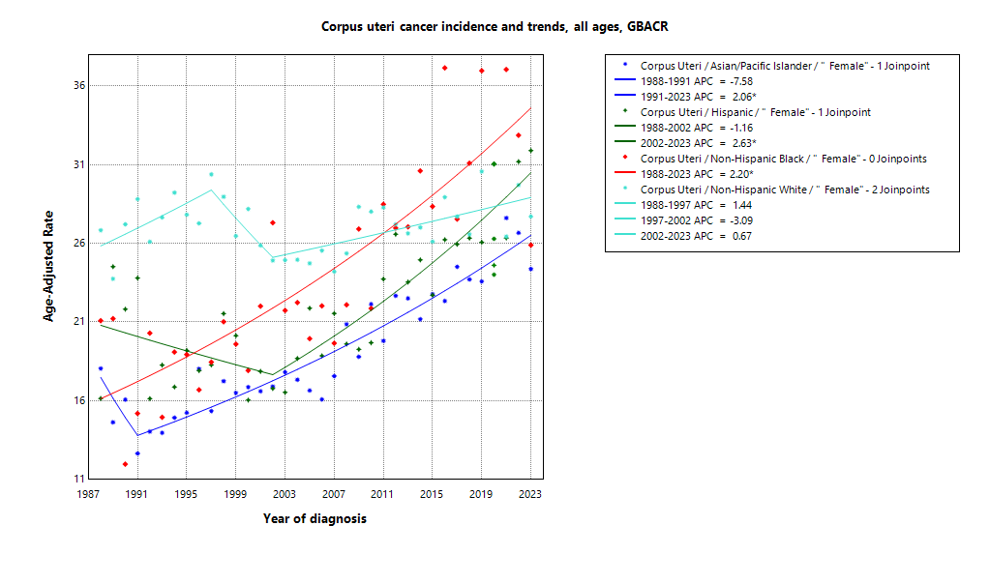
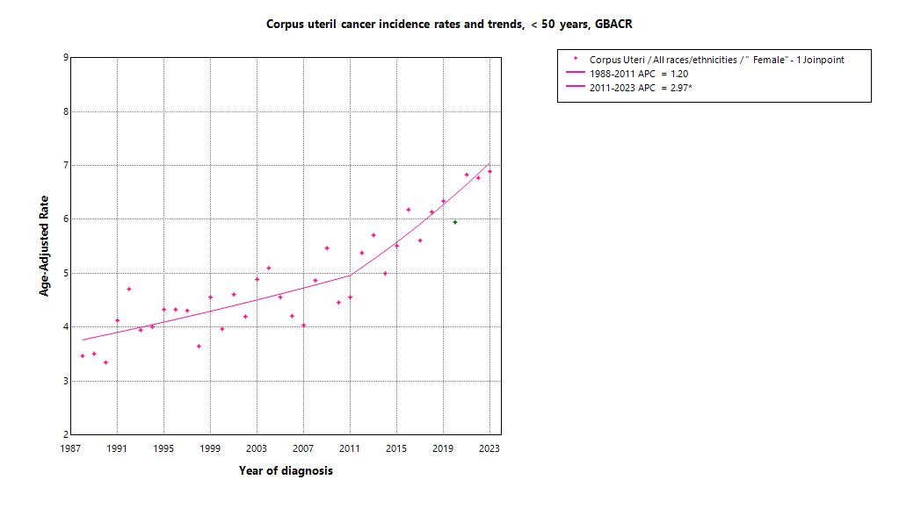

* indicates APC is statistically significant (95% CI excludes 1)
2020 rate is excluded from calculation of trend

ASIR 19-23
Age-specific incidence, GBACR, 2019-2023
 | Male | Female
0-04 years |  | 0
05-09 years |  | 0
10-14 years |  | 0
15-19 years |  | 0
20-24 years |  | 0
25-29 years |  | 2.21
30-34 years |  | 5.38
35-39 years |  | 8.86
40-44 years |  | 16.72
45-49 years |  | 28.4
50-54 years |  | 52.85
55-59 years |  | 81.81
60-64 years |  | 95.93
65-69 years |  | 107.57
70-74 years |  | 118.2
75-79 years |  | 105.44
80-84 years |  | 90.63
85+ years |  | 54.39
Age-specific Incidence (per 100,000)
All races and ethnicities
2019-2023
GBACR
 | Male | Female
 | Rate | Rate
0-04 years |  | ^
05-09 years |  | ^
10-14 years |  | ^
15-19 years |  | ^
20-24 years |  | ^
25-29 years |  | 2.21
30-34 years |  | 5.38
35-39 years |  | 8.86
40-44 years |  | 16.72
45-49 years |  | 28.4
50-54 years |  | 52.85
55-59 years |  | 81.81
60-64 years |  | 95.93
65-69 years |  | 107.57
70-74 years |  | 118.2
75-79 years |  | 105.44
80-84 years |  | 90.63
85+ years |  | 54.39

 | Rates are per 100,000 and age-adjusted to the 2000 US Std Population (19 age groups - Census P25-1130) standard; Confidence intervals (Tiwari mod) are 95% for rates.
^ | Statistic not displayed due to fewer than 11 cases or a population of less than 20,000.

CSIR 19-23
Age-adjusted county or region-specific incidence rates (per 100,000)
2019-2023

All races/ethnicities incidence, 2019-2023
 | Male | Female
SF Bay Area |  | 28.63
Alameda |  | 28.95
Contra Costa |  | 28.97
Marin |  | 30.86
San Francisco |  | 26.79
San Mateo |  | 29.14
Santa Clara |  | 28.11
Monterey Bay Area |  | 27.32
Monterey |  | 27.79
San Benito |  | 27.19
Santa Cruz |  | 26.62
Greater Bay Area (9) |  | 28.49
California |  | 28.79
 |  | Female
 |  | Rate | Lower CI | Upper CI | Count | Pop
All races/ethnicities | SF Bay Area | 28.63 | 27.9 | 29.37 | 6,019 | 16,339,304
All races/ethnicities | Alameda | 28.95 | 27.47 | 30.49 | 1,484 | 4,161,426
All races/ethnicities | Contra Costa | 28.97 | 27.29 | 30.74 | 1,153 | 2,950,631
All races/ethnicities | Marin | 30.86 | 27.55 | 34.54 | 345 | 658,159
All races/ethnicities | San Francisco | 26.79 | 24.81 | 28.91 | 706 | 2,031,790
All races/ethnicities | San Mateo | 29.14 | 27.03 | 31.38 | 738 | 1,869,298
All races/ethnicities | Santa Clara | 28.11 | 26.73 | 29.55 | 1,593 | 4,668,000
All races/ethnicities | Monterey Bay Area | 27.32 | 25.15 | 29.64 | 623 | 1,900,211
All races/ethnicities | Monterey | 27.79 | 24.82 | 31.03 | 334 | 1,070,158
All races/ethnicities | San Benito | 27.19 | 20.1 | 36.03 | 51 | 163,642
All races/ethnicities | Santa Cruz | 26.62 | 23.18 | 30.45 | 238 | 666,411
All races/ethnicities | Greater Bay Area (9) | 28.49 | 27.8 | 29.2 | 6,642 | 18,239,515
All races/ethnicities | California | 28.79 | 28.49 | 29.11 | 34,691 | 98,176,064
American Indian/Alaska Native | SF Bay Area | 40.24 | 25.36 | 61.09 | 24 | 48,877
American Indian/Alaska Native | Alameda | ^ | ^ | ^ | ^ | 14,436
American Indian/Alaska Native | Contra Costa | ^ | ^ | ^ | ^ | 10,919
American Indian/Alaska Native | Marin | ^ | ^ | ^ | ^ | 1,621
American Indian/Alaska Native | San Francisco | ^ | ^ | ^ | ^ | 5,300
American Indian/Alaska Native | San Mateo | ^ | ^ | ^ | ^ | 3,669
American Indian/Alaska Native | Santa Clara | ^ | ^ | ^ | ^ | 12,932
American Indian/Alaska Native | Monterey Bay Area | ^ | ^ | ^ | ^ | 8,580
American Indian/Alaska Native | Monterey | ^ | ^ | ^ | ^ | 4,202
American Indian/Alaska Native | San Benito | ^ | ^ | ^ | ^ | 855
American Indian/Alaska Native | Santa Cruz | ^ | ^ | ^ | ^ | 3,523
American Indian/Alaska Native | Greater Bay Area (9) | 36.92 | 23.87 | 55.02 | 27 | 57,457
American Indian/Alaska Native | California | 39.49 | 34.64 | 44.86 | 263 | 518,877
Asian American/Native Hawaiian/Pacific Islander | SF Bay Area | 25.26 | 24.08 | 26.49 | 1,760 | 5,605,078
Asian American/Native Hawaiian/Pacific Islander | Alameda | 26.99 | 24.59 | 29.58 | 475 | 1,476,601
Asian American/Native Hawaiian/Pacific Islander | Contra Costa | 26.44 | 22.98 | 30.32 | 214 | 625,710
Asian American/Native Hawaiian/Pacific Islander | Marin | 22.38 | 13.11 | 36.62 | 18 | 57,171
Asian American/Native Hawaiian/Pacific Islander | San Francisco | 25.47 | 22.51 | 28.77 | 293 | 833,952
Asian American/Native Hawaiian/Pacific Islander | San Mateo | 31.04 | 27.32 | 35.17 | 261 | 657,593
Asian American/Native Hawaiian/Pacific Islander | Santa Clara | 21.67 | 19.8 | 23.69 | 499 | 1,954,051
Asian American/Native Hawaiian/Pacific Islander | Monterey Bay Area | 26.58 | 19.02 | 36.47 | 44 | 124,642
Asian American/Native Hawaiian/Pacific Islander | Monterey | 31.66 | 21.33 | 45.83 | 33 | 77,308
Asian American/Native Hawaiian/Pacific Islander | San Benito | ^ | ^ | ^ | ^ | 7,907
Asian American/Native Hawaiian/Pacific Islander | Santa Cruz | ^ | ^ | ^ | ^ | 39,427
Asian American/Native Hawaiian/Pacific Islander | Greater Bay Area (9) | 25.28 | 24.11 | 26.5 | 1,804 | 5,729,720
Asian American/Native Hawaiian/Pacific Islander | California | 25.21 | 24.53 | 25.9 | 5,403 | 16,880,082
Hispanic | SF Bay Area | 28.58 | 26.8 | 30.44 | 1,001 | 3,812,264
Hispanic | Alameda | 26.07 | 22.6 | 29.9 | 213 | 949,598
Hispanic | Contra Costa | 31.24 | 27.15 | 35.76 | 219 | 789,903
Hispanic | Marin | 23.32 | 15.3 | 34.14 | 27 | 119,378
Hispanic | San Francisco | 26.16 | 20.78 | 32.52 | 83 | 315,705
Hispanic | San Mateo | 24.85 | 20.45 | 29.92 | 115 | 459,332
Hispanic | Santa Clara | 31.47 | 28.18 | 35.02 | 344 | 1,178,348
Hispanic | Monterey Bay Area | 26.17 | 22.51 | 30.24 | 196 | 976,807
Hispanic | Monterey | 23.5 | 19.19 | 28.44 | 112 | 645,932
Hispanic | San Benito | 24.3 | 15.09 | 37 | 22 | 100,402
Hispanic | Santa Cruz | 34.06 | 25.79 | 44.04 | 62 | 230,473
Hispanic | Greater Bay Area (9) | 28.08 | 26.48 | 29.75 | 1,197 | 4,789,071
Hispanic | California | 29.32 | 28.74 | 29.91 | 10,173 | 38,743,281
Non-Hispanic Black | SF Bay Area | 33.38 | 30.34 | 36.68 | 460 | 1,044,607
Non-Hispanic Black | Alameda | 30.37 | 26.11 | 35.19 | 191 | 458,799
Non-Hispanic Black | Contra Costa | 32.85 | 27.21 | 39.41 | 124 | 288,753
Non-Hispanic Black | Marin | ^ | ^ | ^ | ^ | 15,079
Non-Hispanic Black | San Francisco | 45.78 | 35.33 | 58.65 | 69 | 111,689
Non-Hispanic Black | San Mateo | 30.62 | 18.74 | 48.15 | 21 | 47,230
Non-Hispanic Black | Santa Clara | 37.26 | 27.43 | 49.53 | 50 | 123,057
Non-Hispanic Black | Monterey Bay Area | ^ | ^ | ^ | ^ | 34,836
Non-Hispanic Black | Monterey | ^ | ^ | ^ | ^ | 23,500
Non-Hispanic Black | San Benito | ^ | ^ | ^ | ^ | 2,235
Non-Hispanic Black | Santa Cruz | ^ | ^ | ^ | ^ | 9,101
Non-Hispanic Black | Greater Bay Area (9) | 32.77 | 29.8 | 35.99 | 465 | 1,079,443
Non-Hispanic Black | California | 31.58 | 30.31 | 32.9 | 2,432 | 6,108,556
Non-Hispanic White | SF Bay Area | 28.3 | 27.21 | 29.44 | 2,726 | 5,828,478
Non-Hispanic White | Alameda | 29.13 | 26.73 | 31.71 | 586 | 1,261,992
Non-Hispanic White | Contra Costa | 26.86 | 24.62 | 29.3 | 583 | 1,235,346
Non-Hispanic White | Marin | 30.76 | 27.15 | 34.91 | 291 | 464,910
Non-Hispanic White | San Francisco | 26.25 | 23.09 | 29.77 | 257 | 765,144
Non-Hispanic White | San Mateo | 27.01 | 24.04 | 30.32 | 327 | 701,474
Non-Hispanic White | Santa Clara | 29.5 | 27.22 | 31.96 | 682 | 1,399,612
Non-Hispanic White | Monterey Bay Area | 27.41 | 24.37 | 30.78 | 370 | 755,346
Non-Hispanic White | Monterey | 30.72 | 25.8 | 36.51 | 182 | 319,216
Non-Hispanic White | San Benito | 32.86 | 20.82 | 50.39 | 28 | 52,243
Non-Hispanic White | Santa Cruz | 24.1 | 20.15 | 28.76 | 160 | 383,887
Non-Hispanic White | Greater Bay Area (9) | 28.15 | 27.12 | 29.22 | 3,096 | 6,583,824
Non-Hispanic White | California | 27.1 | 26.66 | 27.55 | 16,024 | 35,925,268

 | Rates are per 100,000 and age-adjusted to the 2000 US Std Population (19 age groups - Census P25-1130) standard; Confidence intervals (Tiwari mod) are 95% for rates.
^ | Statistic not displayed due to fewer than 11 cases or a population of less than 20,000.

JP Mort_Trend Data 88-23
MULTIPLE JOINPOINT MORTALITY
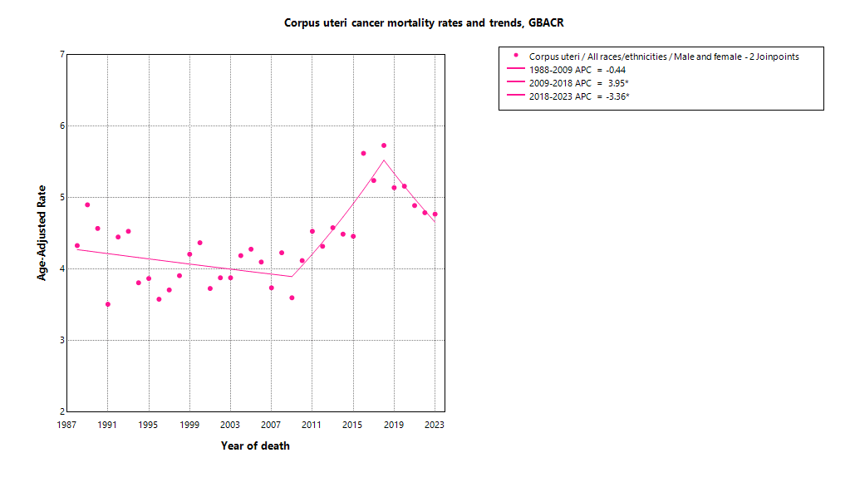

* indicates APC is statistically significant (95% CI excludes 1)

ASMR 19-23
Age-Specific Mortality
All races/ethnicities
2019-2023
GBACR
Age-specific mortality, GBACR, 2019-2023
 | Male | Female
0-4 years |  | 0
05-09 years |  | 0
10-14 years |  | 0
15-19 years |  | 0
20-24 years |  | 0
25-29 years |  | 0
30-34 years |  | 0.12
35-39 years |  | 0.43
40-44 years |  | 0.99
45-49 years |  | 1.92
50-54 years |  | 3.81
55-59 years |  | 6.88
60-64 years |  | 12.66
65-69 years |  | 19.02
70-74 years |  | 23.62
75-79 years |  | 28.64
80-84 years |  | 33.04
85+ years |  | 36.92
 | Male | Female
 | Rate | Rate
0-4 years |  | ^
05-09 years |  | ^
10-14 years |  | ^
15-19 years |  | ^
20-24 years |  | ^
25-29 years |  | ^
30-34 years |  | 0.12
35-39 years |  | 0.43
40-44 years |  | 0.99
45-49 years |  | 1.92
50-54 years |  | 3.81
55-59 years |  | 6.88
60-64 years |  | 12.66
65-69 years |  | 19.02
70-74 years |  | 23.62
75-79 years |  | 28.64
80-84 years |  | 33.04
85+ years |  | 36.92

 | Rates are per 100,000 and age-adjusted to the 2000 US Std Population (19 age groups - Census P25-1130) standard; Confidence intervals (Tiwari mod) are 95% for rates.
^ | Statistic not displayed due to fewer than 11 cases or a population of less than 20,000.

CSMR 19-23
All races/ethnicities mortality, 2019-2023
 | Male | Female
SF Bay Area |  | 4.98
Alameda |  | 5.40
Contra Costa |  | 5.27
Marin |  | 4.06
San Francisco |  | 5.40
San Mateo |  | 4.57
Santa Clara |  | 4.61
Monterey Bay Area |  | 4.77
Monterey |  | 4.74
San Benito |  | 0.00
Santa Cruz |  | 4.91
Greater Bay Area (9) |  | 4.95
California |  | 5.45
Age-adjusted county or region-specific mortality rates (per 100,000)
2019-2023

 |  | Female
 |  | Rate | Lower CI | Upper CI | Count | Pop
All races/ethnicities | SF Bay Area | 4.98 | 4.68 | 5.29 | 1,101 | 16,339,304
All races/ethnicities | Alameda | 5.40 | 4.79 | 6.08 | 288 | 4,161,426
All races/ethnicities | Contra Costa | 5.27 | 4.58 | 6.05 | 213 | 2,950,631
All races/ethnicities | Marin | 4.06 | 2.94 | 5.59 | 47 | 658,159
All races/ethnicities | San Francisco | 5.40 | 4.57 | 6.35 | 157 | 2,031,790
All races/ethnicities | San Mateo | 4.57 | 3.79 | 5.48 | 125 | 1,869,298
All races/ethnicities | Santa Clara | 4.61 | 4.07 | 5.20 | 271 | 4,668,000
All races/ethnicities | Monterey Bay Area | 4.77 | 3.92 | 5.77 | 114 | 1,900,211
All races/ethnicities | Monterey | 4.74 | 3.60 | 6.14 | 61 | 1,070,158
All races/ethnicities | San Benito | ^ | ^ | ^ | ^ | 163,642
All races/ethnicities | Santa Cruz | 4.91 | 3.53 | 6.70 | 45 | 666,411
All races/ethnicities | Greater Bay Area (9) | 4.95 | 4.68 | 5.25 | 1,215 | 18,239,515
All races/ethnicities | California | 5.45 | 5.32 | 5.58 | 6,828 | 98,176,064
American Indian/Alaska Native | SF Bay Area | ^ | ^ | ^ | ^ | 48,877
American Indian/Alaska Native | Alameda | ^ | ^ | ^ | ^ | 14,436
American Indian/Alaska Native | Contra Costa | ^ | ^ | ^ | ^ | 10,919
American Indian/Alaska Native | Marin | ^ | ^ | ^ | ^ | 1,621
American Indian/Alaska Native | San Francisco | ^ | ^ | ^ | ^ | 5,300
American Indian/Alaska Native | San Mateo | ^ | ^ | ^ | ^ | 3,669
American Indian/Alaska Native | Santa Clara | ^ | ^ | ^ | ^ | 12,932
American Indian/Alaska Native | Monterey Bay Area | ^ | ^ | ^ | ^ | 8,580
American Indian/Alaska Native | Monterey | ^ | ^ | ^ | ^ | 4,202
American Indian/Alaska Native | San Benito | ^ | ^ | ^ | ^ | 855
American Indian/Alaska Native | Santa Cruz | ^ | ^ | ^ | ^ | 3,523
American Indian/Alaska Native | Greater Bay Area (9) | ^ | ^ | ^ | ^ | 57,457
American Indian/Alaska Native | California | 8.92 | 6.68 | 11.71 | 58 | 518,877
Asian American/Native Hawaiian/Pacific Islander | SF Bay Area | 4.07 | 3.61 | 4.57 | 295 | 5,605,078
Asian American/Native Hawaiian/Pacific Islander | Alameda | 4.89 | 3.90 | 6.06 | 88 | 1,476,601
Asian American/Native Hawaiian/Pacific Islander | Contra Costa | 4.33 | 2.98 | 6.13 | 34 | 625,710
Asian American/Native Hawaiian/Pacific Islander | Marin | ^ | ^ | ^ | ^ | 57,171
Asian American/Native Hawaiian/Pacific Islander | San Francisco | 4.26 | 3.16 | 5.71 | 54 | 833,952
Asian American/Native Hawaiian/Pacific Islander | San Mateo | 4.60 | 3.29 | 6.33 | 41 | 657,593
Asian American/Native Hawaiian/Pacific Islander | Santa Clara | 3.20 | 2.51 | 4.02 | 76 | 1,954,051
Asian American/Native Hawaiian/Pacific Islander | Monterey Bay Area | ^ | ^ | ^ | ^ | 124,642
Asian American/Native Hawaiian/Pacific Islander | Monterey | ^ | ^ | ^ | ^ | 77,308
Asian American/Native Hawaiian/Pacific Islander | San Benito | ^ | ^ | ^ | ^ | 7,907
Asian American/Native Hawaiian/Pacific Islander | Santa Cruz | ^ | ^ | ^ | ^ | 39,427
Asian American/Native Hawaiian/Pacific Islander | Greater Bay Area (9) | 4.09 | 3.64 | 4.59 | 305 | 5,729,720
Asian American/Native Hawaiian/Pacific Islander | California | 4.23 | 3.96 | 4.51 | 948 | 16,880,082
Hispanic | SF Bay Area | 4.77 | 4.03 | 5.61 | 152 | 3,812,264
Hispanic | Alameda | 3.90 | 2.56 | 5.65 | 28 | 949,598
Hispanic | Contra Costa | 5.10 | 3.45 | 7.23 | 32 | 789,903
Hispanic | Marin | ^ | ^ | ^ | ^ | 119,378
Hispanic | San Francisco | 6.06 | 3.63 | 9.51 | 19 | 315,705
Hispanic | San Mateo | 4.25 | 2.54 | 6.68 | 19 | 459,332
Hispanic | Santa Clara | 5.13 | 3.78 | 6.78 | 50 | 1,178,348
Hispanic | Monterey Bay Area | 4.05 | 2.59 | 5.96 | 26 | 976,807
Hispanic | Monterey | 3.38 | 1.83 | 5.63 | 15 | 645,932
Hispanic | San Benito | ^ | ^ | ^ | ^ | 100,402
Hispanic | Santa Cruz | ^ | ^ | ^ | ^ | 230,473
Hispanic | Greater Bay Area (9) | 4.65 | 3.97 | 5.39 | 178 | 4,789,071
Hispanic | California | 5.19 | 4.94 | 5.45 | 1,652 | 38,743,281
Non-Hispanic Black | SF Bay Area | 11.25 | 9.53 | 13.21 | 157 | 1,044,607
Non-Hispanic Black | Alameda | 10.28 | 7.93 | 13.19 | 67 | 458,799
Non-Hispanic Black | Contra Costa | 9.22 | 6.32 | 13.07 | 34 | 288,753
Non-Hispanic Black | Marin | ^ | ^ | ^ | ^ | 15,079
Non-Hispanic Black | San Francisco | 14.10 | 9.01 | 21.56 | 24 | 111,689
Non-Hispanic Black | San Mateo | ^ | ^ | ^ | ^ | 47,230
Non-Hispanic Black | Santa Clara | 13.20 | 7.60 | 21.37 | 17 | 123,057
Non-Hispanic Black | Monterey Bay Area | ^ | ^ | ^ | ^ | 34,836
Non-Hispanic Black | Monterey | ^ | ^ | ^ | ^ | 23,500
Non-Hispanic Black | San Benito | ^ | ^ | ^ | ^ | 2,235
Non-Hispanic Black | Santa Cruz | ^ | ^ | ^ | ^ | 9,101
Non-Hispanic Black | Greater Bay Area (9) | 11.00 | 9.32 | 12.92 | 158 | 1,079,443
Non-Hispanic Black | California | 10.95 | 10.20 | 11.73 | 836 | 6,108,556
Non-Hispanic White | SF Bay Area | 4.69 | 4.28 | 5.15 | 492 | 5,828,478
Non-Hispanic White | Alameda | 4.78 | 3.89 | 5.87 | 103 | 1,261,992
Non-Hispanic White | Contra Costa | 4.85 | 3.96 | 5.95 | 111 | 1,235,346
Non-Hispanic White | Marin | 3.45 | 2.38 | 5.13 | 35 | 464,910
Non-Hispanic White | San Francisco | 5.49 | 4.17 | 7.19 | 59 | 765,144
Non-Hispanic White | San Mateo | 3.99 | 2.99 | 5.34 | 56 | 701,474
Non-Hispanic White | Santa Clara | 5.07 | 4.20 | 6.11 | 128 | 1,399,612
Non-Hispanic White | Monterey Bay Area | 4.83 | 3.74 | 6.26 | 76 | 755,346
Non-Hispanic White | Monterey | 4.56 | 3.18 | 6.79 | 36 | 319,216
Non-Hispanic White | San Benito | ^ | ^ | ^ | ^ | 52,243
Non-Hispanic White | Santa Cruz | 4.89 | 3.29 | 7.26 | 35 | 383,887
Non-Hispanic White | Greater Bay Area (9) | 4.72 | 4.32 | 5.14 | 568 | 6,583,824
Non-Hispanic White | California | 5.07 | 4.90 | 5.26 | 3,307 | 35,925,268

 | Rates are per 100,000 and age-adjusted to the 2000 US Std Population (19 age groups - Census P25-1130) standard; Confidence intervals (Tiwari mod) are 95% for rates.
^ | Statistic not displayed due to fewer than 11 cases or a population of less than 20,000.

Regional Comparison 19-23
Incidence among Females 2019-2023
Incidence - Females
Greater Bay Area |  |  |  |  |  |  | California |  |  |  |  |  |  | SEER 21
Region | Race | Rate | LCL | UCL | LCLforfig | UCLforfig | Region | Race | Rate | LCL | UCL | LCLforfig | UCLforfig | Region | Race | Rate | LCL | UCL | LCLforfig | UCLforfig
GBACR | All races/ethnicities | 28.49 | 27.8 | 29.2 | 0.69 | 0.71 | California | All races/ethnicities | 28.79 | 28.49 | 29.11 | 0.30 | 0.32 | SEER | All races/ethnicities | 28.66 | 28.5 | 28.82 | 0.16 | 0.16
GBACR | AIAN | 36.92 | 23.87 | 55.02 | 13.05 | 18.10 | California | AIAN | 39.49 | 34.64 | 44.86 | 4.85 | 5.37 | SEER | Non-Hispanic American Indian/Alaska Native (PRCDA counties only) | 32 | 29.25 | 34.95 | 2.75 | 2.95
GBACR | Non-Hispanic Asian or Pacific Islander | 25.28 | 24.11 | 26.5 | 1.17 | 1.22 | California | Non-Hispanic Asian or Pacific Islander | 25.21 | 24.53 | 25.9 | 0.68 | 0.69 | SEER | Non-Hispanic Asian or Pacific Islander | 24.27 | 23.81 | 24.73 | 0.46 | 0.46
GBACR | Hispanic (All Races) | 28.08 | 26.48 | 29.75 | 1.60 | 1.67 | California | Hispanic (All Races) | 29.32 | 28.74 | 29.91 | 0.58 | 0.59 | SEER | Hispanic (All Races) | 29.02 | 28.66 | 29.38 | 0.36 | 0.36
GBACR | Non-Hispanic Black | 32.77 | 29.8 | 35.99 | 2.97 | 3.22 | California | Non-Hispanic Black | 31.58 | 30.31 | 32.9 | 1.27 | 1.32 | SEER | Non-Hispanic Black | 31.12 | 30.66 | 31.59 | 0.46 | 0.47
GBACR | Non-Hispanic White | 28.15 | 27.12 | 29.22 | 1.03 | 1.07 | California | Non-Hispanic White | 27.1 | 26.66 | 27.55 | 0.44 | 0.45 | SEER | Non-Hispanic White | 27.69 | 27.49 | 27.9 | 0.20 | 0.21

Mortality - Females
Greater Bay Area |  |  |  |  |  |  | California |  |  |  |  |  |  | Total U.S. Mortality
Region | Race | Rate | LCL | UCL | LCLforfig | UCLforfig | Region | Race | Rate | LCL | UCL | LCLforfig | UCLforfig | Region | Race | Rate | LCL | UCL | LCLforfig | UCLforfig
GBACR | All races/ethnicities | 4.95 | 4.68 | 5.25 | 0.27 | 0.30 | California | All races/ethnicities | 5.45 | 5.32 | 5.58 | 0.13 | 0.13 | US Mortality | All races/ethnicities | 5.35 | 5.3 | 5.39 | 0.05 | 0.04
GBACR | AIAN | ^ | ^ | ^ | #VALUE! | #VALUE! | California | AIAN | 8.92 | 6.68 | 11.71 | 2.24 | 2.79 | US Mortality | Non-Hispanic American Indian/Alaska Native (PRCDA counties only) | 4.07 | 3.62 | 4.56 | 0.45 | 0.49
GBACR | Non-Hispanic Asian or Pacific Islander | 4.09 | 3.64 | 4.59 | 0.45 | 0.50 | California | Non-Hispanic Asian or Pacific Islander | 4.23 | 3.96 | 4.51 | 0.27 | 0.28 | US Mortality | Non-Hispanic Asian or Pacific Islander | 3.82 | 3.67 | 3.97 | 0.15 | 0.15
GBACR | Hispanic (All Races) | 4.65 | 3.97 | 5.39 | 0.68 | 0.74 | California | Hispanic (All Races) | 5.19 | 4.94 | 5.45 | 0.25 | 0.26 | US Mortality | Hispanic (All Races) | 4.52 | 4.4 | 4.64 | 0.12 | 0.12
GBACR | Non-Hispanic Black | 11.00 | 9.32 | 12.92 | 1.68 | 1.92 | California | Non-Hispanic Black | 10.95 | 10.20 | 11.73 | 0.75 | 0.78 | US Mortality | Non-Hispanic Black | 9.78 | 9.6 | 9.95 | 0.18 | 0.17
GBACR | Non-Hispanic White | 4.72 | 4.32 | 5.14 | 0.40 | 0.42 | California | Non-Hispanic White | 5.07 | 4.90 | 5.26 | 0.17 | 0.19 | US Mortality | Non-Hispanic White | 4.85 | 4.8 | 4.9 | 0.05 | 0.05

Mortality among Females 2019-2023

