JP Inc_Trend Data 88-23
MULTIPLE JOINPOINT INCIDENCE
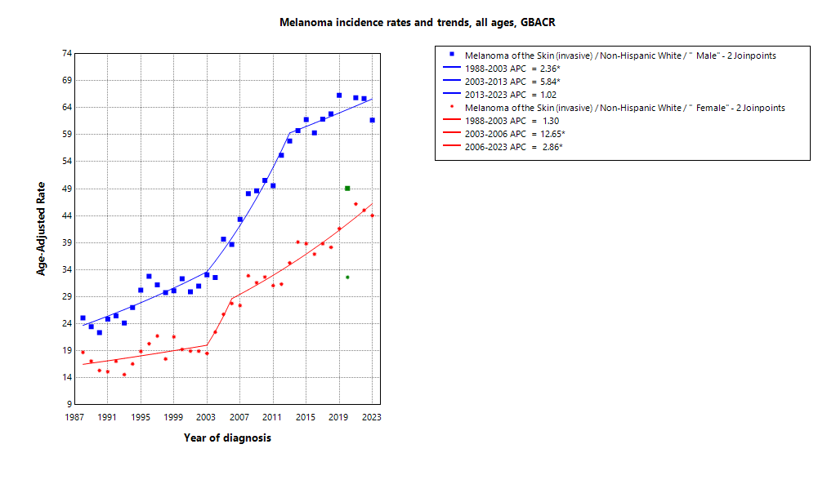
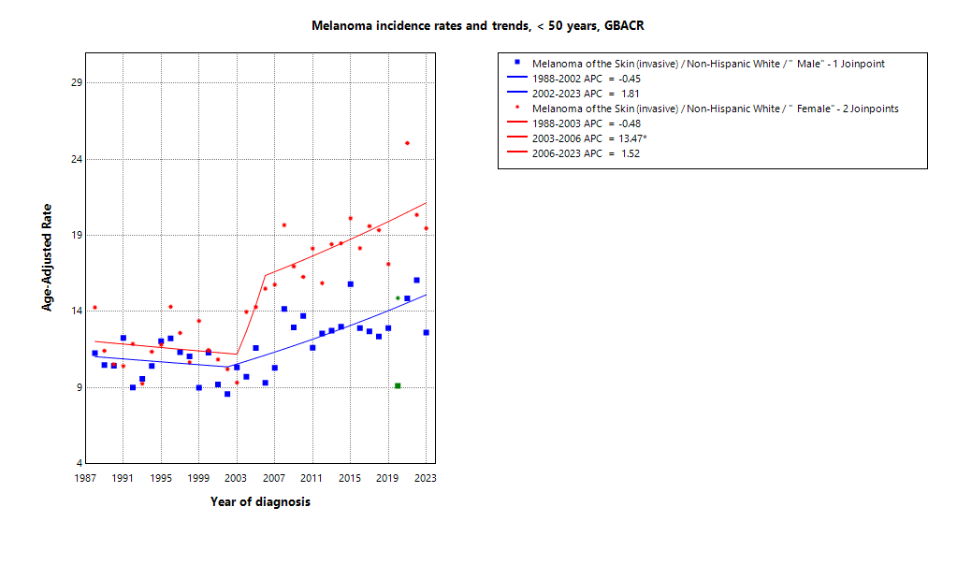

* indicates APC is statistically significant (95% CI excludes 1)
2020 rate is excluded from calculation of trend

ASIR 19-23
Age-specific incidence, GBACR, 2019-2023
Age-specific Incidence (per 100,000)
All races and ethnicities
2019-2023
GBACR
 | Male | Female
 | Rate | Rate
0-04 years | ^ | ^
05-09 years | ^ | ^
10-14 years | ^ | ^
15-19 years | ^ | ^
20-24 years | 1.67 | 2.78
25-29 years | 3.31 | 6.71
30-34 years | 4.89 | 8.7
35-39 years | 9.33 | 14.91
40-44 years | 14.57 | 19.52
45-49 years | 18.87 | 24.47
50-54 years | 30.23 | 31.11
55-59 years | 53.78 | 40.18
60-64 years | 77.83 | 50.64
65-69 years | 106.54 | 65.31
70-74 years | 152.02 | 74.06
75-79 years | 225.63 | 95.06
80-84 years | 250.76 | 93.47
85+ years | 273.69 | 92.05

 | Rates are per 100,000 and age-adjusted to the 2000 US Std Population (19 age groups - Census P25-1130) standard; Confidence intervals (Tiwari mod) are 95% for rates.
^ | Statistic not displayed due to fewer than 11 cases or a population of less than 20,000.

CSIR 19-23
Age-adjusted county or region-specific incidence rates (per 100,000)
2019-2023

All races/ethnicities incidence, 2019-2023
 |  | Male and female |  |  |  |  | Male |  |  |  |  | Female
 |  | Rate | Lower CI | Upper CI | Count | Pop | Rate | Lower CI | Upper CI | Count | Pop | Rate | Lower CI | Upper CI | Count | Pop
All races/ethnicities | SF Bay Area | 26.65 | 26.13 | 27.17 | 10,518 | 32,781,714 | 33.73 | 32.88 | 34.59 | 6,210 | 16,442,410 | 21.26 | 20.62 | 21.92 | 4,308 | 16,339,304
All races/ethnicities | Alameda | 20.55 | 19.64 | 21.5 | 1,963 | 8,258,704 | 26.06 | 24.53 | 27.66 | 1,136 | 4,097,278 | 16.46 | 15.34 | 17.65 | 827 | 4,161,426
All races/ethnicities | Contra Costa | 31.25 | 29.95 | 32.6 | 2,252 | 5,806,443 | 39.83 | 37.67 | 42.09 | 1,327 | 2,855,812 | 24.66 | 23.06 | 26.36 | 925 | 2,950,631
All races/ethnicities | Marin | 59.79 | 56.19 | 63.58 | 1,169 | 1,294,254 | 71.95 | 66.5 | 77.78 | 685 | 636,095 | 51.54 | 46.58 | 56.93 | 484 | 658,159
All races/ethnicities | San Francisco | 21.25 | 19.99 | 22.59 | 1,094 | 4,181,168 | 25.86 | 23.89 | 27.96 | 661 | 2,149,378 | 17.35 | 15.7 | 19.14 | 433 | 2,031,790
All races/ethnicities | San Mateo | 29.78 | 28.22 | 31.42 | 1,410 | 3,725,185 | 36.97 | 34.42 | 39.65 | 812 | 1,855,887 | 24.62 | 22.63 | 26.75 | 598 | 1,869,298
All races/ethnicities | Santa Clara | 24.3 | 23.37 | 25.26 | 2,630 | 9,515,960 | 31.42 | 29.86 | 33.03 | 1,589 | 4,847,960 | 18.69 | 17.55 | 19.88 | 1,041 | 4,668,000
All races/ethnicities | Monterey Bay Area | 35.77 | 33.99 | 37.62 | 1,581 | 3,839,052 | 44.67 | 41.77 | 47.72 | 932 | 1,938,841 | 29.13 | 26.86 | 31.54 | 649 | 1,900,211
All races/ethnicities | Monterey | 26.82 | 24.74 | 29.02 | 636 | 2,179,119 | 32.26 | 28.95 | 35.84 | 360 | 1,108,961 | 23.01 | 20.31 | 25.97 | 276 | 1,070,158
All races/ethnicities | San Benito | 25.33 | 20.26 | 31.31 | 89 | 330,267 | 29.57 | 21.77 | 39.26 | 51 | 166,625 | 21.99 | 15.48 | 30.35 | 38 | 163,642
All races/ethnicities | Santa Cruz | 50.89 | 47.4 | 54.59 | 856 | 1,329,666 | 65.76 | 59.99 | 71.96 | 521 | 663,255 | 39.53 | 35.19 | 44.29 | 335 | 666,411
All races/ethnicities | Greater Bay Area (9) | 27.56 | 27.07 | 28.07 | 12,099 | 36,620,766 | 34.84 | 34.02 | 35.67 | 7,142 | 18,381,251 | 22.04 | 21.41 | 22.67 | 4,957 | 18,239,515
All races/ethnicities | California | 23.91 | 23.71 | 24.12 | 53,998 | 196,200,610 | 30.89 | 30.54 | 31.23 | 32,266 | 98,024,546 | 18.61 | 18.35 | 18.86 | 21,732 | 98,176,064
American Indian/Alaska Native | SF Bay Area | 24.02 | 15.72 | 35.34 | 28 | 97,383 | 27.44 | 15.03 | 46.36 | 15 | 48,506 | 21.36 | 10.97 | 37.96 | 13 | 48,877
American Indian/Alaska Native | Alameda | ^ | ^ | ^ | ^ | 26,909 | ^ | ^ | ^ | ^ | 12,473 | ^ | ^ | ^ | ^ | 14,436
American Indian/Alaska Native | Contra Costa | ^ | ^ | ^ | ^ | 21,217 | ^ | ^ | ^ | ^ | 10,298 | ^ | ^ | ^ | ^ | 10,919
American Indian/Alaska Native | Marin | ^ | ^ | ^ | ^ | 3,576 | ^ | ^ | ^ | ^ | 1,955 | ^ | ^ | ^ | ^ | 1,621
American Indian/Alaska Native | San Francisco | ^ | ^ | ^ | ^ | 11,877 | ^ | ^ | ^ | ^ | 6,577 | ^ | ^ | ^ | ^ | 5,300
American Indian/Alaska Native | San Mateo | ^ | ^ | ^ | ^ | 7,262 | ^ | ^ | ^ | ^ | 3,593 | ^ | ^ | ^ | ^ | 3,669
American Indian/Alaska Native | Santa Clara | ^ | ^ | ^ | ^ | 26,542 | ^ | ^ | ^ | ^ | 13,610 | ^ | ^ | ^ | ^ | 12,932
American Indian/Alaska Native | Monterey Bay Area | ^ | ^ | ^ | ^ | 17,497 | ^ | ^ | ^ | ^ | 8,917 | ^ | ^ | ^ | ^ | 8,580
American Indian/Alaska Native | Monterey | ^ | ^ | ^ | ^ | 8,667 | ^ | ^ | ^ | ^ | 4,465 | ^ | ^ | ^ | ^ | 4,202
American Indian/Alaska Native | San Benito | ^ | ^ | ^ | ^ | 1,684 | ^ | ^ | ^ | ^ | 829 | ^ | ^ | ^ | ^ | 855
American Indian/Alaska Native | Santa Cruz | ^ | ^ | ^ | ^ | 7,146 | ^ | ^ | ^ | ^ | 3,623 | ^ | ^ | ^ | ^ | 3,523
American Indian/Alaska Native | Greater Bay Area (9) | 24.92 | 17.02 | 35.4 | 34 | 114,880 | 27.29 | 15.9 | 44.05 | 18 | 57,423 | 23.33 | 12.83 | 39.23 | 16 | 57,457
American Indian/Alaska Native | California | 17.86 | 15.45 | 20.55 | 211 | 1,019,305 | 21.86 | 18.05 | 26.27 | 121 | 500,428 | 14.74 | 11.7 | 18.34 | 90 | 518,877
Asian American/Native Hawaiian/Pacific Islander | SF Bay Area | 1.37 | 1.17 | 1.6 | 168 | 10,914,298 | 1.24 | 0.97 | 1.58 | 70 | 5,309,220 | 1.52 | 1.22 | 1.86 | 98 | 5,605,078
Asian American/Native Hawaiian/Pacific Islander | Alameda | 1.13 | 0.78 | 1.58 | 35 | 2,867,250 | 0.91 | 0.46 | 1.59 | 12 | 1,390,649 | 1.36 | 0.85 | 2.07 | 23 | 1,476,601
Asian American/Native Hawaiian/Pacific Islander | Contra Costa | 1.33 | 0.79 | 2.1 | 19 | 1,195,554 | ^ | ^ | ^ | ^ | 569,844 | 1.45 | 0.71 | 2.67 | 11 | 625,710
Asian American/Native Hawaiian/Pacific Islander | Marin | ^ | ^ | ^ | ^ | 100,208 | ^ | ^ | ^ | ^ | 43,037 | ^ | ^ | ^ | ^ | 57,171
Asian American/Native Hawaiian/Pacific Islander | San Francisco | 1.23 | 0.79 | 1.88 | 26 | 1,574,058 | 1.04 | 0.51 | 2 | 11 | 740,106 | 1.43 | 0.76 | 2.5 | 15 | 833,952
Asian American/Native Hawaiian/Pacific Islander | San Mateo | 1.98 | 1.33 | 2.85 | 30 | 1,255,831 | 2.22 | 1.23 | 3.72 | 15 | 598,238 | 1.82 | 1.01 | 3.07 | 15 | 657,593
Asian American/Native Hawaiian/Pacific Islander | Santa Clara | 1.32 | 0.99 | 1.73 | 54 | 3,921,397 | 1.19 | 0.75 | 1.8 | 23 | 1,967,346 | 1.47 | 0.99 | 2.11 | 31 | 1,954,051
Asian American/Native Hawaiian/Pacific Islander | Monterey Bay Area | ^ | ^ | ^ | ^ | 232,882 | ^ | ^ | ^ | ^ | 108,240 | ^ | ^ | ^ | ^ | 124,642
Asian American/Native Hawaiian/Pacific Islander | Monterey | ^ | ^ | ^ | ^ | 143,862 | ^ | ^ | ^ | ^ | 66,554 | ^ | ^ | ^ | ^ | 77,308
Asian American/Native Hawaiian/Pacific Islander | San Benito | ^ | ^ | ^ | ^ | 14,684 | ^ | ^ | ^ | ^ | 6,777 | ^ | ^ | ^ | ^ | 7,907
Asian American/Native Hawaiian/Pacific Islander | Santa Cruz | ^ | ^ | ^ | ^ | 74,336 | ^ | ^ | ^ | ^ | 34,909 | ^ | ^ | ^ | ^ | 39,427
Asian American/Native Hawaiian/Pacific Islander | Greater Bay Area (9) | 1.36 | 1.16 | 1.58 | 171 | 11,147,180 | 1.24 | 0.97 | 1.57 | 72 | 5,417,460 | 1.49 | 1.21 | 1.83 | 99 | 5,729,720
Asian American/Native Hawaiian/Pacific Islander | California | 1.23 | 1.11 | 1.34 | 467 | 32,442,326 | 1.18 | 1.02 | 1.36 | 204 | 15,562,244 | 1.29 | 1.13 | 1.46 | 263 | 16,880,082
Hispanic | SF Bay Area | 6.77 | 6.11 | 7.48 | 416 | 7,738,452 | 6.54 | 5.53 | 7.66 | 174 | 3,926,188 | 7.33 | 6.42 | 8.34 | 242 | 3,812,264
Hispanic | Alameda | 7.18 | 5.79 | 8.77 | 104 | 1,926,750 | 6.63 | 4.64 | 9.12 | 43 | 977,152 | 7.88 | 5.97 | 10.17 | 61 | 949,598
Hispanic | Contra Costa | 7.8 | 6.18 | 9.69 | 90 | 1,584,031 | 8.58 | 5.88 | 11.97 | 39 | 794,128 | 7.76 | 5.72 | 10.28 | 51 | 789,903
Hispanic | Marin | 13.97 | 8.82 | 20.87 | 26 | 245,946 | ^ | ^ | ^ | ^ | 126,568 | 15.77 | 8.96 | 25.66 | 17 | 119,378
Hispanic | San Francisco | 5.84 | 4.05 | 8.13 | 36 | 666,314 | 4.13 | 2.05 | 7.36 | 12 | 350,609 | 7.49 | 4.75 | 11.25 | 24 | 315,705
Hispanic | San Mateo | 5.29 | 3.84 | 7.11 | 46 | 927,250 | 5.19 | 3.15 | 8.04 | 22 | 467,918 | 5.24 | 3.34 | 7.83 | 24 | 459,332
Hispanic | Santa Clara | 6.13 | 5.02 | 7.4 | 114 | 2,388,161 | 6.24 | 4.51 | 8.37 | 49 | 1,209,813 | 6.56 | 5.04 | 8.38 | 65 | 1,178,348
Hispanic | Monterey Bay Area | 5.13 | 3.98 | 6.51 | 75 | 1,998,183 | 5.72 | 3.88 | 8.06 | 37 | 1,021,376 | 4.86 | 3.39 | 6.73 | 38 | 976,807
Hispanic | Monterey | 4.58 | 3.2 | 6.32 | 41 | 1,328,728 | 4.97 | 2.83 | 7.93 | 20 | 682,796 | 4.55 | 2.73 | 7.05 | 21 | 645,932
Hispanic | San Benito | ^ | ^ | ^ | ^ | 203,936 | ^ | ^ | ^ | ^ | 103,534 | ^ | ^ | ^ | ^ | 100,402
Hispanic | Santa Cruz | 7.36 | 4.75 | 10.84 | 27 | 465,519 | 9.29 | 4.94 | 15.66 | 15 | 235,046 | 5.84 | 3 | 10.29 | 12 | 230,473
Hispanic | Greater Bay Area (9) | 6.49 | 5.9 | 7.11 | 491 | 9,736,635 | 6.39 | 5.49 | 7.38 | 211 | 4,947,564 | 6.91 | 6.11 | 7.79 | 280 | 4,789,071
Hispanic | California | 5.55 | 5.36 | 5.75 | 3,368 | 78,148,016 | 5.42 | 5.11 | 5.73 | 1,427 | 39,404,735 | 5.9 | 5.64 | 6.18 | 1,941 | 38,743,281
Non-Hispanic Black | SF Bay Area | 1.42 | 0.97 | 2.01 | 33 | 2,085,961 | 1.9 | 1.14 | 2.98 | 20 | 1,041,354 | 1.02 | 0.53 | 1.8 | 13 | 1,044,607
Non-Hispanic Black | Alameda | 1.38 | 0.73 | 2.39 | 13 | 892,071 | ^ | ^ | ^ | ^ | 433,272 | ^ | ^ | ^ | ^ | 458,799
Non-Hispanic Black | Contra Costa | ^ | ^ | ^ | ^ | 551,470 | ^ | ^ | ^ | ^ | 262,717 | ^ | ^ | ^ | ^ | 288,753
Non-Hispanic Black | Marin | ^ | ^ | ^ | ^ | 37,556 | ^ | ^ | ^ | ^ | 22,477 | ^ | ^ | ^ | ^ | 15,079
Non-Hispanic Black | San Francisco | ^ | ^ | ^ | ^ | 240,131 | ^ | ^ | ^ | ^ | 128,442 | ^ | ^ | ^ | ^ | 111,689
Non-Hispanic Black | San Mateo | ^ | ^ | ^ | ^ | 100,235 | ^ | ^ | ^ | ^ | 53,005 | ^ | ^ | ^ | ^ | 47,230
Non-Hispanic Black | Santa Clara | ^ | ^ | ^ | ^ | 264,498 | ^ | ^ | ^ | ^ | 141,441 | ^ | ^ | ^ | ^ | 123,057
Non-Hispanic Black | Monterey Bay Area | ^ | ^ | ^ | ^ | 84,353 | ^ | ^ | ^ | ^ | 49,517 | ^ | ^ | ^ | ^ | 34,836
Non-Hispanic Black | Monterey | ^ | ^ | ^ | ^ | 59,228 | ^ | ^ | ^ | ^ | 35,728 | ^ | ^ | ^ | ^ | 23,500
Non-Hispanic Black | San Benito | ^ | ^ | ^ | ^ | 4,931 | ^ | ^ | ^ | ^ | 2,696 | ^ | ^ | ^ | ^ | 2,235
Non-Hispanic Black | Santa Cruz | ^ | ^ | ^ | ^ | 20,194 | ^ | ^ | ^ | ^ | 11,093 | ^ | ^ | ^ | ^ | 9,101
Non-Hispanic Black | Greater Bay Area (9) | 1.37 | 0.93 | 1.94 | 33 | 2,170,314 | 1.82 | 1.09 | 2.86 | 20 | 1,090,871 | 1 | 0.52 | 1.75 | 13 | 1,079,443
Non-Hispanic Black | California | 1.13 | 0.95 | 1.34 | 143 | 12,245,602 | 1.34 | 1.04 | 1.69 | 74 | 6,137,046 | 0.98 | 0.76 | 1.25 | 69 | 6,108,556
Non-Hispanic White | SF Bay Area | 50.31 | 49.22 | 51.43 | 8,888 | 11,945,620 | 61.53 | 59.85 | 63.25 | 5,402 | 6,117,142 | 41.61 | 40.14 | 43.13 | 3,486 | 5,828,478
Non-Hispanic White | Alameda | 45.16 | 42.93 | 47.48 | 1,666 | 2,545,724 | 55.43 | 51.93 | 59.13 | 991 | 1,283,732 | 37.59 | 34.64 | 40.75 | 675 | 1,261,992
Non-Hispanic White | Contra Costa | 46.6 | 44.32 | 48.99 | 1,793 | 2,454,171 | 57.26 | 53.74 | 60.97 | 1,082 | 1,218,825 | 38.24 | 35.2 | 41.5 | 711 | 1,235,346
Non-Hispanic White | Marin | 67.73 | 63.17 | 72.59 | 1052 | 906,968 | 81.17 | 74.54 | 88.37 | 635 | 442,058 | 58.04 | 51.6 | 65.15 | 417 | 464,910
Non-Hispanic White | San Francisco | 46.07 | 43.14 | 49.18 | 958 | 1,688,788 | 53.6 | 49.29 | 58.24 | 594 | 923,644 | 39.11 | 35.05 | 43.56 | 364 | 765,144
Non-Hispanic White | San Mateo | 56.54 | 53.25 | 60 | 1,244 | 1,434,607 | 66.85 | 61.94 | 72.1 | 737 | 733,133 | 49.24 | 44.67 | 54.2 | 507 | 701,474
Non-Hispanic White | Santa Clara | 49.98 | 47.78 | 52.26 | 2,175 | 2,915,362 | 63.15 | 59.72 | 66.74 | 1,363 | 1,515,750 | 39.18 | 36.3 | 42.26 | 812 | 1,399,612
Non-Hispanic White | Monterey Bay Area | 51.53 | 48.45 | 54.79 | 1266 | 1,506,137 | 62.44 | 57.79 | 67.42 | 763 | 750,791 | 43.63 | 39.38 | 48.26 | 503 | 755,346
Non-Hispanic White | Monterey | 38.41 | 34.44 | 42.79 | 432 | 638,634 | 42.71 | 37.22 | 48.97 | 245 | 319,418 | 36.41 | 30.45 | 43.32 | 187 | 319,216
Non-Hispanic White | San Benito | 42.44 | 32.39 | 55.06 | 68 | 105,032 | 50.64 | 36.07 | 70.24 | 43 | 52,789 | 35.7 | 22.15 | 55.12 | 25 | 52,243
Non-Hispanic White | Santa Cruz | 64.51 | 59.61 | 69.77 | 766 | 762,471 | 82.65 | 74.84 | 91.17 | 475 | 378,584 | 50.86 | 44.51 | 57.97 | 291 | 383,887
Non-Hispanic White | Greater Bay Area (9) | 50.44 | 49.41 | 51.48 | 10,154 | 13,451,757 | 61.62 | 60.04 | 63.23 | 6,165 | 6,867,933 | 41.83 | 40.43 | 43.26 | 3,989 | 6,583,824
Non-Hispanic White | California | 40.21 | 39.82 | 40.61 | 43,862 | 72,345,361 | 50.6 | 49.97 | 51.23 | 27,147 | 36,420,093 | 31.98 | 31.46 | 32.52 | 16,715 | 35,925,268

 | Rates are per 100,000 and age-adjusted to the 2000 US Std Population (19 age groups - Census P25-1130) standard; Confidence intervals (Tiwari mod) are 95% for rates.
^ | Statistic not displayed due to fewer than 11 cases or a population of less than 20,000.

JP Mort_Trend Data 88-23
MULTIPLE JOINPOINT MORTALITY
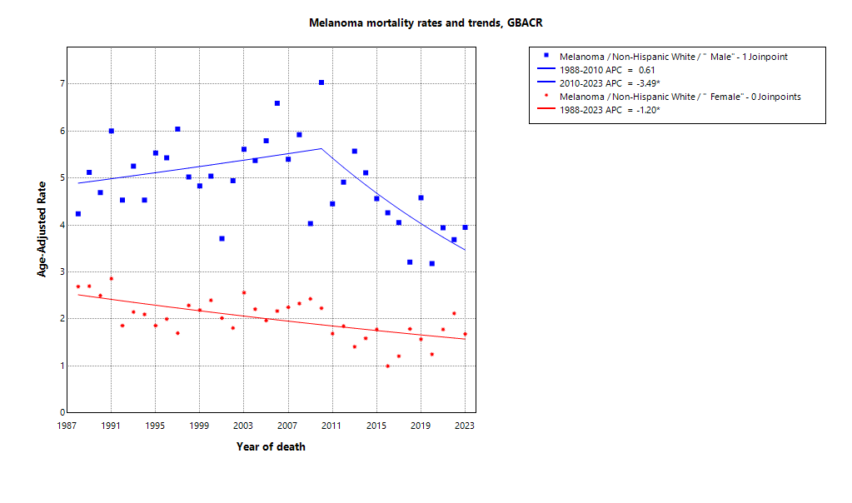

* indicates APC is statistically significant (95% CI excludes 1)

ASMR 19-23
Age-Specific Mortality
All races/ethnicities
2019-2023
GBACR
Age-specific mortality, GBACR, 2019-2023
 | Male | Female
 | Rate | Rate
0-4 years | ^ | ^
05-09 years | ^ | ^
10-14 years | ^ | ^
15-19 years | ^ | ^
20-24 years | 0.24 | 0.15
25-29 years | 0.48 | 0.33
30-34 years | 0.87 | 0.64
35-39 years | 1.11 | 0.81
40-44 years | 1.79 | 1.11
45-49 years | 2.35 | 1.57
50-54 years | 3.4 | 1.86
55-59 years | 4.99 | 2.38
60-64 years | 6.4 | 3.22
65-69 years | 8.44 | 3.56
70-74 years | 11.78 | 4.61
75-79 years | 17.16 | 6.84
80-84 years | 23.63 | 9.06
85+ years | 33.47 | 12.8

 | Rates are per 100,000 and age-adjusted to the 2000 US Std Population (19 age groups - Census P25-1130) standard; Confidence intervals (Tiwari mod) are 95% for rates.
^ | Statistic not displayed due to fewer than 11 cases or a population of less than 20,000.

CSMR 19-23
All races/ethnicities mortality, 2019-2023
Age-adjusted county or region-specific mortality rates (per 100,000)
2019-2023

 |  | Male and female |  |  |  |  | Male |  |  |  |  | Female
 |  | Rate | Lower CI | Upper CI | Count | Pop | Rate | Lower CI | Upper CI | Count | Pop | Rate | Lower CI | Upper CI | Count | Pop
All races/ethnicities | SF Bay Area | 1.57 | 1.45 | 1.70 | 628 | 32,781,714 | 2.26 | 2.04 | 2.50 | 398 | 16,442,410 | 1.04 | 0.91 | 1.19 | 230 | 16,339,304
All races/ethnicities | Alameda | 1.39 | 1.16 | 1.65 | 131 | 8,258,704 | 1.83 | 1.43 | 2.30 | 76 | 4,097,278 | 1.05 | 0.79 | 1.37 | 55 | 4,161,426
All races/ethnicities | Contra Costa | 2.06 | 1.74 | 2.43 | 149 | 5,806,443 | 3.30 | 2.68 | 4.02 | 103 | 2,855,812 | 1.16 | 0.84 | 1.57 | 46 | 2,950,631
All races/ethnicities | Marin | 1.90 | 1.36 | 2.64 | 41 | 1,294,254 | 2.90 | 1.90 | 4.32 | 27 | 636,095 | 1.14 | 0.62 | 2.09 | 14 | 658,159
All races/ethnicities | San Francisco | 1.28 | 0.99 | 1.64 | 68 | 4,181,168 | 1.99 | 1.46 | 2.67 | 47 | 2,149,378 | 0.68 | 0.41 | 1.08 | 21 | 2,031,790
All races/ethnicities | San Mateo | 1.65 | 1.31 | 2.07 | 81 | 3,725,185 | 2.39 | 1.78 | 3.15 | 52 | 1,855,887 | 1.13 | 0.75 | 1.66 | 29 | 1,869,298
All races/ethnicities | Santa Clara | 1.44 | 1.23 | 1.69 | 158 | 9,515,960 | 1.90 | 1.53 | 2.34 | 93 | 4,847,960 | 1.08 | 0.83 | 1.39 | 65 | 4,668,000
All races/ethnicities | Monterey Bay Area | 2.31 | 1.87 | 2.82 | 101 | 3,839,052 | 3.28 | 2.51 | 4.22 | 64 | 1,938,841 | 1.52 | 1.06 | 2.12 | 37 | 1,900,211
All races/ethnicities | Monterey | 2.13 | 1.58 | 2.82 | 51 | 2,179,119 | 3.10 | 2.12 | 4.37 | 33 | 1,108,961 | 1.32 | 0.77 | 2.14 | 18 | 1,070,158
All races/ethnicities | San Benito | ^ | ^ | ^ | ^ | 330,267 | ^ | ^ | ^ | ^ | 166,625 | ^ | ^ | ^ | ^ | 163,642
All races/ethnicities | Santa Cruz | 2.65 | 1.90 | 3.61 | 43 | 1,329,666 | 3.80 | 2.46 | 5.63 | 27 | 663,255 | 1.71 | 0.97 | 2.88 | 16 | 666,411
All races/ethnicities | Greater Bay Area (9) | 1.64 | 1.52 | 1.77 | 729 | 36,620,766 | 2.36 | 2.15 | 2.59 | 462 | 18,381,251 | 1.09 | 0.96 | 1.23 | 267 | 18,239,515
All races/ethnicities | California | 1.76 | 1.71 | 1.82 | 3,961 | 196,200,610 | 2.59 | 2.49 | 2.70 | 2,590 | 98,024,546 | 1.12 | 1.06 | 1.18 | 1,371 | 98,176,064
American Indian/Alaska Native | SF Bay Area | ^ | ^ | ^ | ^ | 97,383 | ^ | ^ | ^ | ^ | 48,506 | ^ | ^ | ^ | ^ | 48,877
American Indian/Alaska Native | Alameda | ^ | ^ | ^ | ^ | 26,909 | ^ | ^ | ^ | ^ | 12,473 | ^ | ^ | ^ | ^ | 14,436
American Indian/Alaska Native | Contra Costa | ^ | ^ | ^ | ^ | 21,217 | ^ | ^ | ^ | ^ | 10,298 | ^ | ^ | ^ | ^ | 10,919
American Indian/Alaska Native | Marin | ^ | ^ | ^ | ^ | 3,576 | ^ | ^ | ^ | ^ | 1,955 | ^ | ^ | ^ | ^ | 1,621
American Indian/Alaska Native | San Francisco | ^ | ^ | ^ | ^ | 11,877 | ^ | ^ | ^ | ^ | 6,577 | ^ | ^ | ^ | ^ | 5,300
American Indian/Alaska Native | San Mateo | ^ | ^ | ^ | ^ | 7,262 | ^ | ^ | ^ | ^ | 3,593 | ^ | ^ | ^ | ^ | 3,669
American Indian/Alaska Native | Santa Clara | ^ | ^ | ^ | ^ | 26,542 | ^ | ^ | ^ | ^ | 13,610 | ^ | ^ | ^ | ^ | 12,932
American Indian/Alaska Native | Monterey Bay Area | ^ | ^ | ^ | ^ | 17,497 | ^ | ^ | ^ | ^ | 8,917 | ^ | ^ | ^ | ^ | 8,580
American Indian/Alaska Native | Monterey | ^ | ^ | ^ | ^ | 8,667 | ^ | ^ | ^ | ^ | 4,465 | ^ | ^ | ^ | ^ | 4,202
American Indian/Alaska Native | San Benito | ^ | ^ | ^ | ^ | 1,684 | ^ | ^ | ^ | ^ | 829 | ^ | ^ | ^ | ^ | 855
American Indian/Alaska Native | Santa Cruz | ^ | ^ | ^ | ^ | 7,146 | ^ | ^ | ^ | ^ | 3,623 | ^ | ^ | ^ | ^ | 3,523
American Indian/Alaska Native | Greater Bay Area (9) | ^ | ^ | ^ | ^ | 114,880 | ^ | ^ | ^ | ^ | 57,423 | ^ | ^ | ^ | ^ | 57,457
American Indian/Alaska Native | California | 1.79 | 1.08 | 2.80 | 20 | 1,019,305 | 2.79 | 1.53 | 4.68 | 15 | 500,428 | ^ | ^ | ^ | ^ | 518,877
Asian American/Native Hawaiian/Pacific Islander | SF Bay Area | 0.27 | 0.18 | 0.38 | 34 | 10,914,298 | 0.23 | 0.12 | 0.40 | 13 | 5,309,220 | 0.30 | 0.18 | 0.47 | 21 | 5,605,078
Asian American/Native Hawaiian/Pacific Islander | Alameda | ^ | ^ | ^ | ^ | 2,867,250 | ^ | ^ | ^ | ^ | 1,390,649 | ^ | ^ | ^ | ^ | 1,476,601
Asian American/Native Hawaiian/Pacific Islander | Contra Costa | ^ | ^ | ^ | ^ | 1,195,554 | ^ | ^ | ^ | ^ | 569,844 | ^ | ^ | ^ | ^ | 625,710
Asian American/Native Hawaiian/Pacific Islander | Marin | ^ | ^ | ^ | ^ | 100,208 | ^ | ^ | ^ | ^ | 43,037 | ^ | ^ | ^ | ^ | 57,171
Asian American/Native Hawaiian/Pacific Islander | San Francisco | ^ | ^ | ^ | ^ | 1,574,058 | ^ | ^ | ^ | ^ | 740,106 | ^ | ^ | ^ | ^ | 833,952
Asian American/Native Hawaiian/Pacific Islander | San Mateo | ^ | ^ | ^ | ^ | 1,255,831 | ^ | ^ | ^ | ^ | 598,238 | ^ | ^ | ^ | ^ | 657,593
Asian American/Native Hawaiian/Pacific Islander | Santa Clara | 0.28 | 0.14 | 0.50 | 11 | 3,921,397 | ^ | ^ | ^ | ^ | 1,967,346 | ^ | ^ | ^ | ^ | 1,954,051
Asian American/Native Hawaiian/Pacific Islander | Monterey Bay Area | ^ | ^ | ^ | ^ | 232,882 | ^ | ^ | ^ | ^ | 108,240 | ^ | ^ | ^ | ^ | 124,642
Asian American/Native Hawaiian/Pacific Islander | Monterey | ^ | ^ | ^ | ^ | 143,862 | ^ | ^ | ^ | ^ | 66,554 | ^ | ^ | ^ | ^ | 77,308
Asian American/Native Hawaiian/Pacific Islander | San Benito | ^ | ^ | ^ | ^ | 14,684 | ^ | ^ | ^ | ^ | 6,777 | ^ | ^ | ^ | ^ | 7,907
Asian American/Native Hawaiian/Pacific Islander | Santa Cruz | ^ | ^ | ^ | ^ | 74,336 | ^ | ^ | ^ | ^ | 34,909 | ^ | ^ | ^ | ^ | 39,427
Asian American/Native Hawaiian/Pacific Islander | Greater Bay Area (9) | 0.27 | 0.19 | 0.38 | 35 | 11,147,180 | 0.24 | 0.13 | 0.41 | 14 | 5,417,460 | 0.29 | 0.18 | 0.45 | 21 | 5,729,720
Asian American/Native Hawaiian/Pacific Islander | California | 0.25 | 0.20 | 0.30 | 98 | 32,442,326 | 0.28 | 0.20 | 0.37 | 48 | 15,562,244 | 0.23 | 0.17 | 0.30 | 50 | 16,880,082
Hispanic | SF Bay Area | 0.82 | 0.60 | 1.10 | 48 | 7,738,452 | 1.08 | 0.69 | 1.58 | 28 | 3,926,188 | 0.65 | 0.39 | 1.00 | 20 | 3,812,264
Hispanic | Alameda | ^ | ^ | ^ | ^ | 1,926,750 | ^ | ^ | ^ | ^ | 977,152 | ^ | ^ | ^ | ^ | 949,598
Hispanic | Contra Costa | 1.09 | 0.54 | 1.93 | 12 | 1,584,031 | ^ | ^ | ^ | ^ | 794,128 | ^ | ^ | ^ | ^ | 789,903
Hispanic | Marin | ^ | ^ | ^ | ^ | 245,946 | ^ | ^ | ^ | ^ | 126,568 | ^ | ^ | ^ | ^ | 119,378
Hispanic | San Francisco | ^ | ^ | ^ | ^ | 666,314 | ^ | ^ | ^ | ^ | 350,609 | ^ | ^ | ^ | ^ | 315,705
Hispanic | San Mateo | ^ | ^ | ^ | ^ | 927,250 | ^ | ^ | ^ | ^ | 467,918 | ^ | ^ | ^ | ^ | 459,332
Hispanic | Santa Clara | 0.97 | 0.56 | 1.55 | 18 | 2,388,161 | ^ | ^ | ^ | ^ | 1,209,813 | ^ | ^ | ^ | ^ | 1,178,348
Hispanic | Monterey Bay Area | 0.83 | 0.40 | 1.48 | 11 | 1,998,183 | ^ | ^ | ^ | ^ | 1,021,376 | ^ | ^ | ^ | ^ | 976,807
Hispanic | Monterey | ^ | ^ | ^ | ^ | 1,328,728 | ^ | ^ | ^ | ^ | 682,796 | ^ | ^ | ^ | ^ | 645,932
Hispanic | San Benito | ^ | ^ | ^ | ^ | 203,936 | ^ | ^ | ^ | ^ | 103,534 | ^ | ^ | ^ | ^ | 100,402
Hispanic | Santa Cruz | ^ | ^ | ^ | ^ | 465,519 | ^ | ^ | ^ | ^ | 235,046 | ^ | ^ | ^ | ^ | 230,473
Hispanic | Greater Bay Area (9) | 0.84 | 0.63 | 1.09 | 59 | 9,736,635 | 1.15 | 0.78 | 1.61 | 36 | 4,947,564 | 0.60 | 0.38 | 0.91 | 23 | 4,789,071
Hispanic | California | 0.77 | 0.70 | 0.85 | 440 | 78,148,016 | 1.02 | 0.89 | 1.16 | 257 | 39,404,735 | 0.59 | 0.51 | 0.69 | 183 | 38,743,281
Non-Hispanic Black | SF Bay Area | ^ | ^ | ^ | ^ | 2,085,961 | ^ | ^ | ^ | ^ | 1,041,354 | ^ | ^ | ^ | ^ | 1,044,607
Non-Hispanic Black | Alameda | ^ | ^ | ^ | ^ | 892,071 | ^ | ^ | ^ | ^ | 433,272 | ^ | ^ | ^ | ^ | 458,799
Non-Hispanic Black | Contra Costa | ^ | ^ | ^ | ^ | 551,470 | ^ | ^ | ^ | ^ | 262,717 | ^ | ^ | ^ | ^ | 288,753
Non-Hispanic Black | Marin | ^ | ^ | ^ | ^ | 37,556 | ^ | ^ | ^ | ^ | 22,477 | ^ | ^ | ^ | ^ | 15,079
Non-Hispanic Black | San Francisco | ^ | ^ | ^ | ^ | 240,131 | ^ | ^ | ^ | ^ | 128,442 | ^ | ^ | ^ | ^ | 111,689
Non-Hispanic Black | San Mateo | ^ | ^ | ^ | ^ | 100,235 | ^ | ^ | ^ | ^ | 53,005 | ^ | ^ | ^ | ^ | 47,230
Non-Hispanic Black | Santa Clara | ^ | ^ | ^ | ^ | 264,498 | ^ | ^ | ^ | ^ | 141,441 | ^ | ^ | ^ | ^ | 123,057
Non-Hispanic Black | Monterey Bay Area | ^ | ^ | ^ | ^ | 84,353 | ^ | ^ | ^ | ^ | 49,517 | ^ | ^ | ^ | ^ | 34,836
Non-Hispanic Black | Monterey | ^ | ^ | ^ | ^ | 59,228 | ^ | ^ | ^ | ^ | 35,728 | ^ | ^ | ^ | ^ | 23,500
Non-Hispanic Black | San Benito | ^ | ^ | ^ | ^ | 4,931 | ^ | ^ | ^ | ^ | 2,696 | ^ | ^ | ^ | ^ | 2,235
Non-Hispanic Black | Santa Cruz | ^ | ^ | ^ | ^ | 20,194 | ^ | ^ | ^ | ^ | 11,093 | ^ | ^ | ^ | ^ | 9,101
Non-Hispanic Black | Greater Bay Area (9) | ^ | ^ | ^ | ^ | 2,170,314 | ^ | ^ | ^ | ^ | 1,090,871 | ^ | ^ | ^ | ^ | 1,079,443
Non-Hispanic Black | California | 0.21 | 0.14 | 0.30 | 28 | 12,245,602 | 0.21 | 0.12 | 0.36 | 15 | 6,137,046 | 0.19 | 0.10 | 0.33 | 13 | 6,108,556
Non-Hispanic White | SF Bay Area | 2.79 | 2.55 | 3.05 | 534 | 11,945,620 | 4.01 | 3.60 | 4.47 | 351 | 6,117,142 | 1.82 | 1.55 | 2.13 | 183 | 5,828,478
Non-Hispanic White | Alameda | 2.81 | 2.29 | 3.42 | 109 | 2,545,724 | 3.84 | 2.96 | 4.92 | 68 | 1,283,732 | 1.99 | 1.40 | 2.78 | 41 | 1,261,992
Non-Hispanic White | Contra Costa | 3.13 | 2.59 | 3.78 | 129 | 2,454,171 | 4.92 | 3.93 | 6.12 | 91 | 1,218,825 | 1.79 | 1.23 | 2.59 | 38 | 1,235,346
Non-Hispanic White | Marin | 2.24 | 1.59 | 3.19 | 41 | 906,968 | 3.40 | 2.22 | 5.24 | 27 | 442,058 | 1.33 | 0.72 | 2.65 | 14 | 464,910
Non-Hispanic White | San Francisco | 2.89 | 2.20 | 3.77 | 59 | 1,688,788 | 4.27 | 3.06 | 5.85 | 42 | 923,644 | 1.54 | 0.89 | 2.59 | 17 | 765,144
Non-Hispanic White | San Mateo | 2.89 | 2.23 | 3.72 | 70 | 1,434,607 | 3.98 | 2.90 | 5.41 | 46 | 733,133 | 2.09 | 1.29 | 3.29 | 24 | 701,474
Non-Hispanic White | Santa Clara | 2.60 | 2.15 | 3.13 | 126 | 2,915,362 | 3.44 | 2.70 | 4.35 | 77 | 1,515,750 | 1.94 | 1.40 | 2.67 | 49 | 1,399,612
Non-Hispanic White | Monterey Bay Area | 3.31 | 2.62 | 4.16 | 89 | 1,506,137 | 4.61 | 3.43 | 6.15 | 55 | 750,791 | 2.23 | 1.50 | 3.34 | 34 | 755,346
Non-Hispanic White | Monterey | 3.18 | 2.25 | 4.53 | 42 | 638,634 | 4.11 | 2.65 | 6.43 | 25 | 319,418 | 2.42 | 1.28 | 4.57 | 17 | 319,216
Non-Hispanic White | San Benito | ^ | ^ | ^ | ^ | 105,032 | ^ | ^ | ^ | ^ | 52,789 | ^ | ^ | ^ | ^ | 52,243
Non-Hispanic White | Santa Cruz | 3.42 | 2.41 | 4.82 | 41 | 762,471 | 5.05 | 3.21 | 7.72 | 26 | 378,584 | 2.09 | 1.14 | 3.86 | 15 | 383,887
Non-Hispanic White | Greater Bay Area (9) | 2.85 | 2.62 | 3.09 | 623 | 13,451,757 | 4.08 | 3.68 | 4.51 | 406 | 6,867,933 | 1.87 | 1.62 | 2.16 | 217 | 6,583,824
Non-Hispanic White | California | 2.90 | 2.80 | 3.01 | 3,364 | 72,345,361 | 4.21 | 4.03 | 4.39 | 2,247 | 36,420,093 | 1.84 | 1.73 | 1.96 | 1,117 | 35,925,268

 | Rates are per 100,000 and age-adjusted to the 2000 US Std Population (19 age groups - Census P25-1130) standard; Confidence intervals (Tiwari mod) are 95% for rates.
^ | Statistic not displayed due to fewer than 11 cases or a population of less than 20,000.

Regional Comparison 19-23
Incidence among Males 2019-2023
Incidence among Females 2019-2023
Incidence - Males
Greater Bay Area |  |  |  |  |  |  | California |  |  |  |  |  |  | SEER 21
Region | Race | Rate | LCL | UCL | LCLforfig | UCLforfig | Region | Race | Rate | LCL | UCL | LCLforfig | UCLforfig | Region | Race | Rate | LCL | UCL | LCLforfig | UCLforfig
GBACR | All races/ethnicities | 34.84 | 34.02 | 35.67 | 0.82 | 0.83 | California | All races/ethnicities | 30.89 | 30.54 | 31.23 | 0.35 | 0.34 | SEER | All races/ethnicities | 28.32 | 28.15 | 28.49 | 0.17 | 0.17
GBACR | AIAN | 27.29 | 15.9 | 44.05 | 11.39 | 16.76 | California | AIAN | 21.86 | 18.05 | 26.27 | 3.81 | 4.41 | SEER | Non-Hispanic American Indian/Alaska Native (PRCDA counties only) | 11.33 | 9.47 | 13.45 | 1.86 | 2.12
GBACR | Non-Hispanic Asian or Pacific Islander | 1.24 | 0.97 | 1.57 | 0.27 | 0.33 | California | Non-Hispanic Asian or Pacific Islander | 1.18 | 1.02 | 1.36 | 0.16 | 0.18 | SEER | Non-Hispanic Asian or Pacific Islander | 1.25 | 1.14 | 1.38 | 0.11 | 0.13
GBACR | Hispanic (All Races) | 6.39 | 5.49 | 7.38 | 0.90 | 0.99 | California | Hispanic (All Races) | 5.42 | 5.11 | 5.73 | 0.31 | 0.31 | SEER | Hispanic (All Races) | 4.96 | 4.78 | 5.14 | 0.18 | 0.18
GBACR | Non-Hispanic Black | 1.82 | 1.09 | 2.86 | 0.73 | 1.04 | California | Non-Hispanic Black | 1.34 | 1.04 | 1.69 | 0.30 | 0.35 | SEER | Non-Hispanic Black | 1.08 | 0.97 | 1.2 | 0.11 | 0.12
GBACR | Non-Hispanic White | 61.62 | 60.04 | 63.23 | 1.58 | 1.61 | California | Non-Hispanic White | 50.6 | 49.97 | 51.23 | 0.63 | 0.63 | SEER | Non-Hispanic White | 40.72 | 40.46 | 40.97 | 0.26 | 0.25

Incidence - Females
Greater Bay Area |  |  |  |  |  |  | California |  |  |  |  |  |  | SEER 21
Region | Race | Rate | LCL | UCL | LCLforfig | UCLforfig | Region | Race | Rate | LCL | UCL | LCLforfig | UCLforfig | Region | Race | Rate | LCL | UCL | LCLforfig | UCLforfig
GBACR | All races/ethnicities | 22.04 | 21.41 | 22.67 | 0.63 | 0.63 | California | All races/ethnicities | 18.61 | 18.35 | 18.86 | 0.26 | 0.25 | SEER | All races/ethnicities | 17.95 | 17.82 | 18.07 | 0.13 | 0.12
GBACR | AIAN | 23.33 | 12.83 | 39.23 | 10.50 | 15.90 | California | AIAN | 14.74 | 11.7 | 18.34 | 3.04 | 3.60 | SEER | Non-Hispanic American Indian/Alaska Native (PRCDA counties only) | 7.72 | 6.38 | 9.26 | 1.34 | 1.54
GBACR | Non-Hispanic Asian or Pacific Islander | 1.49 | 1.21 | 1.83 | 0.28 | 0.34 | California | Non-Hispanic Asian or Pacific Islander | 1.29 | 1.13 | 1.46 | 0.16 | 0.17 | SEER | Non-Hispanic Asian or Pacific Islander | 1.2 | 1.1 | 1.31 | 0.10 | 0.11
GBACR | Hispanic (All Races) | 6.91 | 6.11 | 7.79 | 0.80 | 0.88 | California | Hispanic (All Races) | 5.9 | 5.64 | 6.18 | 0.26 | 0.28 | SEER | Hispanic (All Races) | 4.97 | 4.81 | 5.12 | 0.16 | 0.15
GBACR | Non-Hispanic Black | 1 | 0.52 | 1.75 | 0.48 | 0.75 | California | Non-Hispanic Black | 0.98 | 0.76 | 1.25 | 0.22 | 0.27 | SEER | Non-Hispanic Black | 0.85 | 0.77 | 0.94 | 0.08 | 0.09
GBACR | Non-Hispanic White | 41.83 | 40.43 | 43.26 | 1.40 | 1.43 | California | Non-Hispanic White | 31.98 | 31.46 | 32.52 | 0.52 | 0.54 | SEER | Non-Hispanic White | 27.64 | 27.42 | 27.86 | 0.22 | 0.22

Mortality among Males 2019-2023
Mortality among Females 2019-2023
Mortality - Males
Greater Bay Area |  |  |  |  |  |  | California |  |  |  |  |  |  | Total U.S. Mortality
Region | Race | Rate | LCL | UCL | LCLforfig | UCLforfig | Region | Race | Rate | LCL | UCL | LCLforfig | UCLforfig | Region | Race | Rate | LCL | UCL | LCLforfig | UCLforfig
GBACR | All races/ethnicities | 2.36 | 2.15 | 2.59 | 0.21 | 0.23 | California | All races/ethnicities | 2.59 | 2.49 | 2.70 | 0.10 | 0.11 | US Mortality | All races/ethnicities | 2.96 | 2.92 | 3 | 0.04 | 0.04
GBACR | AIAN | ^ | ^ | ^ | #VALUE! | #VALUE! | California | AIAN | 2.79 | 1.53 | 4.68 | 1.26 | 1.89 | US Mortality | Non-Hispanic American Indian/Alaska Native (PRCDA counties only) | 1.02 | 0.78 | 1.32 | 0.24 | 0.30
GBACR | Non-Hispanic Asian or Pacific Islander | 0.24 | 0.13 | 0.41 | 0.11 | 0.17 | California | Non-Hispanic Asian or Pacific Islander | 0.28 | 0.20 | 0.37 | 0.08 | 0.09 | US Mortality | Non-Hispanic Asian or Pacific Islander | 0.31 | 0.26 | 0.36 | 0.05 | 0.05
GBACR | Hispanic (All Races) | 1.15 | 0.78 | 1.61 | 0.37 | 0.46 | California | Hispanic (All Races) | 1.02 | 0.89 | 1.16 | 0.13 | 0.14 | US Mortality | Hispanic (All Races) | 0.81 | 0.75 | 0.87 | 0.06 | 0.06
GBACR | Non-Hispanic Black | ^ | ^ | ^ | #VALUE! | #VALUE! | California | Non-Hispanic Black | 0.21 | 0.12 | 0.36 | 0.09 | 0.15 | US Mortality | Non-Hispanic Black | 0.35 | 0.31 | 0.4 | 0.04 | 0.05
GBACR | Non-Hispanic White | 4.08 | 3.68 | 4.51 | 0.40 | 0.43 | California | Non-Hispanic White | 4.21 | 4.03 | 4.39 | 0.18 | 0.18 | US Mortality | Non-Hispanic White | 3.79 | 3.75 | 3.84 | 0.04 | 0.05

Mortality - Females
Greater Bay Area |  |  |  |  |  |  | California |  |  |  |  |  |  | Total U.S. Mortality
Region | Race | Rate | LCL | UCL | LCLforfig | UCLforfig | Region | Race | Rate | LCL | UCL | LCLforfig | UCLforfig | Region | Race | Rate | LCL | UCL | LCLforfig | UCLforfig
GBACR | All races/ethnicities | 1.09 | 0.96 | 1.23 | 0.13 | 0.14 | California | All races/ethnicities | 1.12 | 1.06 | 1.18 | 0.06 | 0.06 | US Mortality | All races/ethnicities | 1.3 | 1.28 | 1.32 | 0.02 | 0.02
GBACR | AIAN | ^ | ^ | ^ | #VALUE! | #VALUE! | California | AIAN | ^ | ^ | ^ | #VALUE! | #VALUE! | US Mortality | Non-Hispanic American Indian/Alaska Native (PRCDA counties only) | 0.59 | 0.42 | 0.8 | 0.17 | 0.21
GBACR | Non-Hispanic Asian or Pacific Islander | 0.29 | 0.18 | 0.45 | 0.11 | 0.16 | California | Non-Hispanic Asian or Pacific Islander | 0.23 | 0.17 | 0.30 | 0.06 | 0.07 | US Mortality | Non-Hispanic Asian or Pacific Islander | 0.23 | 0.19 | 0.27 | 0.04 | 0.04
GBACR | Hispanic (All Races) | 0.60 | 0.38 | 0.91 | 0.22 | 0.31 | California | Hispanic (All Races) | 0.59 | 0.51 | 0.69 | 0.08 | 0.10 | US Mortality | Hispanic (All Races) | 0.49 | 0.45 | 0.53 | 0.04 | 0.04
GBACR | Non-Hispanic Black | ^ | ^ | ^ | #VALUE! | #VALUE! | California | Non-Hispanic Black | 0.19 | 0.10 | 0.33 | 0.09 | 0.14 | US Mortality | Non-Hispanic Black | 0.26 | 0.23 | 0.29 | 0.03 | 0.03
GBACR | Non-Hispanic White | 1.87 | 1.62 | 2.16 | 0.25 | 0.29 | California | Non-Hispanic White | 1.84 | 1.73 | 1.96 | 0.11 | 0.12 | US Mortality | Non-Hispanic White | 1.7 | 1.67 | 1.74 | 0.03 | 0.04

