JP Inc_Trend Data 88-23
MULTIPLE JOINPOINT INCIDENCE
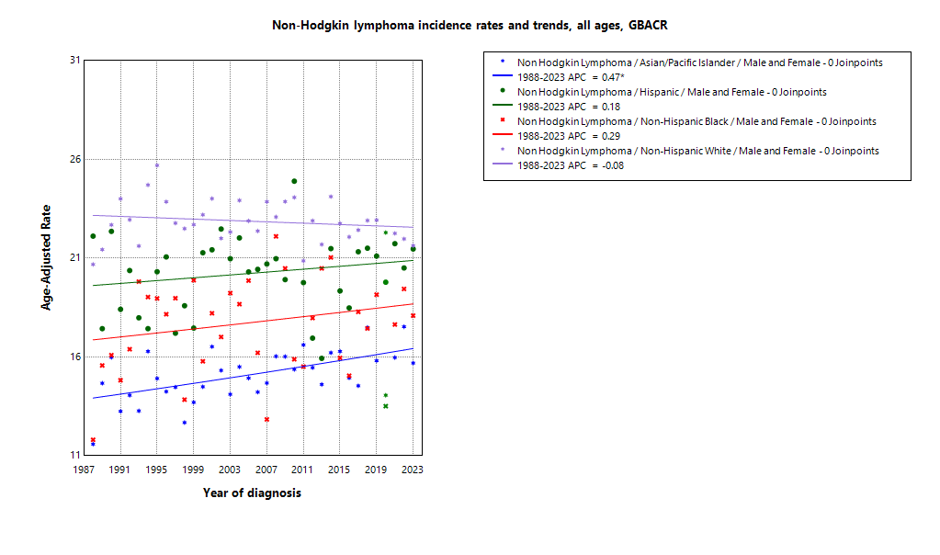
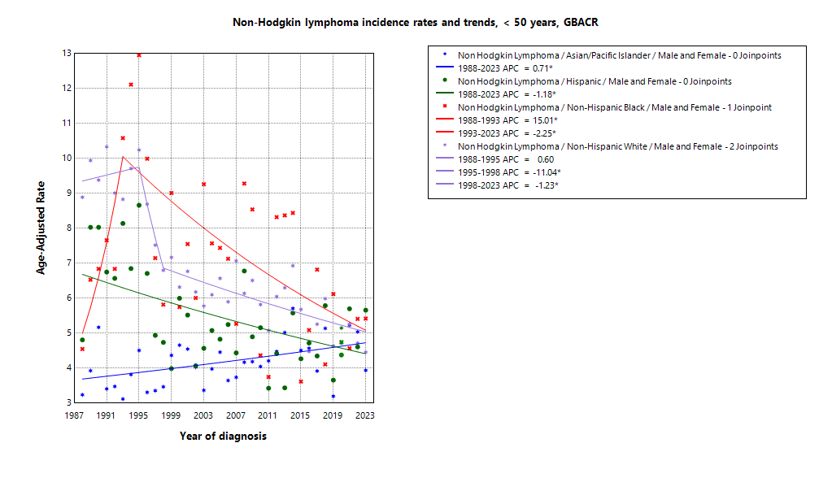

* indicates APC is statistically significant (95% CI excludes 1)
2020 rate is excluded from calculation of trend

ASIR 19-23
Age-specific incidence, GBACR, 2019-2023
Age-specific Incidence (per 100,000)
All races and ethnicities
2019-2023
GBACR
 | Male | Female
 | Rate | Rate
0-04 years | ^ | ^
05-09 years | 1.64 | ^
10-14 years | 2.18 | 1.43
15-19 years | 3.05 | 1.86
20-24 years | 3.8 | 2.59
25-29 years | 4.12 | 2.76
30-34 years | 5.02 | 4.95
35-39 years | 8.16 | 4.95
40-44 years | 10.36 | 8.32
45-49 years | 13.31 | 12.36
50-54 years | 24.06 | 17.81
55-59 years | 33.77 | 25.79
60-64 years | 50.69 | 37.3
65-69 years | 69.46 | 51.26
70-74 years | 102.25 | 67.93
75-79 years | 141.58 | 92.81
80-84 years | 175.36 | 115.41
85+ years | 174.47 | 97.11

 | Rates are per 100,000 and age-adjusted to the 2000 US Std Population (19 age groups - Census P25-1130) standard; Confidence intervals (Tiwari mod) are 95% for rates.
^ | Statistic not displayed due to fewer than 11 cases or a population of less than 20,000.

CSIR 19-23
Age-adjusted county or region-specific incidence rates (per 100,000)
2019-2023

All races/ethnicities incidence, 2019-2023
 |  | Male and female |  |  |  |  | Male |  |  |  |  | Female
 |  | Rate | Lower CI | Upper CI | Count | Pop | Rate | Lower CI | Upper CI | Count | Pop | Rate | Lower CI | Upper CI | Count | Pop
All races/ethnicities | SF Bay Area | 20.2 | 19.75 | 20.65 | 7,931 | 32,781,714 | 24.34 | 23.62 | 25.08 | 4,439 | 16,442,410 | 16.71 | 16.15 | 17.29 | 3,492 | 16,339,304
All races/ethnicities | Alameda | 18.65 | 17.77 | 19.56 | 1,752 | 8,258,704 | 23.05 | 21.6 | 24.58 | 983 | 4,097,278 | 15.21 | 14.14 | 16.35 | 769 | 4,161,426
All races/ethnicities | Contra Costa | 19.08 | 18.07 | 20.15 | 1,366 | 5,806,443 | 21.67 | 20.08 | 23.37 | 712 | 2,855,812 | 16.82 | 15.53 | 18.2 | 654 | 2,950,631
All races/ethnicities | Marin | 22.32 | 20.19 | 24.65 | 455 | 1,294,254 | 28.3 | 24.89 | 32.09 | 271 | 636,095 | 17.42 | 14.76 | 20.49 | 184 | 658,159
All races/ethnicities | San Francisco | 20.93 | 19.68 | 22.26 | 1,093 | 4,181,168 | 25.08 | 23.1 | 27.19 | 631 | 2,149,378 | 16.96 | 15.4 | 18.65 | 462 | 2,031,790
All races/ethnicities | San Mateo | 21.49 | 20.16 | 22.89 | 1,008 | 3,725,185 | 26.8 | 24.61 | 29.13 | 575 | 1,855,887 | 17.03 | 15.42 | 18.78 | 433 | 1,869,298
All races/ethnicities | Santa Clara | 21.13 | 20.25 | 22.03 | 2,257 | 9,515,960 | 25.31 | 23.91 | 26.77 | 1,267 | 4,847,960 | 17.62 | 16.52 | 18.77 | 990 | 4,668,000
All races/ethnicities | Monterey Bay Area | 20.59 | 19.24 | 22.02 | 898 | 3,839,052 | 24.08 | 21.94 | 26.37 | 490 | 1,938,841 | 17.8 | 16.06 | 19.67 | 408 | 1,900,211
All races/ethnicities | Monterey | 19.04 | 17.28 | 20.93 | 442 | 2,179,119 | 21.97 | 19.23 | 24.97 | 241 | 1,108,961 | 16.77 | 14.48 | 19.32 | 201 | 1,070,158
All races/ethnicities | San Benito | 19.39 | 14.95 | 24.75 | 67 | 330,267 | 24.53 | 17.2 | 33.88 | 39 | 166,625 | 15.58 | 10.27 | 22.72 | 28 | 163,642
All races/ethnicities | Santa Cruz | 22.89 | 20.59 | 25.4 | 389 | 1,329,666 | 26.95 | 23.28 | 31.07 | 210 | 663,255 | 19.47 | 16.61 | 22.73 | 179 | 666,411
All races/ethnicities | Greater Bay Area (9) | 20.22 | 19.8 | 20.66 | 8,829 | 36,620,766 | 24.28 | 23.59 | 24.98 | 4,929 | 18,381,251 | 16.82 | 16.29 | 17.37 | 3,900 | 18,239,515
All races/ethnicities | California | 18.43 | 18.25 | 18.61 | 41,453 | 196,200,610 | 21.93 | 21.64 | 22.22 | 22,876 | 98,024,546 | 15.51 | 15.29 | 15.74 | 18,577 | 98,176,064
American Indian/Alaska Native | SF Bay Area | 20.27 | 12.77 | 30.81 | 24 | 97,383 | 23.56 | 12.13 | 41.59 | 13 | 48,506 | 17.71 | 8.62 | 32.92 | 11 | 48,877
American Indian/Alaska Native | Alameda | ^ | ^ | ^ | ^ | 26,909 | ^ | ^ | ^ | ^ | 12,473 | ^ | ^ | ^ | ^ | 14,436
American Indian/Alaska Native | Contra Costa | ^ | ^ | ^ | ^ | 21,217 | ^ | ^ | ^ | ^ | 10,298 | ^ | ^ | ^ | ^ | 10,919
American Indian/Alaska Native | Marin | ^ | ^ | ^ | ^ | 3,576 | ^ | ^ | ^ | ^ | 1,955 | ^ | ^ | ^ | ^ | 1,621
American Indian/Alaska Native | San Francisco | ^ | ^ | ^ | ^ | 11,877 | ^ | ^ | ^ | ^ | 6,577 | ^ | ^ | ^ | ^ | 5,300
American Indian/Alaska Native | San Mateo | ^ | ^ | ^ | ^ | 7,262 | ^ | ^ | ^ | ^ | 3,593 | ^ | ^ | ^ | ^ | 3,669
American Indian/Alaska Native | Santa Clara | ^ | ^ | ^ | ^ | 26,542 | ^ | ^ | ^ | ^ | 13,610 | ^ | ^ | ^ | ^ | 12,932
American Indian/Alaska Native | Monterey Bay Area | ^ | ^ | ^ | ^ | 17,497 | ^ | ^ | ^ | ^ | 8,917 | ^ | ^ | ^ | ^ | 8,580
American Indian/Alaska Native | Monterey | ^ | ^ | ^ | ^ | 8,667 | ^ | ^ | ^ | ^ | 4,465 | ^ | ^ | ^ | ^ | 4,202
American Indian/Alaska Native | San Benito | ^ | ^ | ^ | ^ | 1,684 | ^ | ^ | ^ | ^ | 829 | ^ | ^ | ^ | ^ | 855
American Indian/Alaska Native | Santa Cruz | ^ | ^ | ^ | ^ | 7,146 | ^ | ^ | ^ | ^ | 3,623 | ^ | ^ | ^ | ^ | 3,523
American Indian/Alaska Native | Greater Bay Area (9) | 20.02 | 13.21 | 29.34 | 29 | 114,880 | 20.71 | 11.04 | 35.81 | 14 | 57,423 | 19.68 | 10.77 | 33.64 | 15 | 57,457
American Indian/Alaska Native | California | 18.47 | 16.11 | 21.09 | 237 | 1,019,305 | 21.82 | 18.13 | 26.07 | 132 | 500,428 | 15.51 | 12.59 | 18.96 | 105 | 518,877
Asian American/Native Hawaiian/Pacific Islander | SF Bay Area | 15.82 | 15.12 | 16.55 | 1,979 | 10,914,298 | 18.96 | 17.83 | 20.15 | 1,071 | 5,309,220 | 13.34 | 12.47 | 14.26 | 908 | 5,605,078
Asian American/Native Hawaiian/Pacific Islander | Alameda | 14.31 | 13 | 15.73 | 451 | 2,867,250 | 16.83 | 14.73 | 19.15 | 241 | 1,390,649 | 12.36 | 10.71 | 14.2 | 210 | 1,476,601
Asian American/Native Hawaiian/Pacific Islander | Contra Costa | 15.9 | 13.82 | 18.21 | 217 | 1,195,554 | 17.63 | 14.41 | 21.36 | 108 | 569,844 | 14.45 | 11.81 | 17.53 | 109 | 625,710
Asian American/Native Hawaiian/Pacific Islander | Marin | 15.81 | 9.66 | 24.76 | 21 | 100,208 | ^ | ^ | ^ | ^ | 43,037 | 15.04 | 7.28 | 28.2 | 11 | 57,171
Asian American/Native Hawaiian/Pacific Islander | San Francisco | 17.05 | 15.28 | 19 | 377 | 1,574,058 | 20.58 | 17.65 | 23.89 | 196 | 740,106 | 14.1 | 12.04 | 16.5 | 181 | 833,952
Asian American/Native Hawaiian/Pacific Islander | San Mateo | 17.42 | 15.34 | 19.72 | 264 | 1,255,831 | 21.92 | 18.4 | 25.92 | 143 | 598,238 | 14.11 | 11.64 | 16.99 | 121 | 657,593
Asian American/Native Hawaiian/Pacific Islander | Santa Clara | 15.76 | 14.55 | 17.04 | 649 | 3,921,397 | 19.64 | 17.66 | 21.77 | 373 | 1,967,346 | 12.6 | 11.13 | 14.2 | 276 | 1,954,051
Asian American/Native Hawaiian/Pacific Islander | Monterey Bay Area | 15.75 | 11.35 | 21.42 | 47 | 232,882 | 17.12 | 10.51 | 26.58 | 22 | 108,240 | 15.19 | 9.47 | 23.38 | 25 | 124,642
Asian American/Native Hawaiian/Pacific Islander | Monterey | 16.49 | 10.99 | 24.03 | 32 | 143,862 | 14.66 | 7.26 | 26.76 | 12 | 66,554 | 17.5 | 10.4 | 28.43 | 20 | 77,308
Asian American/Native Hawaiian/Pacific Islander | San Benito | ^ | ^ | ^ | ^ | 14,684 | ^ | ^ | ^ | ^ | 6,777 | ^ | ^ | ^ | ^ | 7,907
Asian American/Native Hawaiian/Pacific Islander | Santa Cruz | 17.23 | 8.69 | 30.79 | 13 | 74,336 | ^ | ^ | ^ | ^ | 34,909 | ^ | ^ | ^ | ^ | 39,427
Asian American/Native Hawaiian/Pacific Islander | Greater Bay Area (9) | 15.82 | 15.13 | 16.54 | 2,026 | 11,147,180 | 18.93 | 17.81 | 20.11 | 1,093 | 5,417,460 | 13.38 | 12.52 | 14.29 | 933 | 5,729,720
Asian American/Native Hawaiian/Pacific Islander | California | 14.31 | 13.93 | 14.7 | 5,522 | 32,442,326 | 17.14 | 16.52 | 17.78 | 2,952 | 15,562,244 | 12.1 | 11.62 | 12.59 | 2,570 | 16,880,082
Hispanic | SF Bay Area | 21.31 | 20.11 | 22.56 | 1,285 | 7,738,452 | 25.61 | 23.61 | 27.73 | 705 | 3,926,188 | 17.99 | 16.53 | 19.55 | 580 | 3,812,264
Hispanic | Alameda | 19.75 | 17.38 | 22.34 | 278 | 1,926,750 | 24.34 | 20.28 | 28.9 | 153 | 977,152 | 16.65 | 13.78 | 19.91 | 125 | 949,598
Hispanic | Contra Costa | 21.17 | 18.47 | 24.14 | 245 | 1,584,031 | 24.2 | 19.88 | 29.11 | 131 | 794,128 | 18.54 | 15.19 | 22.36 | 114 | 789,903
Hispanic | Marin | 22.98 | 16.16 | 31.54 | 42 | 245,946 | 19.71 | 10.85 | 32.49 | 18 | 126,568 | 25.46 | 15.97 | 38.22 | 24 | 119,378
Hispanic | San Francisco | 22.46 | 18.75 | 26.68 | 135 | 666,314 | 25.99 | 20.22 | 32.84 | 77 | 350,609 | 18.67 | 14.1 | 24.23 | 58 | 315,705
Hispanic | San Mateo | 21.54 | 18.38 | 25.08 | 175 | 927,250 | 25.77 | 20.56 | 31.83 | 95 | 467,918 | 18.27 | 14.43 | 22.8 | 80 | 459,332
Hispanic | Santa Clara | 22.23 | 20.04 | 24.57 | 410 | 2,388,161 | 28.19 | 24.41 | 32.34 | 231 | 1,209,813 | 17.66 | 15.12 | 20.49 | 179 | 1,178,348
Hispanic | Monterey Bay Area | 18.97 | 16.59 | 21.57 | 262 | 1,998,183 | 20.6 | 17.03 | 24.66 | 142 | 1,021,376 | 17.39 | 14.28 | 20.93 | 120 | 976,807
Hispanic | Monterey | 17.94 | 15.04 | 21.18 | 158 | 1,328,728 | 20.82 | 16.27 | 26.14 | 89 | 682,796 | 15.53 | 11.9 | 19.84 | 69 | 645,932
Hispanic | San Benito | 17.92 | 11.65 | 26.18 | 28 | 203,936 | 15.34 | 7.78 | 26.98 | 13 | 103,534 | 19.23 | 10.57 | 31.75 | 15 | 100,402
Hispanic | Santa Cruz | 22.19 | 17.19 | 28.1 | 76 | 465,519 | 22.61 | 15.64 | 31.48 | 40 | 235,046 | 21.27 | 14.62 | 29.72 | 36 | 230,473
Hispanic | Greater Bay Area (9) | 20.89 | 19.81 | 22.01 | 1,547 | 9,736,635 | 24.65 | 22.88 | 26.52 | 847 | 4,947,564 | 17.9 | 16.57 | 19.31 | 700 | 4,789,071
Hispanic | California | 18.2 | 17.85 | 18.56 | 10,911 | 78,148,016 | 20.78 | 20.2 | 21.37 | 5,766 | 39,404,735 | 16.18 | 15.73 | 16.64 | 5,145 | 38,743,281
Non-Hispanic Black | SF Bay Area | 17.71 | 16 | 19.55 | 414 | 2,085,961 | 21.65 | 18.86 | 24.75 | 232 | 1,041,354 | 14.4 | 12.34 | 16.73 | 182 | 1,044,607
Non-Hispanic Black | Alameda | 17.14 | 14.64 | 19.95 | 177 | 892,071 | 23.95 | 19.53 | 29.08 | 109 | 433,272 | 11.54 | 8.89 | 14.79 | 68 | 458,799
Non-Hispanic Black | Contra Costa | 14.98 | 11.97 | 18.54 | 90 | 551,470 | 14.25 | 9.85 | 19.92 | 37 | 262,717 | 15.4 | 11.45 | 20.32 | 53 | 288,753
Non-Hispanic Black | Marin | ^ | ^ | ^ | ^ | 37,556 | ^ | ^ | ^ | ^ | 22,477 | ^ | ^ | ^ | ^ | 15,079
Non-Hispanic Black | San Francisco | 21.54 | 16.59 | 27.64 | 66 | 240,131 | 24.98 | 17.57 | 34.74 | 39 | 128,442 | 17.93 | 11.67 | 26.72 | 27 | 111,689
Non-Hispanic Black | San Mateo | 18.01 | 10.99 | 27.99 | 21 | 100,235 | 22.37 | 11.37 | 39.58 | 12 | 53,005 | ^ | ^ | ^ | ^ | 47,230
Non-Hispanic Black | Santa Clara | 21.83 | 16.26 | 28.66 | 54 | 264,498 | 22.48 | 14.72 | 32.84 | 29 | 141,441 | 21.25 | 13.62 | 31.55 | 25 | 123,057
Non-Hispanic Black | Monterey Bay Area | 15.3 | 7.71 | 27.12 | 12 | 84,353 | ^ | ^ | ^ | ^ | 49,517 | ^ | ^ | ^ | ^ | 34,836
Non-Hispanic Black | Monterey | ^ | ^ | ^ | ^ | 59,228 | ^ | ^ | ^ | ^ | 35,728 | ^ | ^ | ^ | ^ | 23,500
Non-Hispanic Black | San Benito | ^ | ^ | ^ | ^ | 4,931 | ^ | ^ | ^ | ^ | 2,696 | ^ | ^ | ^ | ^ | 2,235
Non-Hispanic Black | Santa Cruz | ^ | ^ | ^ | ^ | 20,194 | ^ | ^ | ^ | ^ | 11,093 | ^ | ^ | ^ | ^ | 9,101
Non-Hispanic Black | Greater Bay Area (9) | 17.6 | 15.93 | 19.4 | 426 | 2,170,314 | 21.6 | 18.86 | 24.62 | 241 | 1,090,871 | 14.21 | 12.19 | 16.49 | 185 | 1,079,443
Non-Hispanic Black | California | 15.15 | 14.47 | 15.85 | 1,962 | 12,245,602 | 18.27 | 17.15 | 19.44 | 1,083 | 6,137,046 | 12.62 | 11.77 | 13.5 | 879 | 6,108,556
Non-Hispanic White | SF Bay Area | 22.33 | 21.62 | 23.06 | 4,092 | 11,945,620 | 26.66 | 25.55 | 27.81 | 2,336 | 6,117,142 | 18.47 | 17.56 | 19.42 | 1,756 | 5,828,478
Non-Hispanic White | Alameda | 21.25 | 19.76 | 22.84 | 806 | 2,545,724 | 26.31 | 23.9 | 28.93 | 459 | 1,283,732 | 17.27 | 15.42 | 19.32 | 347 | 1,261,992
Non-Hispanic White | Contra Costa | 19.48 | 18.07 | 20.99 | 783 | 2,454,171 | 22.38 | 20.2 | 24.77 | 420 | 1,218,825 | 16.86 | 15.06 | 18.86 | 363 | 1,235,346
Non-Hispanic White | Marin | 22.51 | 20.03 | 25.29 | 378 | 906,968 | 28.54 | 24.66 | 33.01 | 229 | 442,058 | 17.51 | 14.35 | 21.31 | 149 | 464,910
Non-Hispanic White | San Francisco | 23.39 | 21.31 | 25.65 | 489 | 1,688,788 | 27.46 | 24.34 | 30.93 | 303 | 923,644 | 18.85 | 16.16 | 21.91 | 186 | 765,144
Non-Hispanic White | San Mateo | 23.68 | 21.59 | 25.95 | 533 | 1,434,607 | 29.46 | 26.13 | 33.15 | 314 | 733,133 | 18.33 | 15.8 | 21.22 | 219 | 701,474
Non-Hispanic White | Santa Clara | 24.65 | 23.15 | 26.23 | 1,103 | 2,915,362 | 28.37 | 26.09 | 30.81 | 611 | 1,515,750 | 21.33 | 19.36 | 23.48 | 492 | 1,399,612
Non-Hispanic White | Monterey Bay Area | 21.34 | 19.45 | 23.39 | 558 | 1,506,137 | 25.25 | 22.33 | 28.51 | 308 | 750,791 | 18.3 | 15.83 | 21.12 | 250 | 755,346
Non-Hispanic White | Monterey | 20.68 | 17.81 | 23.96 | 239 | 638,634 | 24.04 | 19.77 | 29.13 | 131 | 319,418 | 18.13 | 14.31 | 22.84 | 108 | 319,216
Non-Hispanic White | San Benito | 20.82 | 14.21 | 30 | 35 | 105,032 | 28.29 | 17.61 | 44.27 | 23 | 52,789 | 15.51 | 7.46 | 29.54 | 12 | 52,243
Non-Hispanic White | Santa Cruz | 22.06 | 19.39 | 25.08 | 284 | 762,471 | 26.21 | 21.98 | 31.17 | 154 | 378,584 | 18.65 | 15.3 | 22.71 | 130 | 383,887
Non-Hispanic White | Greater Bay Area (9) | 22.2 | 21.53 | 22.88 | 4,650 | 13,451,757 | 26.46 | 25.43 | 27.54 | 2,644 | 6,867,933 | 18.44 | 17.59 | 19.32 | 2,006 | 6,583,824
Non-Hispanic White | California | 19.57 | 19.3 | 19.84 | 22,025 | 72,345,361 | 23.56 | 23.13 | 23.99 | 12,518 | 36,420,093 | 16.06 | 15.71 | 16.41 | 9,507 | 35,925,268

 | Rates are per 100,000 and age-adjusted to the 2000 US Std Population (19 age groups - Census P25-1130) standard; Confidence intervals (Tiwari mod) are 95% for rates.
^ | Statistic not displayed due to fewer than 11 cases or a population of less than 20,000.

JP Mort_Trend Data 88-23
MULTIPLE JOINPOINT MORTALITY
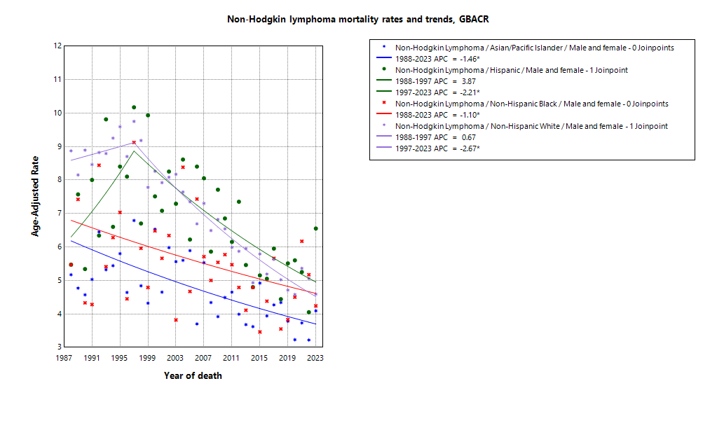

* indicates APC is statistically significant (95% CI excludes 1)

ASMR 19-23
Age-Specific Mortality
All races/ethnicities
2019-2023
GBACR
Age-specific mortality, GBACR, 2019-2023
 | Male | Female
 | Rate | Rate
0-4 years | 0.1 | ^
05-09 years | 0.31 | ^
10-14 years | 0.21 | 0.11
15-19 years | 0.42 | 0.19
20-24 years | 0.57 | 0.25
25-29 years | 0.87 | 0.49
30-34 years | 1.08 | 0.51
35-39 years | 1.76 | 0.79
40-44 years | 2.47 | 1.25
45-49 years | 3.97 | 1.97
50-54 years | 5.51 | 3.45
55-59 years | 9.41 | 5.4
60-64 years | 15.28 | 8.87
65-69 years | 21.99 | 14.95
70-74 years | 33.16 | 22.57
75-79 years | 53.5 | 33.32
80-84 years | 77.13 | 49.02
85+ years | 97.32 | 61.5

 | Rates are per 100,000 and age-adjusted to the 2000 US Std Population (19 age groups - Census P25-1130) standard; Confidence intervals (Tiwari mod) are 95% for rates.
^ | Statistic not displayed due to fewer than 11 cases or a population of less than 20,000.

CSMR 19-23
All races/ethnicities mortality, 2019-2023
Age-adjusted county or region-specific mortality rates (per 100,000)
2019-2023

 |  | Male and female |  |  |  |  | Male |  |  |  |  | Female
 |  | Rate | Lower CI | Upper CI | Count | Pop | Rate | Lower CI | Upper CI | Count | Pop | Rate | Lower CI | Upper CI | Count | Pop
All races/ethnicities | SF Bay Area | 4.57 | 4.36 | 4.79 | 1,801 | 32,781,714 | 6.18 | 5.81 | 6.57 | 1,061 | 16,442,410 | 3.31 | 3.07 | 3.56 | 740 | 16,339,304
All races/ethnicities | Alameda | 4.78 | 4.34 | 5.26 | 438 | 8,258,704 | 6.50 | 5.71 | 7.36 | 257 | 4,097,278 | 3.49 | 2.99 | 4.05 | 181 | 4,161,426
All races/ethnicities | Contra Costa | 4.54 | 4.05 | 5.08 | 320 | 5,806,443 | 6.19 | 5.32 | 7.16 | 188 | 2,855,812 | 3.27 | 2.73 | 3.90 | 132 | 2,950,631
All races/ethnicities | Marin | 4.04 | 3.24 | 5.03 | 89 | 1,294,254 | 6.65 | 5.11 | 8.60 | 63 | 636,095 | 2.09 | 1.35 | 3.23 | 26 | 658,159
All races/ethnicities | San Francisco | 4.15 | 3.62 | 4.74 | 229 | 4,181,168 | 5.62 | 4.71 | 6.67 | 139 | 2,149,378 | 2.90 | 2.32 | 3.61 | 90 | 2,031,790
All races/ethnicities | San Mateo | 4.33 | 3.76 | 4.97 | 211 | 3,725,185 | 5.92 | 4.91 | 7.08 | 124 | 1,855,887 | 3.11 | 2.48 | 3.87 | 87 | 1,869,298
All races/ethnicities | Santa Clara | 4.82 | 4.41 | 5.26 | 514 | 9,515,960 | 6.18 | 5.48 | 6.95 | 290 | 4,847,960 | 3.71 | 3.24 | 4.25 | 224 | 4,668,000
All races/ethnicities | Monterey Bay Area | 5.39 | 4.71 | 6.15 | 231 | 3,839,052 | 6.75 | 5.61 | 8.05 | 129 | 1,938,841 | 4.31 | 3.50 | 5.26 | 102 | 1,900,211
All races/ethnicities | Monterey | 6.27 | 5.28 | 7.40 | 145 | 2,179,119 | 7.58 | 5.98 | 9.48 | 79 | 1,108,961 | 5.25 | 4.04 | 6.72 | 66 | 1,070,158
All races/ethnicities | San Benito | 4.10 | 2.16 | 7.04 | 13 | 330,267 | ^ | ^ | ^ | ^ | 166,625 | ^ | ^ | ^ | ^ | 163,642
All races/ethnicities | Santa Cruz | 4.41 | 3.43 | 5.60 | 73 | 1,329,666 | 5.92 | 4.22 | 8.08 | 43 | 663,255 | 3.13 | 2.09 | 4.57 | 30 | 666,411
All races/ethnicities | Greater Bay Area (9) | 4.64 | 4.44 | 4.85 | 2,032 | 36,620,766 | 6.23 | 5.88 | 6.60 | 1,190 | 18,381,251 | 3.40 | 3.17 | 3.64 | 842 | 18,239,515
All races/ethnicities | California | 4.76 | 4.67 | 4.86 | 10,634 | 196,200,610 | 6.16 | 6.00 | 6.32 | 6,071 | 98,024,546 | 3.66 | 3.55 | 3.77 | 4,563 | 98,176,064
American Indian/Alaska Native | SF Bay Area | 14.66 | 8.10 | 24.49 | 15 | 97,383 | ^ | ^ | ^ | ^ | 48,506 | ^ | ^ | ^ | ^ | 48,877
American Indian/Alaska Native | Alameda | ^ | ^ | ^ | ^ | 26,909 | ^ | ^ | ^ | ^ | 12,473 | ^ | ^ | ^ | ^ | 14,436
American Indian/Alaska Native | Contra Costa | ^ | ^ | ^ | ^ | 21,217 | ^ | ^ | ^ | ^ | 10,298 | ^ | ^ | ^ | ^ | 10,919
American Indian/Alaska Native | Marin | ^ | ^ | ^ | ^ | 3,576 | ^ | ^ | ^ | ^ | 1,955 | ^ | ^ | ^ | ^ | 1,621
American Indian/Alaska Native | San Francisco | ^ | ^ | ^ | ^ | 11,877 | ^ | ^ | ^ | ^ | 6,577 | ^ | ^ | ^ | ^ | 5,300
American Indian/Alaska Native | San Mateo | ^ | ^ | ^ | ^ | 7,262 | ^ | ^ | ^ | ^ | 3,593 | ^ | ^ | ^ | ^ | 3,669
American Indian/Alaska Native | Santa Clara | ^ | ^ | ^ | ^ | 26,542 | ^ | ^ | ^ | ^ | 13,610 | ^ | ^ | ^ | ^ | 12,932
American Indian/Alaska Native | Monterey Bay Area | ^ | ^ | ^ | ^ | 17,497 | ^ | ^ | ^ | ^ | 8,917 | ^ | ^ | ^ | ^ | 8,580
American Indian/Alaska Native | Monterey | ^ | ^ | ^ | ^ | 8,667 | ^ | ^ | ^ | ^ | 4,465 | ^ | ^ | ^ | ^ | 4,202
American Indian/Alaska Native | San Benito | ^ | ^ | ^ | ^ | 1,684 | ^ | ^ | ^ | ^ | 829 | ^ | ^ | ^ | ^ | 855
American Indian/Alaska Native | Santa Cruz | ^ | ^ | ^ | ^ | 7,146 | ^ | ^ | ^ | ^ | 3,623 | ^ | ^ | ^ | ^ | 3,523
American Indian/Alaska Native | Greater Bay Area (9) | 12.13 | 6.69 | 20.31 | 15 | 114,880 | ^ | ^ | ^ | ^ | 57,423 | ^ | ^ | ^ | ^ | 57,457
American Indian/Alaska Native | California | 6.28 | 4.92 | 7.92 | 77 | 1,019,305 | 7.62 | 5.45 | 10.39 | 43 | 500,428 | 5.11 | 3.51 | 7.24 | 34 | 518,877
Asian American/Native Hawaiian/Pacific Islander | SF Bay Area | 3.60 | 3.27 | 3.96 | 448 | 10,914,298 | 4.59 | 4.03 | 5.20 | 248 | 5,309,220 | 2.87 | 2.48 | 3.31 | 200 | 5,605,078
Asian American/Native Hawaiian/Pacific Islander | Alameda | 3.22 | 2.61 | 3.94 | 98 | 2,867,250 | 3.98 | 2.95 | 5.25 | 51 | 1,390,649 | 2.64 | 1.93 | 3.55 | 47 | 1,476,601
Asian American/Native Hawaiian/Pacific Islander | Contra Costa | 3.19 | 2.29 | 4.34 | 42 | 1,195,554 | 4.41 | 2.83 | 6.55 | 25 | 569,844 | 2.30 | 1.33 | 3.74 | 17 | 625,710
Asian American/Native Hawaiian/Pacific Islander | Marin | ^ | ^ | ^ | ^ | 100,208 | ^ | ^ | ^ | ^ | 43,037 | ^ | ^ | ^ | ^ | 57,171
Asian American/Native Hawaiian/Pacific Islander | San Francisco | 3.62 | 2.90 | 4.51 | 93 | 1,574,058 | 4.99 | 3.71 | 6.64 | 53 | 740,106 | 2.59 | 1.82 | 3.68 | 40 | 833,952
Asian American/Native Hawaiian/Pacific Islander | San Mateo | 3.80 | 2.86 | 4.97 | 56 | 1,255,831 | 4.55 | 3.02 | 6.60 | 29 | 598,238 | 3.22 | 2.11 | 4.77 | 27 | 657,593
Asian American/Native Hawaiian/Pacific Islander | Santa Clara | 3.84 | 3.25 | 4.51 | 152 | 3,921,397 | 4.92 | 3.93 | 6.08 | 87 | 1,967,346 | 3.03 | 2.33 | 3.88 | 65 | 1,954,051
Asian American/Native Hawaiian/Pacific Islander | Monterey Bay Area | 4.38 | 2.30 | 7.76 | 13 | 232,882 | ^ | ^ | ^ | ^ | 108,240 | ^ | ^ | ^ | ^ | 124,642
Asian American/Native Hawaiian/Pacific Islander | Monterey | 5.37 | 2.64 | 10.17 | 11 | 143,862 | ^ | ^ | ^ | ^ | 66,554 | ^ | ^ | ^ | ^ | 77,308
Asian American/Native Hawaiian/Pacific Islander | San Benito | ^ | ^ | ^ | ^ | 14,684 | ^ | ^ | ^ | ^ | 6,777 | ^ | ^ | ^ | ^ | 7,907
Asian American/Native Hawaiian/Pacific Islander | Santa Cruz | ^ | ^ | ^ | ^ | 74,336 | ^ | ^ | ^ | ^ | 34,909 | ^ | ^ | ^ | ^ | 39,427
Asian American/Native Hawaiian/Pacific Islander | Greater Bay Area (9) | 3.62 | 3.30 | 3.98 | 461 | 11,147,180 | 4.58 | 4.02 | 5.19 | 253 | 5,417,460 | 2.91 | 2.52 | 3.35 | 208 | 5,729,720
Asian American/Native Hawaiian/Pacific Islander | California | 3.75 | 3.55 | 3.95 | 1,458 | 32,442,326 | 4.85 | 4.52 | 5.20 | 814 | 15,562,244 | 2.93 | 2.70 | 3.17 | 644 | 16,880,082
Hispanic | SF Bay Area | 5.46 | 4.82 | 6.15 | 282 | 7,738,452 | 7.23 | 6.08 | 8.51 | 157 | 3,926,188 | 4.21 | 3.49 | 5.02 | 125 | 3,812,264
Hispanic | Alameda | 6.08 | 4.70 | 7.71 | 70 | 1,926,750 | 7.94 | 5.50 | 10.97 | 39 | 977,152 | 4.90 | 3.30 | 6.93 | 31 | 949,598
Hispanic | Contra Costa | 5.30 | 3.91 | 6.98 | 53 | 1,584,031 | 5.54 | 3.40 | 8.38 | 24 | 794,128 | 5.13 | 3.40 | 7.37 | 29 | 789,903
Hispanic | Marin | ^ | ^ | ^ | ^ | 245,946 | ^ | ^ | ^ | ^ | 126,568 | ^ | ^ | ^ | ^ | 119,378
Hispanic | San Francisco | 4.59 | 2.97 | 6.75 | 26 | 666,314 | 6.56 | 3.57 | 10.85 | 15 | 350,609 | 3.23 | 1.58 | 5.90 | 11 | 315,705
Hispanic | San Mateo | 4.55 | 3.13 | 6.37 | 34 | 927,250 | 6.61 | 3.95 | 10.22 | 20 | 467,918 | 3.24 | 1.75 | 5.46 | 14 | 459,332
Hispanic | Santa Clara | 5.85 | 4.68 | 7.19 | 92 | 2,388,161 | 7.94 | 5.85 | 10.45 | 53 | 1,209,813 | 4.19 | 2.97 | 5.73 | 39 | 1,178,348
Hispanic | Monterey Bay Area | 5.25 | 3.92 | 6.83 | 59 | 1,998,183 | 6.28 | 4.14 | 9.00 | 33 | 1,021,376 | 4.41 | 2.83 | 6.47 | 26 | 976,807
Hispanic | Monterey | 5.88 | 4.14 | 8.03 | 42 | 1,328,728 | 7.63 | 4.70 | 11.48 | 25 | 682,796 | 4.49 | 2.54 | 7.20 | 17 | 645,932
Hispanic | San Benito | ^ | ^ | ^ | ^ | 203,936 | ^ | ^ | ^ | ^ | 103,534 | ^ | ^ | ^ | ^ | 100,402
Hispanic | Santa Cruz | ^ | ^ | ^ | ^ | 465,519 | ^ | ^ | ^ | ^ | 235,046 | ^ | ^ | ^ | ^ | 230,473
Hispanic | Greater Bay Area (9) | 5.41 | 4.83 | 6.03 | 341 | 9,736,635 | 7.04 | 6.02 | 8.18 | 190 | 4,947,564 | 4.23 | 3.57 | 4.97 | 151 | 4,789,071
Hispanic | California | 5.10 | 4.90 | 5.31 | 2,637 | 78,148,016 | 6.21 | 5.87 | 6.57 | 1,425 | 39,404,735 | 4.26 | 4.02 | 4.51 | 1,212 | 38,743,281
Non-Hispanic Black | SF Bay Area | 4.85 | 3.98 | 5.87 | 111 | 2,085,961 | 6.62 | 5.09 | 8.46 | 68 | 1,041,354 | 3.33 | 2.40 | 4.53 | 43 | 1,044,607
Non-Hispanic Black | Alameda | 4.93 | 3.63 | 6.56 | 50 | 892,071 | 7.11 | 4.79 | 10.16 | 32 | 433,272 | 3.13 | 1.82 | 5.06 | 18 | 458,799
Non-Hispanic Black | Contra Costa | 4.58 | 2.95 | 6.78 | 26 | 551,470 | 6.01 | 3.24 | 10.13 | 15 | 262,717 | 3.48 | 1.72 | 6.32 | 11 | 288,753
Non-Hispanic Black | Marin | ^ | ^ | ^ | ^ | 37,556 | ^ | ^ | ^ | ^ | 22,477 | ^ | ^ | ^ | ^ | 15,079
Non-Hispanic Black | San Francisco | 4.40 | 2.31 | 7.75 | 13 | 240,131 | ^ | ^ | ^ | ^ | 128,442 | ^ | ^ | ^ | ^ | 111,689
Non-Hispanic Black | San Mateo | ^ | ^ | ^ | ^ | 100,235 | ^ | ^ | ^ | ^ | 53,005 | ^ | ^ | ^ | ^ | 47,230
Non-Hispanic Black | Santa Clara | 6.21 | 3.33 | 10.48 | 14 | 264,498 | ^ | ^ | ^ | ^ | 141,441 | ^ | ^ | ^ | ^ | 123,057
Non-Hispanic Black | Monterey Bay Area | ^ | ^ | ^ | ^ | 84,353 | ^ | ^ | ^ | ^ | 49,517 | ^ | ^ | ^ | ^ | 34,836
Non-Hispanic Black | Monterey | ^ | ^ | ^ | ^ | 59,228 | ^ | ^ | ^ | ^ | 35,728 | ^ | ^ | ^ | ^ | 23,500
Non-Hispanic Black | San Benito | ^ | ^ | ^ | ^ | 4,931 | ^ | ^ | ^ | ^ | 2,696 | ^ | ^ | ^ | ^ | 2,235
Non-Hispanic Black | Santa Cruz | ^ | ^ | ^ | ^ | 20,194 | ^ | ^ | ^ | ^ | 11,093 | ^ | ^ | ^ | ^ | 9,101
Non-Hispanic Black | Greater Bay Area (9) | 4.78 | 3.92 | 5.77 | 113 | 2,170,314 | 6.46 | 4.98 | 8.25 | 69 | 1,090,871 | 3.31 | 2.39 | 4.48 | 44 | 1,079,443
Non-Hispanic Black | California | 4.27 | 3.91 | 4.66 | 540 | 12,245,602 | 5.91 | 5.26 | 6.63 | 326 | 6,137,046 | 3.02 | 2.63 | 3.47 | 214 | 6,108,556
Non-Hispanic White | SF Bay Area | 4.78 | 4.47 | 5.10 | 937 | 11,945,620 | 6.65 | 6.11 | 7.22 | 577 | 6,117,142 | 3.26 | 2.93 | 3.64 | 360 | 5,828,478
Non-Hispanic White | Alameda | 5.57 | 4.84 | 6.40 | 214 | 2,545,724 | 7.78 | 6.49 | 9.29 | 132 | 1,283,732 | 3.89 | 3.06 | 4.91 | 82 | 1,261,992
Non-Hispanic White | Contra Costa | 4.56 | 3.93 | 5.29 | 194 | 2,454,171 | 6.60 | 5.45 | 7.96 | 121 | 1,218,825 | 2.92 | 2.29 | 3.76 | 73 | 1,235,346
Non-Hispanic White | Marin | 3.77 | 2.95 | 4.87 | 73 | 906,968 | 6.28 | 4.68 | 8.47 | 52 | 442,058 | 1.88 | 1.16 | 3.26 | 21 | 464,910
Non-Hispanic White | San Francisco | 4.53 | 3.66 | 5.57 | 95 | 1,688,788 | 5.93 | 4.51 | 7.70 | 61 | 923,644 | 3.21 | 2.21 | 4.60 | 34 | 765,144
Non-Hispanic White | San Mateo | 4.43 | 3.64 | 5.38 | 114 | 1,434,607 | 6.32 | 4.93 | 8.07 | 71 | 733,133 | 2.89 | 2.08 | 4.06 | 43 | 701,474
Non-Hispanic White | Santa Clara | 4.95 | 4.35 | 5.64 | 247 | 2,915,362 | 6.40 | 5.37 | 7.60 | 140 | 1,515,750 | 3.73 | 3.05 | 4.58 | 107 | 1,399,612
Non-Hispanic White | Monterey Bay Area | 5.50 | 4.65 | 6.51 | 157 | 1,506,137 | 7.21 | 5.75 | 9.03 | 90 | 750,791 | 4.09 | 3.15 | 5.37 | 67 | 755,346
Non-Hispanic White | Monterey | 6.48 | 5.16 | 8.18 | 90 | 638,634 | 8.11 | 5.92 | 11.11 | 49 | 319,418 | 5.11 | 3.64 | 7.41 | 41 | 319,216
Non-Hispanic White | San Benito | ^ | ^ | ^ | ^ | 105,032 | ^ | ^ | ^ | ^ | 52,789 | ^ | ^ | ^ | ^ | 52,243
Non-Hispanic White | Santa Cruz | 4.74 | 3.59 | 6.25 | 61 | 762,471 | 6.15 | 4.21 | 8.88 | 35 | 378,584 | 3.49 | 2.25 | 5.49 | 26 | 383,887
Non-Hispanic White | Greater Bay Area (9) | 4.87 | 4.58 | 5.17 | 1,094 | 13,451,757 | 6.72 | 6.21 | 7.26 | 667 | 6,867,933 | 3.37 | 3.05 | 3.72 | 427 | 6,583,824
Non-Hispanic White | California | 4.87 | 4.74 | 5.00 | 5,889 | 72,345,361 | 6.39 | 6.18 | 6.62 | 3,445 | 36,420,093 | 3.60 | 3.45 | 3.75 | 2,444 | 35,925,268

 | Rates are per 100,000 and age-adjusted to the 2000 US Std Population (19 age groups - Census P25-1130) standard; Confidence intervals (Tiwari mod) are 95% for rates.
^ | Statistic not displayed due to fewer than 11 cases or a population of less than 20,000.

Regional Comparison 19-23
Incidence among Males 2019-2023
Incidence among Females 2019-2023
Incidence - Males
Greater Bay Area |  |  |  |  |  |  | California |  |  |  |  |  |  | SEER 21
Region | Race | Rate | LCL | UCL | LCLforfig | UCLforfig | Region | Race | Rate | LCL | UCL | LCLforfig | UCLforfig | Region | Race | Rate | LCL | UCL | LCLforfig | UCLforfig
GBACR | All races/ethnicities | 24.28 | 23.59 | 24.98 | 0.69 | 0.70 | California | All races/ethnicities | 21.93 | 21.64 | 22.22 | 0.29 | 0.29 | SEER | All races/ethnicities | 22.44 | 22.29 | 22.59 | 0.15 | 0.15
GBACR | AIAN | 20.71 | 11.04 | 35.81 | 9.67 | 15.10 | California | AIAN | 21.82 | 18.13 | 26.07 | 3.69 | 4.25 | SEER | Non-Hispanic American Indian/Alaska Native (PRCDA counties only) | 17.59 | 15.37 | 20.03 | 2.22 | 2.44
GBACR | Non-Hispanic Asian or Pacific Islander | 18.93 | 17.81 | 20.11 | 1.12 | 1.18 | California | Non-Hispanic Asian or Pacific Islander | 17.14 | 16.52 | 17.78 | 0.62 | 0.64 | SEER | Non-Hispanic Asian or Pacific Islander | 16.7 | 16.27 | 17.13 | 0.43 | 0.43
GBACR | Hispanic (All Races) | 24.65 | 22.88 | 26.52 | 1.77 | 1.87 | California | Hispanic (All Races) | 20.78 | 20.2 | 21.37 | 0.58 | 0.59 | SEER | Hispanic (All Races) | 20.46 | 20.11 | 20.82 | 0.35 | 0.36
GBACR | Non-Hispanic Black | 21.6 | 18.86 | 24.62 | 2.74 | 3.02 | California | Non-Hispanic Black | 18.27 | 17.15 | 19.44 | 1.12 | 1.17 | SEER | Non-Hispanic Black | 16.94 | 16.52 | 17.36 | 0.42 | 0.42
GBACR | Non-Hispanic White | 26.46 | 25.43 | 27.54 | 1.03 | 1.08 | California | Non-Hispanic White | 23.56 | 23.13 | 23.99 | 0.43 | 0.43 | SEER | Non-Hispanic White | 24.16 | 23.96 | 24.35 | 0.20 | 0.19

Incidence - Females
Greater Bay Area |  |  |  |  |  |  | California |  |  |  |  |  |  | SEER 21
Region | Race | Rate | LCL | UCL | LCLforfig | UCLforfig | Region | Race | Rate | LCL | UCL | LCLforfig | UCLforfig | Region | Race | Rate | LCL | UCL | LCLforfig | UCLforfig
GBACR | All races/ethnicities | 16.82 | 16.29 | 17.37 | 0.53 | 0.55 | California | All races/ethnicities | 15.51 | 15.29 | 15.74 | 0.22 | 0.23 | SEER | All races/ethnicities | 15.63 | 15.52 | 15.75 | 0.11 | 0.12
GBACR | AIAN | 19.68 | 10.77 | 33.64 | 8.91 | 13.96 | California | AIAN | 15.51 | 12.59 | 18.96 | 2.92 | 3.45 | SEER | Non-Hispanic American Indian/Alaska Native (PRCDA counties only) | 12.65 | 10.94 | 14.55 | 1.71 | 1.90
GBACR | Non-Hispanic Asian or Pacific Islander | 13.38 | 12.52 | 14.29 | 0.86 | 0.91 | California | Non-Hispanic Asian or Pacific Islander | 12.1 | 11.62 | 12.59 | 0.48 | 0.49 | SEER | Non-Hispanic Asian or Pacific Islander | 11.74 | 11.42 | 12.07 | 0.32 | 0.33
GBACR | Hispanic (All Races) | 17.9 | 16.57 | 19.31 | 1.33 | 1.41 | California | Hispanic (All Races) | 16.18 | 15.73 | 16.64 | 0.45 | 0.46 | SEER | Hispanic (All Races) | 15.83 | 15.55 | 16.11 | 0.28 | 0.28
GBACR | Non-Hispanic Black | 14.21 | 12.19 | 16.49 | 2.02 | 2.28 | California | Non-Hispanic Black | 12.62 | 11.77 | 13.5 | 0.85 | 0.88 | SEER | Non-Hispanic Black | 11.86 | 11.56 | 12.16 | 0.30 | 0.30
GBACR | Non-Hispanic White | 18.44 | 17.59 | 19.32 | 0.85 | 0.88 | California | Non-Hispanic White | 16.06 | 15.71 | 16.41 | 0.35 | 0.35 | SEER | Non-Hispanic White | 16.5 | 16.35 | 16.66 | 0.15 | 0.16

Mortality among Males 2019-2023
Mortality among Females 2019-2023
Mortality - Males
Greater Bay Area |  |  |  |  |  |  | California |  |  |  |  |  |  | Total U.S. Mortality
Region | Race | Rate | LCL | UCL | LCLforfig | UCLforfig | Region | Race | Rate | LCL | UCL | LCLforfig | UCLforfig | Region | Race | Rate | LCL | UCL | LCLforfig | UCLforfig
GBACR | All races/ethnicities | 6.23 | 5.88 | 6.60 | 0.35 | 0.37 | California | All races/ethnicities | 6.16 | 6.00 | 6.32 | 0.16 | 0.16 | US Mortality | All races/ethnicities | 6.44 | 6.38 | 6.49 | 0.06 | 0.05
GBACR | AIAN | ^ | ^ | ^ | #VALUE! | #VALUE! | California | AIAN | 7.62 | 5.45 | 10.39 | 2.17 | 2.77 | US Mortality | Non-Hispanic American Indian/Alaska Native (PRCDA counties only) | 4.41 | 3.88 | 5 | 0.53 | 0.59
GBACR | Non-Hispanic Asian or Pacific Islander | 4.58 | 4.02 | 5.19 | 0.56 | 0.61 | California | Non-Hispanic Asian or Pacific Islander | 4.85 | 4.52 | 5.20 | 0.33 | 0.35 | US Mortality | Non-Hispanic Asian or Pacific Islander | 4.58 | 4.39 | 4.79 | 0.19 | 0.21
GBACR | Hispanic (All Races) | 7.04 | 6.02 | 8.18 | 1.02 | 1.14 | California | Hispanic (All Races) | 6.21 | 5.87 | 6.57 | 0.34 | 0.36 | US Mortality | Hispanic (All Races) | 5.31 | 5.15 | 5.47 | 0.16 | 0.16
GBACR | Non-Hispanic Black | 6.46 | 4.98 | 8.25 | 1.48 | 1.79 | California | Non-Hispanic Black | 5.91 | 5.26 | 6.63 | 0.65 | 0.72 | US Mortality | Non-Hispanic Black | 4.75 | 4.6 | 4.91 | 0.15 | 0.16
GBACR | Non-Hispanic White | 6.72 | 6.21 | 7.26 | 0.51 | 0.54 | California | Non-Hispanic White | 6.39 | 6.18 | 6.62 | 0.21 | 0.23 | US Mortality | Non-Hispanic White | 6.83 | 6.76 | 6.89 | 0.07 | 0.06

Mortality - Females
Greater Bay Area |  |  |  |  |  |  | California |  |  |  |  |  |  | Total U.S. Mortality
Region | Race | Rate | LCL | UCL | LCLforfig | UCLforfig | Region | Race | Rate | LCL | UCL | LCLforfig | UCLforfig | Region | Race | Rate | LCL | UCL | LCLforfig | UCLforfig
GBACR | All races/ethnicities | 3.40 | 3.17 | 3.64 | 0.23 | 0.24 | California | All races/ethnicities | 3.66 | 3.55 | 3.77 | 0.11 | 0.11 | US Mortality | All races/ethnicities | 3.73 | 3.7 | 3.77 | 0.03 | 0.04
GBACR | AIAN | ^ | ^ | ^ | #VALUE! | #VALUE! | California | AIAN | 5.11 | 3.51 | 7.24 | 1.60 | 2.13 | US Mortality | Non-Hispanic American Indian/Alaska Native (PRCDA counties only) | 2.74 | 2.36 | 3.16 | 0.38 | 0.42
GBACR | Non-Hispanic Asian or Pacific Islander | 2.91 | 2.52 | 3.35 | 0.39 | 0.44 | California | Non-Hispanic Asian or Pacific Islander | 2.93 | 2.70 | 3.17 | 0.23 | 0.24 | US Mortality | Non-Hispanic Asian or Pacific Islander | 2.77 | 2.64 | 2.91 | 0.13 | 0.14
GBACR | Hispanic (All Races) | 4.23 | 3.57 | 4.97 | 0.66 | 0.74 | California | Hispanic (All Races) | 4.26 | 4.02 | 4.51 | 0.24 | 0.25 | US Mortality | Hispanic (All Races) | 3.49 | 3.38 | 3.6 | 0.11 | 0.11
GBACR | Non-Hispanic Black | 3.31 | 2.39 | 4.48 | 0.92 | 1.17 | California | Non-Hispanic Black | 3.02 | 2.63 | 3.47 | 0.39 | 0.45 | US Mortality | Non-Hispanic Black | 2.76 | 2.66 | 2.86 | 0.10 | 0.10
GBACR | Non-Hispanic White | 3.37 | 3.05 | 3.72 | 0.32 | 0.35 | California | Non-Hispanic White | 3.60 | 3.45 | 3.75 | 0.15 | 0.15 | US Mortality | Non-Hispanic White | 3.93 | 3.89 | 3.97 | 0.04 | 0.04

