JP Inc_Trend Data 88-23
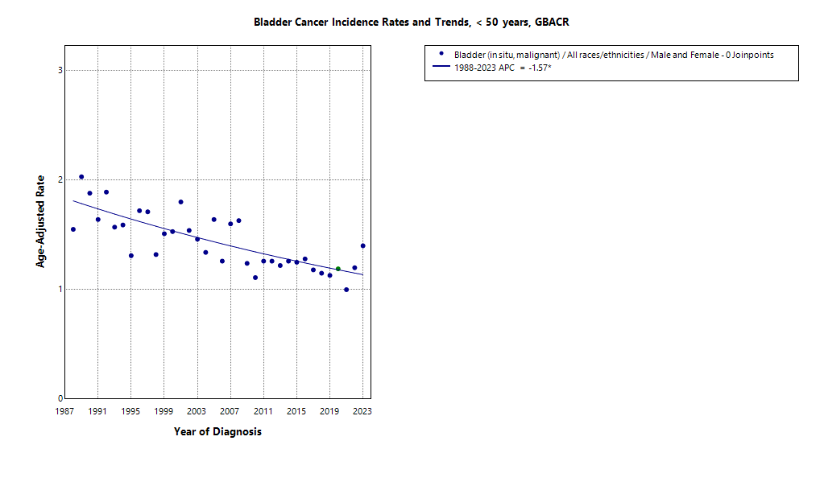
MULTIPLE JOINPOINT INCIDENCE
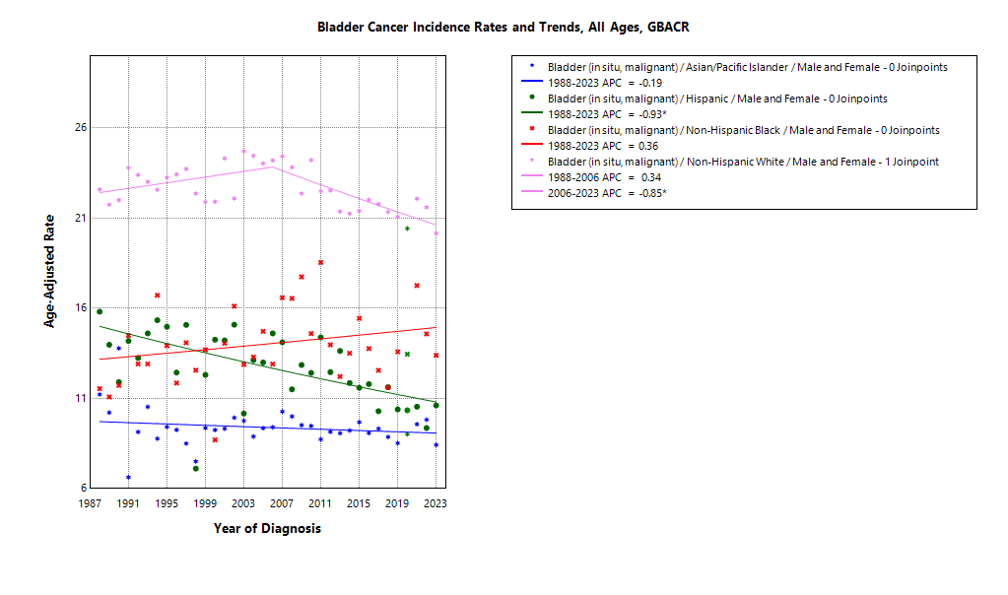

* indicates APC is statistically significant (95% CI excludes 1)
2020 rate is excluded from calculation of trend

ASIR 19-23
Age-specific incidence, GBACR, 2019-2023
Age-specific Incidence (per 100,000)
All races and ethnicities
2019-2023
GBACR
 | Male | Female
 | Rate | Rate
0-04 years | ^ | ^
05-09 years | ^ | ^
10-14 years | ^ | ^
15-19 years | ^ | ^
20-24 years | ^ | ^
25-29 years | ^ | ^
30-34 years | 0.72 | ^
35-39 years | 1.85 | 1.11
40-44 years | 3.76 | 1.36
45-49 years | 5.56 | 2
50-54 years | 11.95 | 3.68
55-59 years | 25.76 | 6.6
60-64 years | 48.22 | 12.89
65-69 years | 77.05 | 20.46
70-74 years | 131.18 | 31.63
75-79 years | 210.56 | 46.92
80-84 years | 276.01 | 63
85+ years | 324.59 | 71.57

 | Rates are per 100,000 and age-adjusted to the 2000 US Std Population (19 age groups - Census P25-1130) standard; Confidence intervals (Tiwari mod) are 95% for rates.
^ | Statistic not displayed due to fewer than 11 cases or a population of less than 20,000.

CSIR 19-23
Age-adjusted county or region-specific incidence rates (per 100,000)
2019-2023

All races/ethnicities incidence, 2019-2023
 |  | Male and female |  |  |  |  | Male |  |  |  |  | Female
 |  | Rate | Lower CI | Upper CI | Count | Pop | Rate | Lower CI | Upper CI | Count | Pop | Rate | Lower CI | Upper CI | Count | Pop
All races/ethnicities | SF Bay Area | 15.63 | 15.25 | 16.03 | 6,276 | 32,781,714 | 26.92 | 26.16 | 27.71 | 4,824 | 16,442,410 | 6.59 | 6.25 | 6.95 | 1,452 | 16,339,304
All races/ethnicities | Alameda | 13.86 | 13.11 | 14.65 | 1,310 | 8,258,704 | 24.16 | 22.65 | 25.74 | 1,001 | 4,097,278 | 5.91 | 5.27 | 6.63 | 309 | 4,161,426
All races/ethnicities | Contra Costa | 15.97 | 15.06 | 16.92 | 1,177 | 5,806,443 | 28.18 | 26.35 | 30.1 | 921 | 2,855,812 | 6.35 | 5.59 | 7.2 | 256 | 2,950,631
All races/ethnicities | Marin | 19.13 | 17.32 | 21.12 | 424 | 1,294,254 | 33.69 | 30.1 | 37.65 | 331 | 636,095 | 7.48 | 6.01 | 9.31 | 93 | 658,159
All races/ethnicities | San Francisco | 14.64 | 13.62 | 15.72 | 793 | 4,181,168 | 24.32 | 22.39 | 26.39 | 605 | 2,149,378 | 6.39 | 5.49 | 7.42 | 188 | 2,031,790
All races/ethnicities | San Mateo | 16.94 | 15.8 | 18.15 | 835 | 3,725,185 | 30.12 | 27.82 | 32.57 | 653 | 1,855,887 | 6.56 | 5.64 | 7.62 | 182 | 1,869,298
All races/ethnicities | Santa Clara | 16.13 | 15.37 | 16.91 | 1,737 | 9,515,960 | 26.98 | 25.52 | 28.5 | 1,313 | 4,847,960 | 7.25 | 6.57 | 7.99 | 424 | 4,668,000
All races/ethnicities | Monterey Bay Area | 17.72 | 16.49 | 19.03 | 796 | 3,839,052 | 30.24 | 27.85 | 32.79 | 621 | 1,938,841 | 7.34 | 6.27 | 8.55 | 175 | 1,900,211
All races/ethnicities | Monterey | 14.93 | 13.4 | 16.59 | 356 | 2,179,119 | 26.14 | 23.13 | 29.42 | 284 | 1,108,961 | 5.68 | 4.42 | 7.2 | 72 | 1,070,158
All races/ethnicities | San Benito | 14.31 | 10.51 | 19.03 | 49 | 330,267 | 25.07 | 17.55 | 34.65 | 39 | 166,625 | ^ | ^ | ^ | ^ | 163,642
All races/ethnicities | Santa Cruz | 22.4 | 20.16 | 24.83 | 391 | 1,329,666 | 37.25 | 32.95 | 41.97 | 298 | 663,255 | 10.07 | 8.05 | 12.49 | 93 | 666,411
All races/ethnicities | Greater Bay Area (9) | 15.85 | 15.48 | 16.23 | 7,072 | 36,620,766 | 27.27 | 26.54 | 28.02 | 5,445 | 18,381,251 | 6.67 | 6.34 | 7 | 1,627 | 18,239,515
All races/ethnicities | California | 15.67 | 15.51 | 15.84 | 35,806 | 196,200,610 | 27.23 | 26.9 | 27.56 | 27,755 | 98,024,546 | 6.44 | 6.3 | 6.58 | 8,051 | 98,176,064
American Indian/Alaska Native | SF Bay Area | 25.52 | 16.79 | 37.34 | 28 | 97,383 | 40.69 | 24.66 | 63.34 | 21 | 48,506 | ^ | ^ | ^ | ^ | 48,877
American Indian/Alaska Native | Alameda | ^ | ^ | ^ | ^ | 26,909 | ^ | ^ | ^ | ^ | 12,473 | ^ | ^ | ^ | ^ | 14,436
American Indian/Alaska Native | Contra Costa | ^ | ^ | ^ | ^ | 21,217 | ^ | ^ | ^ | ^ | 10,298 | ^ | ^ | ^ | ^ | 10,919
American Indian/Alaska Native | Marin | ^ | ^ | ^ | ^ | 3,576 | ^ | ^ | ^ | ^ | 1,955 | ^ | ^ | ^ | ^ | 1,621
American Indian/Alaska Native | San Francisco | ^ | ^ | ^ | ^ | 11,877 | ^ | ^ | ^ | ^ | 6,577 | ^ | ^ | ^ | ^ | 5,300
American Indian/Alaska Native | San Mateo | ^ | ^ | ^ | ^ | 7,262 | ^ | ^ | ^ | ^ | 3,593 | ^ | ^ | ^ | ^ | 3,669
American Indian/Alaska Native | Santa Clara | ^ | ^ | ^ | ^ | 26,542 | ^ | ^ | ^ | ^ | 13,610 | ^ | ^ | ^ | ^ | 12,932
American Indian/Alaska Native | Monterey Bay Area | ^ | ^ | ^ | ^ | 17,497 | ^ | ^ | ^ | ^ | 8,917 | ^ | ^ | ^ | ^ | 8,580
American Indian/Alaska Native | Monterey | ^ | ^ | ^ | ^ | 8,667 | ^ | ^ | ^ | ^ | 4,465 | ^ | ^ | ^ | ^ | 4,202
American Indian/Alaska Native | San Benito | ^ | ^ | ^ | ^ | 1,684 | ^ | ^ | ^ | ^ | 829 | ^ | ^ | ^ | ^ | 855
American Indian/Alaska Native | Santa Cruz | ^ | ^ | ^ | ^ | 7,146 | ^ | ^ | ^ | ^ | 3,623 | ^ | ^ | ^ | ^ | 3,523
American Indian/Alaska Native | Greater Bay Area (9) | 27.05 | 18.69 | 38 | 35 | 114,880 | 46 | 30.2 | 67.27 | 28 | 57,423 | ^ | ^ | ^ | ^ | 57,457
American Indian/Alaska Native | California | 17.68 | 15.37 | 20.26 | 221 | 1,019,305 | 29.31 | 24.9 | 34.3 | 166 | 500,428 | 8.09 | 6.05 | 10.66 | 55 | 518,877
Asian American/Native Hawaiian/Pacific Islander | SF Bay Area | 9.07 | 8.55 | 9.62 | 1,142 | 10,914,298 | 15.48 | 14.44 | 16.57 | 846 | 5,309,220 | 4.09 | 3.64 | 4.6 | 296 | 5,605,078
Asian American/Native Hawaiian/Pacific Islander | Alameda | 8.36 | 7.36 | 9.46 | 260 | 2,867,250 | 15.12 | 13.07 | 17.4 | 203 | 1,390,649 | 3.18 | 2.4 | 4.15 | 57 | 1,476,601
Asian American/Native Hawaiian/Pacific Islander | Contra Costa | 7.45 | 6.05 | 9.09 | 101 | 1,195,554 | 12.73 | 9.98 | 16 | 76 | 569,844 | 3.28 | 2.11 | 4.92 | 25 | 625,710
Asian American/Native Hawaiian/Pacific Islander | Marin | 11.79 | 6.36 | 20.21 | 14 | 100,208 | ^ | ^ | ^ | ^ | 43,037 | ^ | ^ | ^ | ^ | 57,171
Asian American/Native Hawaiian/Pacific Islander | San Francisco | 10.2 | 8.93 | 11.64 | 247 | 1,574,058 | 17.97 | 15.41 | 20.9 | 184 | 740,106 | 4.47 | 3.4 | 5.87 | 63 | 833,952
Asian American/Native Hawaiian/Pacific Islander | San Mateo | 8.69 | 7.26 | 10.35 | 132 | 1,255,831 | 15.02 | 12.1 | 18.44 | 95 | 598,238 | 4.01 | 2.81 | 5.61 | 37 | 657,593
Asian American/Native Hawaiian/Pacific Islander | Santa Clara | 9.51 | 8.58 | 10.52 | 388 | 3,921,397 | 15.18 | 13.43 | 17.1 | 279 | 1,967,346 | 4.84 | 3.97 | 5.86 | 109 | 1,954,051
Asian American/Native Hawaiian/Pacific Islander | Monterey Bay Area | 9.13 | 5.99 | 13.52 | 28 | 232,882 | 16.06 | 9.8 | 25.1 | 21 | 108,240 | ^ | ^ | ^ | ^ | 124,642
Asian American/Native Hawaiian/Pacific Islander | Monterey | 6.71 | 3.52 | 11.98 | 13 | 143,862 | ^ | ^ | ^ | ^ | 66,554 | ^ | ^ | ^ | ^ | 77,308
Asian American/Native Hawaiian/Pacific Islander | San Benito | ^ | ^ | ^ | ^ | 14,684 | ^ | ^ | ^ | ^ | 6,777 | ^ | ^ | ^ | ^ | 7,907
Asian American/Native Hawaiian/Pacific Islander | Santa Cruz | 17.54 | 9.61 | 30.03 | 15 | 74,336 | 36.29 | 18.8 | 64.11 | 13 | 34,909 | ^ | ^ | ^ | ^ | 39,427
Asian American/Native Hawaiian/Pacific Islander | Greater Bay Area (9) | 9.07 | 8.55 | 9.61 | 1,170 | 11,147,180 | 15.48 | 14.46 | 16.57 | 867 | 5,417,460 | 4.08 | 3.63 | 4.58 | 303 | 5,729,720
Asian American/Native Hawaiian/Pacific Islander | California | 8.21 | 7.92 | 8.5 | 3,223 | 32,442,326 | 14.38 | 13.81 | 14.98 | 2,430 | 15,562,244 | 3.53 | 3.28 | 3.79 | 793 | 16,880,082
Hispanic | SF Bay Area | 10.43 | 9.55 | 11.36 | 560 | 7,738,452 | 18.3 | 16.48 | 20.25 | 420 | 3,926,188 | 4.61 | 3.86 | 5.45 | 140 | 3,812,264
Hispanic | Alameda | 8.51 | 6.89 | 10.37 | 104 | 1,926,750 | 14.12 | 10.88 | 17.92 | 73 | 977,152 | 4.51 | 3.02 | 6.43 | 31 | 949,598
Hispanic | Contra Costa | 9.77 | 7.83 | 12 | 96 | 1,584,031 | 18.11 | 13.97 | 22.96 | 75 | 794,128 | 3.81 | 2.33 | 5.82 | 21 | 789,903
Hispanic | Marin | 12.76 | 7.45 | 20.04 | 19 | 245,946 | 23.49 | 12.12 | 39.79 | 14 | 126,568 | ^ | ^ | ^ | ^ | 119,378
Hispanic | San Francisco | 12.24 | 9.46 | 15.54 | 69 | 666,314 | 19.9 | 14.5 | 26.53 | 50 | 350,609 | 5.99 | 3.58 | 9.41 | 19 | 315,705
Hispanic | San Mateo | 10.22 | 8.03 | 12.79 | 79 | 927,250 | 19.23 | 14.55 | 24.83 | 64 | 467,918 | 3.47 | 1.93 | 5.75 | 15 | 459,332
Hispanic | Santa Clara | 11.73 | 10.08 | 13.55 | 193 | 2,388,161 | 20.5 | 17.11 | 24.3 | 144 | 1,209,813 | 5.12 | 3.76 | 6.78 | 49 | 1,178,348
Hispanic | Monterey Bay Area | 9.28 | 7.54 | 11.28 | 110 | 1,998,183 | 16.42 | 12.91 | 20.48 | 88 | 1,021,376 | 3.27 | 2 | 4.98 | 22 | 976,807
Hispanic | Monterey | 7.85 | 5.85 | 10.25 | 57 | 1,328,728 | 14.5 | 10.39 | 19.5 | 47 | 682,796 | ^ | ^ | ^ | ^ | 645,932
Hispanic | San Benito | ^ | ^ | ^ | ^ | 203,936 | ^ | ^ | ^ | ^ | 103,534 | ^ | ^ | ^ | ^ | 100,402
Hispanic | Santa Cruz | 14.11 | 9.94 | 19.29 | 43 | 465,519 | 22.76 | 14.92 | 32.85 | 32 | 235,046 | 6.69 | 3.17 | 12.15 | 11 | 230,473
Hispanic | Greater Bay Area (9) | 10.24 | 9.44 | 11.07 | 670 | 9,736,635 | 17.98 | 16.34 | 19.71 | 508 | 4,947,564 | 4.39 | 3.73 | 5.13 | 162 | 4,789,071
Hispanic | California | 9.93 | 9.65 | 10.21 | 5,199 | 78,148,016 | 17.05 | 16.48 | 17.63 | 3,871 | 39,404,735 | 4.56 | 4.31 | 4.82 | 1,328 | 38,743,281
Non-Hispanic Black | SF Bay Area | 14.35 | 12.86 | 15.97 | 353 | 2,085,961 | 23.62 | 20.66 | 26.89 | 252 | 1,041,354 | 7.46 | 6.06 | 9.12 | 101 | 1,044,607
Non-Hispanic Black | Alameda | 13.95 | 11.8 | 16.41 | 155 | 892,071 | 22.01 | 17.78 | 26.97 | 103 | 433,272 | 8.35 | 6.2 | 11.07 | 52 | 458,799
Non-Hispanic Black | Contra Costa | 13.78 | 10.89 | 17.21 | 83 | 551,470 | 25.22 | 19.01 | 32.75 | 62 | 262,717 | 6.05 | 3.7 | 9.4 | 21 | 288,753
Non-Hispanic Black | Marin | ^ | ^ | ^ | ^ | 37,556 | ^ | ^ | ^ | ^ | 22,477 | ^ | ^ | ^ | ^ | 15,079
Non-Hispanic Black | San Francisco | 14.65 | 10.71 | 19.73 | 47 | 240,131 | 23.04 | 15.99 | 32.42 | 37 | 128,442 | ^ | ^ | ^ | ^ | 111,689
Non-Hispanic Black | San Mateo | 16.66 | 10.34 | 25.74 | 22 | 100,235 | 24.31 | 13.27 | 41.2 | 15 | 53,005 | ^ | ^ | ^ | ^ | 47,230
Non-Hispanic Black | Santa Clara | 16.85 | 11.78 | 23.27 | 38 | 264,498 | 30.18 | 19.55 | 44.01 | 28 | 141,441 | ^ | ^ | ^ | ^ | 123,057
Non-Hispanic Black | Monterey Bay Area | 17.06 | 9.23 | 28.94 | 15 | 84,353 | 29.39 | 15.27 | 51.11 | 14 | 49,517 | ^ | ^ | ^ | ^ | 34,836
Non-Hispanic Black | Monterey | ^ | ^ | ^ | ^ | 59,228 | ^ | ^ | ^ | ^ | 35,728 | ^ | ^ | ^ | ^ | 23,500
Non-Hispanic Black | San Benito | ^ | ^ | ^ | ^ | 4,931 | ^ | ^ | ^ | ^ | 2,696 | ^ | ^ | ^ | ^ | 2,235
Non-Hispanic Black | Santa Cruz | ^ | ^ | ^ | ^ | 20,194 | ^ | ^ | ^ | ^ | 11,093 | ^ | ^ | ^ | ^ | 9,101
Non-Hispanic Black | Greater Bay Area (9) | 14.42 | 12.95 | 16.01 | 368 | 2,170,314 | 23.81 | 20.9 | 27.01 | 266 | 1,090,871 | 7.33 | 5.95 | 8.95 | 102 | 1,079,443
Non-Hispanic Black | California | 12.42 | 11.8 | 13.06 | 1,614 | 12,245,602 | 20.32 | 19.09 | 21.59 | 1,141 | 6,137,046 | 6.53 | 5.95 | 7.16 | 473 | 6,108,556
Non-Hispanic White | SF Bay Area | 20.91 | 20.26 | 21.57 | 4,108 | 11,945,620 | 35.6 | 34.36 | 36.88 | 3,216 | 6,117,142 | 8.52 | 7.96 | 9.12 | 892 | 5,828,478
Non-Hispanic White | Alameda | 18.95 | 17.6 | 20.39 | 754 | 2,545,724 | 33.11 | 30.44 | 35.97 | 592 | 1,283,732 | 7.47 | 6.34 | 8.78 | 162 | 1,261,992
Non-Hispanic White | Contra Costa | 19.82 | 18.49 | 21.24 | 861 | 2,454,171 | 34.24 | 31.65 | 37.02 | 676 | 1,218,825 | 8.03 | 6.87 | 9.39 | 185 | 1,235,346
Non-Hispanic White | Marin | 19.87 | 17.85 | 22.15 | 379 | 906,968 | 34.76 | 30.81 | 39.25 | 297 | 442,058 | 7.79 | 6.13 | 10.02 | 82 | 464,910
Non-Hispanic White | San Francisco | 20.02 | 18.15 | 22.06 | 424 | 1,688,788 | 31.32 | 27.97 | 35.01 | 330 | 923,644 | 8.83 | 7.12 | 10.91 | 94 | 765,144
Non-Hispanic White | San Mateo | 23.74 | 21.84 | 25.79 | 597 | 1,434,607 | 41.16 | 37.49 | 45.15 | 475 | 733,133 | 9.19 | 7.6 | 11.11 | 122 | 701,474
Non-Hispanic White | Santa Clara | 22.89 | 21.52 | 24.34 | 1,093 | 2,915,362 | 38.22 | 35.64 | 40.96 | 846 | 1,515,750 | 9.77 | 8.55 | 11.16 | 247 | 1,399,612
Non-Hispanic White | Monterey Bay Area | 21.9 | 20.12 | 23.83 | 620 | 1,506,137 | 36.59 | 33.26 | 40.25 | 477 | 750,791 | 9.72 | 8.04 | 11.73 | 143 | 755,346
Non-Hispanic White | Monterey | 19.94 | 17.5 | 22.74 | 267 | 638,634 | 33.95 | 29.39 | 39.26 | 210 | 319,418 | 8.31 | 6.07 | 11.42 | 57 | 319,216
Non-Hispanic White | San Benito | 19.27 | 13.34 | 27.65 | 35 | 105,032 | 32.58 | 21.14 | 49.22 | 27 | 52,789 | ^ | ^ | ^ | ^ | 52,243
Non-Hispanic White | Santa Cruz | 24.16 | 21.43 | 27.22 | 318 | 762,471 | 39.73 | 34.61 | 45.56 | 240 | 378,584 | 11.36 | 8.76 | 14.69 | 78 | 383,887
Non-Hispanic White | Greater Bay Area (9) | 21.03 | 20.42 | 21.65 | 4,728 | 13,451,757 | 35.73 | 34.57 | 36.93 | 3,693 | 6,867,933 | 8.66 | 8.12 | 9.23 | 1,035 | 6,583,824
Non-Hispanic White | California | 20.24 | 19.98 | 20.5 | 24,752 | 72,345,361 | 34.81 | 34.32 | 35.32 | 19,501 | 36,420,093 | 8.03 | 7.81 | 8.26 | 5,251 | 35,925,268

 | Rates are per 100,000 and age-adjusted to the 2000 US Std Population (19 age groups - Census P25-1130) standard; Confidence intervals (Tiwari mod) are 95% for rates.
^ | Statistic not displayed due to fewer than 11 cases or a population of less than 20,000.

JP Mort_Trend Data 88-23
MULTIPLE JOINPOINT MORTALITY
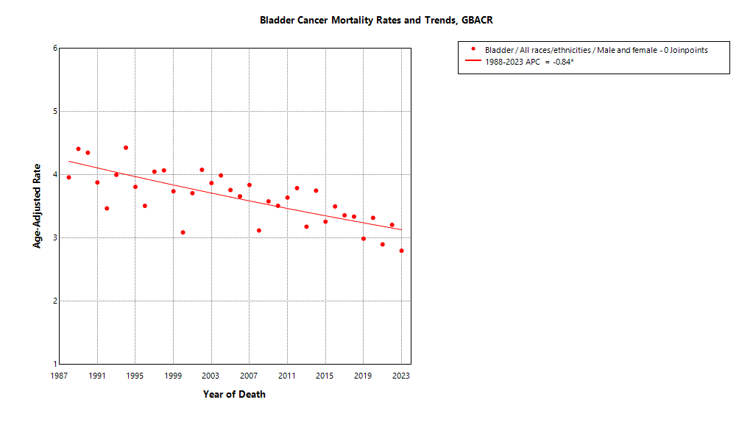

* indicates APC is statistically significant (95% CI excludes 1)

ASMR 19-23
Age-Specific Mortality
All races/ethnicities
2019-2023
GBACR
Age-specific mortality, GBACR, 2019-2023
 | Male | Female
 | Rate | Rate
0-4 years | ^ | ^
05-09 years | ^ | ^
10-14 years | ^ | ^
15-19 years | ^ | ^
20-24 years | ^ | ^
25-29 years | ^ | ^
30-34 years | ^ | ^
35-39 years | ^ | 0.09
40-44 years | 0.27 | 0.22
45-49 years | 0.65 | 0.28
50-54 years | 1.73 | 0.67
55-59 years | 4.01 | 1.28
60-64 years | 8.5 | 2.59
65-69 years | 15.26 | 4.89
70-74 years | 27.56 | 8.36
75-79 years | 43.46 | 13.65
80-84 years | 74.86 | 24.41
85+ years | 135.42 | 40.87

 | Rates are per 100,000 and age-adjusted to the 2000 US Std Population (19 age groups - Census P25-1130) standard; Confidence intervals (Tiwari mod) are 95% for rates.
^ | Statistic not displayed due to fewer than 11 cases or a population of less than 20,000.

CSMR 19-23
All races/ethnicities mortality, 2019-2023
Age-adjusted county or region-specific mortality rates (per 100,000)
2019-2023

 |  | Male and female |  |  |  |  | Male |  |  |  |  | Female
 |  | Rate | Lower CI | Upper CI | Count | Pop | Rate | Lower CI | Upper CI | Count | Pop | Rate | Lower CI | Upper CI | Count | Pop
All races/ethnicities | SF Bay Area | 3.05 | 2.88 | 3.23 | 1,219 | 32,781,714 | 4.96 | 4.63 | 5.31 | 837 | 16,442,410 | 1.69 | 1.52 | 1.87 | 382 | 16,339,304
All races/ethnicities | Alameda | 2.94 | 2.59 | 3.32 | 266 | 8,258,704 | 4.75 | 4.07 | 5.51 | 180 | 4,097,278 | 1.68 | 1.34 | 2.08 | 86 | 4,161,426
All races/ethnicities | Contra Costa | 3.59 | 3.16 | 4.07 | 255 | 5,806,443 | 6.01 | 5.15 | 6.97 | 179 | 2,855,812 | 1.87 | 1.47 | 2.35 | 76 | 2,950,631
All races/ethnicities | Marin | 3.18 | 2.48 | 4.06 | 72 | 1,294,254 | 5.19 | 3.83 | 6.95 | 49 | 636,095 | 1.78 | 1.12 | 2.83 | 23 | 658,159
All races/ethnicities | San Francisco | 2.65 | 2.24 | 3.12 | 153 | 4,181,168 | 4.49 | 3.68 | 5.44 | 110 | 2,149,378 | 1.29 | 0.92 | 1.78 | 43 | 2,031,790
All races/ethnicities | San Mateo | 3.14 | 2.67 | 3.68 | 160 | 3,725,185 | 5.52 | 4.56 | 6.64 | 117 | 1,855,887 | 1.49 | 1.07 | 2.05 | 43 | 1,869,298
All races/ethnicities | Santa Clara | 2.91 | 2.60 | 3.26 | 313 | 9,515,960 | 4.38 | 3.79 | 5.04 | 202 | 4,847,960 | 1.84 | 1.51 | 2.23 | 111 | 4,668,000
All races/ethnicities | Monterey Bay Area | 2.91 | 2.42 | 3.48 | 126 | 3,839,052 | 5.32 | 4.29 | 6.50 | 98 | 1,938,841 | 1.15 | 0.76 | 1.69 | 28 | 1,900,211
All races/ethnicities | Monterey | 2.84 | 2.20 | 3.62 | 67 | 2,179,119 | 5.41 | 4.06 | 7.06 | 55 | 1,108,961 | 0.90 | 0.46 | 1.62 | 12 | 1,070,158
All races/ethnicities | San Benito | ^ | ^ | ^ | ^ | 330,267 | ^ | ^ | ^ | ^ | 166,625 | ^ | ^ | ^ | ^ | 163,642
All races/ethnicities | Santa Cruz | 3.16 | 2.33 | 4.20 | 51 | 1,329,666 | 5.33 | 3.68 | 7.47 | 36 | 663,255 | 1.67 | 0.90 | 2.89 | 15 | 666,411
All races/ethnicities | Greater Bay Area (9) | 3.04 | 2.88 | 3.20 | 1,345 | 36,620,766 | 5.00 | 4.68 | 5.33 | 935 | 18,381,251 | 1.63 | 1.48 | 1.81 | 410 | 18,239,515
All races/ethnicities | California | 3.71 | 3.63 | 3.79 | 8,254 | 196,200,610 | 6.29 | 6.13 | 6.45 | 5,950 | 98,024,546 | 1.83 | 1.75 | 1.90 | 2,304 | 98,176,064
American Indian/Alaska Native | SF Bay Area | ^ | ^ | ^ | ^ | 97,383 | ^ | ^ | ^ | ^ | 48,506 | ^ | ^ | ^ | ^ | 48,877
American Indian/Alaska Native | Alameda | ^ | ^ | ^ | ^ | 26,909 | ^ | ^ | ^ | ^ | 12,473 | ^ | ^ | ^ | ^ | 14,436
American Indian/Alaska Native | Contra Costa | ^ | ^ | ^ | ^ | 21,217 | ^ | ^ | ^ | ^ | 10,298 | ^ | ^ | ^ | ^ | 10,919
American Indian/Alaska Native | Marin | ^ | ^ | ^ | ^ | 3,576 | ^ | ^ | ^ | ^ | 1,955 | ^ | ^ | ^ | ^ | 1,621
American Indian/Alaska Native | San Francisco | ^ | ^ | ^ | ^ | 11,877 | ^ | ^ | ^ | ^ | 6,577 | ^ | ^ | ^ | ^ | 5,300
American Indian/Alaska Native | San Mateo | ^ | ^ | ^ | ^ | 7,262 | ^ | ^ | ^ | ^ | 3,593 | ^ | ^ | ^ | ^ | 3,669
American Indian/Alaska Native | Santa Clara | ^ | ^ | ^ | ^ | 26,542 | ^ | ^ | ^ | ^ | 13,610 | ^ | ^ | ^ | ^ | 12,932
American Indian/Alaska Native | Monterey Bay Area | ^ | ^ | ^ | ^ | 17,497 | ^ | ^ | ^ | ^ | 8,917 | ^ | ^ | ^ | ^ | 8,580
American Indian/Alaska Native | Monterey | ^ | ^ | ^ | ^ | 8,667 | ^ | ^ | ^ | ^ | 4,465 | ^ | ^ | ^ | ^ | 4,202
American Indian/Alaska Native | San Benito | ^ | ^ | ^ | ^ | 1,684 | ^ | ^ | ^ | ^ | 829 | ^ | ^ | ^ | ^ | 855
American Indian/Alaska Native | Santa Cruz | ^ | ^ | ^ | ^ | 7,146 | ^ | ^ | ^ | ^ | 3,623 | ^ | ^ | ^ | ^ | 3,523
American Indian/Alaska Native | Greater Bay Area (9) | ^ | ^ | ^ | ^ | 114,880 | ^ | ^ | ^ | ^ | 57,423 | ^ | ^ | ^ | ^ | 57,457
American Indian/Alaska Native | California | 4.93 | 3.73 | 6.41 | 59 | 1,019,305 | 6.62 | 4.54 | 9.33 | 34 | 500,428 | 3.72 | 2.37 | 5.62 | 25 | 518,877
Asian American/Native Hawaiian/Pacific Islander | SF Bay Area | 1.67 | 1.45 | 1.91 | 212 | 10,914,298 | 2.77 | 2.34 | 3.26 | 147 | 5,309,220 | 0.87 | 0.67 | 1.12 | 65 | 5,605,078
Asian American/Native Hawaiian/Pacific Islander | Alameda | 1.53 | 1.12 | 2.05 | 46 | 2,867,250 | 2.77 | 1.92 | 3.86 | 35 | 1,390,649 | 0.64 | 0.32 | 1.18 | 11 | 1,476,601
Asian American/Native Hawaiian/Pacific Islander | Contra Costa | 1.45 | 0.87 | 2.29 | 19 | 1,195,554 | 2.30 | 1.21 | 3.97 | 13 | 569,844 | ^ | ^ | ^ | ^ | 625,710
Asian American/Native Hawaiian/Pacific Islander | Marin | ^ | ^ | ^ | ^ | 100,208 | ^ | ^ | ^ | ^ | 43,037 | ^ | ^ | ^ | ^ | 57,171
Asian American/Native Hawaiian/Pacific Islander | San Francisco | 1.80 | 1.33 | 2.45 | 50 | 1,574,058 | 3.39 | 2.38 | 4.77 | 38 | 740,106 | 0.75 | 0.38 | 1.51 | 12 | 833,952
Asian American/Native Hawaiian/Pacific Islander | San Mateo | 1.73 | 1.13 | 2.54 | 27 | 1,255,831 | 2.38 | 1.32 | 3.97 | 15 | 598,238 | 1.26 | 0.65 | 2.31 | 12 | 657,593
Asian American/Native Hawaiian/Pacific Islander | Santa Clara | 1.67 | 1.29 | 2.13 | 66 | 3,921,397 | 2.55 | 1.85 | 3.43 | 44 | 1,967,346 | 0.99 | 0.62 | 1.52 | 22 | 1,954,051
Asian American/Native Hawaiian/Pacific Islander | Monterey Bay Area | ^ | ^ | ^ | ^ | 232,882 | ^ | ^ | ^ | ^ | 108,240 | ^ | ^ | ^ | ^ | 124,642
Asian American/Native Hawaiian/Pacific Islander | Monterey | ^ | ^ | ^ | ^ | 143,862 | ^ | ^ | ^ | ^ | 66,554 | ^ | ^ | ^ | ^ | 77,308
Asian American/Native Hawaiian/Pacific Islander | San Benito | ^ | ^ | ^ | ^ | 14,684 | ^ | ^ | ^ | ^ | 6,777 | ^ | ^ | ^ | ^ | 7,907
Asian American/Native Hawaiian/Pacific Islander | Santa Cruz | ^ | ^ | ^ | ^ | 74,336 | ^ | ^ | ^ | ^ | 34,909 | ^ | ^ | ^ | ^ | 39,427
Asian American/Native Hawaiian/Pacific Islander | Greater Bay Area (9) | 1.64 | 1.43 | 1.88 | 214 | 11,147,180 | 2.74 | 2.32 | 3.23 | 149 | 5,417,460 | 0.85 | 0.65 | 1.09 | 65 | 5,729,720
Asian American/Native Hawaiian/Pacific Islander | California | 1.91 | 1.78 | 2.06 | 750 | 32,442,326 | 3.25 | 2.97 | 3.54 | 527 | 15,562,244 | 0.97 | 0.84 | 1.11 | 223 | 16,880,082
Hispanic | SF Bay Area | 2.16 | 1.75 | 2.61 | 104 | 7,738,452 | 2.79 | 2.07 | 3.64 | 53 | 3,926,188 | 1.76 | 1.31 | 2.32 | 51 | 3,812,264
Hispanic | Alameda | 2.13 | 1.34 | 3.18 | 23 | 1,926,750 | 2.98 | 1.54 | 5.04 | 13 | 977,152 | ^ | ^ | ^ | ^ | 949,598
Hispanic | Contra Costa | 1.83 | 1.03 | 2.95 | 16 | 1,584,031 | 3.18 | 1.54 | 5.59 | 11 | 794,128 | ^ | ^ | ^ | ^ | 789,903
Hispanic | Marin | ^ | ^ | ^ | ^ | 245,946 | ^ | ^ | ^ | ^ | 126,568 | ^ | ^ | ^ | ^ | 119,378
Hispanic | San Francisco | 2.47 | 1.30 | 4.20 | 13 | 666,314 | ^ | ^ | ^ | ^ | 350,609 | ^ | ^ | ^ | ^ | 315,705
Hispanic | San Mateo | 1.64 | 0.84 | 2.86 | 12 | 927,250 | ^ | ^ | ^ | ^ | 467,918 | ^ | ^ | ^ | ^ | 459,332
Hispanic | Santa Clara | 2.54 | 1.79 | 3.49 | 38 | 2,388,161 | 2.02 | 1.02 | 3.47 | 12 | 1,209,813 | 2.93 | 1.91 | 4.29 | 26 | 1,178,348
Hispanic | Monterey Bay Area | 1.28 | 0.68 | 2.14 | 14 | 1,998,183 | 2.83 | 1.43 | 4.85 | 13 | 1,021,376 | ^ | ^ | ^ | ^ | 976,807
Hispanic | Monterey | ^ | ^ | ^ | ^ | 1,328,728 | ^ | ^ | ^ | ^ | 682,796 | ^ | ^ | ^ | ^ | 645,932
Hispanic | San Benito | ^ | ^ | ^ | ^ | 203,936 | ^ | ^ | ^ | ^ | 103,534 | ^ | ^ | ^ | ^ | 100,402
Hispanic | Santa Cruz | ^ | ^ | ^ | ^ | 465,519 | ^ | ^ | ^ | ^ | 235,046 | ^ | ^ | ^ | ^ | 230,473
Hispanic | Greater Bay Area (9) | 2.01 | 1.66 | 2.41 | 118 | 9,736,635 | 2.79 | 2.14 | 3.56 | 66 | 4,947,564 | 1.51 | 1.12 | 1.98 | 52 | 4,789,071
Hispanic | California | 2.39 | 2.24 | 2.53 | 1,110 | 78,148,016 | 3.90 | 3.62 | 4.21 | 750 | 39,404,735 | 1.34 | 1.20 | 1.48 | 360 | 38,743,281
Non-Hispanic Black | SF Bay Area | 2.91 | 2.24 | 3.72 | 67 | 2,085,961 | 4.59 | 3.28 | 6.22 | 44 | 1,041,354 | 1.80 | 1.13 | 2.75 | 23 | 1,044,607
Non-Hispanic Black | Alameda | 3.12 | 2.13 | 4.43 | 33 | 892,071 | 4.03 | 2.32 | 6.51 | 18 | 433,272 | 2.52 | 1.40 | 4.27 | 15 | 458,799
Non-Hispanic Black | Contra Costa | 2.64 | 1.45 | 4.42 | 15 | 551,470 | 5.30 | 2.61 | 9.45 | 12 | 262,717 | ^ | ^ | ^ | ^ | 288,753
Non-Hispanic Black | Marin | ^ | ^ | ^ | ^ | 37,556 | ^ | ^ | ^ | ^ | 22,477 | ^ | ^ | ^ | ^ | 15,079
Non-Hispanic Black | San Francisco | 3.67 | 1.82 | 6.79 | 11 | 240,131 | ^ | ^ | ^ | ^ | 128,442 | ^ | ^ | ^ | ^ | 111,689
Non-Hispanic Black | San Mateo | ^ | ^ | ^ | ^ | 100,235 | ^ | ^ | ^ | ^ | 53,005 | ^ | ^ | ^ | ^ | 47,230
Non-Hispanic Black | Santa Clara | ^ | ^ | ^ | ^ | 264,498 | ^ | ^ | ^ | ^ | 141,441 | ^ | ^ | ^ | ^ | 123,057
Non-Hispanic Black | Monterey Bay Area | ^ | ^ | ^ | ^ | 84,353 | ^ | ^ | ^ | ^ | 49,517 | ^ | ^ | ^ | ^ | 34,836
Non-Hispanic Black | Monterey | ^ | ^ | ^ | ^ | 59,228 | ^ | ^ | ^ | ^ | 35,728 | ^ | ^ | ^ | ^ | 23,500
Non-Hispanic Black | San Benito | ^ | ^ | ^ | ^ | 4,931 | ^ | ^ | ^ | ^ | 2,696 | ^ | ^ | ^ | ^ | 2,235
Non-Hispanic Black | Santa Cruz | ^ | ^ | ^ | ^ | 20,194 | ^ | ^ | ^ | ^ | 11,093 | ^ | ^ | ^ | ^ | 9,101
Non-Hispanic Black | Greater Bay Area (9) | 2.94 | 2.28 | 3.74 | 70 | 2,170,314 | 4.69 | 3.40 | 6.30 | 47 | 1,090,871 | 1.75 | 1.10 | 2.67 | 23 | 1,079,443
Non-Hispanic Black | California | 3.47 | 3.15 | 3.83 | 431 | 12,245,602 | 5.20 | 4.58 | 5.89 | 271 | 6,137,046 | 2.26 | 1.92 | 2.65 | 160 | 6,108,556
Non-Hispanic White | SF Bay Area | 4.10 | 3.83 | 4.40 | 826 | 11,945,620 | 6.77 | 6.23 | 7.35 | 586 | 6,117,142 | 2.15 | 1.88 | 2.45 | 240 | 5,828,478
Non-Hispanic White | Alameda | 4.04 | 3.43 | 4.75 | 158 | 2,545,724 | 6.64 | 5.45 | 8.05 | 110 | 1,283,732 | 2.20 | 1.61 | 2.99 | 48 | 1,261,992
Non-Hispanic White | Contra Costa | 4.63 | 4.01 | 5.35 | 203 | 2,454,171 | 7.52 | 6.32 | 8.92 | 141 | 1,218,825 | 2.53 | 1.93 | 3.34 | 62 | 1,235,346
Non-Hispanic White | Marin | 3.31 | 2.55 | 4.35 | 65 | 906,968 | 5.54 | 4.05 | 7.64 | 46 | 442,058 | 1.72 | 1.03 | 3.07 | 19 | 464,910
Non-Hispanic White | San Francisco | 3.66 | 2.89 | 4.61 | 78 | 1,688,788 | 5.47 | 4.09 | 7.21 | 54 | 923,644 | 2.06 | 1.32 | 3.20 | 24 | 765,144
Non-Hispanic White | San Mateo | 4.28 | 3.52 | 5.20 | 114 | 1,434,607 | 7.83 | 6.29 | 9.72 | 90 | 733,133 | 1.79 | 1.11 | 2.87 | 24 | 701,474
Non-Hispanic White | Santa Clara | 4.07 | 3.53 | 4.69 | 208 | 2,915,362 | 6.61 | 5.57 | 7.82 | 145 | 1,515,750 | 2.16 | 1.65 | 2.83 | 63 | 1,399,612
Non-Hispanic White | Monterey Bay Area | 3.70 | 3.02 | 4.55 | 106 | 1,506,137 | 6.46 | 5.09 | 8.18 | 79 | 750,791 | 1.73 | 1.09 | 2.75 | 27 | 755,346
Non-Hispanic White | Monterey | 3.85 | 2.89 | 5.21 | 54 | 638,634 | 6.86 | 4.94 | 9.60 | 42 | 319,418 | 1.59 | 0.81 | 3.38 | 12 | 319,216
Non-Hispanic White | San Benito | ^ | ^ | ^ | ^ | 105,032 | ^ | ^ | ^ | ^ | 52,789 | ^ | ^ | ^ | ^ | 52,243
Non-Hispanic White | Santa Cruz | 3.64 | 2.64 | 5.02 | 46 | 762,471 | 6.17 | 4.17 | 8.99 | 32 | 378,584 | 1.94 | 0.99 | 3.76 | 14 | 383,887
Non-Hispanic White | Greater Bay Area (9) | 4.05 | 3.80 | 4.33 | 932 | 13,451,757 | 6.74 | 6.23 | 7.28 | 665 | 6,867,933 | 2.09 | 1.84 | 2.38 | 267 | 6,583,824
Non-Hispanic White | California | 4.75 | 4.63 | 4.88 | 5,876 | 72,345,361 | 8.09 | 7.85 | 8.34 | 4,343 | 36,420,093 | 2.23 | 2.12 | 2.35 | 1,533 | 35,925,268

 | Rates are per 100,000 and age-adjusted to the 2000 US Std Population (19 age groups - Census P25-1130) standard; Confidence intervals (Tiwari mod) are 95% for rates.
^ | Statistic not displayed due to fewer than 11 cases or a population of less than 20,000.

Regional Comparison 19-23
Incidence among Males 2019-2023
Incidence among Females 2019-2023
Incidence - Males
Greater Bay Area |  |  |  |  |  |  | California |  |  |  |  |  |  | SEER 21
Region | Race | Rate | LCL | UCL | LCLforfig | UCLforfig | Region | Race | Rate | LCL | UCL | LCLforfig | UCLforfig | Region | Race | Rate | LCL | UCL | LCLforfig | UCLforfig
GBACR | All races/ethnicities | 27.27 | 26.54 | 28.02 | 0.73 | 0.75 | California | All races/ethnicities | 27.23 | 26.9 | 27.56 | 0.33 | 0.33 | SEER | All races/ethnicities | 30.95 | 30.78 | 31.13 | 0.17 | 0.18
GBACR | AIAN | 46 | 30.2 | 67.27 | 15.80 | 21.27 | California | AIAN | 29.31 | 24.9 | 34.3 | 4.41 | 4.99 | SEER | Non-Hispanic American Indian/Alaska Native (PRCDA counties only) | 18.6 | 16.15 | 21.31 | 2.45 | 2.71
GBACR | Non-Hispanic Asian or Pacific Islander | 15.48 | 14.46 | 16.57 | 1.02 | 1.09 | California | Non-Hispanic Asian or Pacific Islander | 14.38 | 13.81 | 14.98 | 0.57 | 0.60 | SEER | Non-Hispanic Asian or Pacific Islander | 15 | 14.6 | 15.42 | 0.40 | 0.42
GBACR | Hispanic (All Races) | 17.98 | 16.34 | 19.71 | 1.64 | 1.73 | California | Hispanic (All Races) | 17.05 | 16.48 | 17.63 | 0.57 | 0.58 | SEER | Hispanic (All Races) | 17.2 | 16.85 | 17.56 | 0.35 | 0.36
GBACR | Non-Hispanic Black | 23.81 | 20.9 | 27.01 | 2.91 | 3.20 | California | Non-Hispanic Black | 20.32 | 19.09 | 21.59 | 1.23 | 1.27 | SEER | Non-Hispanic Black | 19.59 | 19.12 | 20.08 | 0.47 | 0.49
GBACR | Non-Hispanic White | 35.73 | 34.57 | 36.93 | 1.16 | 1.20 | California | Non-Hispanic White | 34.81 | 34.32 | 35.32 | 0.49 | 0.51 | SEER | Non-Hispanic White | 37.27 | 37.04 | 37.51 | 0.23 | 0.24

Incidence - Females
Greater Bay Area |  |  |  |  |  |  | California |  |  |  |  |  |  | SEER 21
Region | Race | Rate | LCL | UCL | LCLforfig | UCLforfig | Region | Race | Rate | LCL | UCL | LCLforfig | UCLforfig | Region | Race | Rate | LCL | UCL | LCLforfig | UCLforfig
GBACR | All races/ethnicities | 6.67 | 6.34 | 7 | 0.33 | 0.33 | California | All races/ethnicities | 6.44 | 6.3 | 6.58 | 0.14 | 0.14 | SEER | All races/ethnicities | 7.63 | 7.56 | 7.71 | 0.07 | 0.08
GBACR | AIAN | ^ | ^ | ^ | #VALUE! | #VALUE! | California | AIAN | 8.09 | 6.05 | 10.66 | 2.04 | 2.57 | SEER | Non-Hispanic American Indian/Alaska Native (PRCDA counties only) | 5.52 | 4.4 | 6.85 | 1.12 | 1.33
GBACR | Non-Hispanic Asian or Pacific Islander | 4.08 | 3.63 | 4.58 | 0.45 | 0.50 | California | Non-Hispanic Asian or Pacific Islander | 3.53 | 3.28 | 3.79 | 0.25 | 0.26 | SEER | Non-Hispanic Asian or Pacific Islander | 3.63 | 3.45 | 3.81 | 0.18 | 0.18
GBACR | Hispanic (All Races) | 4.39 | 3.73 | 5.13 | 0.66 | 0.74 | California | Hispanic (All Races) | 4.56 | 4.31 | 4.82 | 0.25 | 0.26 | SEER | Hispanic (All Races) | 4.82 | 4.66 | 4.99 | 0.16 | 0.17
GBACR | Non-Hispanic Black | 7.33 | 5.95 | 8.95 | 1.38 | 1.62 | California | Non-Hispanic Black | 6.53 | 5.95 | 7.16 | 0.58 | 0.63 | SEER | Non-Hispanic Black | 6.1 | 5.89 | 6.32 | 0.21 | 0.22
GBACR | Non-Hispanic White | 8.66 | 8.12 | 9.23 | 0.54 | 0.57 | California | Non-Hispanic White | 8.03 | 7.81 | 8.26 | 0.22 | 0.23 | SEER | Non-Hispanic White | 9.09 | 8.98 | 9.2 | 0.11 | 0.11

Mortality among Males 2019-2023
Mortality among Females 2019-2023
Mortality - Males
Greater Bay Area |  |  |  |  |  |  | California |  |  |  |  |  |  | Total U.S. Mortality
Region | Race | Rate | LCL | UCL | LCLforfig | UCLforfig | Region | Race | Rate | LCL | UCL | LCLforfig | UCLforfig | Region | Race | Rate | LCL | UCL | LCLforfig | UCLforfig
GBACR | All races/ethnicities | 5.00 | 4.68 | 5.33 | 0.32 | 0.33 | California | All races/ethnicities | 6.29 | 6.13 | 6.45 | 0.16 | 0.16 | US Mortality | All races/ethnicities | 7.14 | 7.08 | 7.19 | 0.06 | 0.05
GBACR | AIAN | ^ | ^ | ^ | #VALUE! | #VALUE! | California | AIAN | 6.62 | 4.54 | 9.33 | 2.08 | 2.71 | US Mortality | Non-Hispanic American Indian/Alaska Native (PRCDA counties only) | 3.46 | 2.96 | 4.02 | 0.50 | 0.56
GBACR | Non-Hispanic Asian or Pacific Islander | 2.74 | 2.32 | 3.23 | 0.42 | 0.49 | California | Non-Hispanic Asian or Pacific Islander | 3.25 | 2.97 | 3.54 | 0.28 | 0.29 | US Mortality | Non-Hispanic Asian or Pacific Islander | 2.83 | 2.66 | 2.99 | 0.17 | 0.16
GBACR | Hispanic (All Races) | 2.79 | 2.14 | 3.56 | 0.65 | 0.77 | California | Hispanic (All Races) | 3.90 | 3.62 | 4.21 | 0.28 | 0.31 | US Mortality | Hispanic (All Races) | 3.74 | 3.6 | 3.89 | 0.14 | 0.15
GBACR | Non-Hispanic Black | 4.69 | 3.40 | 6.30 | 1.29 | 1.61 | California | Non-Hispanic Black | 5.20 | 4.58 | 5.89 | 0.62 | 0.69 | US Mortality | Non-Hispanic Black | 5.19 | 5.01 | 5.36 | 0.18 | 0.17
GBACR | Non-Hispanic White | 6.74 | 6.23 | 7.28 | 0.51 | 0.54 | California | Non-Hispanic White | 8.09 | 7.85 | 8.34 | 0.24 | 0.25 | US Mortality | Non-Hispanic White | 8.01 | 7.94 | 8.08 | 0.07 | 0.07

Mortality - Females
Greater Bay Area |  |  |  |  |  |  | California |  |  |  |  |  |  | Total U.S. Mortality
Region | Race | Rate | LCL | UCL | LCLforfig | UCLforfig | Region | Race | Rate | LCL | UCL | LCLforfig | UCLforfig | Region | Race | Rate | LCL | UCL | LCLforfig | UCLforfig
GBACR | All races/ethnicities | 1.63 | 1.48 | 1.81 | 0.15 | 0.18 | California | All races/ethnicities | 1.83 | 1.75 | 1.90 | 0.08 | 0.07 | US Mortality | All races/ethnicities | 2.03 | 2 | 2.05 | 0.03 | 0.02
GBACR | AIAN | ^ | ^ | ^ | #VALUE! | #VALUE! | California | AIAN | 3.72 | 2.37 | 5.62 | 1.35 | 1.90 | US Mortality | Non-Hispanic American Indian/Alaska Native (PRCDA counties only) | 1.34 | 1.08 | 1.64 | 0.26 | 0.30
GBACR | Non-Hispanic Asian or Pacific Islander | 0.85 | 0.65 | 1.09 | 0.20 | 0.24 | California | Non-Hispanic Asian or Pacific Islander | 0.97 | 0.84 | 1.11 | 0.13 | 0.14 | US Mortality | Non-Hispanic Asian or Pacific Islander | 0.92 | 0.85 | 1 | 0.07 | 0.08
GBACR | Hispanic (All Races) | 1.51 | 1.12 | 1.98 | 0.39 | 0.47 | California | Hispanic (All Races) | 1.34 | 1.20 | 1.48 | 0.14 | 0.14 | US Mortality | Hispanic (All Races) | 1.2 | 1.13 | 1.26 | 0.07 | 0.06
GBACR | Non-Hispanic Black | 1.75 | 1.10 | 2.67 | 0.65 | 0.92 | California | Non-Hispanic Black | 2.26 | 1.92 | 2.65 | 0.34 | 0.39 | US Mortality | Non-Hispanic Black | 2.12 | 2.04 | 2.21 | 0.08 | 0.09
GBACR | Non-Hispanic White | 2.09 | 1.84 | 2.38 | 0.25 | 0.29 | California | Non-Hispanic White | 2.23 | 2.12 | 2.35 | 0.11 | 0.12 | US Mortality | Non-Hispanic White | 2.2 | 2.17 | 2.23 | 0.03 | 0.03

