JP Inc_Trend Data 88-23
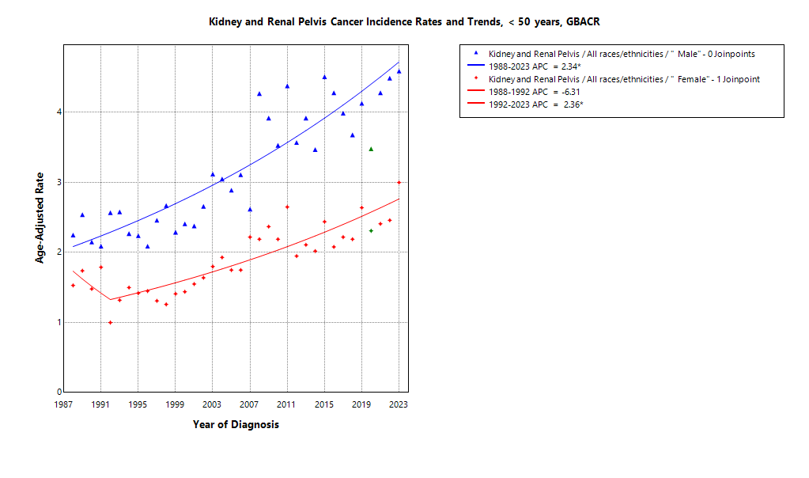
MULTIPLE JOINPOINT INCIDENCE
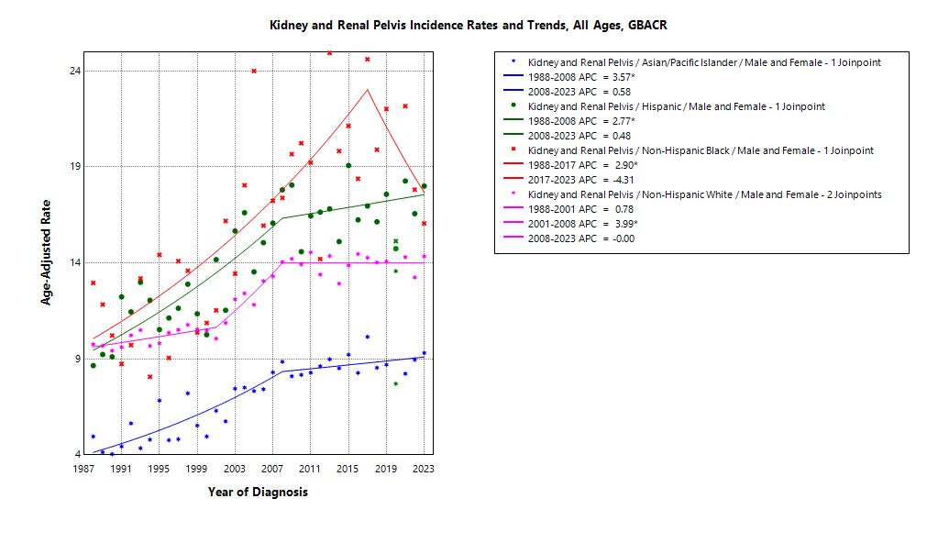

* indicates APC is statistically significant (95% CI excludes 1)
2020 rate is excluded from calculation of trend

ASIR 19-23
Age-specific incidence, GBACR, 2019-2023
Age-specific Incidence (per 100,000)
All races and ethnicities
2019-2023
GBACR
 | Male | Female
 | Rate | Rate
0-04 years | ^ | 2.34
05-09 years | ^ | ^
10-14 years | ^ | ^
15-19 years | ^ | ^
20-24 years | ^ | ^
25-29 years | 1.33 | 1.5
30-34 years | 2.41 | 1.7
35-39 years | 6.45 | 3.17
40-44 years | 10.59 | 6.24
45-49 years | 17.5 | 8.94
50-54 years | 24.46 | 11.79
55-59 years | 37.19 | 15.93
60-64 years | 54.45 | 22.15
65-69 years | 63.88 | 29.86
70-74 years | 81.26 | 34.58
75-79 years | 94.46 | 41.55
80-84 years | 84.27 | 46.73
85+ years | 75.62 | 35.67

 | Rates are per 100,000 and age-adjusted to the 2000 US Std Population (19 age groups - Census P25-1130) standard; Confidence intervals (Tiwari mod) are 95% for rates.
^ | Statistic not displayed due to fewer than 11 cases or a population of less than 20,000.

CSIR 19-23
Age-adjusted county or region-specific incidence rates (per 100,000)
2019-2023

All races/ethnicities incidence, 2019-2023
 |  | Male and female |  |  |  |  | Male |  |  |  |  | Female
 |  | Rate | Lower CI | Upper CI | Count | Pop | Rate | Lower CI | Upper CI | Count | Pop | Rate | Lower CI | Upper CI | Count | Pop
All races/ethnicities | SF Bay Area | 13.37 | 13.01 | 13.74 | 5,325 | 32,781,714 | 18.44 | 17.82 | 19.07 | 3,506 | 16,442,410 | 8.82 | 8.41 | 9.24 | 1,819 | 16,339,304
All races/ethnicities | Alameda | 12.56 | 11.85 | 13.3 | 1,213 | 8,258,704 | 17.23 | 16.02 | 18.52 | 784 | 4,097,278 | 8.5 | 7.7 | 9.36 | 429 | 4,161,426
All races/ethnicities | Contra Costa | 15.22 | 14.32 | 16.16 | 1,113 | 5,806,443 | 21.61 | 20.04 | 23.26 | 741 | 2,855,812 | 9.58 | 8.61 | 10.64 | 372 | 2,950,631
All races/ethnicities | Marin | 11.72 | 10.22 | 13.42 | 243 | 1,294,254 | 16.62 | 14.1 | 19.53 | 164 | 636,095 | 7.47 | 5.77 | 9.58 | 79 | 658,159
All races/ethnicities | San Francisco | 11.93 | 11.01 | 12.92 | 637 | 4,181,168 | 16.33 | 14.79 | 17.99 | 431 | 2,149,378 | 7.54 | 6.52 | 8.69 | 206 | 2,031,790
All races/ethnicities | San Mateo | 13.35 | 12.31 | 14.46 | 635 | 3,725,185 | 18.95 | 17.16 | 20.89 | 424 | 1,855,887 | 8.65 | 7.48 | 9.95 | 211 | 1,869,298
All races/ethnicities | Santa Clara | 13.77 | 13.07 | 14.5 | 1,484 | 9,515,960 | 18.47 | 17.3 | 19.7 | 962 | 4,847,960 | 9.43 | 8.63 | 10.29 | 522 | 4,668,000
All races/ethnicities | Monterey Bay Area | 14.06 | 12.94 | 15.24 | 617 | 3,839,052 | 18.99 | 17.14 | 20.98 | 406 | 1,938,841 | 9.44 | 8.17 | 10.86 | 211 | 1,900,211
All races/ethnicities | Monterey | 13.14 | 11.69 | 14.73 | 308 | 2,179,119 | 16.6 | 14.28 | 19.19 | 190 | 1,108,961 | 9.97 | 8.21 | 12 | 118 | 1,070,158
All races/ethnicities | San Benito | 19.62 | 15.15 | 25 | 68 | 330,267 | 30.22 | 22.28 | 40.06 | 51 | 166,625 | 9.47 | 5.45 | 15.36 | 17 | 163,642
All races/ethnicities | Santa Cruz | 14.02 | 12.23 | 16.02 | 241 | 1,329,666 | 19.87 | 16.83 | 23.35 | 165 | 663,255 | 8.59 | 6.67 | 10.92 | 76 | 666,411
All races/ethnicities | Greater Bay Area (9) | 13.44 | 13.09 | 13.79 | 5,942 | 36,620,766 | 18.49 | 17.91 | 19.09 | 3,912 | 18,381,251 | 8.87 | 8.48 | 9.28 | 2,030 | 18,239,515
All races/ethnicities | California | 15.41 | 15.24 | 15.57 | 35,124 | 196,200,610 | 20.82 | 20.55 | 21.1 | 22,522 | 98,024,546 | 10.6 | 10.41 | 10.79 | 12,602 | 98,176,064
American Indian/Alaska Native | SF Bay Area | 18.01 | 10.95 | 28.12 | 21 | 97,383 | 31 | 17.8 | 50.6 | 17 | 48,506 | ^ | ^ | ^ | ^ | 48,877
American Indian/Alaska Native | Alameda | ^ | ^ | ^ | ^ | 26,909 | ^ | ^ | ^ | ^ | 12,473 | ^ | ^ | ^ | ^ | 14,436
American Indian/Alaska Native | Contra Costa | ^ | ^ | ^ | ^ | 21,217 | ^ | ^ | ^ | ^ | 10,298 | ^ | ^ | ^ | ^ | 10,919
American Indian/Alaska Native | Marin | ^ | ^ | ^ | ^ | 3,576 | ^ | ^ | ^ | ^ | 1,955 | ^ | ^ | ^ | ^ | 1,621
American Indian/Alaska Native | San Francisco | ^ | ^ | ^ | ^ | 11,877 | ^ | ^ | ^ | ^ | 6,577 | ^ | ^ | ^ | ^ | 5,300
American Indian/Alaska Native | San Mateo | ^ | ^ | ^ | ^ | 7,262 | ^ | ^ | ^ | ^ | 3,593 | ^ | ^ | ^ | ^ | 3,669
American Indian/Alaska Native | Santa Clara | ^ | ^ | ^ | ^ | 26,542 | ^ | ^ | ^ | ^ | 13,610 | ^ | ^ | ^ | ^ | 12,932
American Indian/Alaska Native | Monterey Bay Area | ^ | ^ | ^ | ^ | 17,497 | ^ | ^ | ^ | ^ | 8,917 | ^ | ^ | ^ | ^ | 8,580
American Indian/Alaska Native | Monterey | ^ | ^ | ^ | ^ | 8,667 | ^ | ^ | ^ | ^ | 4,465 | ^ | ^ | ^ | ^ | 4,202
American Indian/Alaska Native | San Benito | ^ | ^ | ^ | ^ | 1,684 | ^ | ^ | ^ | ^ | 829 | ^ | ^ | ^ | ^ | 855
American Indian/Alaska Native | Santa Cruz | ^ | ^ | ^ | ^ | 7,146 | ^ | ^ | ^ | ^ | 3,623 | ^ | ^ | ^ | ^ | 3,523
American Indian/Alaska Native | Greater Bay Area (9) | 17.63 | 11.3 | 26.48 | 26 | 114,880 | 29.96 | 18.25 | 46.86 | 21 | 57,423 | ^ | ^ | ^ | ^ | 57,457
American Indian/Alaska Native | California | 24.31 | 21.55 | 27.34 | 306 | 1,019,305 | 30.43 | 25.97 | 35.45 | 179 | 500,428 | 19.23 | 15.86 | 23.13 | 127 | 518,877
Asian American/Native Hawaiian/Pacific Islander | SF Bay Area | 8.55 | 8.04 | 9.08 | 1,088 | 10,914,298 | 12.11 | 11.22 | 13.04 | 714 | 5,309,220 | 5.54 | 4.98 | 6.15 | 374 | 5,605,078
Asian American/Native Hawaiian/Pacific Islander | Alameda | 8.23 | 7.25 | 9.31 | 265 | 2,867,250 | 11.56 | 9.88 | 13.46 | 174 | 1,390,649 | 5.43 | 4.35 | 6.71 | 91 | 1,476,601
Asian American/Native Hawaiian/Pacific Islander | Contra Costa | 9.03 | 7.51 | 10.78 | 127 | 1,195,554 | 12.51 | 9.91 | 15.61 | 82 | 569,844 | 6.12 | 4.44 | 8.26 | 45 | 625,710
Asian American/Native Hawaiian/Pacific Islander | Marin | ^ | ^ | ^ | ^ | 100,208 | ^ | ^ | ^ | ^ | 43,037 | ^ | ^ | ^ | ^ | 57,171
Asian American/Native Hawaiian/Pacific Islander | San Francisco | 8.29 | 7.1 | 9.66 | 186 | 1,574,058 | 11.67 | 9.58 | 14.14 | 116 | 740,106 | 5.51 | 4.25 | 7.11 | 70 | 833,952
Asian American/Native Hawaiian/Pacific Islander | San Mateo | 8.49 | 7.08 | 10.12 | 131 | 1,255,831 | 12.65 | 10.09 | 15.68 | 87 | 598,238 | 5.33 | 3.85 | 7.24 | 44 | 657,593
Asian American/Native Hawaiian/Pacific Islander | Santa Clara | 8.84 | 7.96 | 9.81 | 371 | 3,921,397 | 12.47 | 10.95 | 14.15 | 249 | 1,967,346 | 5.6 | 4.64 | 6.71 | 122 | 1,954,051
Asian American/Native Hawaiian/Pacific Islander | Monterey Bay Area | 10.8 | 7.37 | 15.46 | 34 | 232,882 | 12.66 | 7.38 | 20.66 | 18 | 108,240 | 9.1 | 5 | 15.64 | 16 | 124,642
Asian American/Native Hawaiian/Pacific Islander | Monterey | 10.86 | 6.63 | 17.12 | 22 | 143,862 | ^ | ^ | ^ | ^ | 66,554 | 10.64 | 5.15 | 20.25 | 12 | 77,308
Asian American/Native Hawaiian/Pacific Islander | San Benito | ^ | ^ | ^ | ^ | 14,684 | ^ | ^ | ^ | ^ | 6,777 | ^ | ^ | ^ | ^ | 7,907
Asian American/Native Hawaiian/Pacific Islander | Santa Cruz | ^ | ^ | ^ | ^ | 74,336 | ^ | ^ | ^ | ^ | 34,909 | ^ | ^ | ^ | ^ | 39,427
Asian American/Native Hawaiian/Pacific Islander | Greater Bay Area (9) | 8.6 | 8.1 | 9.13 | 1,122 | 11,147,180 | 12.13 | 11.26 | 13.06 | 732 | 5,417,460 | 5.63 | 5.07 | 6.23 | 390 | 5,729,720
Asian American/Native Hawaiian/Pacific Islander | California | 8.74 | 8.45 | 9.04 | 3,438 | 32,442,326 | 12.27 | 11.75 | 12.8 | 2,184 | 15,562,244 | 5.87 | 5.54 | 6.21 | 1,254 | 16,880,082
Hispanic | SF Bay Area | 17.11 | 16.08 | 18.19 | 1,109 | 7,738,452 | 21.88 | 20.13 | 23.73 | 670 | 3,926,188 | 13.03 | 11.82 | 14.34 | 439 | 3,812,264
Hispanic | Alameda | 17.24 | 15.11 | 19.57 | 262 | 1,926,750 | 21.75 | 18.23 | 25.73 | 160 | 977,152 | 13.1 | 10.61 | 15.98 | 102 | 949,598
Hispanic | Contra Costa | 16.65 | 14.38 | 19.17 | 211 | 1,584,031 | 21.35 | 17.48 | 25.79 | 125 | 794,128 | 12.76 | 10.15 | 15.82 | 86 | 789,903
Hispanic | Marin | 12.14 | 7.47 | 18.5 | 23 | 245,946 | 14.64 | 6.83 | 26.73 | 12 | 126,568 | 10.82 | 5.29 | 19.5 | 11 | 119,378
Hispanic | San Francisco | 16.21 | 13.19 | 19.71 | 105 | 666,314 | 24.53 | 19.14 | 30.96 | 79 | 350,609 | 8.08 | 5.24 | 11.92 | 26 | 315,705
Hispanic | San Mateo | 14.23 | 11.78 | 17.03 | 125 | 927,250 | 17.96 | 13.83 | 22.9 | 72 | 467,918 | 11.41 | 8.51 | 14.98 | 53 | 459,332
Hispanic | Santa Clara | 19.44 | 17.47 | 21.56 | 383 | 2,388,161 | 23.83 | 20.6 | 27.41 | 222 | 1,209,813 | 15.8 | 13.4 | 18.49 | 161 | 1,178,348
Hispanic | Monterey Bay Area | 16.72 | 14.57 | 19.09 | 246 | 1,998,183 | 20.5 | 17.07 | 24.37 | 151 | 1,021,376 | 13.05 | 10.45 | 16.06 | 95 | 976,807
Hispanic | Monterey | 14.8 | 12.34 | 17.6 | 144 | 1,328,728 | 17.89 | 13.94 | 22.54 | 85 | 682,796 | 11.92 | 8.97 | 15.5 | 59 | 645,932
Hispanic | San Benito | 22.5 | 15.5 | 31.43 | 36 | 203,936 | 37.24 | 23.84 | 54.99 | 28 | 103,534 | ^ | ^ | ^ | ^ | 100,402
Hispanic | Santa Cruz | 18.82 | 14.27 | 24.3 | 66 | 465,519 | 19.5 | 13.45 | 27.31 | 38 | 235,046 | 17.26 | 11.17 | 25.23 | 28 | 230,473
Hispanic | Greater Bay Area (9) | 17.02 | 16.09 | 17.99 | 1,355 | 9,736,635 | 21.59 | 20.03 | 23.24 | 821 | 4,947,564 | 13.01 | 11.91 | 14.19 | 534 | 4,789,071
Hispanic | California | 18.97 | 18.62 | 19.33 | 11,900 | 78,148,016 | 24.36 | 23.76 | 24.98 | 7,175 | 39,404,735 | 14.39 | 13.97 | 14.81 | 4,725 | 38,743,281
Non-Hispanic Black | SF Bay Area | 18.82 | 17.12 | 20.64 | 478 | 2,085,961 | 26.76 | 23.82 | 29.99 | 322 | 1,041,354 | 11.82 | 9.99 | 13.91 | 156 | 1,044,607
Non-Hispanic Black | Alameda | 16.44 | 14.14 | 19.03 | 192 | 892,071 | 22.89 | 18.88 | 27.55 | 122 | 433,272 | 11.22 | 8.68 | 14.34 | 70 | 458,799
Non-Hispanic Black | Contra Costa | 20.48 | 17.05 | 24.43 | 134 | 551,470 | 31.51 | 25.13 | 39.06 | 91 | 262,717 | 11.61 | 8.31 | 15.86 | 43 | 288,753
Non-Hispanic Black | Marin | ^ | ^ | ^ | ^ | 37,556 | ^ | ^ | ^ | ^ | 22,477 | ^ | ^ | ^ | ^ | 15,079
Non-Hispanic Black | San Francisco | 22.5 | 17.4 | 28.77 | 69 | 240,131 | 29.17 | 21.27 | 39.36 | 48 | 128,442 | 14.77 | 8.99 | 23.16 | 21 | 111,689
Non-Hispanic Black | San Mateo | 23.4 | 15.23 | 34.52 | 27 | 100,235 | 30.02 | 17.25 | 48.75 | 17 | 53,005 | ^ | ^ | ^ | ^ | 47,230
Non-Hispanic Black | Santa Clara | 18.3 | 13.41 | 24.41 | 49 | 264,498 | 28.7 | 20.12 | 39.77 | 40 | 141,441 | ^ | ^ | ^ | ^ | 123,057
Non-Hispanic Black | Monterey Bay Area | 13.85 | 6.69 | 25.27 | 11 | 84,353 | ^ | ^ | ^ | ^ | 49,517 | ^ | ^ | ^ | ^ | 34,836
Non-Hispanic Black | Monterey | ^ | ^ | ^ | ^ | 59,228 | ^ | ^ | ^ | ^ | 35,728 | ^ | ^ | ^ | ^ | 23,500
Non-Hispanic Black | San Benito | ^ | ^ | ^ | ^ | 4,931 | ^ | ^ | ^ | ^ | 2,696 | ^ | ^ | ^ | ^ | 2,235
Non-Hispanic Black | Santa Cruz | ^ | ^ | ^ | ^ | 20,194 | ^ | ^ | ^ | ^ | 11,093 | ^ | ^ | ^ | ^ | 9,101
Non-Hispanic Black | Greater Bay Area (9) | 18.62 | 16.96 | 20.4 | 489 | 2,170,314 | 26.27 | 23.4 | 29.4 | 329 | 1,090,871 | 11.79 | 9.99 | 13.85 | 160 | 1,079,443
Non-Hispanic Black | California | 17.44 | 16.73 | 18.18 | 2,383 | 12,245,602 | 23.84 | 22.6 | 25.12 | 1,519 | 6,137,046 | 11.96 | 11.15 | 12.81 | 864 | 6,108,556
Non-Hispanic White | SF Bay Area | 14.12 | 13.56 | 14.7 | 2,594 | 11,945,620 | 19.55 | 18.61 | 20.52 | 1,758 | 6,117,142 | 8.98 | 8.34 | 9.65 | 836 | 5,828,478
Non-Hispanic White | Alameda | 12.79 | 11.63 | 14.05 | 483 | 2,545,724 | 17.43 | 15.52 | 19.55 | 319 | 1,283,732 | 8.69 | 7.34 | 10.25 | 164 | 1,261,992
Non-Hispanic White | Contra Costa | 15.66 | 14.38 | 17.05 | 624 | 2,454,171 | 22.63 | 20.42 | 25.05 | 429 | 1,218,825 | 9.27 | 7.91 | 10.83 | 195 | 1,235,346
Non-Hispanic White | Marin | 11.67 | 9.96 | 13.67 | 204 | 906,968 | 16.9 | 14.08 | 20.29 | 142 | 442,058 | 7.07 | 5.1 | 9.71 | 62 | 464,910
Non-Hispanic White | San Francisco | 12.6 | 11.12 | 14.25 | 269 | 1,688,788 | 16.2 | 13.91 | 18.84 | 184 | 923,644 | 8.47 | 6.73 | 10.58 | 85 | 765,144
Non-Hispanic White | San Mateo | 15.06 | 13.44 | 16.86 | 346 | 1,434,607 | 21.63 | 18.9 | 24.7 | 243 | 733,133 | 9.01 | 7.22 | 11.18 | 103 | 701,474
Non-Hispanic White | Santa Clara | 15.16 | 13.98 | 16.44 | 668 | 2,915,362 | 20.44 | 18.5 | 22.55 | 441 | 1,515,750 | 9.97 | 8.64 | 11.48 | 227 | 1,399,612
Non-Hispanic White | Monterey Bay Area | 12.29 | 10.85 | 13.91 | 319 | 1,506,137 | 18.07 | 15.6 | 20.89 | 225 | 750,791 | 6.94 | 5.44 | 8.8 | 94 | 755,346
Non-Hispanic White | Monterey | 10.83 | 8.83 | 13.24 | 129 | 638,634 | 15.08 | 11.76 | 19.24 | 86 | 319,418 | 6.96 | 4.8 | 10.03 | 43 | 319,216
Non-Hispanic White | San Benito | 18.18 | 11.54 | 27.65 | 27 | 105,032 | 26.55 | 15.55 | 43.19 | 20 | 52,789 | ^ | ^ | ^ | ^ | 52,243
Non-Hispanic White | Santa Cruz | 12.64 | 10.61 | 15.02 | 163 | 762,471 | 19.34 | 15.81 | 23.59 | 119 | 378,584 | 6.53 | 4.5 | 9.37 | 44 | 383,887
Non-Hispanic White | Greater Bay Area (9) | 13.89 | 13.37 | 14.43 | 2,913 | 13,451,757 | 19.36 | 18.49 | 20.27 | 1,983 | 6,867,933 | 8.72 | 8.13 | 9.35 | 930 | 6,583,824
Non-Hispanic White | California | 14.91 | 14.67 | 15.15 | 16,716 | 72,345,361 | 20.76 | 20.36 | 21.17 | 11,209 | 36,420,093 | 9.45 | 9.18 | 9.72 | 5,507 | 35,925,268

 | Rates are per 100,000 and age-adjusted to the 2000 US Std Population (19 age groups - Census P25-1130) standard; Confidence intervals (Tiwari mod) are 95% for rates.
^ | Statistic not displayed due to fewer than 11 cases or a population of less than 20,000.

JP Mort_Trend Data 88-23
MULTIPLE JOINPOINT MORTALITY
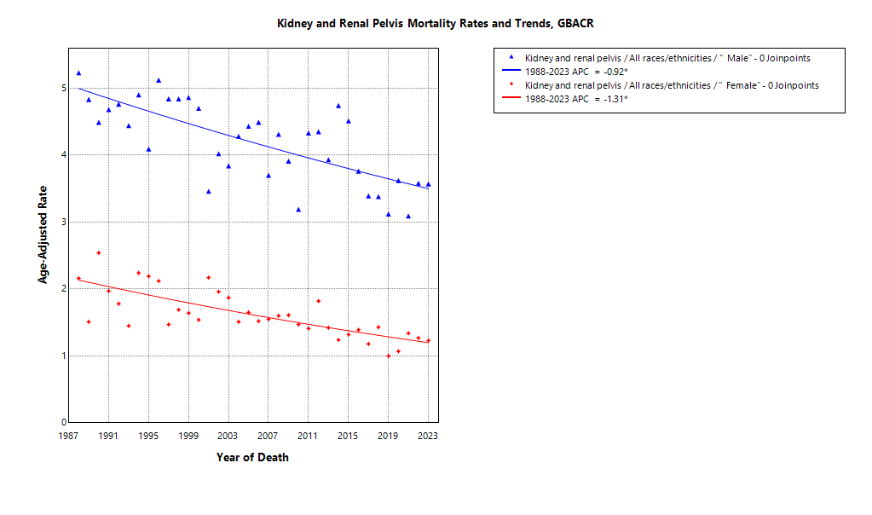

* indicates APC is statistically significant (95% CI excludes 1)

ASMR 19-23
Age-Specific Mortality
All races/ethnicities
2019-2023
GBACR
Age-specific mortality, GBACR, 2019-2023
 | Male | Female
 | Rate | Rate
0-4 years | 0.16 | 0.1
05-09 years | 0.1 | 0.14
10-14 years | ^ | ^
15-19 years | ^ | ^
20-24 years | ^ | 0.1
25-29 years | 0.08 | 0.08
30-34 years | 0.2 | 0.1
35-39 years | 0.41 | 0.31
40-44 years | 1.03 | 0.45
45-49 years | 2.13 | 0.88
50-54 years | 4.13 | 1.59
55-59 years | 7.37 | 2.96
60-64 years | 12.14 | 4.36
65-69 years | 15.95 | 6.48
70-74 years | 21.17 | 9.18
75-79 years | 27.43 | 11.8
80-84 years | 34.33 | 15.12
85+ years | 44.02 | 21.82

 | Rates are per 100,000 and age-adjusted to the 2000 US Std Population (19 age groups - Census P25-1130) standard; Confidence intervals (Tiwari mod) are 95% for rates.
^ | Statistic not displayed due to fewer than 11 cases or a population of less than 20,000.

CSMR 19-23
All races/ethnicities mortality, 2019-2023
Age-adjusted county or region-specific mortality rates (per 100,000)
2019-2023

 |  | Male and female |  |  |  |  | Male |  |  |  |  | Female
 |  | Rate | Lower CI | Upper CI | Count | Pop | Rate | Lower CI | Upper CI | Count | Pop | Rate | Lower CI | Upper CI | Count | Pop
All races/ethnicities | SF Bay Area | 2.57 | 2.41 | 2.73 | 1,044 | 32,781,714 | 3.81 | 3.53 | 4.11 | 700 | 16,442,410 | 1.55 | 1.39 | 1.73 | 344 | 16,339,304
All races/ethnicities | Alameda | 2.56 | 2.25 | 2.91 | 248 | 8,258,704 | 3.82 | 3.24 | 4.47 | 164 | 4,097,278 | 1.55 | 1.23 | 1.94 | 84 | 4,161,426
All races/ethnicities | Contra Costa | 3.03 | 2.63 | 3.46 | 220 | 5,806,443 | 4.62 | 3.90 | 5.44 | 153 | 2,855,812 | 1.67 | 1.29 | 2.14 | 67 | 2,950,631
All races/ethnicities | Marin | 2.27 | 1.67 | 3.06 | 50 | 1,294,254 | 3.34 | 2.26 | 4.84 | 32 | 636,095 | 1.45 | 0.84 | 2.48 | 18 | 658,159
All races/ethnicities | San Francisco | 2.26 | 1.88 | 2.71 | 127 | 4,181,168 | 3.48 | 2.79 | 4.30 | 91 | 2,149,378 | 1.20 | 0.83 | 1.71 | 36 | 2,031,790
All races/ethnicities | San Mateo | 2.37 | 1.95 | 2.86 | 117 | 3,725,185 | 3.75 | 2.97 | 4.67 | 83 | 1,855,887 | 1.28 | 0.88 | 1.83 | 34 | 1,869,298
All races/ethnicities | Santa Clara | 2.58 | 2.28 | 2.90 | 282 | 9,515,960 | 3.57 | 3.06 | 4.15 | 177 | 4,847,960 | 1.79 | 1.46 | 2.18 | 105 | 4,668,000
All races/ethnicities | Monterey Bay Area | 2.77 | 2.29 | 3.32 | 122 | 3,839,052 | 3.72 | 2.91 | 4.68 | 77 | 1,938,841 | 1.91 | 1.38 | 2.58 | 45 | 1,900,211
All races/ethnicities | Monterey | 2.55 | 1.93 | 3.31 | 59 | 2,179,119 | 3.05 | 2.08 | 4.31 | 33 | 1,108,961 | 2.11 | 1.36 | 3.14 | 26 | 1,070,158
All races/ethnicities | San Benito | 3.80 | 1.99 | 6.59 | 13 | 330,267 | ^ | ^ | ^ | ^ | 166,625 | ^ | ^ | ^ | ^ | 163,642
All races/ethnicities | Santa Cruz | 2.80 | 2.06 | 3.75 | 50 | 1,329,666 | 4.42 | 3.04 | 6.25 | 36 | 663,255 | 1.39 | 0.75 | 2.45 | 14 | 666,411
All races/ethnicities | Greater Bay Area (9) | 2.58 | 2.44 | 2.74 | 1,166 | 36,620,766 | 3.80 | 3.53 | 4.08 | 777 | 18,381,251 | 1.58 | 1.43 | 1.75 | 389 | 18,239,515
All races/ethnicities | California | 3.09 | 3.02 | 3.17 | 7,074 | 196,200,610 | 4.49 | 4.36 | 4.62 | 4,638 | 98,024,546 | 1.94 | 1.86 | 2.02 | 2,436 | 98,176,064
American Indian/Alaska Native | SF Bay Area | ^ | ^ | ^ | ^ | 97,383 | ^ | ^ | ^ | ^ | 48,506 | ^ | ^ | ^ | ^ | 48,877
American Indian/Alaska Native | Alameda | ^ | ^ | ^ | ^ | 26,909 | ^ | ^ | ^ | ^ | 12,473 | ^ | ^ | ^ | ^ | 14,436
American Indian/Alaska Native | Contra Costa | ^ | ^ | ^ | ^ | 21,217 | ^ | ^ | ^ | ^ | 10,298 | ^ | ^ | ^ | ^ | 10,919
American Indian/Alaska Native | Marin | ^ | ^ | ^ | ^ | 3,576 | ^ | ^ | ^ | ^ | 1,955 | ^ | ^ | ^ | ^ | 1,621
American Indian/Alaska Native | San Francisco | ^ | ^ | ^ | ^ | 11,877 | ^ | ^ | ^ | ^ | 6,577 | ^ | ^ | ^ | ^ | 5,300
American Indian/Alaska Native | San Mateo | ^ | ^ | ^ | ^ | 7,262 | ^ | ^ | ^ | ^ | 3,593 | ^ | ^ | ^ | ^ | 3,669
American Indian/Alaska Native | Santa Clara | ^ | ^ | ^ | ^ | 26,542 | ^ | ^ | ^ | ^ | 13,610 | ^ | ^ | ^ | ^ | 12,932
American Indian/Alaska Native | Monterey Bay Area | ^ | ^ | ^ | ^ | 17,497 | ^ | ^ | ^ | ^ | 8,917 | ^ | ^ | ^ | ^ | 8,580
American Indian/Alaska Native | Monterey | ^ | ^ | ^ | ^ | 8,667 | ^ | ^ | ^ | ^ | 4,465 | ^ | ^ | ^ | ^ | 4,202
American Indian/Alaska Native | San Benito | ^ | ^ | ^ | ^ | 1,684 | ^ | ^ | ^ | ^ | 829 | ^ | ^ | ^ | ^ | 855
American Indian/Alaska Native | Santa Cruz | ^ | ^ | ^ | ^ | 7,146 | ^ | ^ | ^ | ^ | 3,623 | ^ | ^ | ^ | ^ | 3,523
American Indian/Alaska Native | Greater Bay Area (9) | ^ | ^ | ^ | ^ | 114,880 | ^ | ^ | ^ | ^ | 57,423 | ^ | ^ | ^ | ^ | 57,457
American Indian/Alaska Native | California | 6.03 | 4.71 | 7.62 | 75 | 1,019,305 | 7.99 | 5.79 | 10.78 | 46 | 500,428 | 4.39 | 2.90 | 6.45 | 29 | 518,877
Asian American/Native Hawaiian/Pacific Islander | SF Bay Area | 1.69 | 1.47 | 1.93 | 217 | 10,914,298 | 2.64 | 2.23 | 3.11 | 151 | 5,309,220 | 0.93 | 0.71 | 1.19 | 66 | 5,605,078
Asian American/Native Hawaiian/Pacific Islander | Alameda | 1.67 | 1.25 | 2.18 | 55 | 2,867,250 | 2.73 | 1.94 | 3.74 | 40 | 1,390,649 | 0.85 | 0.47 | 1.44 | 15 | 1,476,601
Asian American/Native Hawaiian/Pacific Islander | Contra Costa | 1.83 | 1.19 | 2.72 | 26 | 1,195,554 | 2.77 | 1.62 | 4.44 | 18 | 569,844 | ^ | ^ | ^ | ^ | 625,710
Asian American/Native Hawaiian/Pacific Islander | Marin | ^ | ^ | ^ | ^ | 100,208 | ^ | ^ | ^ | ^ | 43,037 | ^ | ^ | ^ | ^ | 57,171
Asian American/Native Hawaiian/Pacific Islander | San Francisco | 1.64 | 1.17 | 2.28 | 43 | 1,574,058 | 2.71 | 1.81 | 4.00 | 30 | 740,106 | 0.83 | 0.43 | 1.62 | 13 | 833,952
Asian American/Native Hawaiian/Pacific Islander | San Mateo | 1.72 | 1.12 | 2.56 | 26 | 1,255,831 | 3.05 | 1.84 | 4.78 | 20 | 598,238 | ^ | ^ | ^ | ^ | 657,593
Asian American/Native Hawaiian/Pacific Islander | Santa Clara | 1.65 | 1.28 | 2.11 | 66 | 3,921,397 | 2.36 | 1.70 | 3.19 | 43 | 1,967,346 | 1.06 | 0.67 | 1.60 | 23 | 1,954,051
Asian American/Native Hawaiian/Pacific Islander | Monterey Bay Area | ^ | ^ | ^ | ^ | 232,882 | ^ | ^ | ^ | ^ | 108,240 | ^ | ^ | ^ | ^ | 124,642
Asian American/Native Hawaiian/Pacific Islander | Monterey | ^ | ^ | ^ | ^ | 143,862 | ^ | ^ | ^ | ^ | 66,554 | ^ | ^ | ^ | ^ | 77,308
Asian American/Native Hawaiian/Pacific Islander | San Benito | ^ | ^ | ^ | ^ | 14,684 | ^ | ^ | ^ | ^ | 6,777 | ^ | ^ | ^ | ^ | 7,907
Asian American/Native Hawaiian/Pacific Islander | Santa Cruz | ^ | ^ | ^ | ^ | 74,336 | ^ | ^ | ^ | ^ | 34,909 | ^ | ^ | ^ | ^ | 39,427
Asian American/Native Hawaiian/Pacific Islander | Greater Bay Area (9) | 1.70 | 1.48 | 1.95 | 225 | 11,147,180 | 2.68 | 2.27 | 3.15 | 157 | 5,417,460 | 0.93 | 0.72 | 1.19 | 68 | 5,729,720
Asian American/Native Hawaiian/Pacific Islander | California | 1.83 | 1.69 | 1.97 | 722 | 32,442,326 | 2.68 | 2.44 | 2.94 | 467 | 15,562,244 | 1.16 | 1.02 | 1.32 | 255 | 16,880,082
Hispanic | SF Bay Area | 3.11 | 2.65 | 3.62 | 179 | 7,738,452 | 4.25 | 3.43 | 5.20 | 108 | 3,926,188 | 2.25 | 1.75 | 2.85 | 71 | 3,812,264
Hispanic | Alameda | 3.14 | 2.19 | 4.31 | 39 | 1,926,750 | 4.29 | 2.61 | 6.54 | 23 | 977,152 | 2.22 | 1.25 | 3.61 | 16 | 949,598
Hispanic | Contra Costa | 3.52 | 2.44 | 4.87 | 38 | 1,584,031 | 4.81 | 2.94 | 7.32 | 24 | 794,128 | 2.42 | 1.30 | 4.04 | 14 | 789,903
Hispanic | Marin | ^ | ^ | ^ | ^ | 245,946 | ^ | ^ | ^ | ^ | 126,568 | ^ | ^ | ^ | ^ | 119,378
Hispanic | San Francisco | 2.37 | 1.30 | 3.95 | 15 | 666,314 | 3.56 | 1.79 | 6.38 | 12 | 350,609 | ^ | ^ | ^ | ^ | 315,705
Hispanic | San Mateo | 2.53 | 1.54 | 3.89 | 21 | 927,250 | 4.32 | 2.31 | 7.25 | 15 | 467,918 | ^ | ^ | ^ | ^ | 459,332
Hispanic | Santa Clara | 3.62 | 2.75 | 4.65 | 64 | 2,388,161 | 4.28 | 2.85 | 6.12 | 33 | 1,209,813 | 3.21 | 2.16 | 4.57 | 31 | 1,178,348
Hispanic | Monterey Bay Area | 2.91 | 2.01 | 4.04 | 39 | 1,998,183 | 3.44 | 2.04 | 5.36 | 23 | 1,021,376 | 2.41 | 1.34 | 3.92 | 16 | 976,807
Hispanic | Monterey | 2.95 | 1.82 | 4.48 | 24 | 1,328,728 | 3.24 | 1.52 | 5.84 | 12 | 682,796 | 2.75 | 1.37 | 4.84 | 12 | 645,932
Hispanic | San Benito | ^ | ^ | ^ | ^ | 203,936 | ^ | ^ | ^ | ^ | 103,534 | ^ | ^ | ^ | ^ | 100,402
Hispanic | Santa Cruz | ^ | ^ | ^ | ^ | 465,519 | ^ | ^ | ^ | ^ | 235,046 | ^ | ^ | ^ | ^ | 230,473
Hispanic | Greater Bay Area (9) | 3.07 | 2.66 | 3.53 | 218 | 9,736,635 | 4.10 | 3.37 | 4.92 | 131 | 4,947,564 | 2.27 | 1.81 | 2.81 | 87 | 4,789,071
Hispanic | California | 3.75 | 3.58 | 3.92 | 2,035 | 78,148,016 | 5.24 | 4.94 | 5.56 | 1,276 | 39,404,735 | 2.57 | 2.39 | 2.77 | 759 | 38,743,281
Non-Hispanic Black | SF Bay Area | 3.22 | 2.54 | 4.05 | 79 | 2,085,961 | 4.90 | 3.64 | 6.48 | 55 | 1,041,354 | 1.84 | 1.17 | 2.78 | 24 | 1,044,607
Non-Hispanic Black | Alameda | 3.08 | 2.10 | 4.38 | 33 | 892,071 | 3.48 | 1.92 | 5.80 | 16 | 433,272 | 2.82 | 1.63 | 4.64 | 17 | 458,799
Non-Hispanic Black | Contra Costa | 2.95 | 1.77 | 4.67 | 20 | 551,470 | 5.21 | 2.98 | 8.61 | 17 | 262,717 | ^ | ^ | ^ | ^ | 288,753
Non-Hispanic Black | Marin | ^ | ^ | ^ | ^ | 37,556 | ^ | ^ | ^ | ^ | 22,477 | ^ | ^ | ^ | ^ | 15,079
Non-Hispanic Black | San Francisco | 3.60 | 1.75 | 6.73 | 11 | 240,131 | ^ | ^ | ^ | ^ | 128,442 | ^ | ^ | ^ | ^ | 111,689
Non-Hispanic Black | San Mateo | ^ | ^ | ^ | ^ | 100,235 | ^ | ^ | ^ | ^ | 53,005 | ^ | ^ | ^ | ^ | 47,230
Non-Hispanic Black | Santa Clara | ^ | ^ | ^ | ^ | 264,498 | ^ | ^ | ^ | ^ | 141,441 | ^ | ^ | ^ | ^ | 123,057
Non-Hispanic Black | Monterey Bay Area | ^ | ^ | ^ | ^ | 84,353 | ^ | ^ | ^ | ^ | 49,517 | ^ | ^ | ^ | ^ | 34,836
Non-Hispanic Black | Monterey | ^ | ^ | ^ | ^ | 59,228 | ^ | ^ | ^ | ^ | 35,728 | ^ | ^ | ^ | ^ | 23,500
Non-Hispanic Black | San Benito | ^ | ^ | ^ | ^ | 4,931 | ^ | ^ | ^ | ^ | 2,696 | ^ | ^ | ^ | ^ | 2,235
Non-Hispanic Black | Santa Cruz | ^ | ^ | ^ | ^ | 20,194 | ^ | ^ | ^ | ^ | 11,093 | ^ | ^ | ^ | ^ | 9,101
Non-Hispanic Black | Greater Bay Area (9) | 3.21 | 2.53 | 4.01 | 81 | 2,170,314 | 4.81 | 3.57 | 6.33 | 56 | 1,090,871 | 1.86 | 1.20 | 2.79 | 25 | 1,079,443
Non-Hispanic Black | California | 3.35 | 3.03 | 3.68 | 436 | 12,245,602 | 4.82 | 4.24 | 5.46 | 276 | 6,137,046 | 2.22 | 1.88 | 2.60 | 160 | 6,108,556
Non-Hispanic White | SF Bay Area | 2.83 | 2.59 | 3.08 | 560 | 11,945,620 | 4.17 | 3.75 | 4.63 | 379 | 6,117,142 | 1.69 | 1.44 | 1.98 | 181 | 5,828,478
Non-Hispanic White | Alameda | 2.94 | 2.43 | 3.55 | 119 | 2,545,724 | 4.56 | 3.61 | 5.71 | 83 | 1,283,732 | 1.56 | 1.08 | 2.23 | 36 | 1,261,992
Non-Hispanic White | Contra Costa | 3.20 | 2.67 | 3.83 | 135 | 2,454,171 | 4.87 | 3.91 | 6.04 | 93 | 1,218,825 | 1.77 | 1.26 | 2.49 | 42 | 1,235,346
Non-Hispanic White | Marin | 2.47 | 1.76 | 3.48 | 45 | 906,968 | 3.63 | 2.38 | 5.55 | 29 | 442,058 | 1.56 | 0.85 | 2.97 | 16 | 464,910
Non-Hispanic White | San Francisco | 2.62 | 1.98 | 3.45 | 56 | 1,688,788 | 3.58 | 2.51 | 5.01 | 38 | 923,644 | 1.70 | 0.99 | 2.82 | 18 | 765,144
Non-Hispanic White | San Mateo | 2.53 | 1.91 | 3.33 | 62 | 1,434,607 | 3.53 | 2.51 | 4.91 | 41 | 733,133 | 1.74 | 1.01 | 2.89 | 21 | 701,474
Non-Hispanic White | Santa Clara | 2.82 | 2.37 | 3.34 | 143 | 2,915,362 | 4.11 | 3.31 | 5.07 | 95 | 1,515,750 | 1.76 | 1.29 | 2.41 | 48 | 1,399,612
Non-Hispanic White | Monterey Bay Area | 2.61 | 2.01 | 3.38 | 71 | 1,506,137 | 3.65 | 2.61 | 5.05 | 45 | 750,791 | 1.65 | 1.07 | 2.61 | 26 | 755,346
Non-Hispanic White | Monterey | 2.20 | 1.44 | 3.40 | 28 | 638,634 | 2.79 | 1.56 | 4.93 | 16 | 319,418 | 1.64 | 0.82 | 3.46 | 12 | 319,216
Non-Hispanic White | San Benito | ^ | ^ | ^ | ^ | 105,032 | ^ | ^ | ^ | ^ | 52,789 | ^ | ^ | ^ | ^ | 52,243
Non-Hispanic White | Santa Cruz | 2.87 | 2.01 | 4.10 | 39 | 762,471 | 4.27 | 2.72 | 6.60 | 26 | 378,584 | 1.67 | 0.88 | 3.29 | 13 | 383,887
Non-Hispanic White | Greater Bay Area (9) | 2.80 | 2.58 | 3.03 | 631 | 13,451,757 | 4.10 | 3.71 | 4.52 | 424 | 6,867,933 | 1.69 | 1.46 | 1.95 | 207 | 6,583,824
Non-Hispanic White | California | 3.12 | 3.02 | 3.22 | 3,782 | 72,345,361 | 4.62 | 4.44 | 4.81 | 2,553 | 36,420,093 | 1.82 | 1.71 | 1.93 | 1,229 | 35,925,268

 | Rates are per 100,000 and age-adjusted to the 2000 US Std Population (19 age groups - Census P25-1130) standard; Confidence intervals (Tiwari mod) are 95% for rates.
^ | Statistic not displayed due to fewer than 11 cases or a population of less than 20,000.

Regional Comparison 19-23
Incidence among Males 2019-2023
Incidence among Females 2019-2023
Incidence - Males
Greater Bay Area |  |  |  |  |  |  | California |  |  |  |  |  |  | SEER 21
Region | Race | Rate | LCL | UCL | LCLforfig | UCLforfig | Region | Race | Rate | LCL | UCL | LCLforfig | UCLforfig | Region | Race | Rate | LCL | UCL | LCLforfig | UCLforfig
GBACR | All races/ethnicities | 18.49 | 17.91 | 19.09 | 0.58 | 0.60 | California | All races/ethnicities | 20.82 | 20.55 | 21.1 | 0.27 | 0.28 | SEER | All races/ethnicities | 24.44 | 24.29 | 24.59 | 0.15 | 0.15
GBACR | AIAN | 29.96 | 18.25 | 46.86 | 11.71 | 16.90 | California | AIAN | 30.43 | 25.97 | 35.45 | 4.46 | 5.02 | SEER | Non-Hispanic American Indian/Alaska Native (PRCDA counties only) | 37.4 | 34.12 | 40.9 | 3.28 | 3.50
GBACR | Non-Hispanic Asian or Pacific Islander | 12.13 | 11.26 | 13.06 | 0.87 | 0.93 | California | Non-Hispanic Asian or Pacific Islander | 12.27 | 11.75 | 12.8 | 0.52 | 0.53 | SEER | Non-Hispanic Asian or Pacific Islander | 12.67 | 12.31 | 13.04 | 0.36 | 0.37
GBACR | Hispanic (All Races) | 21.59 | 20.03 | 23.24 | 1.56 | 1.65 | California | Hispanic (All Races) | 24.36 | 23.76 | 24.98 | 0.60 | 0.62 | SEER | Hispanic (All Races) | 25.49 | 25.11 | 25.88 | 0.38 | 0.39
GBACR | Non-Hispanic Black | 26.27 | 23.4 | 29.4 | 2.87 | 3.13 | California | Non-Hispanic Black | 23.84 | 22.6 | 25.12 | 1.24 | 1.28 | SEER | Non-Hispanic Black | 26.75 | 26.24 | 27.27 | 0.51 | 0.52
GBACR | Non-Hispanic White | 19.36 | 18.49 | 20.27 | 0.87 | 0.91 | California | Non-Hispanic White | 20.76 | 20.36 | 21.17 | 0.40 | 0.41 | SEER | Non-Hispanic White | 25.14 | 24.94 | 25.34 | 0.20 | 0.20

Incidence - Females
Greater Bay Area |  |  |  |  |  |  | California |  |  |  |  |  |  | SEER 21
Region | Race | Rate | LCL | UCL | LCLforfig | UCLforfig | Region | Race | Rate | LCL | UCL | LCLforfig | UCLforfig | Region | Race | Rate | LCL | UCL | LCLforfig | UCLforfig
GBACR | All races/ethnicities | 8.87 | 8.48 | 9.28 | 0.39 | 0.41 | California | All races/ethnicities | 10.6 | 10.41 | 10.79 | 0.19 | 0.19 | SEER | All races/ethnicities | 12.26 | 12.16 | 12.36 | 0.10 | 0.10
GBACR | AIAN | ^ | ^ | ^ | #VALUE! | #VALUE! | California | AIAN | 19.23 | 15.86 | 23.13 | 3.37 | 3.90 | SEER | Non-Hispanic American Indian/Alaska Native (PRCDA counties only) | 20.01 | 17.84 | 22.38 | 2.17 | 2.37
GBACR | Non-Hispanic Asian or Pacific Islander | 5.63 | 5.07 | 6.23 | 0.56 | 0.60 | California | Non-Hispanic Asian or Pacific Islander | 5.87 | 5.54 | 6.21 | 0.33 | 0.34 | SEER | Non-Hispanic Asian or Pacific Islander | 5.91 | 5.68 | 6.14 | 0.23 | 0.23
GBACR | Hispanic (All Races) | 13.01 | 11.91 | 14.19 | 1.10 | 1.18 | California | Hispanic (All Races) | 14.39 | 13.97 | 14.81 | 0.42 | 0.42 | SEER | Hispanic (All Races) | 14.94 | 14.68 | 15.21 | 0.26 | 0.27
GBACR | Non-Hispanic Black | 11.79 | 9.99 | 13.85 | 1.80 | 2.06 | California | Non-Hispanic Black | 11.96 | 11.15 | 12.81 | 0.81 | 0.85 | SEER | Non-Hispanic Black | 13.32 | 13.01 | 13.64 | 0.31 | 0.32
GBACR | Non-Hispanic White | 8.72 | 8.13 | 9.35 | 0.59 | 0.63 | California | Non-Hispanic White | 9.45 | 9.18 | 9.72 | 0.27 | 0.27 | SEER | Non-Hispanic White | 12.04 | 11.9 | 12.18 | 0.14 | 0.14

Mortality among Males 2019-2023
Mortality among Females 2019-2023
Mortality - Males
Greater Bay Area |  |  |  |  |  |  | California |  |  |  |  |  |  | Total U.S. Mortality
Region | Race | Rate | LCL | UCL | LCLforfig | UCLforfig | Region | Race | Rate | LCL | UCL | LCLforfig | UCLforfig | Region | Race | Rate | LCL | UCL | LCLforfig | UCLforfig
GBACR | All races/ethnicities | 3.80 | 3.53 | 4.08 | 0.27 | 0.28 | California | All races/ethnicities | 4.49 | 4.36 | 4.62 | 0.13 | 0.13 | US Mortality | All races/ethnicities | 5.06 | 5.02 | 5.11 | 0.04 | 0.05
GBACR | AIAN | ^ | ^ | ^ | #VALUE! | #VALUE! | California | AIAN | 7.99 | 5.79 | 10.78 | 2.20 | 2.79 | US Mortality | Non-Hispanic American Indian/Alaska Native (PRCDA counties only) | 6.41 | 5.78 | 7.09 | 0.63 | 0.68
GBACR | Non-Hispanic Asian or Pacific Islander | 2.68 | 2.27 | 3.15 | 0.41 | 0.47 | California | Non-Hispanic Asian or Pacific Islander | 2.68 | 2.44 | 2.94 | 0.24 | 0.26 | US Mortality | Non-Hispanic Asian or Pacific Islander | 2.36 | 2.22 | 2.5 | 0.14 | 0.14
GBACR | Hispanic (All Races) | 4.10 | 3.37 | 4.92 | 0.73 | 0.82 | California | Hispanic (All Races) | 5.24 | 4.94 | 5.56 | 0.30 | 0.32 | US Mortality | Hispanic (All Races) | 4.68 | 4.53 | 4.82 | 0.15 | 0.14
GBACR | Non-Hispanic Black | 4.81 | 3.57 | 6.33 | 1.24 | 1.52 | California | Non-Hispanic Black | 4.82 | 4.24 | 5.46 | 0.58 | 0.64 | US Mortality | Non-Hispanic Black | 4.87 | 4.72 | 5.03 | 0.15 | 0.16
GBACR | Non-Hispanic White | 4.10 | 3.71 | 4.52 | 0.39 | 0.42 | California | Non-Hispanic White | 4.62 | 4.44 | 4.81 | 0.18 | 0.19 | US Mortality | Non-Hispanic White | 5.29 | 5.23 | 5.34 | 0.06 | 0.05

Mortality - Females
Greater Bay Area |  |  |  |  |  |  | California |  |  |  |  |  |  | Total U.S. Mortality
Region | Race | Rate | LCL | UCL | LCLforfig | UCLforfig | Region | Race | Rate | LCL | UCL | LCLforfig | UCLforfig | Region | Race | Rate | LCL | UCL | LCLforfig | UCLforfig
GBACR | All races/ethnicities | 1.58 | 1.43 | 1.75 | 0.15 | 0.17 | California | All races/ethnicities | 1.94 | 1.86 | 2.02 | 0.08 | 0.08 | US Mortality | All races/ethnicities | 2.12 | 2.09 | 2.14 | 0.03 | 0.02
GBACR | AIAN | ^ | ^ | ^ | #VALUE! | #VALUE! | California | AIAN | 4.39 | 2.90 | 6.45 | 1.49 | 2.06 | US Mortality | Non-Hispanic American Indian/Alaska Native (PRCDA counties only) | 2.98 | 2.59 | 3.41 | 0.39 | 0.43
GBACR | Non-Hispanic Asian or Pacific Islander | 0.93 | 0.72 | 1.19 | 0.21 | 0.26 | California | Non-Hispanic Asian or Pacific Islander | 1.16 | 1.02 | 1.32 | 0.14 | 0.16 | US Mortality | Non-Hispanic Asian or Pacific Islander | 1.04 | 0.96 | 1.12 | 0.08 | 0.08
GBACR | Hispanic (All Races) | 2.27 | 1.81 | 2.81 | 0.46 | 0.54 | California | Hispanic (All Races) | 2.57 | 2.39 | 2.77 | 0.18 | 0.20 | US Mortality | Hispanic (All Races) | 2.07 | 1.98 | 2.15 | 0.09 | 0.08
GBACR | Non-Hispanic Black | 1.86 | 1.20 | 2.79 | 0.66 | 0.93 | California | Non-Hispanic Black | 2.22 | 1.88 | 2.60 | 0.34 | 0.38 | US Mortality | Non-Hispanic Black | 2.09 | 2.01 | 2.17 | 0.08 | 0.08
GBACR | Non-Hispanic White | 1.69 | 1.46 | 1.95 | 0.23 | 0.26 | California | Non-Hispanic White | 1.82 | 1.71 | 1.93 | 0.11 | 0.11 | US Mortality | Non-Hispanic White | 2.19 | 2.16 | 2.22 | 0.03 | 0.03

